Sheet1
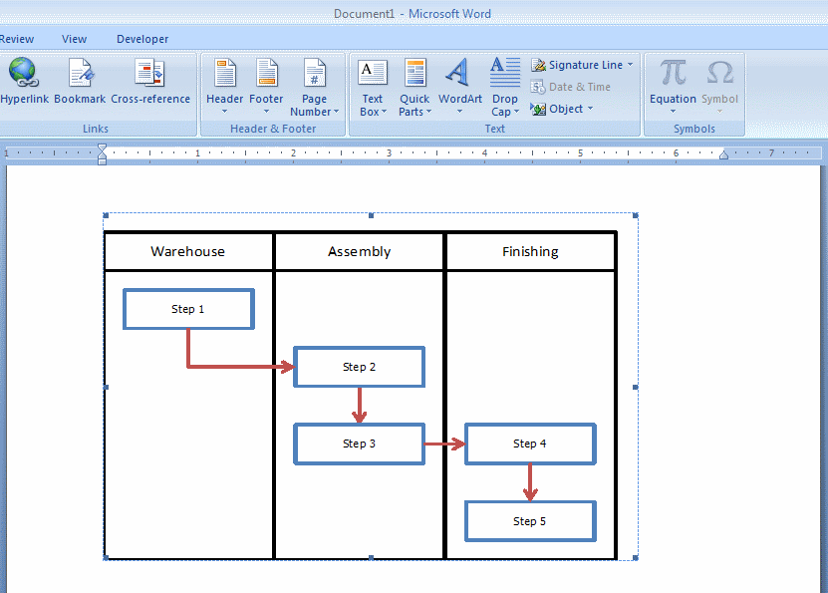
Day | Flight | Miles Earned | Running Total (2011)
2011-01-02 | cle-sea | 2021 | 2021
2011-01-07 | sea-lax | 954 | 2975
2011-01-09 | lax-sea | 954 | 3929
2011-01-28 | sea-lax | 954 | 4883
2011-01-30 | lax-sea | 954 | 5837
2011-02-04 | sea-sfo | 678 | 6515
2011-02-04 | sfo-bos | 2704 | 9219
2011-04-01 | sea-sfo | 678 | 9897
2011-04-01 | sfo-lax | 750 | 10647
2011-08-19 | sea-lax | 954 | 11601
2011-08-21 | lax-sea | 954 | 12555
2011-09-09 | sea-sfo | 678 | 13233
2011-09-09 | sfo-jfk | 2586 | 15819
2011-09-12 | lax-sea | 954 | 16773
2011-09-12 | jfk-lax | 2475 | 19248
2011-04-29 | sea-den | 1024 | 20272
2011-04-29 | den-ord | 888 | 21160
2011-04-29 | ord-cdg | 4153 | 25313
2011-05-03 | zrh-iad | 4158 | 29471
2011-05-03 | iad-sfo | 2419 | 31890
2011-05-03 | sfo-sea | 678 | 32568

