res
...
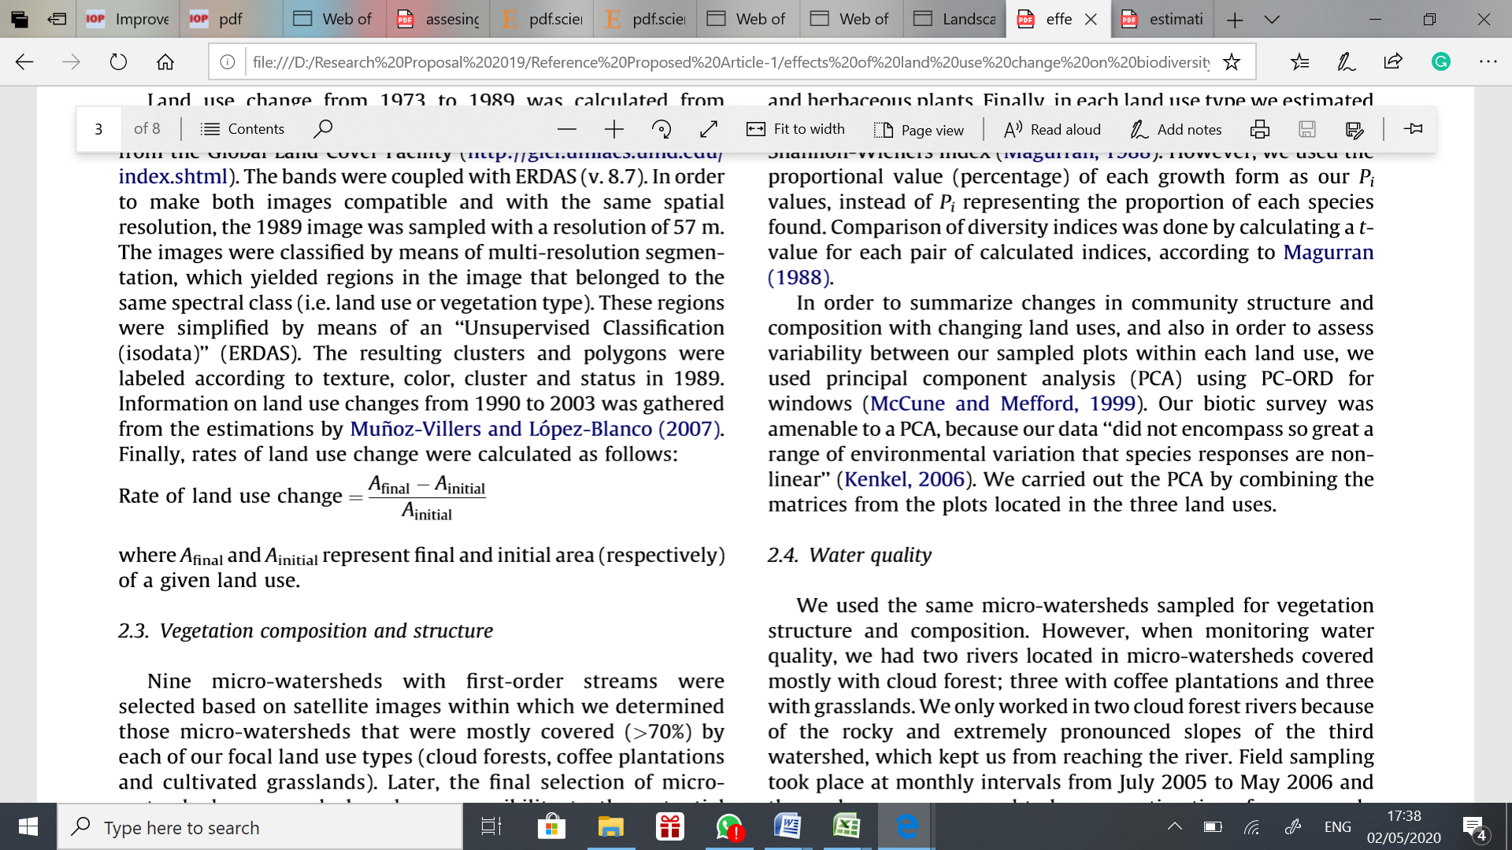
...
 | Year
 | Natural Forest
...
 | Total Area
 | Merauke Regency | 4,851,715
...
% by total
-4.006 | -29,980.50 | -29,980.50 | -15,772.00 | -20,176.00 | -45,100.00 | -630.00 | -9,428.00 | -13,955.00 | -6,738.00 | -3,833.00 | -117,265.00 | 98,480.00 | -292,858.00 | 98,480.00 | - | -24,404.83 | 8,206.67 | -16,198.17 | -
-0.139 | -17,276.50 | -17,276.50 | 14,885.00 | 9,113.00 | 44,592.00 | 339.00 | 6,378.00 | -13,915.00 | -10,225.00 | -2,145.00 | 80,416.00 | -101,639.00 | -162,477.00 | 155,723.00 | - | -13,539.75 | 12,976.92 | -562.83 | -
-0.275 | -1,382.00 | -1,382.00 | -4,195.00 | -5,258.00 | - | - | 1,298.00 | -1,050.00 | -1,596.00 | -155.00 | 653.00 | -276.00 | -15,294.00 | 1,951.00 | - | -1,274.50 | 162.58 | -1,111.92 | -
-0.026 | -1,136.40 | -1,136.40 | 2,703.70 | -2,098.30 | -103.90 | - | 101.40 | -154.70 | 355.70 | -47.20 | 102.70 | 127.70 | -4,676.90 | 3,391.20 | - | -389.74 | 282.60 | -107.14 | -
-2.890 | -13,125.00 | -13,125.00 | -23,390.00 | -54,540.00 | -32,906.00 | - | 1,187.00 | -3,731.00 | -1,841.00 | -558.00 | 2,294.00 | -501.00 | -143,717.00 | 3,481.00 | - | -11,976.42 | 290.08 | -11,686.33 | -
...

graph1
Year | 1990 | 1996 | 2000 | 2003 | 2006 | 2009 | 2011 | 2014 | 2015 | 2016 | 2017 | 2018 | 2019
Natural forest | 50.30 | 46.70 | 43.09 | 42.68 | 41.71 | 41.70 | 42.69 | 41.74 | 40.74 | 40.27 | 40.17 | 39.46 | 42.97
Non forest | 49.70 | 53.30 | 56.91 | 57.32 | 58.29 | 58.30 | 58.31 | 58.26 | 59.25 | 59.73 | 59.83 | 60.54 | 57.03

pe

Sheet2
Year | 1990 | 1996 | 2000 | 2003 | 2006 | 2009 | 2011 | 2014 | 2015 | 2016 | 2017 | 2018 | 2019
Natural forest | 2,440,396 | 2,265,600 | 2,090,804 | 2,070,891 | 2,023,668 | 2,023,051 | 2,022,760 | 2,024,932 | 1,977,080 | 1,953,906 | 1,948,987 | 1,914,250 | 2,084,557
Non forest | 2,411,319 | 2,586,115 | 2,760,912 | 2,780,824 | 2,828,047 | 2,828,664 | 2,828,955 | 2,826,783 | 2,874,635 | 2,897,809 | 2,902,728 | 2,937,465 | 2,767,158

res (3)
...
 |  |  |  |  |  |  |  |  | 16,395.80 | 17,071.60 | 16,376.60 | 18,278.40 | 21,670.80 | 220,365.60 | 731.42 | 123.60 | 607.82 | 7,293.80 | 50.73 | 0.150 |  | 990.60 | 990.60 | 363.70 | 81.40 | 76.90 | - | 303.80 | -788.20 | 675.80
 |  |  |  |  |  |  |  |  | 62,139.30 | 65,070.90 | 65,343.80 | 70,691.70 | 68,599.70 | 795,214.40 | 2,570.87 | 476.09 | 2,094.78 | 25,137.40 | 57.84 | 0.518 |  | 5,550.50 | 5,550.50 | - | 10,686.60 | 128.60 | - | 381.90 | -3,621.10 | 2,931.60
 |  |  |  |  |  |  |  |  | 11,458.90 | 11,388.10 | 11,388.10 | 48,795.20 | 45,504.60 | 216,716.00 | 3,161.55 | 280.47 | 2,881.08 | 34,572.90 | 316.26 | 0.713 |  | - | - | - | 41.90 | - | 70.30 | 419.30 | -4.30 | -70.80
 |  |  |  |  |  |  |  |  | - | - | - | 448.16 | 79.67 | 527.83 | 37.35 | 30.71 | 6.64 | 79.67 | #DIV/0! | 0.002 |  | - | - | - | - | - | - | - | - | -
 |  |  |  |  |  |  |  |  | 158.70 | 158.70 | 158.70 | 175.21 | 175.00 | 2,095.95 | 1.38 | 0.02 | 1.36 | 16.30 | 10.27 | 0.000 |  | - | - | - | - | - | - | - | - | -
 |  |  |  |  |  |  |  |  | 46,440.40 | 46,151.80 | 45,503.70 | 26,525.60 | 25,575.00 | 545,810.50 | 816.87 | 1,738.78 | -921.92 | -11,063.00 | -30.20 | -0.228 |  | 4,791.60 | 4,791.60 | - | - | - | - | 219.20 | - | -288.60
 |  |  |  |  |  |  |  |  | 529,565.00 | 516,113.00 | 554,354.00 | 532,291.00 | 437,538.00 | 6,572,292.50 | 14,529.00 | 10,932.08 | 3,596.92 | 43,163.00 | 10.94 | 0.890 |  | 62,220.50 | 62,220.50 | 2,235.00 | 5,993.00 | - | -10.00 | 3,438.00 | -907.00 | -13,452.00

 | Primary Dryland Forest | Secondary Dryland Forest | Primary Mangrove Forest | Secondary Mangrove Forest | Primary Swamp Forest | Secondary Swamp Forest
1990 | 694,737.00 | 638,049.00 | 208,727.00 | 25,345.30 | 342,429.00 | 531,109.00
1996 | 664,756.50 | 620,772.50 | 207,345.00 | 24,208.90 | 329,304.00 | 419,213.00
2000 | 634,776.00 | 603,496.00 | 205,963.00 | 23,072.50 | 316,179.00 | 307,317.00
2003 | 619,004.00 | 618,381.00 | 201,768.00 | 25,776.20 | 292,789.00 | 313,173.00
2006 | 598,828.00 | 627,494.00 | 196,510.00 | 23,677.90 | 238,249.00 | 338,909.00
2009 | 553,728.00 | 672,086.00 | 196,510.00 | 23,574.00 | 205,343.00 | 371,810.00
2011 | 553,098.00 | 672,425.00 | 196,510.00 | 23,574.00 | 205,343.00 | 371,810.00
2014 | 543,670.00 | 678,803.00 | 197,808.00 | 23,675.40 | 206,530.00 | 374,446.00
2015 | 529,715.00 | 664,888.00 | 196,758.00 | 23,520.70 | 202,799.00 | 359,399.00
2016 | 522,977.00 | 654,663.00 | 195,162.00 | 23,876.40 | 200,958.00 | 356,270.00
2017 | 519,144.00 | 652,518.00 | 195,007.00 | 23,829.20 | 200,400.00 | 358,089.00
2018 | 401,879.00 | 732,934.00 | 195,660.00 | 23,931.90 | 202,694.00 | 357,151.00
2019 | 500,359.00 | 631,295.00 | 195,384.00 | 24,059.60 | 202,193.00 | 531,266.00
 |  |  |  |  |  |  |  |  | 2015 | 2016 | 2017 | 2018 | 2019
 |  |  |  |  |  |  |  |  | 529,715.00 | 522,977.00 | 519,144.00 | 401,879.00 | 500,359.00
 |  |  |  |  |  |  |  |  | 664,888.00 | 654,663.00 | 652,518.00 | 732,934.00 | 631,295.00
 |  |  |  |  |  |  |  |  | 196,758.00 | 195,162.00 | 195,007.00 | 195,660.00 | 195,384.00
 |  |  |  |  |  |  |  |  | 23,520.70 | 23,876.40 | 23,829.20 | 23,931.90 | 24,059.60
 |  |  |  |  |  |  |  |  | 202,799.00 | 200,958.00 | 200,400.00 | 202,694.00 | 202,193.00
 |  |  |  |  |  |  |  |  | 359,399.00 | 356,270.00 | 358,089.00 | 357,151.00 | 531,266.00

 |  |  |  |  |  |  |  |  | 2015 | 2016 | 2017 | 2018 | 2019
 |  |  |  |  |  |  |  |  | 169,262.00 | 166,111.00 | 170,801.00 | 169,656.00 | 129,465.00
 |  |  |  |  |  |  |  |  | 19,885.00 | 27,397.20 | 53,856.80 | 80,231.40 | 94,358.60
 |  |  |  |  |  |  |  |  | 3,653.09 | 3,878.10 | 3,480.02 | 7,216.40 | 7,089.96
 |  |  |  |  |  |  |  |  | 263,859.00 | 75,080.70 | 56,539.00 | 77,994.30 | 88,946.10
 |  |  |  |  |  |  |  |  | - | - | - | - | -
 |  |  |  |  |  |  |  |  | 568,723.00 | 700,156.00 | 603,422.00 | 576,528.00 | 555,274.00
 |  |  |  |  |  |  |  |  | 322,282.11 | 351,749.50 | 351,734.08 | 349,815.73 | 349,883.97
 |  |  |  |  |  |  |  |  | 860,813.00 | 917,482.00 | 969,770.00 | 978,818.00 | 942,998.00
 |  |  |  |  |  |  |  |  | 16,395.80 | 17,071.60 | 16,376.60 | 18,278.40 | 21,670.80
 |  |  |  |  |  |  |  |  | 62,139.30 | 65,070.90 | 65,343.80 | 70,691.70 | 68,599.70
Paddy Field | 10,931.70 | 10,931.70 | 10,931.70 | 10,931.70 | 10,973.60 | 10,973.60 | 11,043.90 | 11,463.20 | 11,458.90 | 11,388.10 | 11,388.10 | 48,795.20 | 45,504.60
Fish Pond | - | - | - | - | - | - | - | - | - | - | - | 448.16 | 79.67
Airport | 158.70 | 158.70 | 158.70 | 158.70 | 158.70 | 158.70 | 158.70 | 158.70 | 158.70 | 158.70 | 158.70 | 175.21 | 175.00
Transmigration Area | 36,638.00 | 41,429.60 | 46,221.20 | 46,221.20 | 46,221.20 | 46,221.20 | 46,221.20 | 46,440.40 | 46,440.40 | 46,151.80 | 45,503.70 | 26,525.60 | 25,575.00
Swamp | 394,375.00 | 456,595.50 | 518,816.00 | 521,051.00 | 527,044.00 | 527,044.00 | 527,034.00 | 530,472.00 | 529,565.00 | 516,113.00 | 554,354.00 | 532,291.00 | 437,538.00

 | Bush/Shrub | Estate Cropplantation | Settlement Area | Barren Land | Cloud Covered | Grass Land | Water Body | Swamp Shrub | Dryland Agriculture | Shrub-Mixed Dryland Farm | Paddy Field | Fish Pond
1990 | 71,945.90 | - | 3,159.73 | 81,713.60 | 763.65 | 471,693.00 | 352,031.12 | 930,069.00 | 14,377.00 | 43,462.30 | 10,931.70 | -
1996 | 124,194.45 | - | 3,365.58 | 51,759.35 | 763.65 | 549,086.50 | 352,012.17 | 931,437.50 | 15,367.60 | 49,012.80 | 10,931.70 | -
2000 | 176,443.00 | - | 3,571.42 | 21,805.10 | 763.65 | 626,480.00 | 351,993.23 | 932,806.00 | 16,358.20 | 54,563.30 | 10,931.70 | -
2003 | 177,229.00 | 101.02 | 3,667.19 | 21,805.10 | 763.65 | 646,258.00 | 351,992.04 | 929,360.00 | 16,721.90 | 54,563.30 | 10,931.70 | -
2006 | 178,032.00 | 101.02 | 3,890.97 | 21,853.20 | 763.65 | 655,175.00 | 351,994.56 | 949,786.00 | 16,803.30 | 65,249.90 | 10,973.60 | -
2009 | 178,463.00 | 101.02 | 3,890.97 | 21,853.20 | 763.65 | 704,034.00 | 351,993.96 | 900,908.00 | 16,880.20 | 65,378.50 | 10,973.60 | -
2011 | 177,262.00 | 1,533.15 | 3,890.97 | 21,912.90 | 763.65 | 704,044.00 | 351,993.83 | 900,838.00 | 16,880.20 | 65,378.50 | 11,043.90 | -
2014 | 174,273.00 | 16,535.00 | 3,916.67 | 23,500.80 | - | 708,703.00 | 322,264.43 | 906,111.00 | 17,184.00 | 65,760.40 | 11,463.20 | -
2015 | 169,262.00 | 19,885.00 | 3,653.09 | 263,859.00 | - | 568,723.00 | 322,282.11 | 860,813.00 | 16,395.80 | 62,139.30 | 11,458.90 | -
2016 | 166,111.00 | 27,397.20 | 3,878.10 | 75,080.70 | - | 700,156.00 | 351,749.50 | 917,482.00 | 17,071.60 | 65,070.90 | 11,388.10 | -
2017 | 170,801.00 | 53,856.80 | 3,480.02 | 56,539.00 | - | 603,422.00 | 351,734.08 | 969,770.00 | 16,376.60 | 65,343.80 | 11,388.10 | -
2018 | 169,656.00 | 80,231.40 | 7,216.40 | 77,994.30 | - | 576,528.00 | 349,815.73 | 978,818.00 | 18,278.40 | 70,691.70 | 48,795.20 | 448.16
2019 | 129,465.00 | 94,358.60 | 7,089.96 | 88,946.10 | - | 555,274.00 | 349,883.97 | 942,998.00 | 21,670.80 | 68,599.70 | 45,504.60 | 79.67

 |  |  |  |  |  |  |  |  |  |  |  |  |  |  |  |  |  |  |  |  | 2019
...

