Sheet1
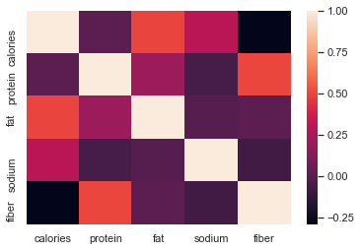

protein 0.02

-1 | 0 | 1

fat 0.50

fibre 0.30
sodium 0.30

