OpeningPage

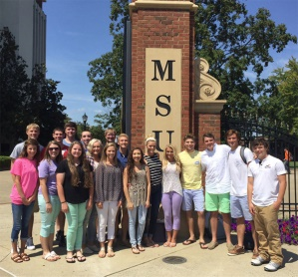
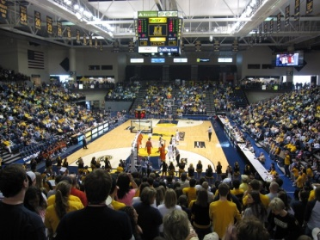




Allocating Classes for Common Wealth Honors Academy


Sign In

Sign Up

* Login or sign-up to continue

Dashboard

WELCOME!

Analysis
Analysis on Allocated CHA Courses

State wise Gender Ratio
 | Illinois | Kentucky | Tenessee
Male | 17 | 15 | 6
Female | 41 | 21 | 20
Most Preferred Elective
 | Total
Arts | 27
Diversity | 14
Economics | 16
Entrepreneurship | 16
Pilgrimage | 25
Social Justice | 22

Least Preferred Elective
 | Total
Arts | 2
Diversity | 28
Economics | 24
Entrepreneurship | 16
Pilgrimage | 25
Social Justice | 25
Students from Each City
 | Total
Bowling Green | 4
Chicago | 12
Clarksville | 7
Cleveland | 7
Downers Grove | 6
Downers GroveDowners Grove | 1
East St. Louis | 7
Jackson | 4
Lexington | 5
Louisville | 9
Memphis | 3
Murray | 10
Naperville | 16
Nashiville | 3
Nashville | 2
Paducah | 8
Springfield | 16

Return To Dashboard

Gender_State
Count of High School | Column Labels
Row Labels | Illinois | Kentucky | Tenessee | Grand Total
2016 | 58 | 36 | 26 | 120
Male | 17 | 15 | 6 | 38
Female | 41 | 21 | 20 | 82
Grand Total | 58 | 36 | 26 | 120

Preferred Elective
Row Labels | Count of Student ID
Arts | 27
Diversity | 14
Economics | 16
Entrepreneurship | 16
Most Preferred Elective
Pilgrimage | 25
Social Justice | 22
Grand Total | 120

LeastPrefered Elec
Row Labels | Count of Student ID
Arts | 2
Diversity | 28
Economics | 24
Entrepreneurship | 16
Pilgrimage | 25
Social Justice | 25
Least Preferred Elective
Grand Total | 120

Sheet6
Row Labels | Count of Student ID
Bowling Green | 4
Chicago | 12
Clarksville | 7
Cleveland | 7
Downers Grove | 6
No. of Student from
Downers GroveDowners Grove | 1
East St. Louis | 7
Jackson | 4
Lexington | 5
Louisville | 9
Memphis | 3
Murray | 10
Naperville | 16
Nashiville | 3
Nashville | 2
Paducah | 8
Springfield | 16
Grand Total | 120

