Logging Overview
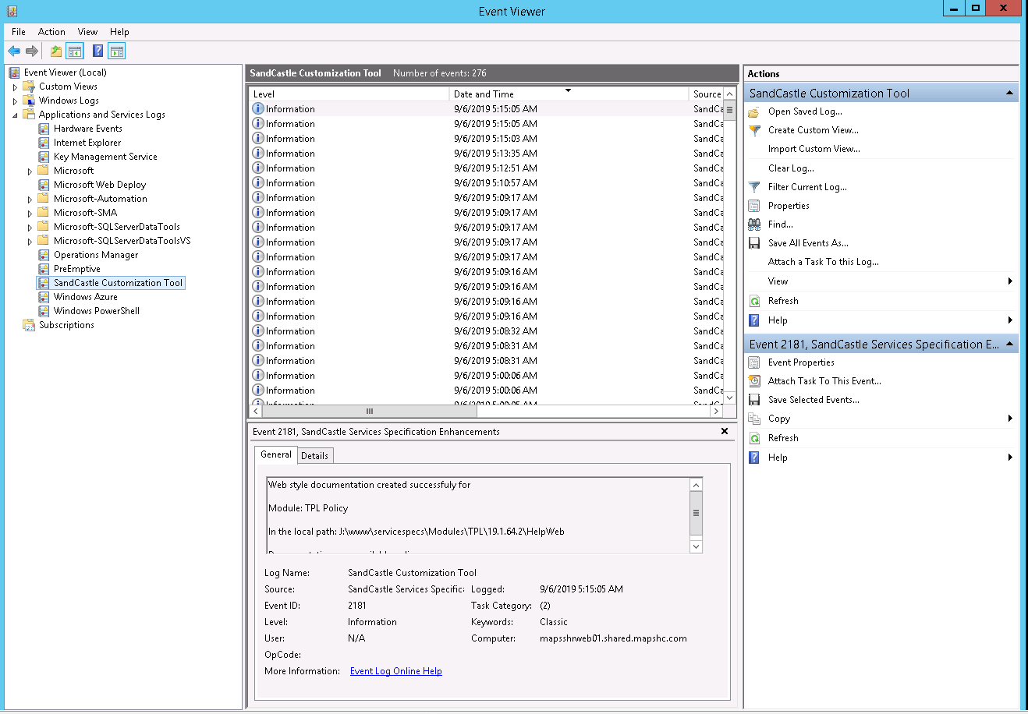
# | Event | Domain | Event Id (reserved from now on) | Task Category | Logging Level
1 | Application started | Application | 1041 | 1 | ApplicationInformation
2 | Application ended | Application | 1042 | 1 | ApplicationInformation
3 | Module doc created successfully, ready online | Module/Setting File | 2181 | 2 | SuccessAudit
5 | Unexpected error found in doc creation | Module/Setting File | 2014 | 2 | ApplicationError
6 | Backup helper succeed for module | Application | 1043 | 1 | ApplicationInformation
7 | Backup helper faild for module | Application | 1011 | 1 | ApplicationError
10 | Application Settings error found | Application | 1013 | 1 | ApplicationError
11 | Module Setting error found in XML validation | Module/Setting File | 2163 | 2 | FailureAudit
12 | No setting files found in folder | Module/Setting File | 2021 | 2 | ApplicationWarning
16 | All setting files validation faild | Module/Setting File | 2022 | 2 | ApplicationWarning
19 | ModuleTrackingMessages | Module/Setting File | 900 | 9 | ApplicationInformation
20 | ApplicationTrackingMessages | Application | 900 | 9 | ApplicationInformation

 |  |  |  | Task Category | Usage | Code
 |  |  |  | Tracking | Intermediate messages | 9
 |  |  |  | ApplicationExecution | Runtime messages | 1
 |  |  |  | ApplicationData | input needed, output produced | 2

 |  |  |  | Event Viewer Source Name
 |  |  |  | SandCastle Customization Tool

 | Excerpt from the server : 10.163.58.68

