Screenshot
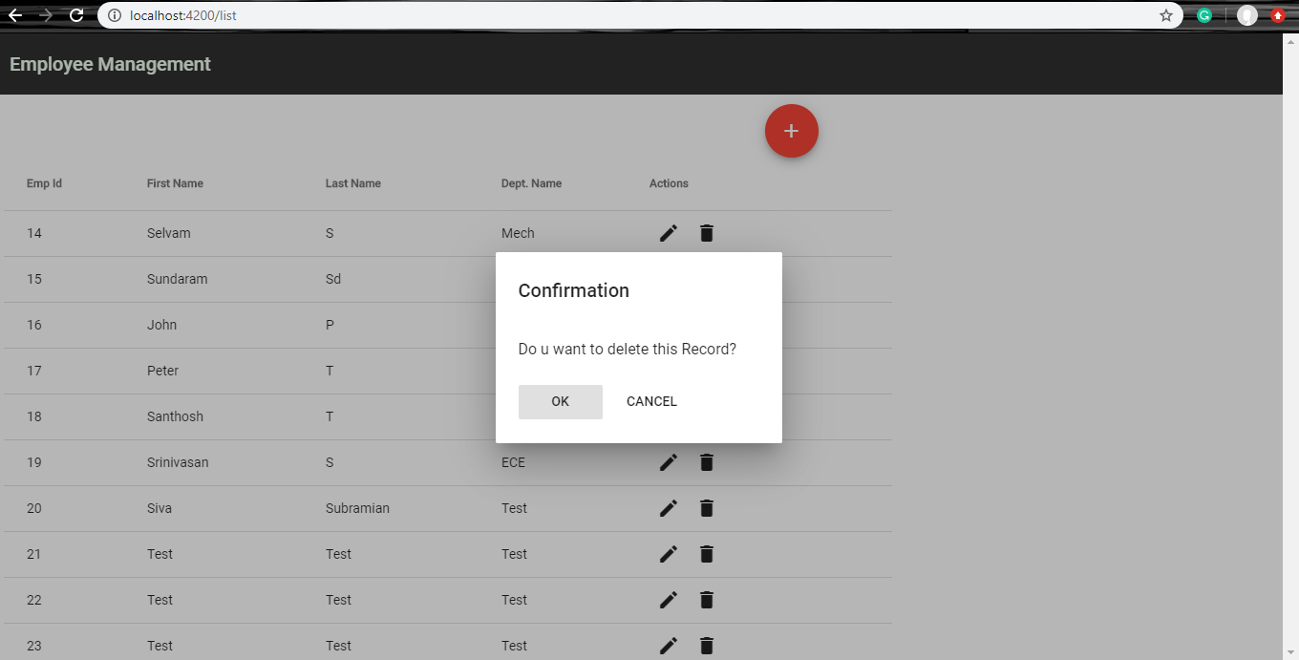
Screenshots
Employee List Screen
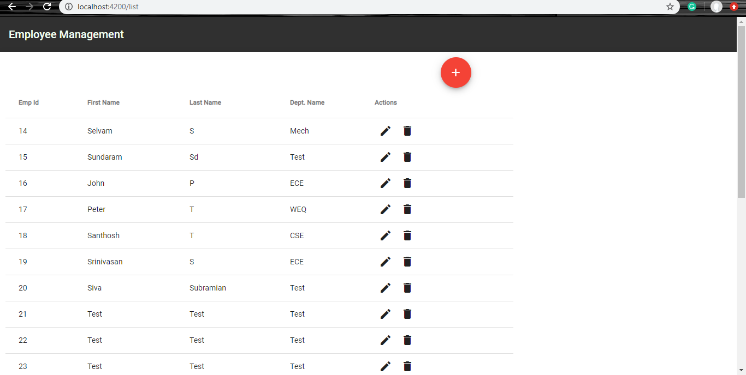

Add Dialog
1.Click Add Fab Button to open Add Dialog
2.On ADD Button Click,New Record will be inserted in DB

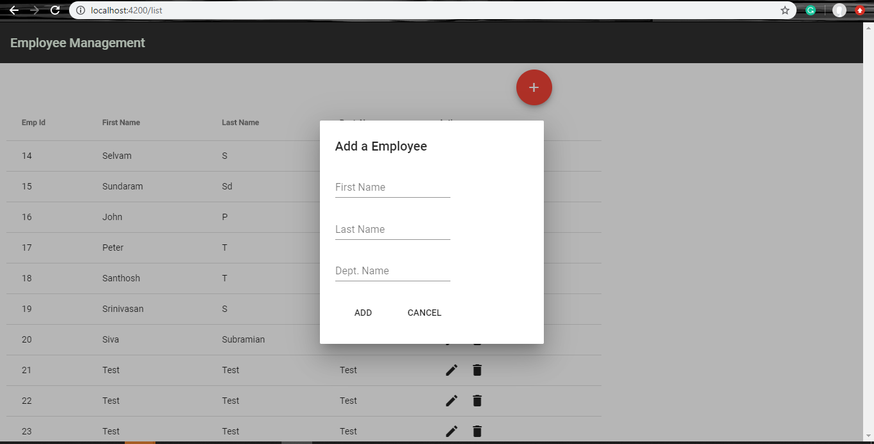

Edit Dialog
1.Click Edit icon Button in list to open Edit Dialog
2.On EDIT Button click,Record will be updated in DB

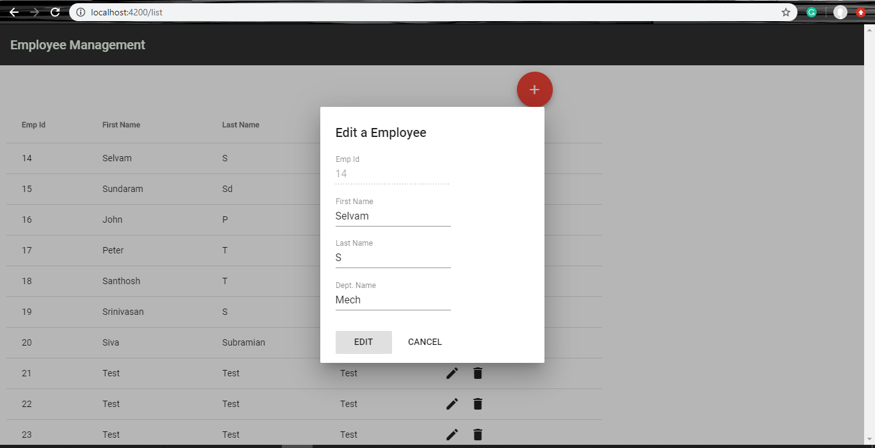

Delete
1.Click Delete icon Button in list to open Delete Dialog
2.On OK Button click,Record will be deleted in DB

