Combined-DenseNet and Resnet
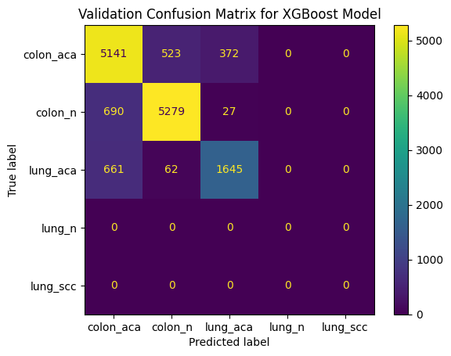
 | Colon Features Shape: (24000, 256)
 | Colon Labels Shape: (24000,)
 | Lung Features Shape: (24000, 256)
 | Lung Labels Shape: (24000,)
 | Combined Features Shape: (48000, 256)
 | Combined Labels Shape: (48000,)
 | X_train Shape: (33600, 256)
 | X_val Shape: (14400, 256)
 | y_train Shape: (33600,)
 | y_val Shape: (14400,)
 | XGBoost Training time: 63.34 seconds
 | Validation Time: 1.75 seconds
 | Testing Time: 1.67 seconds
 | XGBoost Validation Accuracy: 0.8378
 | Final Target Names: ['colon_aca', 'colon_n', 'lung_aca', 'lung_n', 'lung_scc']
 | Classification Report:
 | precision recall f1-score support

 | colon_aca 0.79 0.85 0.82 6036
 | colon_n 0.90 0.88 0.89 5996
 | lung_aca 0.80 0.69 0.75 2368
num_samples = 3000 | lung_n 0.00 0.00 0.00 0
 | lung_scc 0.00 0.00 0.00 0

 | accuracy 0.84 14400
 | macro avg 0.50 0.49 0.49 14400
 | weighted avg 0.84 0.84 0.84 14400
 | Training Metrics:
 | precision recall f1-score support

 | colon_aca 1.00 1.00 1.00 13964
 | colon_n 1.00 1.00 1.00 14004
 | lung_aca 1.00 1.00 1.00 5632
 | lung_n 0.00 0.00 0.00 0
 | lung_scc 0.00 0.00 0.00 0

 | accuracy 1.00 33600
 | macro avg 0.60 0.60 0.60 33600
 | weighted avg 1.00 1.00 1.00 33600

 | Validation Metrics:
 | precision recall f1-score support

 | colon_aca 0.79 0.85 0.82 6036
 | colon_n 0.90 0.88 0.89 5996
 | lung_aca 0.80 0.69 0.75 2368
 | lung_n 0.00 0.00 0.00 0
 | lung_scc 0.00 0.00 0.00 0

 | accuracy 0.84 14400
 | macro avg 0.50 0.49 0.49 14400
 | weighted avg 0.84 0.84 0.84 14400

 | Found 2000 images belonging to 2 classes.
 | Found 3000 images belonging to 3 classes.
 | Test Metrics:
 | precision recall f1-score support

 | colon_aca 0.64 0.28 0.39 3324
 | colon_n 0.47 0.93 0.63 3333
 | lung_aca 0.00 0.00 0.00 1343
 | lung_n 0.00 0.00 0.00 0
 | lung_scc 0.00 0.00 0.00 0

 | accuracy 0.50 8000
 | macro avg 0.22 0.24 0.20 8000
 | weighted avg 0.46 0.50 0.42 8000

GWO_Den201+EffiV2L-25k
Copying files: 10000 files [00:01, 5455.25 files/s]
Copying files: 15000 files [00:04, 3407.50 files/s]
Found 7000 images belonging to 2 classes.
Found 10500 images belonging to 3 classes.
Found 1500 images belonging to 2 classes.
Found 2250 images belonging to 3 classes.
Epoch 1/10
/usr/local/lib/python3.11/dist-packages/keras/src/trainers/data_adapters/py_dataset_adapter.py:121: UserWarning: Your `PyDataset` class should call `super().__init__(**kwargs)` in its constructor. `**kwargs` can include `workers`, `use_multiprocessing`, `max_queue_size`. Do not pass these arguments to `fit()`, as they will be ignored.
self._warn_if_super_not_called()
50/50 ━━━━━━━━━━━━━━━━━━━━ 490s 1s/step - accuracy: 0.2619 - loss: 1.7986 - val_accuracy: 0.3812 - val_loss: 1.3761 - learning_rate: 3.1760e-04
Epoch 2/10
50/50 ━━━━━━━━━━━━━━━━━━━━ 10s 190ms/step - accuracy: 0.5797 - loss: 1.0889 - val_accuracy: 0.7406 - val_loss: 0.7861 - learning_rate: 3.1760e-04
Epoch 3/10
50/50 ━━━━━━━━━━━━━━━━━━━━ 9s 187ms/step - accuracy: 0.7430 - loss: 0.6956 - val_accuracy: 0.8125 - val_loss: 0.5025 - learning_rate: 3.1760e-04
Epoch 4/10
50/50 ━━━━━━━━━━━━━━━━━━━━ 10s 189ms/step - accuracy: 0.7574 - loss: 0.5774 - val_accuracy: 0.8875 - val_loss: 0.2787 - learning_rate: 3.1760e-04
Epoch 5/10
50/50 ━━━━━━━━━━━━━━━━━━━━ 9s 186ms/step - accuracy: 0.8467 - loss: 0.3683 - val_accuracy: 0.9187 - val_loss: 0.2499 - learning_rate: 3.1760e-04
Epoch 6/10
50/50 ━━━━━━━━━━━━━━━━━━━━ 8s 168ms/step - accuracy: 0.8593 - loss: 0.4102 - val_accuracy: 0.8313 - val_loss: 0.4326 - learning_rate: 3.1760e-04
Epoch 7/10
50/50 ━━━━━━━━━━━━━━━━━━━━ 8s 167ms/step - accuracy: 0.9043 - loss: 0.2931 - val_accuracy: 0.8375 - val_loss: 0.4235 - learning_rate: 3.1760e-04
Epoch 8/10
50/50 ━━━━━━━━━━━━━━━━━━━━ 9s 186ms/step - accuracy: 0.8739 - loss: 0.3642 - val_accuracy: 0.9156 - val_loss: 0.2120 - learning_rate: 3.1760e-04
Epoch 9/10
50/50 ━━━━━━━━━━━━━━━━━━━━ 9s 188ms/step - accuracy: 0.8799 - loss: 0.3560 - val_accuracy: 0.9375 - val_loss: 0.1625 - learning_rate: 3.1760e-04
Epoch 10/10
50/50 ━━━━━━━━━━━━━━━━━━━━ 26s 518ms/step - accuracy: 0.9029 - loss: 0.2859 - val_accuracy: 0.9684 - val_loss: 0.1123 - learning_rate: 3.1760e-04

Training Metrics:
Accuracy: 100.00%
Precision: 1.0000
Recall: 1.0000
F1 Score: 1.0000

Validation Metrics:
Accuracy: 94.69%
Precision: 0.9478
Recall: 0.9469
F1 Score: 0.9469

Training time: 49.52s
Validation time: 0.05s

--- Validation Classification Report ---
precision recall f1-score support

colon_aca 0.97 0.96 0.97 80
colon_n 0.99 0.99 0.99 80
lung_aca 0.92 0.86 0.89 64
lung_n 0.98 1.00 0.99 49
lung_scc 0.84 0.91 0.88 47

accuracy 0.95 320
macro avg 0.94 0.94 0.94 320
weighted avg 0.95 0.95 0.95 320

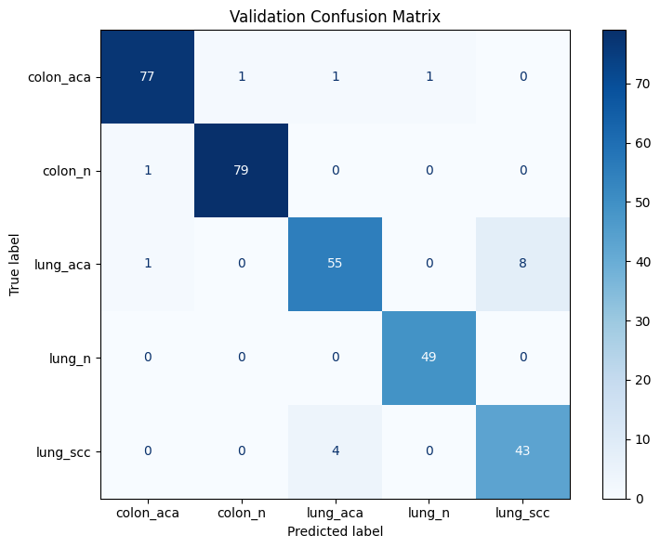

Note : Dataset split Traning 70% Validation 15% Test 15% split

GWO_Den201+EffiV2M-25k
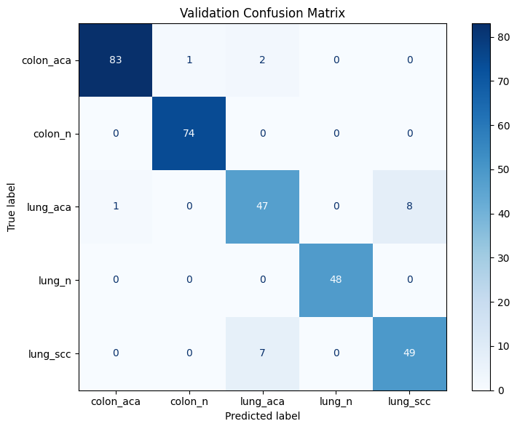
Copying files: 10000 files [00:12, 785.15 files/s]
Copying files: 15000 files [00:07, 2042.12 files/s]
Found 7000 images belonging to 2 classes.

Found 10500 images belonging to 3 classes.
Found 1500 images belonging to 2 classes.
Found 2250 images belonging to 3 classes.
Epoch 1/10
/usr/local/lib/python3.11/dist-packages/keras/src/trainers/data_adapters/py_dataset_adapter.py:121: UserWarning: Your `PyDataset` class should call `super().__init__(**kwargs)` in its constructor. `**kwargs` can include `workers`, `use_multiprocessing`, `max_queue_size`. Do not pass these arguments to `fit()`, as they will be ignored.
self._warn_if_super_not_called()
50/50 ━━━━━━━━━━━━━━━━━━━━ 364s 874ms/step - accuracy: 0.2726 - loss: 1.7975 - val_accuracy: 0.3875 - val_loss: 1.3779 - learning_rate: 3.1760e-04
Epoch 2/10
50/50 ━━━━━━━━━━━━━━━━━━━━ 7s 139ms/step - accuracy: 0.5487 - loss: 1.1201 - val_accuracy: 0.7188 - val_loss: 0.8051 - learning_rate: 3.1760e-04
Epoch 3/10
50/50 ━━━━━━━━━━━━━━━━━━━━ 7s 140ms/step - accuracy: 0.7467 - loss: 0.6661 - val_accuracy: 0.8469 - val_loss: 0.4217 - learning_rate: 3.1760e-04
Epoch 4/10
50/50 ━━━━━━━━━━━━━━━━━━━━ 7s 139ms/step - accuracy: 0.8307 - loss: 0.4718 - val_accuracy: 0.9094 - val_loss: 0.3036 - learning_rate: 3.1760e-04
Epoch 5/10
50/50 ━━━━━━━━━━━━━━━━━━━━ 7s 141ms/step - accuracy: 0.8295 - loss: 0.4409 - val_accuracy: 0.9156 - val_loss: 0.2692 - learning_rate: 3.1760e-04
Epoch 6/10
50/50 ━━━━━━━━━━━━━━━━━━━━ 7s 141ms/step - accuracy: 0.8412 - loss: 0.4956 - val_accuracy: 0.9375 - val_loss: 0.1948 - learning_rate: 3.1760e-04
Epoch 7/10
50/50 ━━━━━━━━━━━━━━━━━━━━ 7s 142ms/step - accuracy: 0.8997 - loss: 0.3344 - val_accuracy: 0.9438 - val_loss: 0.1887 - learning_rate: 3.1760e-04
Epoch 8/10
50/50 ━━━━━━━━━━━━━━━━━━━━ 6s 127ms/step - accuracy: 0.8664 - loss: 0.3357 - val_accuracy: 0.9187 - val_loss: 0.2050 - learning_rate: 3.1760e-04
Epoch 9/10
50/50 ━━━━━━━━━━━━━━━━━━━━ 6s 125ms/step - accuracy: 0.8592 - loss: 0.4022 - val_accuracy: 0.9000 - val_loss: 0.2546 - learning_rate: 3.1760e-04
Epoch 10/10
50/50 ━━━━━━━━━━━━━━━━━━━━ 24s 496ms/step - accuracy: 0.8960 - loss: 0.2952 - val_accuracy: 0.9525 - val_loss: 0.1801 - learning_rate: 3.1760e-04

Training Metrics:
Accuracy: 100.00%
Precision: 1.0000
Recall: 1.0000
F1 Score: 1.0000

Validation Metrics:
Accuracy: 94.06%
Precision: 0.9410
Recall: 0.9406
F1 Score: 0.9408

Training time: 16.31s
Validation time: 0.05s

--- Validation Classification Report ---
precision recall f1-score support

colon_aca 0.99 0.97 0.98 86
colon_n 0.99 1.00 0.99 74
lung_aca 0.84 0.84 0.84 56
lung_n 1.00 1.00 1.00 48
lung_scc 0.86 0.88 0.87 56

accuracy 0.94 320
macro avg 0.93 0.94 0.94 320
weighted avg 0.94 0.94 0.94 320

GWO_Den201+EffiV2L-TPR,FPR,ROC
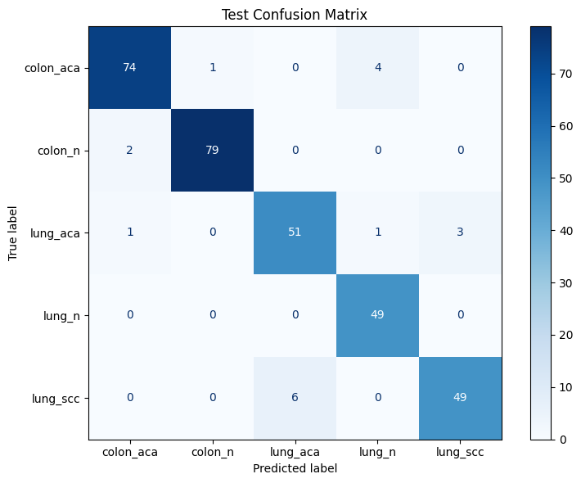
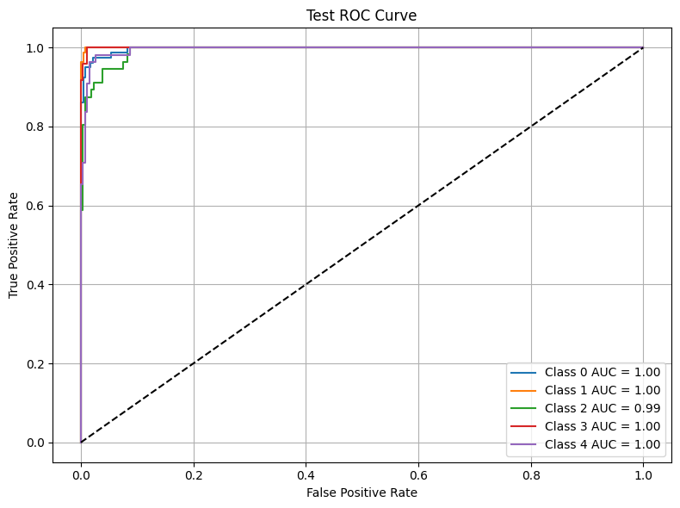
Copying files: 10000 files [00:02, 4286.69 files/s]
Copying files: 15000 files [00:04, 3749.18 files/s]
Found 7000 images belonging to 2 classes.

Found 10500 images belonging to 3 classes.
Found 1500 images belonging to 2 classes.
Found 2250 images belonging to 3 classes.
Epoch 1/10
/usr/local/lib/python3.11/dist-packages/keras/src/trainers/data_adapters/py_dataset_adapter.py:121: UserWarning: Your `PyDataset` class should call `super().__init__(**kwargs)` in its constructor. `**kwargs` can include `workers`, `use_multiprocessing`, `max_queue_size`. Do not pass these arguments to `fit()`, as they will be ignored.
self._warn_if_super_not_called()
50/50 ━━━━━━━━━━━━━━━━━━━━ 515s 1s/step - accuracy: 0.2725 - loss: 1.8016 - val_accuracy: 0.4906 - val_loss: 1.2983 - learning_rate: 3.1760e-04
Epoch 2/10
50/50 ━━━━━━━━━━━━━━━━━━━━ 10s 196ms/step - accuracy: 0.5868 - loss: 1.0142 - val_accuracy: 0.7344 - val_loss: 0.7523 - learning_rate: 3.1760e-04
Epoch 3/10
50/50 ━━━━━━━━━━━━━━━━━━━━ 10s 193ms/step - accuracy: 0.7619 - loss: 0.6154 - val_accuracy: 0.8781 - val_loss: 0.3460 - learning_rate: 3.1760e-04
Epoch 4/10
50/50 ━━━━━━━━━━━━━━━━━━━━ 9s 176ms/step - accuracy: 0.7903 - loss: 0.5501 - val_accuracy: 0.8719 - val_loss: 0.4209 - learning_rate: 3.1760e-04
Epoch 5/10
50/50 ━━━━━━━━━━━━━━━━━━━━ 10s 192ms/step - accuracy: 0.8022 - loss: 0.5367 - val_accuracy: 0.9031 - val_loss: 0.3229 - learning_rate: 3.1760e-04
Epoch 6/10
50/50 ━━━━━━━━━━━━━━━━━━━━ 10s 197ms/step - accuracy: 0.8887 - loss: 0.2965 - val_accuracy: 0.9250 - val_loss: 0.2446 - learning_rate: 3.1760e-04
Epoch 7/10
50/50 ━━━━━━━━━━━━━━━━━━━━ 10s 195ms/step - accuracy: 0.8580 - loss: 0.3700 - val_accuracy: 0.9250 - val_loss: 0.2044 - learning_rate: 3.1760e-04
Epoch 8/10
50/50 ━━━━━━━━━━━━━━━━━━━━ 10s 198ms/step - accuracy: 0.9028 - loss: 0.2841 - val_accuracy: 0.9375 - val_loss: 0.1872 - learning_rate: 3.1760e-04
Epoch 9/10
50/50 ━━━━━━━━━━━━━━━━━━━━ 10s 192ms/step - accuracy: 0.8887 - loss: 0.2857 - val_accuracy: 0.9563 - val_loss: 0.1365 - learning_rate: 3.1760e-04
Epoch 10/10
50/50 ━━━━━━━━━━━━━━━━━━━━ 33s 676ms/step - accuracy: 0.8870 - loss: 0.3548 - val_accuracy: 0.9525 - val_loss: 0.1309 - learning_rate: 3.1760e-04

Training Metrics:
Accuracy: 100.00%
Precision: 1.0000
Recall: 1.0000
F1 Score: 1.0000

Validation Metrics:
Accuracy: 95.94%
Precision: 0.9618
Recall: 0.9594
F1 Score: 0.9593

Training time: 32.46s
Validation time: 0.05s

--- Validation Classification Report ---
precision recall f1-score support

colon_aca 0.99 0.94 0.96 84
colon_n 1.00 1.00 1.00 76
lung_aca 0.98 0.87 0.92 55
lung_n 0.91 1.00 0.95 61
lung_scc 0.90 0.98 0.93 44

accuracy 0.96 320
macro avg 0.95 0.96 0.95 320
weighted avg 0.96 0.96 0.96 320

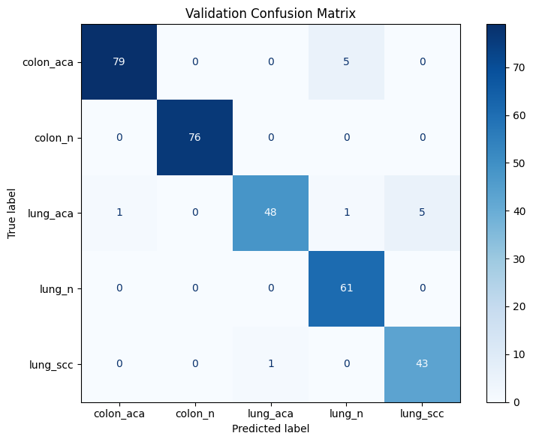

Found 1500 images belonging to 2 classes.
Found 2250 images belonging to 3 classes.

Test Metrics:
Accuracy: 94.38%
Precision: 0.9447
Recall: 0.9437
F1 Score: 0.9437

--- Test Classification Report ---
precision recall f1-score support

colon_aca 0.96 0.94 0.95 79
colon_n 0.99 0.98 0.98 81
lung_aca 0.89 0.91 0.90 56
lung_n 0.91 1.00 0.95 49
lung_scc 0.94 0.89 0.92 55

accuracy 0.94 320
macro avg 0.94 0.94 0.94 320
weighted avg 0.94 0.94 0.94 320

GWO_Den201+EffiV2M-TPR,FPR,ROC
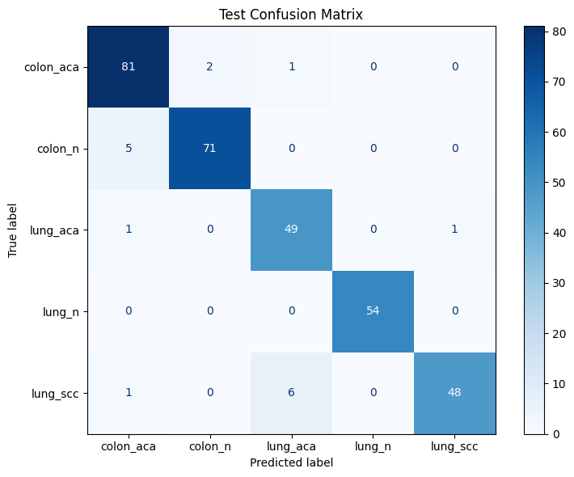
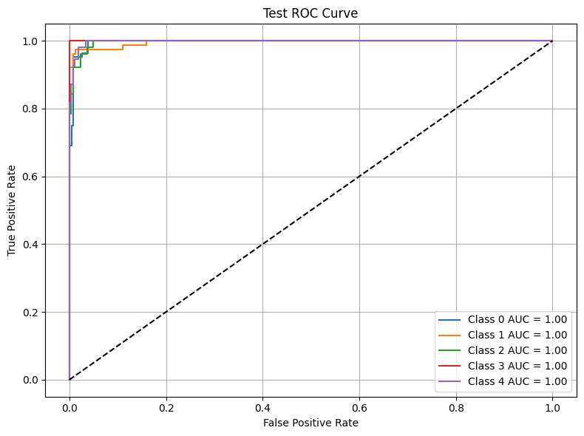
Copying files: 10000 files [00:02, 4713.18 files/s]
Copying files: 15000 files [00:04, 3420.54 files/s]
Found 7000 images belonging to 2 classes.

Found 10500 images belonging to 3 classes.
Found 1500 images belonging to 2 classes.
Found 2250 images belonging to 3 classes.
Downloading data from https://storage.googleapis.com/tensorflow/keras-applications/efficientnet_v2/efficientnetv2-m_notop.h5
214201816/214201816 ━━━━━━━━━━━━━━━━━━━━ 6s 0us/step
Epoch 1/10
/usr/local/lib/python3.11/dist-packages/keras/src/trainers/data_adapters/py_dataset_adapter.py:121: UserWarning: Your `PyDataset` class should call `super().__init__(**kwargs)` in its constructor. `**kwargs` can include `workers`, `use_multiprocessing`, `max_queue_size`. Do not pass these arguments to `fit()`, as they will be ignored.
self._warn_if_super_not_called()
50/50 ━━━━━━━━━━━━━━━━━━━━ 404s 1s/step - accuracy: 0.2820 - loss: 1.7652 - val_accuracy: 0.4437 - val_loss: 1.3657 - learning_rate: 3.1760e-04
Epoch 2/10
50/50 ━━━━━━━━━━━━━━━━━━━━ 8s 153ms/step - accuracy: 0.5647 - loss: 1.0750 - val_accuracy: 0.6500 - val_loss: 0.9812 - learning_rate: 3.1760e-04
Epoch 3/10
50/50 ━━━━━━━━━━━━━━━━━━━━ 8s 152ms/step - accuracy: 0.6853 - loss: 0.7676 - val_accuracy: 0.7563 - val_loss: 0.6791 - learning_rate: 3.1760e-04
Epoch 4/10
50/50 ━━━━━━━━━━━━━━━━━━━━ 8s 150ms/step - accuracy: 0.7907 - loss: 0.5919 - val_accuracy: 0.9062 - val_loss: 0.3028 - learning_rate: 3.1760e-04
Epoch 5/10
50/50 ━━━━━━━━━━━━━━━━━━━━ 8s 151ms/step - accuracy: 0.8034 - loss: 0.5758 - val_accuracy: 0.9469 - val_loss: 0.1926 - learning_rate: 3.1760e-04
Epoch 6/10
50/50 ━━━━━━━━━━━━━━━━━━━━ 7s 136ms/step - accuracy: 0.8552 - loss: 0.3940 - val_accuracy: 0.9281 - val_loss: 0.2264 - learning_rate: 3.1760e-04
Epoch 7/10
50/50 ━━━━━━━━━━━━━━━━━━━━ 7s 135ms/step - accuracy: 0.8418 - loss: 0.4275 - val_accuracy: 0.9031 - val_loss: 0.2655 - learning_rate: 3.1760e-04
Epoch 8/10
50/50 ━━━━━━━━━━━━━━━━━━━━ 7s 148ms/step - accuracy: 0.8427 - loss: 0.4096 - val_accuracy: 0.9375 - val_loss: 0.1868 - learning_rate: 3.1760e-04
Epoch 9/10
50/50 ━━━━━━━━━━━━━━━━━━━━ 7s 136ms/step - accuracy: 0.8749 - loss: 0.3287 - val_accuracy: 0.9312 - val_loss: 0.1974 - learning_rate: 3.1760e-04
Epoch 10/10
50/50 ━━━━━━━━━━━━━━━━━━━━ 29s 583ms/step - accuracy: 0.8865 - loss: 0.2837 - val_accuracy: 0.9430 - val_loss: 0.2148 - learning_rate: 3.1760e-04

Training Metrics:
Accuracy: 100.00%
Precision: 1.0000
Recall: 1.0000
F1 Score: 1.0000

Validation Metrics:
Accuracy: 95.31%
Precision: 0.9540
Recall: 0.9531
F1 Score: 0.9531

Training time: 103.44s
Validation time: 0.06s

--- Validation Classification Report ---
precision recall f1-score support

colon_aca 0.98 0.92 0.95 87
colon_n 0.94 0.99 0.96 73
lung_aca 0.90 0.94 0.92 50
lung_n 0.98 0.98 0.98 63
lung_scc 0.96 0.94 0.95 47

accuracy 0.95 320
macro avg 0.95 0.95 0.95 320
weighted avg 0.95 0.95 0.95 320

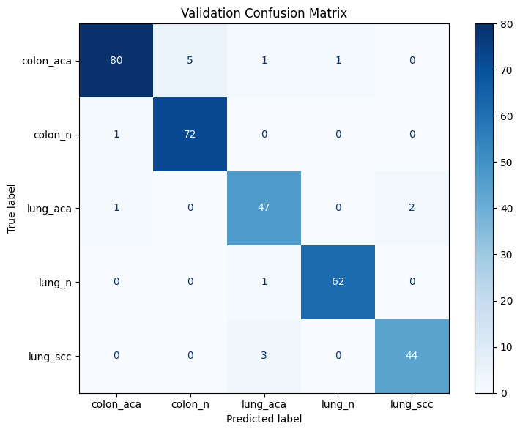

Found 1500 images belonging to 2 classes.
Found 2250 images belonging to 3 classes.

Test Metrics:
Accuracy: 94.69%
Precision: 0.9492
Recall: 0.9469
F1 Score: 0.9470

--- Test Classification Report ---
precision recall f1-score support

colon_aca 0.92 0.96 0.94 84
colon_n 0.97 0.93 0.95 76
lung_aca 0.88 0.96 0.92 51
lung_n 1.00 1.00 1.00 54
lung_scc 0.98 0.87 0.92 55

accuracy 0.95 320
macro avg 0.95 0.95 0.95 320
weighted avg 0.95 0.95 0.95 320

TPR,FPR,ROC- Den201+EffiV2L-25k
Traning

 | +---------------------------+------------+
 | | Metric | Training |
 | +===========================+============+
 | | Accuracy | 1 |
 | +---------------------------+------------+
 | | Precision | 1 |
 | +---------------------------+------------+
 | | Recall | 1 |
 | +---------------------------+------------+
 | | F1 Score | 1 |
 | +---------------------------+------------+
 | | ROC AUC | 1 |
 | +---------------------------+------------+
 | | TPR (True Positive Rate) | 1 |
 | +---------------------------+------------+
 | | FPR (False Positive Rate) | 0.5 |
 | +---------------------------+------------+
 | | Loss | 0.1468 |
 | +---------------------------+------------+
 | | Time (s) | 18.86 |
 | +---------------------------+------------+

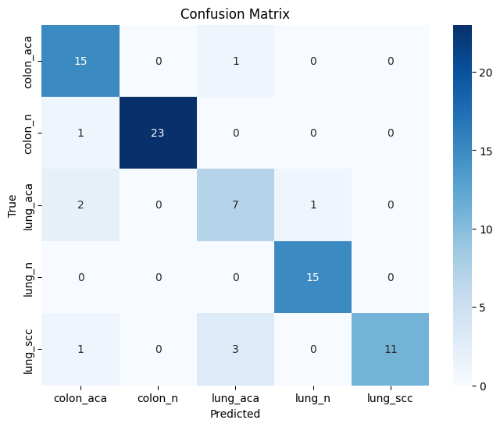
Validation
 | Validation AUC: 0.9651107486263737
 | +----------------------+---------------------+
 | | Metric | Value |
 | +======================+=====================+
 | | Validation TPR | 0.8875 |
 | +----------------------+---------------------+
 | | Validation FPR | 0.12733253588516746 |
 | +----------------------+---------------------+
 | | Validation AUC | 0.9651107486263737 |
 | +----------------------+---------------------+
 | | Validation Time | 111.91 seconds |
 | +----------------------+---------------------+
 | | Validation Loss | 0.3192299008369446 |
 | +----------------------+---------------------+
 | | Validation F1 Score | 0.8884843850955724 |
 | +----------------------+---------------------+
 | | Validation Accuracy | 0.8875 |
 | +----------------------+---------------------+
 | | Validation Precision | 0.9007214413875598 |
 | +----------------------+---------------------+
 | | Validation Recall | 0.8875 |
 | +----------------------+---------------------+

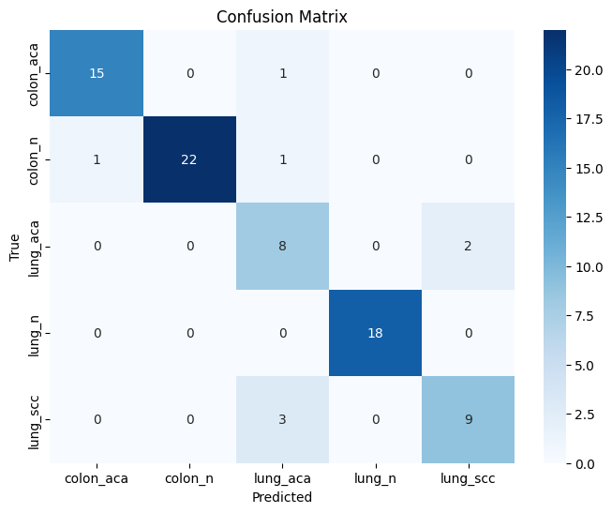
Test

 | +----------------------+------------------------------+
 | | Metric | Value |
 | +======================+==============================+
 | +----------------------+------------------------------+
 | | Test Accuracy | 0.9 |
 | +----------------------+------------------------------+
 | | Test F1 Score | 0.9038043478260871 |
 | +----------------------+------------------------------+
 | | Test Precision | 0.9121503496503497 |
 | +----------------------+------------------------------+
 | | Test Recall | 0.9 |
 | +----------------------+------------------------------+
 | | Test AUC | 0.9920630908613445 |
 | +----------------------+------------------------------+

TPR,FPR,ROC- Den201+EffiV2M-25k
Traning
 | +---------------------------+------------+
 | | Metric | Training |
 | +===========================+============+
 | | Accuracy | 0.7243 |
 | +---------------------------+------------+
 | | Precision | 0.7712 |
 | +---------------------------+------------+
 | | Recall | 0.7243 |
 | +---------------------------+------------+
 | | F1 Score | 0.7248 |
 | +---------------------------+------------+
 | | ROC AUC | 0.942 |
 | +---------------------------+------------+
 | | TPR (True Positive Rate) | 0.7496 |
 | +---------------------------+------------+
 | | FPR (False Positive Rate) | 0.1385 |
 | +---------------------------+------------+
 | | Loss | 1.4775 |
 | +---------------------------+------------+
 | | Time (s) | 18.98 |
 | +---------------------------+------------+

Validation

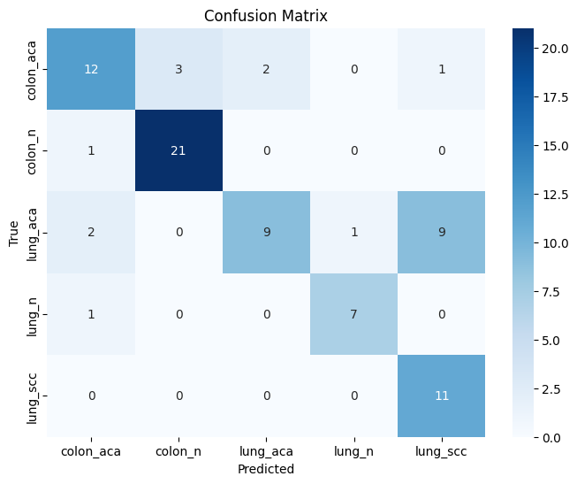
 | Validation AUC: 0.9040441361809528
 | +----------------------+---------------------+
 | | Metric | Value |
 | +======================+=====================+
 | | Validation TPR | 0.75 |
 | +----------------------+---------------------+
 | | Validation FPR | 0.2316017316017316 |
 | +----------------------+---------------------+
 | | Validation AUC | 0.9040441361809528 |
 | +----------------------+---------------------+
 | | Validation Time | 111.85 seconds |
 | +----------------------+---------------------+
 | | Validation Loss | 0.31819459795951843 |
 | +----------------------+---------------------+
 | | Validation F1 Score | 0.7395979859335038 |
 | +----------------------+---------------------+
 | | Validation Accuracy | 0.75 |
 | +----------------------+---------------------+
 | | Validation Precision | 0.7836715367965368 |
 | +----------------------+---------------------+
 | | Validation Recall | 0.75 |
 | +----------------------+---------------------+

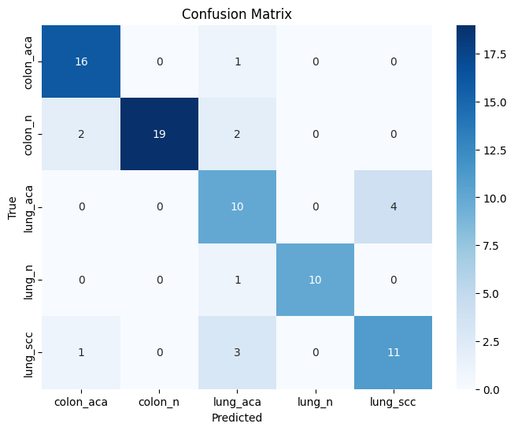
Test
 | +----------------------+------------------------------------------+
 | | Metric | Value |
 | +======================+==========================================+
 | +----------------------+------------------------------------------+
 | | Test Accuracy | 0.825 |
 | +----------------------+------------------------------------------+
 | | Test F1 Score | 0.830363543266769 |
 | +----------------------+------------------------------------------+
 | | Test Precision | 0.8443885448916408 |
 | +----------------------+------------------------------------------+
 | | Test Recall | 0.825 |
 | +----------------------+------------------------------------------+
 | | Test AUC | 0.9640277704751389 |
 | +----------------------+------------------------------------------+

 | "validation_auc": test_auc_score, | ( Test AUC )
 | "test_accuracy": test_accuracy,
 | "test_f1": test_f1,
 | "test_precision": test_precision,
 | "test_recall": test_recall,
 | "test_time": test_time

TPR,FPR,ROC-Den201+EffiVB7-25k
Traning

 |  | +---------------------------+------------+
 |  | | Metric | Training |
 |  | +===========================+============+
 |  | | Accuracy | 0.9143 |
 |  | +---------------------------+------------+
 |  | | Precision | 0.9198 |
 |  | +---------------------------+------------+
 |  | | Recall | 0.9143 |
 |  | +---------------------------+------------+
 |  | | F1 Score | 0.9133 |
 |  | +---------------------------+------------+
 |  | | ROC AUC | 0.9923 |
 |  | +---------------------------+------------+
 |  | | TPR (True Positive Rate) | 0.8988 |
 |  | +---------------------------+------------+
 |  | | FPR (False Positive Rate) | 0.0611 |
 |  | +---------------------------+------------+
 |  | | Loss | 0.9788 |
 |  | +---------------------------+------------+
 |  | | Time (s) | 18.88 |
 |  | +---------------------------+------------+

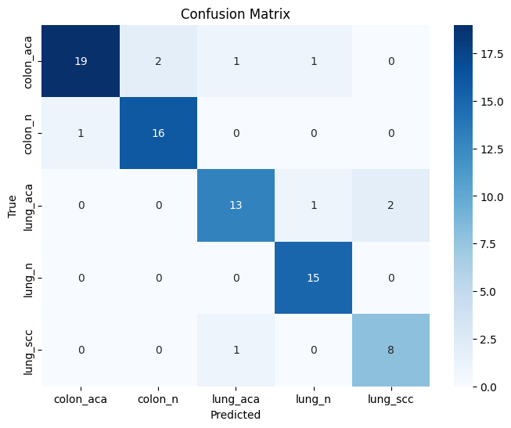
Validation
 | Validation AUC: 0.9505693135279287
 | +----------------------+---------------------+
 | | Metric | Value |
 | +======================+=====================+
 | | Validation TPR | 0.8875 |
 | +----------------------+---------------------+
 | | Validation FPR | 0.12241830065359478 |
 | +----------------------+---------------------+
 | | Validation AUC | 0.9505693135279287 |
 | +----------------------+---------------------+
 | | Validation Time | 114.56 seconds |
 | +----------------------+---------------------+
 | | Validation Loss | 0.3701331317424774 |
 | +----------------------+---------------------+
 | | Validation F1 Score | 0.886615509316709 |
 | +----------------------+---------------------+
 | | Validation Accuracy | 0.8875 |
 | +----------------------+---------------------+
 | | Validation Precision | 0.8907883986928103 |
 | +----------------------+---------------------+
 | | Validation Recall | 0.8875 |
 | +----------------------+---------------------+

Test

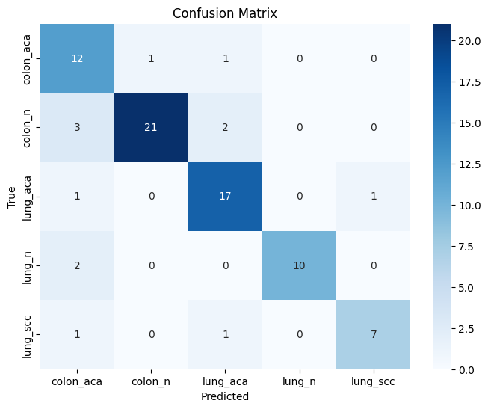
 | +----------------------+-------------------------------------------+
 | | Metric | Value |
 | +======================+===========================================+
 | +----------------------+-------------------------------------------+
 | | Test Accuracy | 0.8375 |
 | +----------------------+-------------------------------------------+
 | | Test F1 Score | 0.8425334224598929 |
 | +----------------------+-------------------------------------------+
 | | Test Precision | 0.8614529932786512 |
 | +----------------------+-------------------------------------------+
 | | Test Recall | 0.8375 |
 | +----------------------+-------------------------------------------+
 | | Test AUC | 0.957878565142417 |
 | +----------------------+-------------------------------------------+

Den+EffV2L-xgboost- Aftertune
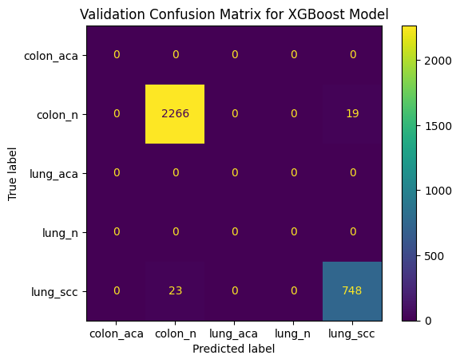
Feature shape before reshaping: (8, 256)
Colon Features Shape: (16000, 256)
Colon Labels Shape: (16000,)
Lung Features Shape: (16000, 256)
Lung Labels Shape: (16000,)
Combined Features Shape: (32000, 256) | nsample=2000
Combined Labels Shape: (32000,)
X_train Shape: (25600, 256)
X_val Shape: (6400, 256)
y_train Shape: (25600,)
y_val Shape: (6400,)
XGBoost Validation Accuracy: 0.8258
Final Target Names: ['colon_aca', 'colon_n', 'lung_aca', 'lung_n', 'lung_scc']
Classification Report:
precision recall f1-score support

colon_aca 0.88 0.88 0.88 2589
colon_n 0.88 0.88 0.88 2589
lung_aca 0.82 0.68 0.74 1101
lung_n 0.82 0.68 0.74 1101
lung_scc 0.82 0.68 0.74 1101

micro avg 0.86 0.80 0.83 8481
macro avg 0.84 0.76 0.80 8481
weighted avg 0.86 0.80 0.82 8481

Den+EffV2L-catboost- Aftertune
0:00:00 | learn: 1.0395542 | total: 182ms | remaining: 1m 30s
100:00:00 | learn: 0.4134707 | total: 14.1s | remaining: 55.6s
200:00:00 | learn: 0.2967565 | total: 27.8s | remaining: 41.4s | nsample=500
300:00:00 | learn: 0.2331356 | total: 41.7s | remaining: 27.5s
400:00:00 | learn: 0.1922656 | total: 55.4s | remaining: 13.7s
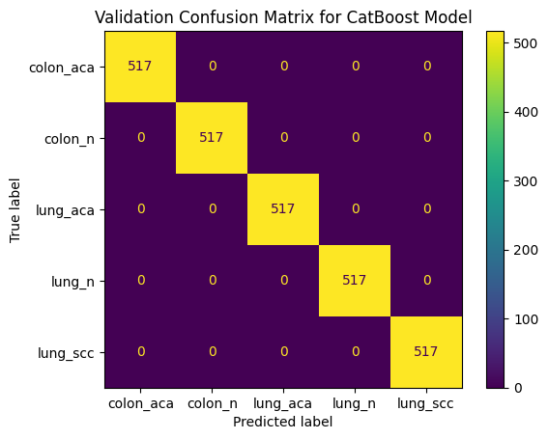
499:00:00 | learn: 0.1619038 | total: 1m 9s | remaining: 0us
CatBoost Validation Accuracy: 0.8097
Classification Report (CatBoost):
precision recall f1-score support

colon_aca 1.00 1.00 1.00 517
colon_n 1.00 1.00 1.00 517
lung_aca 1.00 1.00 1.00 517
lung_n 1.00 1.00 1.00 517
lung_scc 1.00 1.00 1.00 517

accuracy 1.00 2585
macro avg 1.00 1.00 1.00 2585
weighted avg 1.00 1.00 1.00 2585

Den+EffV2L+catboost+BOHB
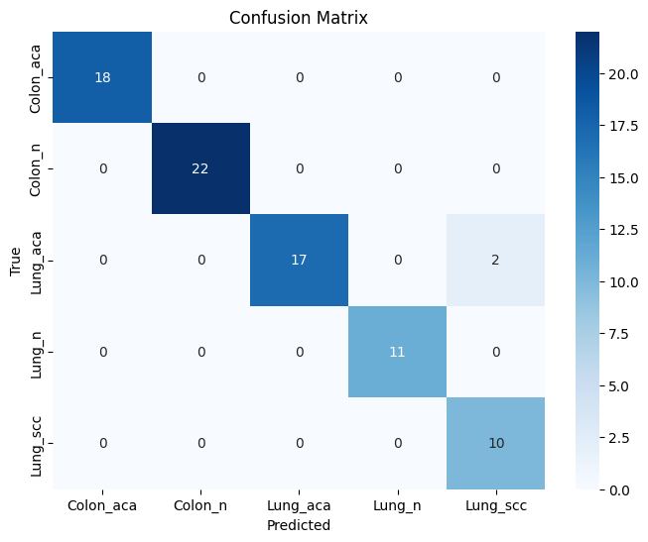
0:00:00 | learn: 1.5279530 | test: 1.5370569 | best: 1.5370569 (0) | total: 9.18ms | remaining: 9.17s
200:00:00 | learn: 0.0419301 | test: 0.1640233 | best: 0.1640233 (200) | total: 1.21s | remaining: 4.8s
400:00:00 | learn: 0.0189716 | test: 0.1485186 | best: 0.1485186 (400) | total: 2.55s | remaining: 3.81s
600:00:00 | learn: 0.0121315 | test: 0.1449981 | best: 0.1449981 (600) | total: 3.89s | remaining: 2.58s
800:00:00 | learn: 0.0088427 | test: 0.1449834 | best: 0.1446984 (731) | total: 5.18s | remaining: 1.29s
999:00:00 | learn: 0.0069313 | test: 0.1456925 | best: 0.1446984 (731) | total: 6.46s | remaining: 0us

bestTest = 0.1446984315
bestIteration = 731

Shrink model to first 732 iterations.
CatBoost model saved to catboost_model.cbm
Validation Accuracy: 0.9750

Training Accuracy: 1.0000
{'loss': -0.975, 'status': 'ok'}

Pyro4 NS_HOST: 2.tcp.ngrok.io
Pyro4 NS_PORT: 18901
Found 2000 images belonging to 2 classes.
Found 3000 images belonging to 3 classes.
Epoch 1/70
5/5 ━━━━━━━━━━━━━━━━━━━━ 60s 5s/step - accuracy: 0.2535 - loss: 2.0820 - val_accuracy: 0.3250 - val_loss: 1.8063
Epoch 2/70
5/5 ━━━━━━━━━━━━━━━━━━━━ 2s 495ms/step - accuracy: 0.2415 - loss: 1.8228 - val_accuracy: 0.7375 - val_loss: 0.9930
Epoch 3/70
5/5 ━━━━━━━━━━━━━━━━━━━━ 2s 500ms/step - accuracy: 0.4033 - loss: 1.2770 - val_accuracy: 0.7250 - val_loss: 0.8155
Epoch 4/70
5/5 ━━━━━━━━━━━━━━━━━━━━ 2s 512ms/step - accuracy: 0.7108 - loss: 0.8269 - val_accuracy: 0.7375 - val_loss: 0.8050
Epoch 5/70
5/5 ━━━━━━━━━━━━━━━━━━━━ 2s 522ms/step - accuracy: 0.6128 - loss: 1.0681 - val_accuracy: 0.7125 - val_loss: 0.7144
Epoch 6/70
5/5 ━━━━━━━━━━━━━━━━━━━━ 2s 513ms/step - accuracy: 0.7363 - loss: 0.7310 - val_accuracy: 0.9250 - val_loss: 0.3092
Epoch 7/70
5/5 ━━━━━━━━━━━━━━━━━━━━ 3s 571ms/step - accuracy: 0.7990 - loss: 0.5640 - val_accuracy: 0.9250 - val_loss: 0.3157
Epoch 8/70
5/5 ━━━━━━━━━━━━━━━━━━━━ 2s 501ms/step - accuracy: 0.8384 - loss: 0.4423 - val_accuracy: 0.8250 - val_loss: 0.4525
Epoch 9/70
5/5 ━━━━━━━━━━━━━━━━━━━━ 2s 506ms/step - accuracy: 0.8859 - loss: 0.4163 - val_accuracy: 0.9000 - val_loss: 0.3511
Epoch 10/70
5/5 ━━━━━━━━━━━━━━━━━━━━ 2s 525ms/step - accuracy: 0.8833 - loss: 0.3368 - val_accuracy: 0.9125 - val_loss: 0.2707
Epoch 11/70
5/5 ━━━━━━━━━━━━━━━━━━━━ 2s 525ms/step - accuracy: 0.8411 - loss: 0.5116 - val_accuracy: 0.9250 - val_loss: 0.2247
Epoch 12/70
5/5 ━━━━━━━━━━━━━━━━━━━━ 2s 515ms/step - accuracy: 0.8325 - loss: 0.5136 - val_accuracy: 0.8750 - val_loss: 0.3748
Epoch 13/70
5/5 ━━━━━━━━━━━━━━━━━━━━ 2s 506ms/step - accuracy: 0.7543 - loss: 0.6562 - val_accuracy: 0.8625 - val_loss: 0.3876
Epoch 14/70
5/5 ━━━━━━━━━━━━━━━━━━━━ 2s 511ms/step - accuracy: 0.7738 - loss: 0.6200 - val_accuracy: 0.8000 - val_loss: 0.6148
Epoch 15/70
5/5 ━━━━━━━━━━━━━━━━━━━━ 2s 535ms/step - accuracy: 0.8066 - loss: 0.4950 - val_accuracy: 0.8375 - val_loss: 0.2906
Epoch 16/70
5/5 ━━━━━━━━━━━━━━━━━━━━ 2s 518ms/step - accuracy: 0.8172 - loss: 0.4617 - val_accuracy: 0.8625 - val_loss: 0.3694
Epoch 17/70
5/5 ━━━━━━━━━━━━━━━━━━━━ 2s 515ms/step - accuracy: 0.9080 - loss: 0.2593 - val_accuracy: 0.9125 - val_loss: 0.2349
Epoch 18/70
5/5 ━━━━━━━━━━━━━━━━━━━━ 2s 506ms/step - accuracy: 0.8773 - loss: 0.2980 - val_accuracy: 0.9000 - val_loss: 0.2189
Epoch 19/70
5/5 ━━━━━━━━━━━━━━━━━━━━ 2s 519ms/step - accuracy: 0.9679 - loss: 0.1494 - val_accuracy: 0.9125 - val_loss: 0.2326
Epoch 20/70
5/5 ━━━━━━━━━━━━━━━━━━━━ 2s 529ms/step - accuracy: 0.8043 - loss: 0.4976 - val_accuracy: 0.9125 - val_loss: 0.1945
Epoch 21/70
5/5 ━━━━━━━━━━━━━━━━━━━━ 2s 517ms/step - accuracy: 0.8599 - loss: 0.2883 - val_accuracy: 0.9500 - val_loss: 0.1915
Epoch 22/70
5/5 ━━━━━━━━━━━━━━━━━━━━ 2s 512ms/step - accuracy: 0.8964 - loss: 0.3466 - val_accuracy: 0.9625 - val_loss: 0.1446
Epoch 23/70
5/5 ━━━━━━━━━━━━━━━━━━━━ 2s 518ms/step - accuracy: 0.8595 - loss: 0.4693 - val_accuracy: 0.9000 - val_loss: 0.2488
Epoch 24/70
5/5 ━━━━━━━━━━━━━━━━━━━━ 2s 520ms/step - accuracy: 0.9514 - loss: 0.2466 - val_accuracy: 0.9000 - val_loss: 0.3306
Epoch 25/70
5/5 ━━━━━━━━━━━━━━━━━━━━ 3s 560ms/step - accuracy: 0.8743 - loss: 0.3201 - val_accuracy: 0.9125 - val_loss: 0.2604
Epoch 26/70
5/5 ━━━━━━━━━━━━━━━━━━━━ 2s 516ms/step - accuracy: 0.8997 - loss: 0.2254 - val_accuracy: 0.9500 - val_loss: 0.1638
Epoch 27/70
5/5 ━━━━━━━━━━━━━━━━━━━━ 2s 502ms/step - accuracy: 0.9135 - loss: 0.2776 - val_accuracy: 0.9250 - val_loss: 0.1964
Epoch 28/70
5/5 ━━━━━━━━━━━━━━━━━━━━ 2s 491ms/step - accuracy: 0.8663 - loss: 0.3525 - val_accuracy: 0.8125 - val_loss: 0.5047
Epoch 29/70
5/5 ━━━━━━━━━━━━━━━━━━━━ 2s 494ms/step - accuracy: 0.8925 - loss: 0.2625 - val_accuracy: 0.9375 - val_loss: 0.1276
Epoch 30/70
5/5 ━━━━━━━━━━━━━━━━━━━━ 2s 502ms/step - accuracy: 0.9401 - loss: 0.1787 - val_accuracy: 0.8875 - val_loss: 0.2207
Epoch 31/70
5/5 ━━━━━━━━━━━━━━━━━━━━ 2s 516ms/step - accuracy: 0.9797 - loss: 0.1058 - val_accuracy: 0.9500 - val_loss: 0.1446
Epoch 32/70
5/5 ━━━━━━━━━━━━━━━━━━━━ 2s 496ms/step - accuracy: 0.8859 - loss: 0.2542 - val_accuracy: 0.9750 - val_loss: 0.0896
Epoch 33/70
5/5 ━━━━━━━━━━━━━━━━━━━━ 2s 499ms/step - accuracy: 0.8983 - loss: 0.3201 - val_accuracy: 0.9375 - val_loss: 0.1310
Epoch 34/70
5/5 ━━━━━━━━━━━━━━━━━━━━ 2s 495ms/step - accuracy: 0.9161 - loss: 0.2079 - val_accuracy: 0.9375 - val_loss: 0.2196
Epoch 35/70
5/5 ━━━━━━━━━━━━━━━━━━━━ 2s 507ms/step - accuracy: 0.9297 - loss: 0.2601 - val_accuracy: 0.9375 - val_loss: 0.1953
Epoch 36/70
5/5 ━━━━━━━━━━━━━━━━━━━━ 2s 507ms/step - accuracy: 0.8703 - loss: 0.3151 - val_accuracy: 0.8625 - val_loss: 0.3427
Epoch 37/70
5/5 ━━━━━━━━━━━━━━━━━━━━ 2s 505ms/step - accuracy: 0.8611 - loss: 0.2173 - val_accuracy: 0.9250 - val_loss: 0.1567
Epoch 38/70
5/5 ━━━━━━━━━━━━━━━━━━━━ 2s 495ms/step - accuracy: 0.8497 - loss: 0.3591 - val_accuracy: 0.9500 - val_loss: 0.2187
Epoch 39/70
5/5 ━━━━━━━━━━━━━━━━━━━━ 2s 496ms/step - accuracy: 0.9339 - loss: 0.1991 - val_accuracy: 0.8875 - val_loss: 0.2583
Epoch 40/70
5/5 ━━━━━━━━━━━━━━━━━━━━ 2s 494ms/step - accuracy: 0.8700 - loss: 0.3009 - val_accuracy: 0.9125 - val_loss: 0.2217
Epoch 41/70
5/5 ━━━━━━━━━━━━━━━━━━━━ 2s 512ms/step - accuracy: 0.8543 - loss: 0.3199 - val_accuracy: 0.9250 - val_loss: 0.1483
Epoch 42/70
5/5 ━━━━━━━━━━━━━━━━━━━━ 2s 494ms/step - accuracy: 0.8184 - loss: 0.3198 - val_accuracy: 0.9625 - val_loss: 0.1346
Epoch 43/70
5/5 ━━━━━━━━━━━━━━━━━━━━ 2s 505ms/step - accuracy: 0.8792 - loss: 0.2486 - val_accuracy: 0.9125 - val_loss: 0.2878
Epoch 44/70
5/5 ━━━━━━━━━━━━━━━━━━━━ 2s 505ms/step - accuracy: 0.8755 - loss: 0.3972 - val_accuracy: 0.9750 - val_loss: 0.0884
Epoch 45/70
5/5 ━━━━━━━━━━━━━━━━━━━━ 2s 502ms/step - accuracy: 0.9403 - loss: 0.1493 - val_accuracy: 0.9250 - val_loss: 0.1896
Epoch 46/70
5/5 ━━━━━━━━━━━━━━━━━━━━ 2s 498ms/step - accuracy: 0.7781 - loss: 0.5214 - val_accuracy: 0.9500 - val_loss: 0.1586
Epoch 47/70
5/5 ━━━━━━━━━━━━━━━━━━━━ 2s 510ms/step - accuracy: 0.9158 - loss: 0.2017 - val_accuracy: 0.9000 - val_loss: 0.2222
Epoch 48/70
5/5 ━━━━━━━━━━━━━━━━━━━━ 2s 492ms/step - accuracy: 0.9092 - loss: 0.1993 - val_accuracy: 0.9375 - val_loss: 0.1458
Epoch 49/70
5/5 ━━━━━━━━━━━━━━━━━━━━ 2s 497ms/step - accuracy: 0.9198 - loss: 0.3346 - val_accuracy: 0.9500 - val_loss: 0.1342
Epoch 50/70
5/5 ━━━━━━━━━━━━━━━━━━━━ 2s 517ms/step - accuracy: 0.9700 - loss: 0.1370 - val_accuracy: 0.9000 - val_loss: 0.1903
Epoch 51/70
5/5 ━━━━━━━━━━━━━━━━━━━━ 2s 508ms/step - accuracy: 0.9503 - loss: 0.2023 - val_accuracy: 0.9875 - val_loss: 0.0752
Epoch 52/70
5/5 ━━━━━━━━━━━━━━━━━━━━ 2s 505ms/step - accuracy: 0.9705 - loss: 0.1079 - val_accuracy: 0.9875 - val_loss: 0.0881
Epoch 53/70
5/5 ━━━━━━━━━━━━━━━━━━━━ 2s 498ms/step - accuracy: 0.9556 - loss: 0.1496 - val_accuracy: 0.9750 - val_loss: 0.0990
Epoch 54/70
5/5 ━━━━━━━━━━━━━━━━━━━━ 2s 488ms/step - accuracy: 0.9049 - loss: 0.2542 - val_accuracy: 0.9125 - val_loss: 0.3501
Epoch 55/70
5/5 ━━━━━━━━━━━━━━━━━━━━ 2s 495ms/step - accuracy: 0.9042 - loss: 0.2938 - val_accuracy: 0.9375 - val_loss: 0.2223
Epoch 56/70
5/5 ━━━━━━━━━━━━━━━━━━━━ 2s 499ms/step - accuracy: 0.9394 - loss: 0.2354 - val_accuracy: 0.9375 - val_loss: 0.1466
Epoch 57/70
5/5 ━━━━━━━━━━━━━━━━━━━━ 2s 510ms/step - accuracy: 0.9366 - loss: 0.1521 - val_accuracy: 0.9125 - val_loss: 0.2466
Epoch 58/70
5/5 ━━━━━━━━━━━━━━━━━━━━ 2s 497ms/step - accuracy: 0.9116 - loss: 0.2308 - val_accuracy: 0.9500 - val_loss: 0.1259
Epoch 59/70
5/5 ━━━━━━━━━━━━━━━━━━━━ 2s 506ms/step - accuracy: 0.8915 - loss: 0.2355 - val_accuracy: 0.9750 - val_loss: 0.0888
Epoch 60/70
5/5 ━━━━━━━━━━━━━━━━━━━━ 2s 496ms/step - accuracy: 0.9095 - loss: 0.2100 - val_accuracy: 0.9125 - val_loss: 0.2535
Epoch 61/70
5/5 ━━━━━━━━━━━━━━━━━━━━ 2s 503ms/step - accuracy: 0.9514 - loss: 0.1634 - val_accuracy: 0.9500 - val_loss: 0.1445
Epoch 62/70
5/5 ━━━━━━━━━━━━━━━━━━━━ 2s 511ms/step - accuracy: 0.9557 - loss: 0.1236 - val_accuracy: 0.9375 - val_loss: 0.1599
Epoch 63/70
5/5 ━━━━━━━━━━━━━━━━━━━━ 2s 496ms/step - accuracy: 0.8701 - loss: 0.3779 - val_accuracy: 0.9625 - val_loss: 0.1141
Epoch 64/70
5/5 ━━━━━━━━━━━━━━━━━━━━ 2s 500ms/step - accuracy: 0.8941 - loss: 0.2819 - val_accuracy: 0.9250 - val_loss: 0.1735
Epoch 65/70
5/5 ━━━━━━━━━━━━━━━━━━━━ 2s 497ms/step - accuracy: 0.9382 - loss: 0.1400 - val_accuracy: 0.9750 - val_loss: 0.0551
Epoch 66/70
5/5 ━━━━━━━━━━━━━━━━━━━━ 2s 491ms/step - accuracy: 0.8811 - loss: 0.2410 - val_accuracy: 0.9375 - val_loss: 0.2086
Epoch 67/70
5/5 ━━━━━━━━━━━━━━━━━━━━ 2s 506ms/step - accuracy: 0.9142 - loss: 0.2065 - val_accuracy: 0.9500 - val_loss: 0.1760
Epoch 68/70
5/5 ━━━━━━━━━━━━━━━━━━━━ 2s 499ms/step - accuracy: 0.9660 - loss: 0.1546 - val_accuracy: 0.9125 - val_loss: 0.1704
Epoch 69/70
5/5 ━━━━━━━━━━━━━━━━━━━━ 2s 496ms/step - accuracy: 0.9536 - loss: 0.1486 - val_accuracy: 0.9625 - val_loss: 0.1230
Epoch 70/70
5/5 ━━━━━━━━━━━━━━━━━━━━ 2s 493ms/step - accuracy: 0.9366 - loss: 0.1628 - val_accuracy: 0.9250 - val_loss: 0.1805
{'accuracy': [0.25, 0.30000001192092896, 0.4625000059604645, 0.637499988079071, 0.625, 0.737500011920929, 0.7875000238418579, 0.824999988079071, 0.8374999761581421, 0.8999999761581421, 0.8125, 0.875, 0.75, 0.7875000238418579, 0.800000011920929, 0.8500000238418579, 0.875, 0.8999999761581421, 0.9375, 0.8374999761581421, 0.8999999761581421, 0.8999999761581421, 0.862500011920929, 0.9375, 0.862500011920929, 0.9125000238418579, 0.9125000238418579, 0.875, 0.925000011920929, 0.9375, 0.9624999761581421, 0.8999999761581421, 0.887499988079071, 0.9125000238418579, 0.9375, 0.8999999761581421, 0.875, 0.887499988079071, 0.887499988079071, 0.862500011920929, 0.862500011920929, 0.824999988079071, 0.887499988079071, 0.8999999761581421, 0.925000011920929, 0.8500000238418579, 0.875, 0.9125000238418579, 0.8999999761581421, 0.9750000238418579, 0.949999988079071, 0.9375, 0.949999988079071, 0.9125000238418579, 0.8999999761581421, 0.925000011920929, 0.9375, 0.925000011920929, 0.9375, 0.887499988079071, 0.9375, 0.9375, 0.9125000238418579, 0.875, 0.949999988079071, 0.875, 0.925000011920929, 0.949999988079071, 0.9624999761581421, 0.9375], 'loss': [2.218994617462158, 1.6902942657470703, 1.2456932067871094, 0.9282503128051758, 0.9875755310058594, 0.7313903570175171, 0.5566617250442505, 0.46986645460128784, 0.4805717468261719, 0.31820520758628845, 0.5603282451629639, 0.4227472245693207, 0.6877899765968323, 0.6428854465484619, 0.5127617120742798, 0.45175495743751526, 0.32922372221946716, 0.2625643014907837, 0.2175285816192627, 0.43488413095474243, 0.24117358028888702, 0.32430174946784973, 0.4236264228820801, 0.2665025591850281, 0.32323384284973145, 0.2258634865283966, 0.29941993951797485, 0.34239089488983154, 0.21168050169944763, 0.2045804262161255, 0.13102512061595917, 0.2465490996837616, 0.35009026527404785, 0.23767463862895966, 0.20822587609291077, 0.2694490849971771, 0.23229989409446716, 0.28258195519447327, 0.36186832189559937, 0.304269403219223, 0.34053176641464233, 0.3328574001789093, 0.244
1/1 ━━━━━━━━━━━━━━━━━━━━ 15s 15s/step
1/1 ━━━━━━━━━━━━━━━━━━━━ 0s 85ms/step
1/1 ━━━━━━━━━━━━━━━━━━━━ 0s 80ms/step
1/1 ━━━━━━━━━━━━━━━━━━━━ 0s 78ms/step
1/1 ━━━━━━━━━━━━━━━━━━━━ 0s 80ms/step
1/1 ━━━━━━━━━━━━━━━━━━━━ 0s 80ms/step
1/1 ━━━━━━━━━━━━━━━━━━━━ 0s 78ms/step
1/1 ━━━━━━━━━━━━━━━━━━━━ 0s 78ms/step
1/1 ━━━━━━━━━━━━━━━━━━━━ 0s 77ms/step
1/1 ━━━━━━━━━━━━━━━━━━━━ 0s 81ms/step

Den+EffV2M+catboost+BOHB
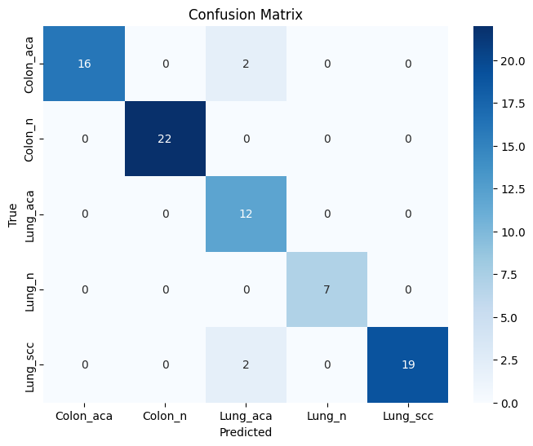
0:00:00 | learn: 1.5184076 | test: 1.5384618 | best: 1.5384618 (0) | total: 4.8ms | remaining: 4.79s
200:00:00 | learn: 0.0436110 | test: 0.2819701 | best: 0.2816007 (198) | total: 1.48s | remaining: 5.9s
400:00:00 | learn: 0.0191251 | test: 0.2657359 | best: 0.2657359 (400) | total: 3.01s | remaining: 4.5s
600:00:00 | learn: 0.0120253 | test: 0.2647830 | best: 0.2645017 (557) | total: 4.55s | remaining: 3.02s
800:00:00 | learn: 0.0087736 | test: 0.2651179 | best: 0.2638381 (660) | total: 6.11s | remaining: 1.52s
999:00:00 | learn: 0.0068853 | test: 0.2673109 | best: 0.2638381 (660) | total: 7.61s | remaining: 0us

bestTest = 0.2638381302
bestIteration = 660

Shrink model to first 661 iterations.
CatBoost model saved to catboost_model.cbm
Validation Accuracy: 0.9500

Training Accuracy: 1.0000
{'loss': -0.95, 'status': 'ok'}

Pyro4 NS_HOST: 2.tcp.ngrok.io
Pyro4 NS_PORT: 18901
Found 2000 images belonging to 2 classes.
Found 3000 images belonging to 3 classes.
Epoch 1/70
5/5 ━━━━━━━━━━━━━━━━━━━━ 54s 5s/step - accuracy: 0.2710 - loss: 1.7985 - val_accuracy: 0.3875 - val_loss: 1.2595
Epoch 2/70
5/5 ━━━━━━━━━━━━━━━━━━━━ 2s 536ms/step - accuracy: 0.4802 - loss: 1.2813 - val_accuracy: 0.7250 - val_loss: 0.7512
Epoch 3/70
5/5 ━━━━━━━━━━━━━━━━━━━━ 3s 557ms/step - accuracy: 0.7361 - loss: 0.7746 - val_accuracy: 0.8000 - val_loss: 0.5630
Epoch 4/70
5/5 ━━━━━━━━━━━━━━━━━━━━ 3s 557ms/step - accuracy: 0.7736 - loss: 0.6033 - val_accuracy: 0.8750 - val_loss: 0.3745
Epoch 5/70
5/5 ━━━━━━━━━━━━━━━━━━━━ 2s 542ms/step - accuracy: 0.6799 - loss: 0.8897 - val_accuracy: 0.8625 - val_loss: 0.3906
Epoch 6/70
5/5 ━━━━━━━━━━━━━━━━━━━━ 3s 561ms/step - accuracy: 0.8847 - loss: 0.5201 - val_accuracy: 0.8375 - val_loss: 0.4292
Epoch 7/70
5/5 ━━━━━━━━━━━━━━━━━━━━ 2s 534ms/step - accuracy: 0.7458 - loss: 0.5406 - val_accuracy: 0.9125 - val_loss: 0.2579
Epoch 8/70
5/5 ━━━━━━━━━━━━━━━━━━━━ 2s 530ms/step - accuracy: 0.8274 - loss: 0.4462 - val_accuracy: 0.7750 - val_loss: 0.5379
Epoch 9/70
5/5 ━━━━━━━━━━━━━━━━━━━━ 3s 540ms/step - accuracy: 0.8293 - loss: 0.6836 - val_accuracy: 0.8375 - val_loss: 0.5665
Epoch 10/70
5/5 ━━━━━━━━━━━━━━━━━━━━ 2s 527ms/step - accuracy: 0.8236 - loss: 0.5203 - val_accuracy: 0.8750 - val_loss: 0.4001
Epoch 11/70
5/5 ━━━━━━━━━━━━━━━━━━━━ 3s 543ms/step - accuracy: 0.8212 - loss: 0.4763 - val_accuracy: 0.9000 - val_loss: 0.3641
Epoch 12/70
5/5 ━━━━━━━━━━━━━━━━━━━━ 3s 547ms/step - accuracy: 0.7977 - loss: 0.4980 - val_accuracy: 0.9000 - val_loss: 0.3362
Epoch 13/70
5/5 ━━━━━━━━━━━━━━━━━━━━ 3s 576ms/step - accuracy: 0.8729 - loss: 0.4002 - val_accuracy: 0.9375 - val_loss: 0.1843
Epoch 14/70
5/5 ━━━━━━━━━━━━━━━━━━━━ 2s 524ms/step - accuracy: 0.8477 - loss: 0.4367 - val_accuracy: 0.9000 - val_loss: 0.2403
Epoch 15/70
5/5 ━━━━━━━━━━━━━━━━━━━━ 3s 566ms/step - accuracy: 0.8646 - loss: 0.3053 - val_accuracy: 0.9000 - val_loss: 0.2752
Epoch 16/70
5/5 ━━━━━━━━━━━━━━━━━━━━ 3s 563ms/step - accuracy: 0.9495 - loss: 0.1925 - val_accuracy: 0.8750 - val_loss: 0.3012
Epoch 17/70
5/5 ━━━━━━━━━━━━━━━━━━━━ 3s 553ms/step - accuracy: 0.9028 - loss: 0.3072 - val_accuracy: 0.9250 - val_loss: 0.2298
Epoch 18/70
5/5 ━━━━━━━━━━━━━━━━━━━━ 3s 586ms/step - accuracy: 0.8524 - loss: 0.3483 - val_accuracy: 0.8875 - val_loss: 0.3508
Epoch 19/70
5/5 ━━━━━━━━━━━━━━━━━━━━ 3s 541ms/step - accuracy: 0.8637 - loss: 0.4863 - val_accuracy: 0.9625 - val_loss: 0.1498
Epoch 20/70
5/5 ━━━━━━━━━━━━━━━━━━━━ 3s 549ms/step - accuracy: 0.8925 - loss: 0.2869 - val_accuracy: 0.9500 - val_loss: 0.1579
Epoch 21/70
5/5 ━━━━━━━━━━━━━━━━━━━━ 3s 554ms/step - accuracy: 0.8424 - loss: 0.3318 - val_accuracy: 0.9125 - val_loss: 0.1768
Epoch 22/70
5/5 ━━━━━━━━━━━━━━━━━━━━ 2s 539ms/step - accuracy: 0.9396 - loss: 0.2363 - val_accuracy: 0.9875 - val_loss: 0.1118
Epoch 23/70
5/5 ━━━━━━━━━━━━━━━━━━━━ 3s 555ms/step - accuracy: 0.8665 - loss: 0.1879 - val_accuracy: 0.9500 - val_loss: 0.1249
Epoch 24/70
5/5 ━━━━━━━━━━━━━━━━━━━━ 2s 534ms/step - accuracy: 0.8679 - loss: 0.3152 - val_accuracy: 0.9375 - val_loss: 0.1374
Epoch 25/70
5/5 ━━━━━━━━━━━━━━━━━━━━ 2s 535ms/step - accuracy: 0.9267 - loss: 0.1784 - val_accuracy: 0.9125 - val_loss: 0.1894
Epoch 26/70
5/5 ━━━━━━━━━━━━━━━━━━━━ 2s 534ms/step - accuracy: 0.9274 - loss: 0.2785 - val_accuracy: 0.9375 - val_loss: 0.2241
Epoch 27/70
5/5 ━━━━━━━━━━━━━━━━━━━━ 3s 569ms/step - accuracy: 0.8434 - loss: 0.3053 - val_accuracy: 0.9750 - val_loss: 0.1049
Epoch 28/70
5/5 ━━━━━━━━━━━━━━━━━━━━ 3s 550ms/step - accuracy: 0.9220 - loss: 0.2271 - val_accuracy: 0.9500 - val_loss: 0.1571
Epoch 29/70
5/5 ━━━━━━━━━━━━━━━━━━━━ 2s 530ms/step - accuracy: 0.9023 - loss: 0.2229 - val_accuracy: 0.9375 - val_loss: 0.1499
Epoch 30/70
5/5 ━━━━━━━━━━━━━━━━━━━━ 2s 536ms/step - accuracy: 0.8960 - loss: 0.2744 - val_accuracy: 0.9500 - val_loss: 0.1719
Epoch 31/70
5/5 ━━━━━━━━━━━━━━━━━━━━ 2s 537ms/step - accuracy: 0.8811 - loss: 0.4173 - val_accuracy: 0.8375 - val_loss: 0.3272
Epoch 32/70
5/5 ━━━━━━━━━━━━━━━━━━━━ 3s 569ms/step - accuracy: 0.8911 - loss: 0.3676 - val_accuracy: 0.9375 - val_loss: 0.2173
Epoch 33/70
5/5 ━━━━━━━━━━━━━━━━━━━━ 3s 545ms/step - accuracy: 0.9040 - loss: 0.2928 - val_accuracy: 0.9750 - val_loss: 0.1223
Epoch 34/70
5/5 ━━━━━━━━━━━━━━━━━━━━ 2s 511ms/step - accuracy: 0.8516 - loss: 0.4732 - val_accuracy: 0.9375 - val_loss: 0.1715
Epoch 35/70
5/5 ━━━━━━━━━━━━━━━━━━━━ 2s 519ms/step - accuracy: 0.8724 - loss: 0.3076 - val_accuracy: 0.9125 - val_loss: 0.1961
Epoch 36/70
5/5 ━━━━━━━━━━━━━━━━━━━━ 2s 520ms/step - accuracy: 0.8957 - loss: 0.2841 - val_accuracy: 0.9375 - val_loss: 0.1339
Epoch 37/70
5/5 ━━━━━━━━━━━━━━━━━━━━ 2s 530ms/step - accuracy: 0.9271 - loss: 0.2029 - val_accuracy: 0.9125 - val_loss: 0.2074
Epoch 38/70
5/5 ━━━━━━━━━━━━━━━━━━━━ 2s 517ms/step - accuracy: 0.8665 - loss: 0.3094 - val_accuracy: 0.9125 - val_loss: 0.1834
Epoch 39/70
5/5 ━━━━━━━━━━━━━━━━━━━━ 2s 510ms/step - accuracy: 0.9307 - loss: 0.2224 - val_accuracy: 0.9375 - val_loss: 0.1416
Epoch 40/70
5/5 ━━━━━━━━━━━━━━━━━━━━ 2s 521ms/step - accuracy: 0.8411 - loss: 0.4588 - val_accuracy: 0.9875 - val_loss: 0.1269
Epoch 41/70
5/5 ━━━━━━━━━━━━━━━━━━━━ 3s 545ms/step - accuracy: 0.9898 - loss: 0.1094 - val_accuracy: 0.9125 - val_loss: 0.2423
Epoch 42/70
5/5 ━━━━━━━━━━━━━━━━━━━━ 3s 549ms/step - accuracy: 0.9441 - loss: 0.1762 - val_accuracy: 0.9500 - val_loss: 0.1514
Epoch 43/70
5/5 ━━━━━━━━━━━━━━━━━━━━ 2s 517ms/step - accuracy: 0.9679 - loss: 0.1184 - val_accuracy: 0.9000 - val_loss: 0.2049
Epoch 44/70
5/5 ━━━━━━━━━━━━━━━━━━━━ 2s 526ms/step - accuracy: 0.9342 - loss: 0.1552 - val_accuracy: 0.9375 - val_loss: 0.2454
Epoch 45/70
5/5 ━━━━━━━━━━━━━━━━━━━━ 2s 528ms/step - accuracy: 0.8911 - loss: 0.3322 - val_accuracy: 1.0000 - val_loss: 0.0611
Epoch 46/70
5/5 ━━━━━━━━━━━━━━━━━━━━ 2s 533ms/step - accuracy: 0.9189 - loss: 0.3283 - val_accuracy: 0.9000 - val_loss: 0.3182
Epoch 47/70
5/5 ━━━━━━━━━━━━━━━━━━━━ 3s 549ms/step - accuracy: 0.8911 - loss: 0.4546 - val_accuracy: 0.9250 - val_loss: 0.2144
Epoch 48/70
5/5 ━━━━━━━━━━━━━━━━━━━━ 2s 537ms/step - accuracy: 0.8707 - loss: 0.3248 - val_accuracy: 0.8875 - val_loss: 0.2343
Epoch 49/70
5/5 ━━━━━━━━━━━━━━━━━━━━ 2s 541ms/step - accuracy: 0.9222 - loss: 0.2138 - val_accuracy: 0.9250 - val_loss: 0.1966
Epoch 50/70
5/5 ━━━━━━━━━━━━━━━━━━━━ 2s 524ms/step - accuracy: 0.8599 - loss: 0.2694 - val_accuracy: 0.9500 - val_loss: 0.2246
Epoch 51/70
5/5 ━━━━━━━━━━━━━━━━━━━━ 2s 535ms/step - accuracy: 0.9325 - loss: 0.1782 - val_accuracy: 0.9500 - val_loss: 0.1285
Epoch 52/70
5/5 ━━━━━━━━━━━━━━━━━━━━ 2s 524ms/step - accuracy: 0.9049 - loss: 0.3448 - val_accuracy: 0.9250 - val_loss: 0.1968
Epoch 53/70
5/5 ━━━━━━━━━━━━━━━━━━━━ 2s 524ms/step - accuracy: 0.9710 - loss: 0.1182 - val_accuracy: 0.9125 - val_loss: 0.2011
Epoch 54/70
5/5 ━━━━━━━━━━━━━━━━━━━━ 3s 549ms/step - accuracy: 0.8939 - loss: 0.2087 - val_accuracy: 0.9500 - val_loss: 0.1826
Epoch 55/70
5/5 ━━━━━━━━━━━━━━━━━━━━ 2s 523ms/step - accuracy: 0.9514 - loss: 0.2082 - val_accuracy: 0.9250 - val_loss: 0.1836
Epoch 56/70
5/5 ━━━━━━━━━━━━━━━━━━━━ 3s 583ms/step - accuracy: 0.9082 - loss: 0.2735 - val_accuracy: 0.9250 - val_loss: 0.2411
Epoch 57/70
5/5 ━━━━━━━━━━━━━━━━━━━━ 2s 523ms/step - accuracy: 0.9241 - loss: 0.1884 - val_accuracy: 0.9750 - val_loss: 0.1096
Epoch 58/70
5/5 ━━━━━━━━━━━━━━━━━━━━ 2s 533ms/step - accuracy: 0.9530 - loss: 0.1360 - val_accuracy: 0.9125 - val_loss: 0.1874
Epoch 59/70
5/5 ━━━━━━━━━━━━━━━━━━━━ 2s 539ms/step - accuracy: 0.8783 - loss: 0.2991 - val_accuracy: 0.9125 - val_loss: 0.2329
Epoch 60/70
5/5 ━━━━━━━━━━━━━━━━━━━━ 2s 529ms/step - accuracy: 0.8288 - loss: 0.4396 - val_accuracy: 0.9375 - val_loss: 0.1218
Epoch 61/70
5/5 ━━━━━━━━━━━━━━━━━━━━ 3s 555ms/step - accuracy: 0.9189 - loss: 0.2628 - val_accuracy: 0.9000 - val_loss: 0.2749
Epoch 62/70
5/5 ━━━━━━━━━━━━━━━━━━━━ 2s 521ms/step - accuracy: 0.9049 - loss: 0.2403 - val_accuracy: 0.9500 - val_loss: 0.1737
Epoch 63/70
5/5 ━━━━━━━━━━━━━━━━━━━━ 2s 529ms/step - accuracy: 0.9410 - loss: 0.1784 - val_accuracy: 0.8500 - val_loss: 0.3417
Epoch 64/70
5/5 ━━━━━━━━━━━━━━━━━━━━ 2s 545ms/step - accuracy: 0.8880 - loss: 0.2797 - val_accuracy: 0.9000 - val_loss: 0.3053
Epoch 65/70
5/5 ━━━━━━━━━━━━━━━━━━━━ 2s 521ms/step - accuracy: 0.8922 - loss: 0.3463 - val_accuracy: 0.9250 - val_loss: 0.1387
Epoch 66/70
5/5 ━━━━━━━━━━━━━━━━━━━━ 3s 554ms/step - accuracy: 0.9601 - loss: 0.2431 - val_accuracy: 0.9250 - val_loss: 0.1984
Epoch 67/70
5/5 ━━━━━━━━━━━━━━━━━━━━ 3s 546ms/step - accuracy: 0.9349 - loss: 0.1572 - val_accuracy: 0.9375 - val_loss: 0.1699
Epoch 68/70
5/5 ━━━━━━━━━━━━━━━━━━━━ 2s 530ms/step - accuracy: 0.9373 - loss: 0.1836 - val_accuracy: 0.9500 - val_loss: 0.1596
Epoch 69/70
5/5 ━━━━━━━━━━━━━━━━━━━━ 2s 542ms/step - accuracy: 0.9040 - loss: 0.2303 - val_accuracy: 0.9125 - val_loss: 0.2988
Epoch 70/70
5/5 ━━━━━━━━━━━━━━━━━━━━ 3s 555ms/step - accuracy: 0.9644 - loss: 0.1596 - val_accuracy: 0.9750 - val_loss: 0.1072
{'accuracy': [0.30000001192092896, 0.550000011920929, 0.75, 0.800000011920929, 0.737500011920929, 0.862500011920929, 0.737500011920929, 0.800000011920929, 0.7875000238418579, 0.824999988079071, 0.8125, 0.8125, 0.8999999761581421, 0.8374999761581421, 0.875, 0.949999988079071, 0.9375, 0.875, 0.875, 0.862500011920929, 0.8500000238418579, 0.9125000238418579, 0.862500011920929, 0.887499988079071, 0.8999999761581421, 0.9125000238418579, 0.8374999761581421, 0.925000011920929, 0.9125000238418579, 0.862500011920929, 0.875, 0.8999999761581421, 0.9125000238418579, 0.875, 0.875, 0.887499988079071, 0.9375, 0.862500011920929, 0.925000011920929, 0.875, 0.987500011920929, 0.9624999761581421, 0.9375, 0.925000011920929, 0.8999999761581421, 0.8999999761581421, 0.8999999761581421, 0.875, 0.9125000238418579, 0.8999999761581421, 0.925000011920929, 0.9125000238418579, 0.9624999761581421, 0.887499988079071, 0.9375, 0.925000011920929, 0.8999999761581421, 0.949999988079071, 0.887499988079071, 0.824999988079071, 0.8999999761581421, 0.9125000238418579, 0.9375, 0.875, 0.887499988079071, 0.9375, 0.9375, 0.949999988079071, 0.9125000238418579, 0.9375], 'loss': [1.6893465518951416, 1.1357394456863403, 0.7618847489356995, 0.6082552075386047, 0.7683030366897583, 0.5139898657798767, 0.5524605512619019, 0.5416070222854614, 0.7404153347015381, 0.4987269341945648, 0.4667512774467468, 0.49113455414772034, 0.3045961260795593, 0.4959202706813812, 0.31051796674728394, 0.1982877552509308, 0.23467330634593964, 0.3373493552207947, 0.3912695348262787, 0.3226402699947357, 0.37407979369163513, 0.25958380103111267, 0.21072833240032196, 0.31627118587493896, 0.2097824364900589, 0.2918804883956909, 0.3360455334186554, 0.20901870727539062, 0.2193196713924408, 0.32537171244621277, 0.3821898102760315, 0.3029308319091797, 0.2543117105960846, 0.3790198266506195, 0.31088149547576904, 0.2980363368988037, 0.20023004710674286, 0.31220293045043945, 0.20119628310203552, 0.3925037384033203, 0.10073249042034149, 0.1339371204376220
1/1 ━━━━━━━━━━━━━━━━━━━━ 16s 16s/step
1/1 ━━━━━━━━━━━━━━━━━━━━ 0s 129ms/step
1/1 ━━━━━━━━━━━━━━━━━━━━ 0s 131ms/step
1/1 ━━━━━━━━━━━━━━━━━━━━ 0s 131ms/step
1/1 ━━━━━━━━━━━━━━━━━━━━ 0s 127ms/step
1/1 ━━━━━━━━━━━━━━━━━━━━ 0s 128ms/step
1/1 ━━━━━━━━━━━━━━━━━━━━ 0s 124ms/step
1/1 ━━━━━━━━━━━━━━━━━━━━ 0s 124ms/step
1/1 ━━━━━━━━━━━━━━━━━━━━ 0s 127ms/step
1/1 ━━━━━━━━━━━━━━━━━━━━ 0s 126ms/step

Den+EfficentNB7+catboost+BOHB
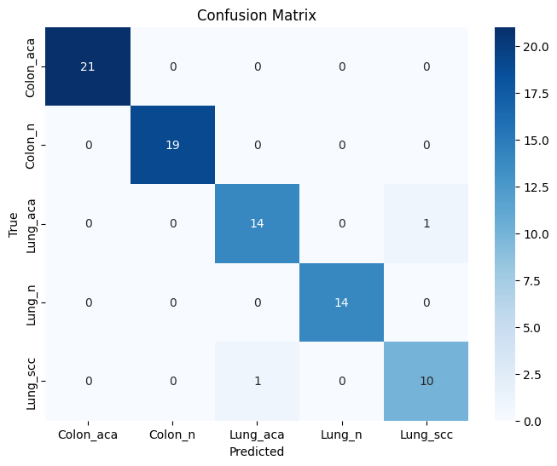

bestTest = 0.1102277169
bestIteration = 616

Shrink model to first 617 iterations.
CatBoost model saved to catboost_model.cbm
Validation Accuracy: 0.9750

Training Accuracy: 1.0000
{'loss': -0.975, 'status': 'ok'}

Pyro4 NS_HOST: 2.tcp.ngrok.io
Pyro4 NS_PORT: 18901
Found 2000 images belonging to 2 classes.
Found 3000 images belonging to 3 classes.
Epoch 1/70
5/5 ━━━━━━━━━━━━━━━━━━━━ 56s 5s/step - accuracy: 0.2505 - loss: 2.1443 - val_accuracy: 0.7000 - val_loss: 1.0804
Epoch 2/70
5/5 ━━━━━━━━━━━━━━━━━━━━ 2s 534ms/step - accuracy: 0.5297 - loss: 1.2730 - val_accuracy: 0.6875 - val_loss: 0.8278
Epoch 3/70
5/5 ━━━━━━━━━━━━━━━━━━━━ 2s 526ms/step - accuracy: 0.6884 - loss: 0.9195 - val_accuracy: 0.7250 - val_loss: 0.6576
Epoch 4/70
5/5 ━━━━━━━━━━━━━━━━━━━━ 3s 548ms/step - accuracy: 0.5604 - loss: 0.9688 - val_accuracy: 0.7625 - val_loss: 0.6371
Epoch 5/70
5/5 ━━━━━━━━━━━━━━━━━━━━ 3s 566ms/step - accuracy: 0.6155 - loss: 0.9560 - val_accuracy: 0.8250 - val_loss: 0.5396
Epoch 6/70
5/5 ━━━━━━━━━━━━━━━━━━━━ 2s 535ms/step - accuracy: 0.8368 - loss: 0.5853 - val_accuracy: 0.8750 - val_loss: 0.2867
Epoch 7/70
5/5 ━━━━━━━━━━━━━━━━━━━━ 2s 539ms/step - accuracy: 0.8161 - loss: 0.4477 - val_accuracy: 0.9000 - val_loss: 0.3052
Epoch 8/70
5/5 ━━━━━━━━━━━━━━━━━━━━ 2s 521ms/step - accuracy: 0.8939 - loss: 0.2711 - val_accuracy: 0.9500 - val_loss: 0.2128
Epoch 9/70
5/5 ━━━━━━━━━━━━━━━━━━━━ 2s 513ms/step - accuracy: 0.7911 - loss: 0.5551 - val_accuracy: 0.8375 - val_loss: 0.3300
Epoch 10/70
5/5 ━━━━━━━━━━━━━━━━━━━━ 3s 577ms/step - accuracy: 0.7762 - loss: 0.5340 - val_accuracy: 0.8625 - val_loss: 0.3110
Epoch 11/70
5/5 ━━━━━━━━━━━━━━━━━━━━ 3s 547ms/step - accuracy: 0.8767 - loss: 0.4234 - val_accuracy: 0.9375 - val_loss: 0.2330
Epoch 12/70
5/5 ━━━━━━━━━━━━━━━━━━━━ 3s 551ms/step - accuracy: 0.8703 - loss: 0.4393 - val_accuracy: 0.9125 - val_loss: 0.2813
Epoch 13/70
5/5 ━━━━━━━━━━━━━━━━━━━━ 2s 525ms/step - accuracy: 0.8354 - loss: 0.3769 - val_accuracy: 0.9375 - val_loss: 0.1886
Epoch 14/70
5/5 ━━━━━━━━━━━━━━━━━━━━ 2s 538ms/step - accuracy: 0.9108 - loss: 0.3137 - val_accuracy: 0.9250 - val_loss: 0.1851
Epoch 15/70
5/5 ━━━━━━━━━━━━━━━━━━━━ 3s 570ms/step - accuracy: 0.9092 - loss: 0.2763 - val_accuracy: 0.8500 - val_loss: 0.4003
Epoch 16/70
5/5 ━━━━━━━━━━━━━━━━━━━━ 2s 538ms/step - accuracy: 0.8227 - loss: 0.4706 - val_accuracy: 0.8875 - val_loss: 0.2854
Epoch 17/70
5/5 ━━━━━━━━━━━━━━━━━━━━ 2s 521ms/step - accuracy: 0.8247 - loss: 0.5183 - val_accuracy: 0.9500 - val_loss: 0.2162
Epoch 18/70
5/5 ━━━━━━━━━━━━━━━━━━━━ 2s 521ms/step - accuracy: 0.8264 - loss: 0.3510 - val_accuracy: 0.8875 - val_loss: 0.2779
Epoch 19/70
5/5 ━━━━━━━━━━━━━━━━━━━━ 2s 538ms/step - accuracy: 0.8661 - loss: 0.3785 - val_accuracy: 0.9000 - val_loss: 0.2376
Epoch 20/70
5/5 ━━━━━━━━━━━━━━━━━━━━ 3s 548ms/step - accuracy: 0.9023 - loss: 0.2927 - val_accuracy: 0.9125 - val_loss: 0.2545
Epoch 21/70
5/5 ━━━━━━━━━━━━━━━━━━━━ 2s 535ms/step - accuracy: 0.9550 - loss: 0.1838 - val_accuracy: 0.8875 - val_loss: 0.2099
Epoch 22/70
5/5 ━━━━━━━━━━━━━━━━━━━━ 2s 538ms/step - accuracy: 0.8929 - loss: 0.2353 - val_accuracy: 0.9125 - val_loss: 0.2171
Epoch 23/70
5/5 ━━━━━━━━━━━━━━━━━━━━ 2s 536ms/step - accuracy: 0.8958 - loss: 0.2959 - val_accuracy: 0.9250 - val_loss: 0.2193
Epoch 24/70
5/5 ━━━━━━━━━━━━━━━━━━━━ 3s 542ms/step - accuracy: 0.9057 - loss: 0.2435 - val_accuracy: 0.9500 - val_loss: 0.2111
Epoch 25/70
5/5 ━━━━━━━━━━━━━━━━━━━━ 3s 543ms/step - accuracy: 0.9111 - loss: 0.3320 - val_accuracy: 0.9250 - val_loss: 0.2015
Epoch 26/70
5/5 ━━━━━━━━━━━━━━━━━━━━ 2s 536ms/step - accuracy: 0.9085 - loss: 0.3831 - val_accuracy: 0.9125 - val_loss: 0.1752
Epoch 27/70
5/5 ━━━━━━━━━━━━━━━━━━━━ 2s 540ms/step - accuracy: 0.9307 - loss: 0.2518 - val_accuracy: 0.9875 - val_loss: 0.1140
Epoch 28/70
5/5 ━━━━━━━━━━━━━━━━━━━━ 2s 537ms/step - accuracy: 0.9153 - loss: 0.3318 - val_accuracy: 0.9250 - val_loss: 0.2170
Epoch 29/70
5/5 ━━━━━━━━━━━━━━━━━━━━ 3s 559ms/step - accuracy: 0.8646 - loss: 0.3079 - val_accuracy: 0.9500 - val_loss: 0.1582
Epoch 30/70
5/5 ━━━━━━━━━━━━━━━━━━━━ 2s 534ms/step - accuracy: 0.9498 - loss: 0.1428 - val_accuracy: 0.9125 - val_loss: 0.1937
Epoch 31/70
5/5 ━━━━━━━━━━━━━━━━━━━━ 2s 542ms/step - accuracy: 0.8715 - loss: 0.4546 - val_accuracy: 0.9250 - val_loss: 0.1956
Epoch 32/70
5/5 ━━━━━━━━━━━━━━━━━━━━ 3s 543ms/step - accuracy: 0.9050 - loss: 0.2768 - val_accuracy: 0.9125 - val_loss: 0.1955
Epoch 33/70
5/5 ━━━━━━━━━━━━━━━━━━━━ 3s 542ms/step - accuracy: 0.8981 - loss: 0.2572 - val_accuracy: 0.9375 - val_loss: 0.1812
Epoch 34/70
5/5 ━━━━━━━━━━━━━━━━━━━━ 3s 553ms/step - accuracy: 0.8988 - loss: 0.3342 - val_accuracy: 0.9750 - val_loss: 0.1625
Epoch 35/70
5/5 ━━━━━━━━━━━━━━━━━━━━ 2s 517ms/step - accuracy: 0.9247 - loss: 0.2024 - val_accuracy: 0.9250 - val_loss: 0.2001
Epoch 36/70
5/5 ━━━━━━━━━━━━━━━━━━━━ 2s 522ms/step - accuracy: 0.9519 - loss: 0.1769 - val_accuracy: 0.9500 - val_loss: 0.1715
Epoch 37/70
5/5 ━━━━━━━━━━━━━━━━━━━━ 2s 517ms/step - accuracy: 0.9340 - loss: 0.1952 - val_accuracy: 0.9000 - val_loss: 0.2145
Epoch 38/70
5/5 ━━━━━━━━━━━━━━━━━━━━ 2s 535ms/step - accuracy: 0.8986 - loss: 0.2899 - val_accuracy: 0.9500 - val_loss: 0.2141
Epoch 39/70
5/5 ━━━━━━━━━━━━━━━━━━━━ 2s 527ms/step - accuracy: 0.9075 - loss: 0.2861 - val_accuracy: 0.9375 - val_loss: 0.1955
Epoch 40/70
5/5 ━━━━━━━━━━━━━━━━━━━━ 2s 525ms/step - accuracy: 0.8976 - loss: 0.3543 - val_accuracy: 0.9000 - val_loss: 0.2886
Epoch 41/70
5/5 ━━━━━━━━━━━━━━━━━━━━ 2s 517ms/step - accuracy: 0.9028 - loss: 0.2727 - val_accuracy: 0.8875 - val_loss: 0.2625
Epoch 42/70
5/5 ━━━━━━━━━━━━━━━━━━━━ 2s 528ms/step - accuracy: 0.9413 - loss: 0.2182 - val_accuracy: 0.9750 - val_loss: 0.1228
Epoch 43/70
5/5 ━━━━━━━━━━━━━━━━━━━━ 2s 532ms/step - accuracy: 0.8625 - loss: 0.2870 - val_accuracy: 0.9625 - val_loss: 0.1281
Epoch 44/70
5/5 ━━━━━━━━━━━━━━━━━━━━ 3s 548ms/step - accuracy: 0.9061 - loss: 0.3160 - val_accuracy: 0.9250 - val_loss: 0.1638
Epoch 45/70
5/5 ━━━━━━━━━━━━━━━━━━━━ 2s 511ms/step - accuracy: 0.9276 - loss: 0.2173 - val_accuracy: 0.9500 - val_loss: 0.1542
Epoch 46/70
5/5 ━━━━━━━━━━━━━━━━━━━━ 2s 522ms/step - accuracy: 0.9125 - loss: 0.2422 - val_accuracy: 0.9500 - val_loss: 0.1685
Epoch 47/70
5/5 ━━━━━━━━━━━━━━━━━━━━ 2s 527ms/step - accuracy: 0.9158 - loss: 0.2631 - val_accuracy: 0.9000 - val_loss: 0.2103
Epoch 48/70
5/5 ━━━━━━━━━━━━━━━━━━━━ 2s 540ms/step - accuracy: 0.9003 - loss: 0.2331 - val_accuracy: 0.9500 - val_loss: 0.1376
Epoch 49/70
5/5 ━━━━━━━━━━━━━━━━━━━━ 2s 531ms/step - accuracy: 0.9259 - loss: 0.2122 - val_accuracy: 0.9750 - val_loss: 0.0978
Epoch 50/70
5/5 ━━━━━━━━━━━━━━━━━━━━ 2s 530ms/step - accuracy: 0.9530 - loss: 0.1808 - val_accuracy: 0.9500 - val_loss: 0.1664
Epoch 51/70
5/5 ━━━━━━━━━━━━━━━━━━━━ 2s 540ms/step - accuracy: 0.9066 - loss: 0.1940 - val_accuracy: 0.9250 - val_loss: 0.1675
Epoch 52/70
5/5 ━━━━━━━━━━━━━━━━━━━━ 2s 523ms/step - accuracy: 0.9587 - loss: 0.1257 - val_accuracy: 0.9500 - val_loss: 0.1187
Epoch 53/70
5/5 ━━━━━━━━━━━━━━━━━━━━ 2s 534ms/step - accuracy: 0.9210 - loss: 0.2987 - val_accuracy: 0.9375 - val_loss: 0.1999
Epoch 54/70
5/5 ━━━━━━━━━━━━━━━━━━━━ 2s 532ms/step - accuracy: 0.9898 - loss: 0.0919 - val_accuracy: 0.9500 - val_loss: 0.1370
Epoch 55/70
5/5 ━━━━━━━━━━━━━━━━━━━━ 2s 513ms/step - accuracy: 0.9564 - loss: 0.2012 - val_accuracy: 0.9375 - val_loss: 0.1929
Epoch 56/70
5/5 ━━━━━━━━━━━━━━━━━━━━ 2s 530ms/step - accuracy: 0.8717 - loss: 0.3508 - val_accuracy: 0.9500 - val_loss: 0.1113
Epoch 57/70
5/5 ━━━━━━━━━━━━━━━━━━━━ 2s 516ms/step - accuracy: 0.9524 - loss: 0.1576 - val_accuracy: 0.9125 - val_loss: 0.2361
Epoch 58/70
5/5 ━━━━━━━━━━━━━━━━━━━━ 2s 528ms/step - accuracy: 0.9240 - loss: 0.3080 - val_accuracy: 0.9250 - val_loss: 0.1582
Epoch 59/70
5/5 ━━━━━━━━━━━━━━━━━━━━ 2s 519ms/step - accuracy: 0.9014 - loss: 0.2615 - val_accuracy: 0.8875 - val_loss: 0.3379
Epoch 60/70
5/5 ━━━━━━━━━━━━━━━━━━━━ 2s 525ms/step - accuracy: 0.8870 - loss: 0.3616 - val_accuracy: 0.9375 - val_loss: 0.1639
Epoch 61/70
5/5 ━━━━━━━━━━━━━━━━━━━━ 2s 520ms/step - accuracy: 0.8655 - loss: 0.2566 - val_accuracy: 0.9875 - val_loss: 0.1457
Epoch 62/70
5/5 ━━━━━━━━━━━━━━━━━━━━ 2s 524ms/step - accuracy: 0.9151 - loss: 0.2648 - val_accuracy: 0.9250 - val_loss: 0.1546
Epoch 63/70
5/5 ━━━━━━━━━━━━━━━━━━━━ 3s 552ms/step - accuracy: 0.9587 - loss: 0.1863 - val_accuracy: 0.9500 - val_loss: 0.2139
Epoch 64/70
5/5 ━━━━━━━━━━━━━━━━━━━━ 2s 524ms/step - accuracy: 0.9318 - loss: 0.2574 - val_accuracy: 0.9750 - val_loss: 0.0979
Epoch 65/70
5/5 ━━━━━━━━━━━━━━━━━━━━ 2s 533ms/step - accuracy: 0.9700 - loss: 0.1245 - val_accuracy: 0.9000 - val_loss: 0.2952
Epoch 66/70
5/5 ━━━━━━━━━━━━━━━━━━━━ 2s 517ms/step - accuracy: 0.9196 - loss: 0.1925 - val_accuracy: 0.9125 - val_loss: 0.2013
Epoch 67/70
5/5 ━━━━━━━━━━━━━━━━━━━━ 2s 525ms/step - accuracy: 0.9401 - loss: 0.1670 - val_accuracy: 0.9750 - val_loss: 0.0852
Epoch 68/70
5/5 ━━━━━━━━━━━━━━━━━━━━ 3s 561ms/step - accuracy: 0.9220 - loss: 0.3252 - val_accuracy: 0.9250 - val_loss: 0.2136
Epoch 69/70
5/5 ━━━━━━━━━━━━━━━━━━━━ 2s 529ms/step - accuracy: 0.9701 - loss: 0.0849 - val_accuracy: 0.9500 - val_loss: 0.0927
Epoch 70/70
5/5 ━━━━━━━━━━━━━━━━━━━━ 2s 509ms/step - accuracy: 0.9040 - loss: 0.2899 - val_accuracy: 0.9375 - val_loss: 0.1964
{'accuracy': [0.2750000059604645, 0.48750001192092896, 0.6875, 0.5874999761581421, 0.6875, 0.8125, 0.800000011920929, 0.887499988079071, 0.7875000238418579, 0.800000011920929, 0.875, 0.8374999761581421, 0.8500000238418579, 0.925000011920929, 0.9125000238418579, 0.824999988079071, 0.8125, 0.8125, 0.887499988079071, 0.9125000238418579, 0.925000011920929, 0.8999999761581421, 0.875, 0.9125000238418579, 0.8999999761581421, 0.8999999761581421, 0.925000011920929, 0.9125000238418579, 0.875, 0.925000011920929, 0.875, 0.8999999761581421, 0.8999999761581421, 0.9125000238418579, 0.925000011920929, 0.9624999761581421, 0.9375, 0.925000011920929, 0.9125000238418579, 0.875, 0.9375, 0.9125000238418579, 0.8999999761581421, 0.887499988079071, 0.8999999761581421, 0.925000011920929, 0.9375, 0.925000011920929, 0.8999999761581421, 0.949999988079071, 0.9125000238418579, 0.9750000238418579, 0.9375, 0.987500011920929, 0.949999988079071, 0.862500011920929, 0.925000011920929, 0.9125000238418579, 0.9125000238418579, 0.887499988079071, 0.875, 0.925000011920929, 0.9750000238418579, 0.9125000238418579, 0.9750000238418579, 0.9125000238418579, 0.9375, 0.925000011920929, 0.9624999761581421, 0.9125000238418579], 'loss': [2.2150542736053467, 1.2907216548919678, 0.8766109347343445, 0.9356285333633423, 0.8125346302986145, 0.6220787167549133, 0.4797181189060211, 0.3118990361690521, 0.5309265851974487, 0.4628385603427887, 0.4173315167427063, 0.5380889773368835, 0.35534462332725525, 0.2685779929161072, 0.2844598591327667, 0.46757906675338745, 0.4722123146057129, 0.41203659772872925, 0.30130788683891296, 0.25511249899864197, 0.21649113297462463, 0.22130808234214783, 0.308287650346756, 0.25196439027786255, 0.3083838224411011, 0.3851255774497986, 0.23087725043296814, 0.3379611074924469, 0.34563350677490234, 0.17306740581989288, 0.3957521319389343, 0.28427761793136597, 0.292499303817749, 0.36284300684928894, 0.18849892914295197, 0.1304589956998825, 0.1953779011964798, 0.2245756834745407, 0.2958337366580963, 0.4
1/1 ━━━━━━━━━━━━━━━━━━━━ 16s 16s/step
1/1 ━━━━━━━━━━━━━━━━━━━━ 0s 132ms/step
1/1 ━━━━━━━━━━━━━━━━━━━━ 0s 128ms/step
1/1 ━━━━━━━━━━━━━━━━━━━━ 0s 134ms/step
1/1 ━━━━━━━━━━━━━━━━━━━━ 0s 127ms/step
1/1 ━━━━━━━━━━━━━━━━━━━━ 0s 125ms/step
1/1 ━━━━━━━━━━━━━━━━━━━━ 0s 127ms/step
1/1 ━━━━━━━━━━━━━━━━━━━━ 0s 131ms/step
1/1 ━━━━━━━━━━━━━━━━━━━━ 0s 131ms/step
1/1 ━━━━━━━━━━━━━━━━━━━━ 0s 128ms/step

DenseNet+EffV2l+Metric
Pyro4 NS_HOST: 0.tcp.ngrok.io
Pyro4 NS_PORT: 10515
Found 2000 images belonging to 2 classes.
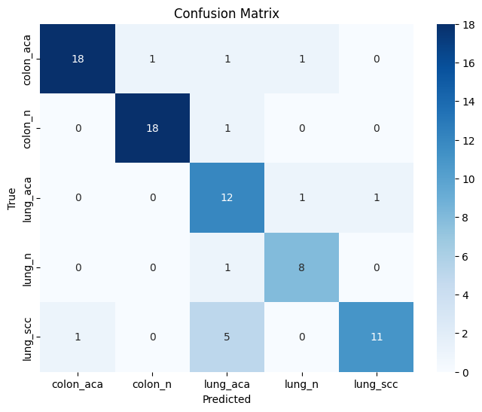
Found 3000 images belonging to 3 classes.
1/1 ━━━━━━━━━━━━━━━━━━━━ 17s 17s/step
1/1 ━━━━━━━━━━━━━━━━━━━━ 0s 75ms/step
1/1 ━━━━━━━━━━━━━━━━━━━━ 0s 66ms/step
1/1 ━━━━━━━━━━━━━━━━━━━━ 0s 66ms/step
1/1 ━━━━━━━━━━━━━━━━━━━━ 0s 65ms/step
1/1 ━━━━━━━━━━━━━━━━━━━━ 0s 65ms/step
1/1 ━━━━━━━━━━━━━━━━━━━━ 0s 67ms/step
1/1 ━━━━━━━━━━━━━━━━━━━━ 0s 65ms/step
1/1 ━━━━━━━━━━━━━━━━━━━━ 0s 66ms/step
1/1 ━━━━━━━━━━━━━━━━━━━━ 0s 68ms/step
Validation Accuracy: 0.8375
Validation Precision: 0.8423
Validation Recall: 0.8395
Validation F1 Score: 0.8308
Validation Loss: 0.8375

╒═════════════════════════╤════════════╤══════════════╤════════╕
│ Metric │ Training │ Validation │ Test │
╞═════════════════════════╪════════════╪══════════════╪════════╡
│ Accuracy │ 1.0000 │ 0.8375 │ 0.8250 │
├─────────────────────────┼────────────┼──────────────┼────────┤
│ Precision │ 1.0000 │ 0.8423 │ 0.7513 │
├─────────────────────────┼────────────┼──────────────┼────────┤
│ Recall │ 1.0000 │ 0.8395 │ 0.8520 │
├─────────────────────────┼────────────┼──────────────┼────────┤
│ F1 │ 1.0000 │ 0.8308 │ 0.7644 │
├─────────────────────────┼────────────┼──────────────┼────────┤
│ Loss │ 1.0000 │ 0.8375 │ 0.8250 │
├─────────────────────────┼────────────┼──────────────┼────────┤
│ Training Time (s) │ 112.5865 │ │ │
├─────────────────────────┼────────────┼──────────────┼────────┤
│ CatBoost Train Time (s) │ 8.6092 │ │ │
├─────────────────────────┼────────────┼──────────────┼────────┤
│ Validation Time (s) │ │ 0.5712 │ │
├─────────────────────────┼────────────┼──────────────┼────────┤
│ Test Time (s) │ │ │ 0.0009 │
╘═════════════════════════╧════════════╧══════════════╧════════╛
{'train_accuracy': 1.0, 'val_accuracy': 0.8375, 'test_accuracy': 0.825, 'train_precision': 1.0, 'val_precision': 0.8422807017543861, 'test_precision': 0.7512820512820514, 'train_recall': 1.0, 'val_recall': 0.8395203695513294, 'test_recall': 0.8519841269841268, 'train_f1': 1.0, 'val_f1': 0.830795345361375, 'test_f1': 0.7644257703081233, 'train_loss': 1.0, 'val_loss': 0.8375, 'test_loss': 0.825, 'train_time': 112.58652973175049, 'catboost_train_time': 8.609236001968384, 'val_time': 0.5711517333984375, 'test_time': 0.0009238719940185547}

DenseNet+EffV2M+Metric
Pyro4 NS_HOST: 0.tcp.ngrok.io
Pyro4 NS_PORT: 10515
Found 2000 images belonging to 2 classes.
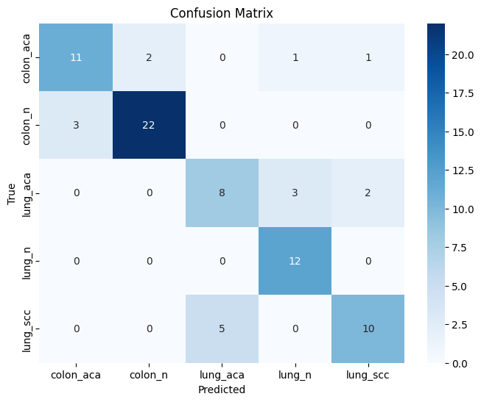
Found 3000 images belonging to 3 classes.
1/1 ━━━━━━━━━━━━━━━━━━━━ 17s 17s/step
1/1 ━━━━━━━━━━━━━━━━━━━━ 0s 66ms/step
1/1 ━━━━━━━━━━━━━━━━━━━━ 0s 63ms/step
1/1 ━━━━━━━━━━━━━━━━━━━━ 0s 64ms/step
1/1 ━━━━━━━━━━━━━━━━━━━━ 0s 64ms/step
1/1 ━━━━━━━━━━━━━━━━━━━━ 0s 65ms/step
1/1 ━━━━━━━━━━━━━━━━━━━━ 0s 65ms/step
1/1 ━━━━━━━━━━━━━━━━━━━━ 0s 64ms/step
1/1 ━━━━━━━━━━━━━━━━━━━━ 0s 70ms/step
1/1 ━━━━━━━━━━━━━━━━━━━━ 0s 68ms/step
Validation Accuracy: 0.7875
Validation Precision: 0.7674
Validation Recall: 0.7791
Validation F1 Score: 0.7687
Validation Loss: 0.7875

╒═════════════════════════╤════════════╤══════════════╤════════╕
│ Metric │ Training │ Validation │ Test │
╞═════════════════════════╪════════════╪══════════════╪════════╡
│ Accuracy │ 1.0000 │ 0.7875 │ 0.8500 │
├─────────────────────────┼────────────┼──────────────┼────────┤
│ Precision │ 1.0000 │ 0.7674 │ 0.8402 │
├─────────────────────────┼────────────┼──────────────┼────────┤
│ Recall │ 1.0000 │ 0.7791 │ 0.8564 │
├─────────────────────────┼────────────┼──────────────┼────────┤
│ F1 │ 1.0000 │ 0.7687 │ 0.8412 │
├─────────────────────────┼────────────┼──────────────┼────────┤
│ Loss │ 1.0000 │ 0.7875 │ 0.8500 │
├─────────────────────────┼────────────┼──────────────┼────────┤
│ Training Time (s) │ 117.6551 │ │ │
├─────────────────────────┼────────────┼──────────────┼────────┤
│ CatBoost Train Time (s) │ 8.2854 │ │ │
├─────────────────────────┼────────────┼──────────────┼────────┤
│ Validation Time (s) │ │ 0.5977 │ │
├─────────────────────────┼────────────┼──────────────┼────────┤
│ Test Time (s) │ │ │ 0.0007 │
╘═════════════════════════╧════════════╧══════════════╧════════╛
{'train_accuracy': 1.0, 'val_accuracy': 0.7875, 'test_accuracy': 0.85, 'train_precision': 1.0, 'val_precision': 0.7673992673992673, 'test_precision': 0.8401709401709402, 'train_recall': 1.0, 'val_recall': 0.779076923076923, 'test_recall': 0.8564285714285715, 'train_f1': 1.0, 'val_f1': 0.7686786120283657, 'test_f1': 0.8411849588320177, 'train_loss': 1.0, 'val_loss': 0.7875, 'test_loss': 0.85, 'train_time': 117.65508460998535, 'catboost_train_time': 8.285429954528809, 'val_time': 0.5976786613464355, 'test_time': 0.0007371902465820312}

DenseNet+EffciNetB7+Metric
Pyro4 NS_HOST: 0.tcp.ngrok.io
Pyro4 NS_PORT: 10515
Found 2000 images belonging to 2 classes.
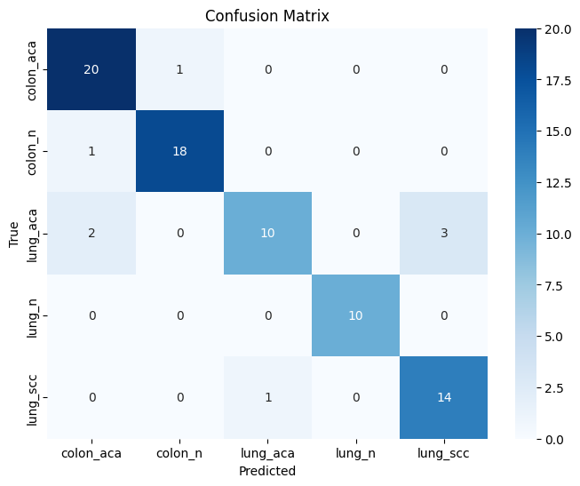
Found 3000 images belonging to 3 classes.
1/1 ━━━━━━━━━━━━━━━━━━━━ 17s 17s/step
1/1 ━━━━━━━━━━━━━━━━━━━━ 0s 67ms/step
1/1 ━━━━━━━━━━━━━━━━━━━━ 0s 68ms/step
1/1 ━━━━━━━━━━━━━━━━━━━━ 0s 66ms/step
1/1 ━━━━━━━━━━━━━━━━━━━━ 0s 68ms/step
1/1 ━━━━━━━━━━━━━━━━━━━━ 0s 69ms/step
1/1 ━━━━━━━━━━━━━━━━━━━━ 0s 65ms/step
1/1 ━━━━━━━━━━━━━━━━━━━━ 0s 66ms/step
1/1 ━━━━━━━━━━━━━━━━━━━━ 0s 67ms/step
1/1 ━━━━━━━━━━━━━━━━━━━━ 0s 66ms/step
Validation Accuracy: 0.9000
Validation Precision: 0.9099
Validation Recall: 0.8999
Validation F1 Score: 0.9001
Validation Loss: 0.9000

╒═════════════════════════╤════════════╤══════════════╤════════╕
│ Metric │ Training │ Validation │ Test │
╞═════════════════════════╪════════════╪══════════════╪════════╡
│ Accuracy │ 1.0000 │ 0.9000 │ 0.9000 │
├─────────────────────────┼────────────┼──────────────┼────────┤
│ Precision │ 1.0000 │ 0.9099 │ 0.9088 │
├─────────────────────────┼────────────┼──────────────┼────────┤
│ Recall │ 1.0000 │ 0.8999 │ 0.9088 │
├─────────────────────────┼────────────┼──────────────┼────────┤
│ F1 │ 1.0000 │ 0.9001 │ 0.9088 │
├─────────────────────────┼────────────┼──────────────┼────────┤
│ Loss │ 1.0000 │ 0.9000 │ 0.9000 │
├─────────────────────────┼────────────┼──────────────┼────────┤
│ Training Time (s) │ 112.1964 │ │ │
├─────────────────────────┼────────────┼──────────────┼────────┤
│ CatBoost Train Time (s) │ 8.4746 │ │ │
├─────────────────────────┼────────────┼──────────────┼────────┤
│ Validation Time (s) │ │ 0.5673 │ │
├─────────────────────────┼────────────┼──────────────┼────────┤
│ Test Time (s) │ │ │ 0.0010 │
╘═════════════════════════╧════════════╧══════════════╧════════╛
{'train_accuracy': 1.0, 'val_accuracy': 0.9, 'test_accuracy': 0.9, 'train_precision': 1.0, 'val_precision': 0.9099107918599101, 'test_precision': 0.9088217338217337, 'train_recall': 1.0, 'val_recall': 0.8999498746867168, 'test_recall': 0.9088217338217337, 'train_f1': 1.0, 'val_f1': 0.9001380198748621, 'test_f1': 0.9088217338217337, 'train_loss': 1.0, 'val_loss': 0.9, 'test_loss': 0.9, 'train_time': 112.19642305374146, 'catboost_train_time': 8.474579095840454, 'val_time': 0.5673127174377441, 'test_time': 0.0009639263153076172}

Combined-EfficentV2L and V2M
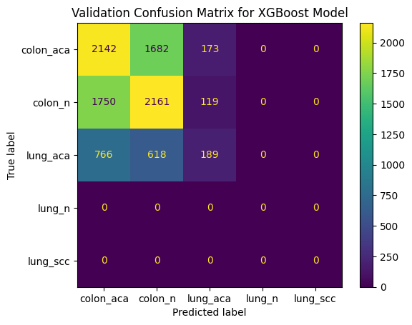
 | Colon Features Shape: (16000, 256)
 | Colon Labels Shape: (16000,)
 | Lung Features Shape: (16000, 256)
 | Lung Labels Shape: (16000,)
 | Combined Features Shape: (32000, 256)
 | Combined Labels Shape: (32000,)
 | X_train Shape: (22400, 256)
 | X_val Shape: (9600, 256)
 | y_train Shape: (22400,)
 | y_val Shape: (9600,)
 | XGBoost Training time: 56.11 seconds
 | Validation Time: 3.29 seconds
 | Testing Time: 3.20 seconds
 | XGBoost Validation Accuracy: 0.4679
 | Final Target Names: ['colon_aca', 'colon_n', 'lung_aca', 'lung_n', 'lung_scc']
 | Classification Report:
 | precision recall f1-score support

 | colon_aca 0.46 0.54 0.49 3997
num_samples = 2000 | colon_n 0.48 0.54 0.51 4030
 | lung_aca 0.39 0.12 0.18 1573
 | lung_n 0.00 0.00 0.00 0
 | lung_scc 0.00 0.00 0.00 0

 | accuracy 0.47 9600
 | macro avg 0.27 0.24 0.24 9600
Note: Validation take only colon_aca,colon_n,lung-aca class | weighted avg 0.46 0.47 0.45 9600

 | Training Metrics:
 | precision recall f1-score support

 | colon_aca 1.00 1.00 1.00 9319
 | colon_n 1.00 1.00 1.00 9299
 | lung_aca 1.00 1.00 1.00 3782
 | lung_n 0.00 0.00 0.00 0
 | lung_scc 0.00 0.00 0.00 0

 | accuracy 1.00 22400
 | macro avg 0.60 0.60 0.60 22400
 | weighted avg 1.00 1.00 1.00 22400

 | Validation Metrics:
 | precision recall f1-score support

 | colon_aca 0.47 0.54 0.50 4019
 | colon_n 0.50 0.55 0.52 4035
 | lung_aca 0.39 0.13 0.19 1546
 | lung_n 0.00 0.00 0.00 0
 | lung_scc 0.00 0.00 0.00 0

 | accuracy 0.48 9600
 | macro avg 0.27 0.24 0.24 9600
 | weighted avg 0.47 0.48 0.46 9600

 | Test Metrics:
 | precision recall f1-score support

 | colon_aca 0.46 0.53 0.49 13320
 | colon_n 0.48 0.54 0.51 13339
 | lung_aca 0.37 0.12 0.18 5341
 | lung_n 0.00 0.00 0.00 0
 | lung_scc 0.00 0.00 0.00 0

 | accuracy 0.47 32000
 | macro avg 0.26 0.24 0.24 32000
 | weighted avg 0.45 0.47 0.45 32000

DenseNet201
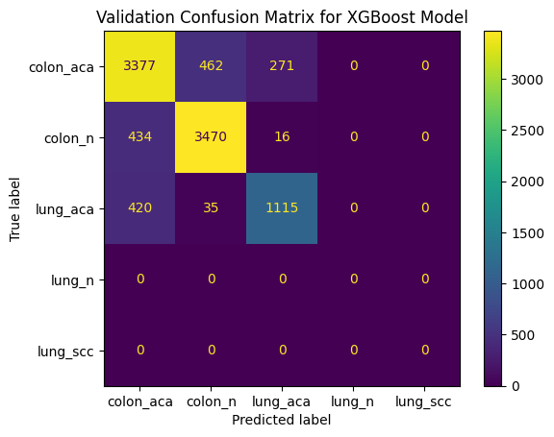
 | Colon Features Shape: (16000, 256)
 | Colon Labels Shape: (16000,)
 | Lung Features Shape: (16000, 256)
 | Lung Labels Shape: (16000,)
 | Combined Features Shape: (32000, 256)
 | Combined Labels Shape: (32000,)
 | X_train Shape: (22400, 256)
 | X_val Shape: (9600, 256)
 | y_train Shape: (22400,)
 | y_val Shape: (9600,)
 | XGBoost Training time: 38.63 seconds
 | Validation Time: 1.07 seconds
 | Testing Time: 1.08 seconds
 | XGBoost Validation Accuracy: 0.8294
 | Final Target Names: ['colon_aca', 'colon_n', 'lung_aca', 'lung_n', 'lung_scc']
 | Classification Report:
 | precision recall f1-score support

num_samples = 2000 | colon_aca 0.80 0.82 0.81 4110
 | colon_n 0.87 0.89 0.88 3920
 | lung_aca 0.80 0.71 0.75 1570
 | lung_n 0.00 0.00 0.00 0
 | lung_scc 0.00 0.00 0.00 0

 | accuracy 0.83 9600
 | macro avg 0.49 0.48 0.49 9600
 | weighted avg 0.83 0.83 0.83 9600

 | Training Metrics:
 | precision recall f1-score support

 | colon_aca 1.00 1.00 1.00 9216
 | colon_n 1.00 1.00 1.00 9433
 | lung_aca 1.00 1.00 1.00 3751
 | lung_n 0.00 0.00 0.00 0
 | lung_scc 0.00 0.00 0.00 0

 | accuracy 1.00 22400
 | macro avg 0.60 0.60 0.60 22400
 | weighted avg 1.00 1.00 1.00 22400

 | Validation Metrics:
 | precision recall f1-score support

 | colon_aca 0.80 0.82 0.81 4110
 | colon_n 0.87 0.89 0.88 3920
 | lung_aca 0.80 0.71 0.75 1570
 | lung_n 0.00 0.00 0.00 0
 | lung_scc 0.00 0.00 0.00 0

 | accuracy 0.83 9600
 | macro avg 0.49 0.48 0.49 9600
 | weighted avg 0.83 0.83 0.83 9600

 | Test Metrics:
 | precision recall f1-score support

 | colon_aca 0.79 0.83 0.81 13320
 | colon_n 0.89 0.89 0.89 13315
 | lung_aca 0.81 0.71 0.75 5365
 | lung_n 0.00 0.00 0.00 0
 | lung_scc 0.00 0.00 0.00 0

 | accuracy 0.83 32000
 | macro avg 0.50 0.48 0.49 32000
 | weighted avg 0.83 0.83 0.83 32000

Resnet152
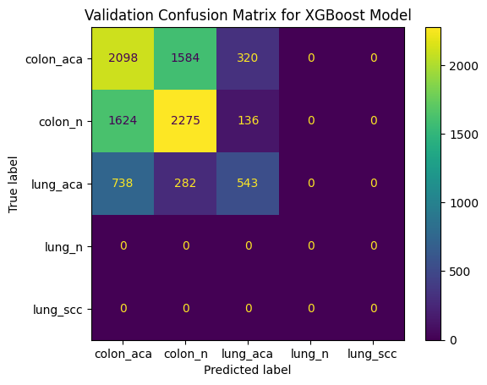

 | Colon Features Shape: (16000, 256)
 | Colon Labels Shape: (16000,)
 | Lung Features Shape: (16000, 256)
 | Lung Labels Shape: (16000,)
 | Combined Features Shape: (32000, 256)
 | Combined Labels Shape: (32000,)
 | X_train Shape: (22400, 256)
 | X_val Shape: (9600, 256)
 | y_train Shape: (22400,)
 | y_val Shape: (9600,)
 | XGBoost Training time: 28.69 seconds
 | Validation Time: 1.71 seconds
 | Testing Time: 1.67 seconds
 | XGBoost Validation Accuracy: 0.5121
 | Final Target Names: ['colon_aca', 'colon_n', 'lung_aca', 'lung_n', 'lung_scc']
 | Classification Report:
 | precision recall f1-score support

 | colon_aca 0.47 0.52 0.50 4002
num_samples = 2000 | colon_n 0.55 0.56 0.56 4035
 | lung_aca 0.54 0.35 0.42 1563
 | lung_n 0.00 0.00 0.00 0
 | lung_scc 0.00 0.00 0.00 0

 | accuracy 0.51 9600
 | macro avg 0.31 0.29 0.30 9600
 | weighted avg 0.52 0.51 0.51 9600

 | Training Metrics:
 | precision recall f1-score support

 | colon_aca 1.00 1.00 1.00 9351
 | colon_n 1.00 1.00 1.00 9291
 | lung_aca 1.00 1.00 1.00 3758
 | lung_n 0.00 0.00 0.00 0
 | lung_scc 0.00 0.00 0.00 0

 | accuracy 1.00 22400
 | macro avg 0.60 0.60 0.60 22400
 | weighted avg 1.00 1.00 1.00 22400

 | Validation Metrics:
 | precision recall f1-score support

 | colon_aca 0.47 0.52 0.50 4002
 | colon_n 0.55 0.56 0.56 4035
 | lung_aca 0.54 0.35 0.42 1563
 | lung_n 0.00 0.00 0.00 0
 | lung_scc 0.00 0.00 0.00 0

 | accuracy 0.51 9600
 | macro avg 0.31 0.29 0.30 9600
 | weighted avg 0.52 0.51 0.51 9600

 | Found 2000 images belonging to 2 classes.
 | Found 3000 images belonging to 3 classes.

 | Test Metrics:
 | precision recall f1-score support

 | colon_aca 0.47 0.54 0.50 13331
 | colon_n 0.55 0.56 0.55 13337
 | lung_aca 0.58 0.35 0.44 5332
 | lung_n 0.00 0.00 0.00 0
 | lung_scc 0.00 0.00 0.00 0

 | accuracy 0.52 32000
 | macro avg 0.32 0.29 0.30 32000
 | weighted avg 0.52 0.52 0.51 32000

custom-CNN-xgboost
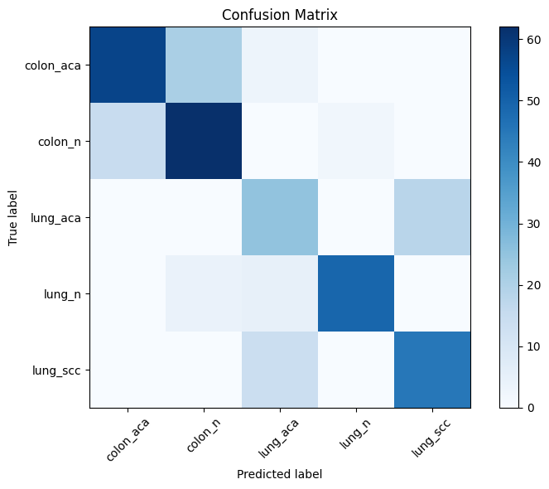
Training Time: 641.39 seconds

Predicted Values: [0. 1. 2. 3. 4.]
Test Accuracy: 0.7438
Test Classification Report:
precision recall f1-score support

0.0 0.79 0.70 0.75 81
1.0 0.71 0.78 0.75 79
2.0 0.53 0.58 0.56 43
3.0 0.96 0.84 0.90 58
4.0 0.71 0.76 0.74 59

accuracy 0.74 320
macro avg 0.74 0.74 0.74 320
weighted avg 0.75 0.74 0.75 320

custom-CNN-catboost
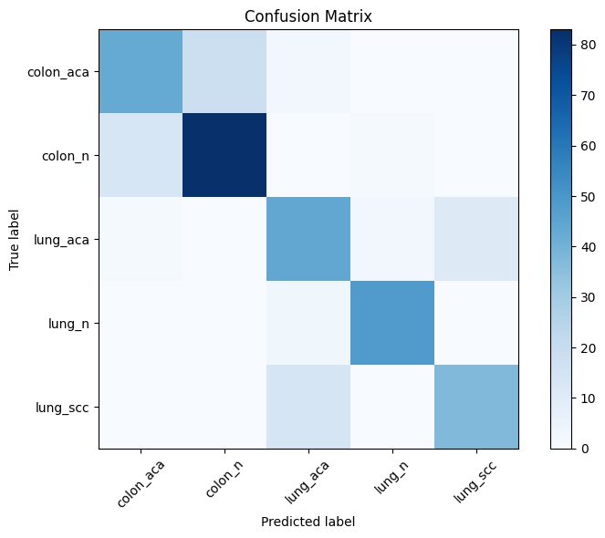
 | 0:00:00 | learn: 1.4741195 | test: 1.4781513 | best: 1.4781513 (0) | total: 6.37ms | remaining: 12.7s
 | 200:00:00 | learn: 0.2954131 | test: 0.5090244 | best: 0.5090244 (200) | total: 517ms | remaining: 4.62s
 | 400:00:00 | learn: 0.1856072 | test: 0.5154181 | best: 0.5072184 (293) | total: 1.03s | remaining: 4.11s
 | 600:00:00 | learn: 0.1328400 | test: 0.5401597 | best: 0.5072184 (293) | total: 1.54s | remaining: 3.58s
 | 800:00:00 | learn: 0.1025212 | test: 0.5638010 | best: 0.5072184 (293) | total: 2.06s | remaining: 3.09s
 | 1000:00:00 | learn: 0.0833752 | test: 0.5884206 | best: 0.5072184 (293) | total: 2.58s | remaining: 2.57s
 | 1200:00:00 | learn: 0.0704512 | test: 0.6115980 | best: 0.5072184 (293) | total: 3.12s | remaining: 2.08s
 | 1400:00:00 | learn: 0.0608210 | test: 0.6287897 | best: 0.5072184 (293) | total: 3.63s | remaining: 1.55s
 | 1600:00:00 | learn: 0.0540395 | test: 0.6437452 | best: 0.5072184 (293) | total: 4.18s | remaining: 1.04s
 | 1800:00:00 | learn: 0.0484551 | test: 0.6586465 | best: 0.5072184 (293) | total: 4.7s | remaining: 519ms
 | 1999:00:00 | learn: 0.0444059 | test: 0.6703717 | best: 0.5072184 (293) | total: 5.26s | remaining: 0us

 | bestTest = 0.5072184364
 | bestIteration = 293

 | Shrink model to first 294 iterations.
 | Predicted Values: [0. 1. 2. 3. 4.]
 | Test Accuracy: 0.7969
 | Test Classification Report:
 | precision recall f1-score support

 | 0.0 0.75 0.68 0.72 63
 | 1.0 0.82 0.86 0.84 97
 | 2.0 0.70 0.76 0.73 58
 | 3.0 0.94 0.94 0.94 51
 | 4.0 0.77 0.73 0.75 51

 | accuracy 0.80 320
 | macro avg 0.80 0.79 0.79 320
 | weighted avg 0.80 0.80 0.80 320

Found 2000 images belonging to 2 classes.
Found 3000 images belonging to 3 classes.

Colon labels distribution: Counter({0: 1000, 1: 1000})
Lung labels distribution: Counter({0: 1000, 1: 1000, 2: 1000})

CustomCNN+Catboost+Bayesian opt
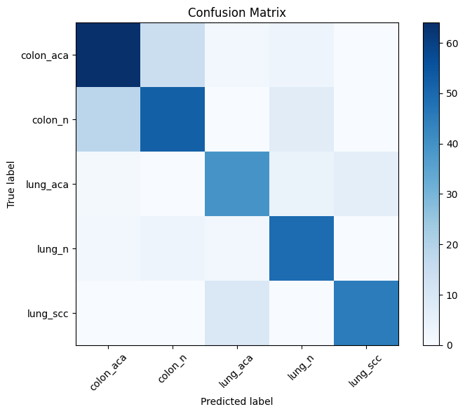

bestTest = 0.8059210526
bestIteration = 212

Shrink model to first 213 iterations.
Predicted Values: [0. 1. 2. 3. 4.]
Test Accuracy: 0.7781
Test Classification Report:
precision recall f1-score support

0.0 0.75 0.77 0.76 83
1.0 0.75 0.68 0.71 77
2.0 0.75 0.78 0.76 50
3.0 0.78 0.88 0.82 56
4.0 0.88 0.83 0.86 54

accuracy 0.78 320
macro avg 0.78 0.79 0.78 320
weighted avg 0.78 0.78 0.78 320

Train Labels Distribution: (array([0., 1., 2., 3., 4.], dtype=float32), array([79, 65, 63, 47, 50]))
Test Labels Distribution: (array([0., 1., 2., 3., 4.], dtype=float32), array([83, 77, 50, 56, 54]))

Flowchart-pretrained
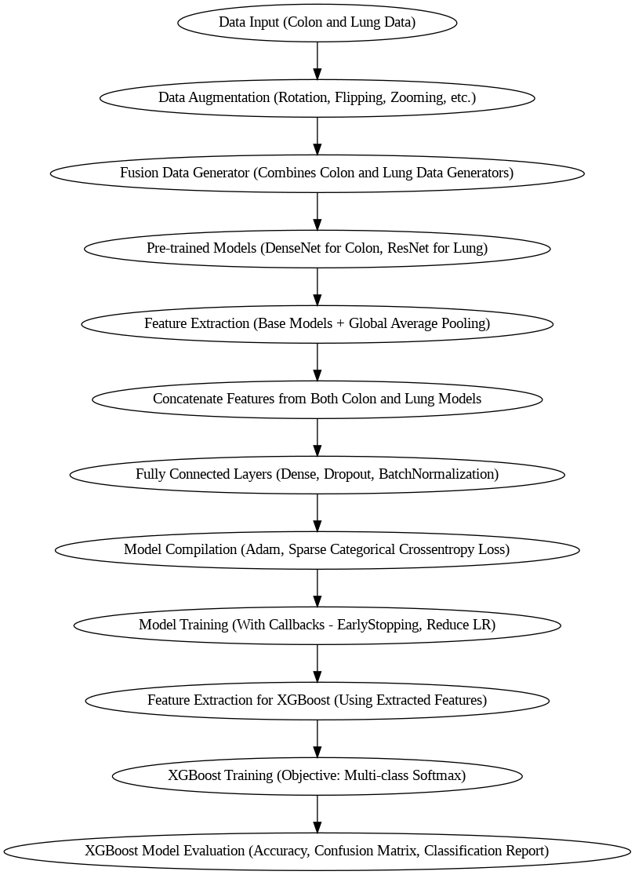

Flowchart-CNN
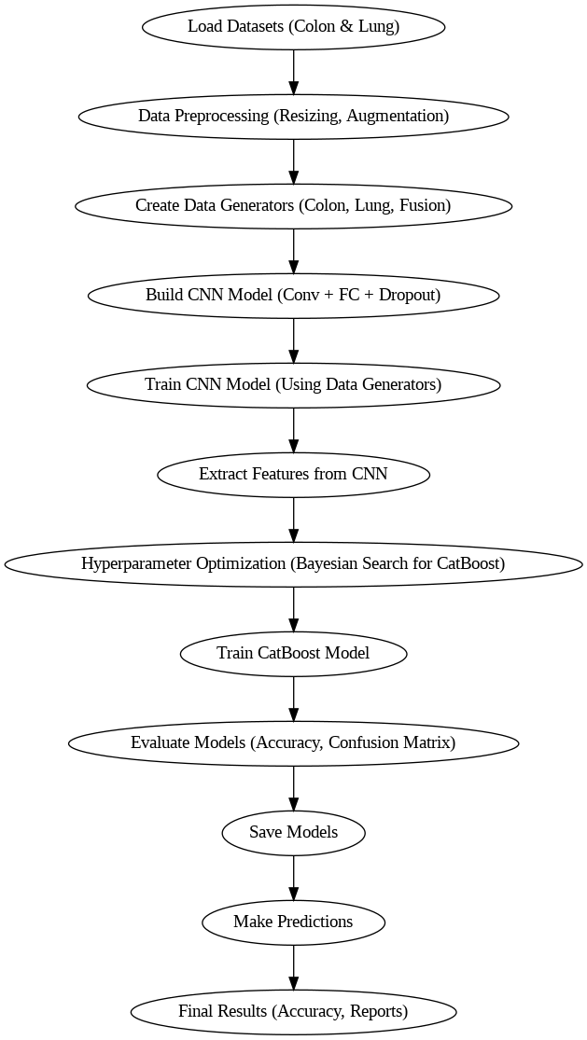

+--------------------+ +---------------------------+ +------------------------------+
| | | | | |
| Load Datasets +------>| Data Preprocessing +------>| Create Data Generators |
| (Colon & Lung) | | (Resizing, Augmentation) | | (Colon, Lung, Fusion) |
| | | | | |
+--------------------+ +---------------------------+ +------------------------------+
|
v
+-----------------------------+
| Build CNN Model |
| (Conv + FC + Dropout) |
+-----------------------------+
|
v
+---------------------------+
| Train CNN Model |
| (Using Data Generators) |
+---------------------------+
|
v
+---------------------------+
| Extract Features from CNN |
+---------------------------+
|
v
+-----------------------------+
| Hyperparameter Optimization |
| (Bayesian Search for CatBoost)|
+-----------------------------+
|
v
+-----------------------------+
| Train CatBoost Model |
+-----------------------------+
|
v
+---------------------------+
| Evaluate Models |
| (Accuracy, Confusion Matrix)|
+---------------------------+
|
v
+---------------------------+
| Save Models |
+---------------------------+
|
v
+---------------------------+
| Make Predictions |
+---------------------------+
|
v
+---------------------------+
| Final Results |
| (Accuracy, Reports) |
+---------------------------+

BOHB + Densenet201
 | Successfully connected to the nameserver at 2.tcp.ngrok.io : 19094
 | Found 2000 images belonging to 2 classes.
 | Found 3000 images belonging to 3 classes.
 | Epoch 1/50 | learn: 1.4743699 | test: 1.4779491 | best: 1.4779491 (0) | total: 3.01ms | remaining: 3.01s
 | 200:00:00 | learn: 0.4172047 | test: 0.7239109 | best: 0.7161900 (116) | total: 543ms | remaining: 2.16s
 | 400:00:00 | learn: 0.2611517 | test: 0.7562662 | best: 0.7161900 (116) | total: 1.07s | remaining: 1.6s
 | 600:00:00 | learn: 0.1842222 | test: 0.7863624 | best: 0.7161900 (116) | total: 1.61s | remaining: 1.07s
 | 800:00:00 | learn: 0.1367211 | test: 0.8156043 | best: 0.7161900 (116) | total: 2.15s | remaining: 533ms
 | 999:00:00 | learn: 0.1066471 | test: 0.8426727 | best: 0.7161900 (116) | total: 2.69s | remaining: 0us

 | bestTest = 0.7161900415
 | bestIteration = 116
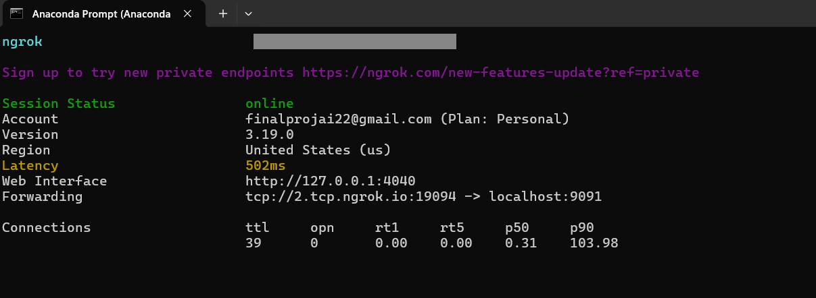
 | Shrink model to first 117 iterations.
 | Validation Accuracy: 0.7238
 | Validation Precision: 0.7195
 | Validation Recall: 0.7238
 | Validation F1-Score: 0.7205

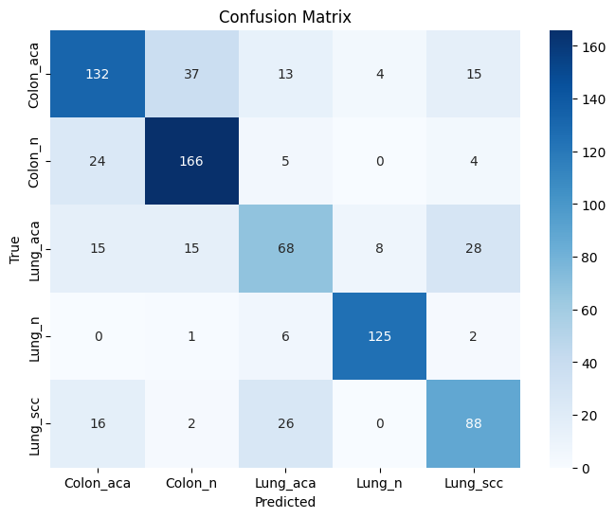

Local meachine : Name server
The BOHB running colab: Connection between colab and local server , created tcp tunnel with port 9091
Val_loss : Due to the access the Name server ( Latency found )

Modle : Accuracy good / val loss less

 |  | {'loss': -0.720457071562725, 'status': 'ok'}

BOHB + Resenet152
0:00:00 | learn: 1.6004578 | test: 1.6026972 | best: 1.6026972 (0) | total: 2.91ms | remaining: 2.91s
200:00:00 | learn: 1.1106837 | test: 1.6265914 | best: 1.5707612 (25) | total: 544ms | remaining: 2.16s
400:00:00 | learn: 0.8656425 | test: 1.6833071 | best: 1.5707612 (25) | total: 1.07s | remaining: 1.6s | Accuracy low in validation
600:00:00 | learn: 0.6917593 | test: 1.7430476 | best: 1.5707612 (25) | total: 1.62s | remaining: 1.07s
800:00:00 | learn: 0.5650025 | test: 1.7921919 | best: 1.5707612 (25) | total: 2.16s | remaining: 538ms
999:00:00 | learn: 0.4707164 | test: 1.8421528 | best: 1.5707612 (25) | total: 2.71s | remaining: 0us

bestTest = 1.570761241
bestIteration = 25

Shrink model to first 26 iterations.
Validation Accuracy: 0.2750
Validation Precision: 0.3462
Validation Recall: 0.2750
Validation F1-Score: 0.2418

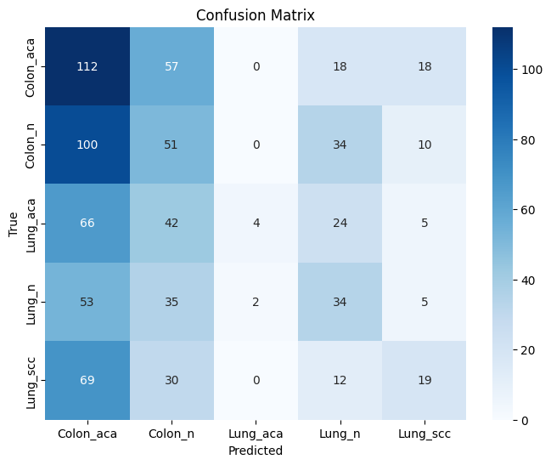

 | {'loss': -0.2418147630334591, 'status': 'ok'}

BOHB + CustomCNN
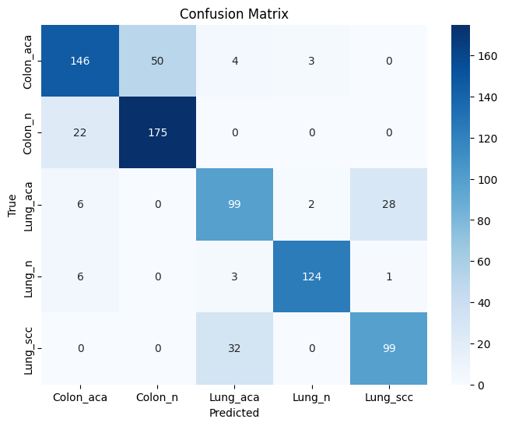
0:00:00 | learn: 1.4084754 | test: 1.4141157 | best: 1.4141157 (0) | total: 3.12ms | remaining: 3.11s
200:00:00 | learn: 0.2782761 | test: 0.4972013 | best: 0.4893735 (132) | total: 507ms | remaining: 2.02s
400:00:00 | learn: 0.1938737 | test: 0.5157044 | best: 0.4893735 (132) | total: 1.01s | remaining: 1.51s
600:00:00 | learn: 0.1452627 | test: 0.5381651 | best: 0.4893735 (132) | total: 1.51s | remaining: 1s
800:00:00 | learn: 0.1138220 | test: 0.5608479 | best: 0.4893735 (132) | total: 2.02s | remaining: 503ms
999:00:00 | learn: 0.0926140 | test: 0.5814470 | best: 0.4893735 (132) | total: 2.53s | remaining: 0us

bestTest = 0.4893734759
bestIteration = 132

Shrink model to first 133 iterations.
CatBoost model saved to catboost_model.cbm
Validation Accuracy: 0.8037
Validation Precision: 0.8061
Validation Recall: 0.8037
Validation F1-Score: 0.8032

