Sheet1
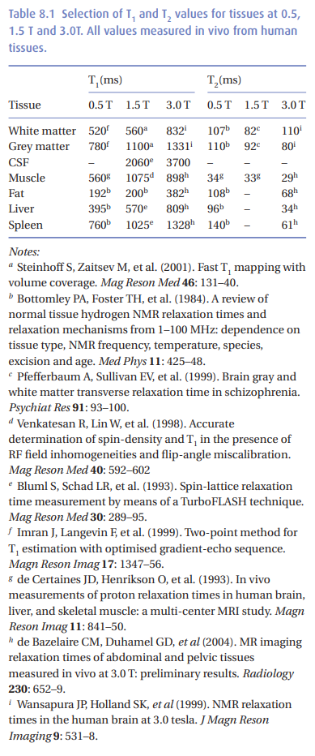
 | 3T
 | 0.35 T |  |  |  |  |  |  |  |  |  |  |  |  |  | brain
 |  |  | Bone |  |  | Lungs(air) |  |  | Fat |  |  | Water (organs) |  |  | WM |  |  | GM |  |  | Blood == CSF
T1 mapping |  |  | M0 | T1 | T2 | M0 | T1 | T2 | M0 | T1 | T2 | M0 | T1 | T2 | M0 | T1 | T2 | M0 | T1 | T2 | M0 | T1 | T2
https://onlinelibrary.wiley.com/doi/epdf/10.1002/%28SICI%291522-2594%28199907%2942%3A1<206%3A%3AAID-MRM28>3.0.CO%3B2-Q |  | https://onlinelibrary.wiley.com/doi/epdf/10.1002/mrm.1910030610 | 2148 | 510 | 66 |  |  |  | 2992 | 262 | 58 | 2100 | 914 | 85
 |  |  |  |  |  |  |  |  |  | 382 | 108 |  |  |  |  | 832 | 107 |  | 1331 | 110 |  | 3700
 |  | MRI from Picture to Proton

