P2_Q1
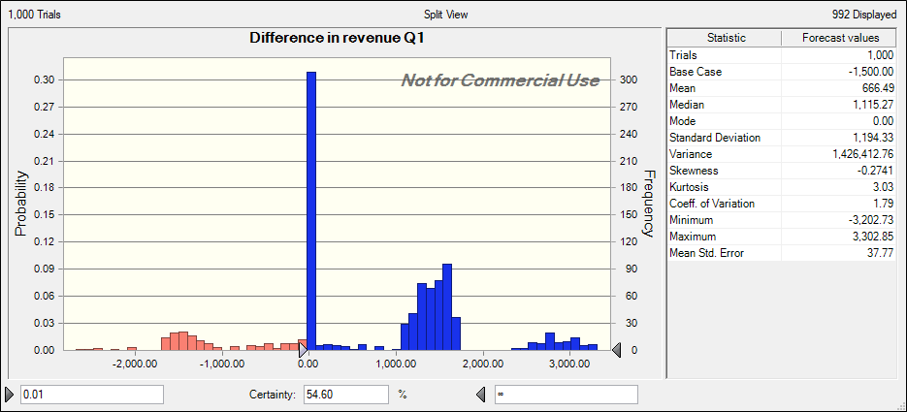
Demand Parameters |  |  |  | Distribution demand
 | A | B |  | With refund policy | Without refund policy |  | Phase 2 Markdown in $
Mean | 800 | 1000 | Phase 1 | 0.9 | 0.6 |  | 5
Standard Deviation | 200 | 400 | Phase 2 | 0.1 | 0.4
Phase 1 Price | 50 | 50

Demand A | 800
Demand B | 1100

Actual demand A | 800
Actual demand B | 1100

With Refund: |  |  |  | Without Refund:
Demand Split | A | B |  | Demand Split | A | B
Phase 1 | 720.00 | 990.00 |  | Phase 1 | 480 | 660
Phase 2 | 80.00 | 110.00 |  | Phase 2 | 320 | 440

Price | A | B |  | Price | A | B
Phase 1 | 50 | 50 |  | Phase 1 | 50 | 50
Phase 2 | 50 | 50 |  | Phase 2 | 45 | 50

Revenue | A | B |  | Revenue | A | B
Phase 1 | 36000 | 49500 |  | Phase 1 | 24000 | 33000
Phase 2 | 4000 | 5500 |  | Phase 2 | 14400 | 22000
 | A | B |  |  | A | B
Revenue | 40000 | 55000 |  | Revenue without refund | 38400 | 55000
refund difference? | 0 | 0
refund to be issued | 0 | 0
Total Revenue after refund issued | 95000 |  |  | Total revenue without refund | 93400

Difference in revenue | 1600
 |  |  | Q1 | The probability that the revenue under refund policy is higher than revenue without refund policy is 54.60%

P2_Q2a_With refund
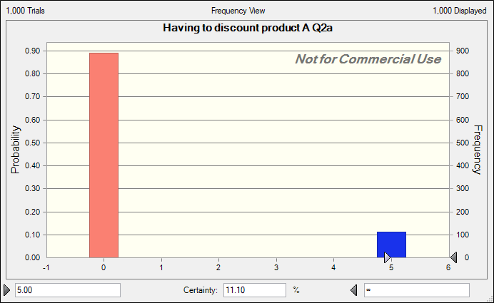
Demand Parameters |  |  |  | Distribution demand
 | A | B |  | With refund policy | Without refund policy |  | Phase 2 Markdown in $
Mean | 800 | 1000 | Phase 1 | 0.9 | 0.6 |  | 5
Standard Deviation | 200 | 400 | Phase 2 | 0.1 | 0.4
Phase 1 Price | 50 | 50

Demand A | 555
Demand B | 500

Actual demand A | 555
Actual demand B | 500

With Refund: |  |  |  | Without Refund:
Demand Split | A | B |  | Demand Split | A | B
Phase 1 | 499.5 | 450 |  | Phase 1 | 333 | 300
Phase 2 | 55.5 | 50 |  | Phase 2 | 222 | 200

Price | A | B |  | Price | A | B
Phase 1 | 50 | 50 |  | Phase 1 | 50 | 50
Phase 2 | 45 | 45 |  | Phase 2 | 45 | 45

Revenue | A | B |  | Revenue | A | B
Phase 1 | 24975 | 22500 |  | Phase 1 | 16650 | 15000
Phase 2 | 2497.5 | 2250 |  | Phase 2 | 9990 | 9000
 | A | B |  |  | A | B
Revenue with refund | 24975 | 22500 |  | Revenue without refund | 26640 | 24000
price difference? | 5 | 5
refund amount | 250 | 250
Total Revenue after refund issued | 46975 |  |  | Total revenue without refund | 50640

Difference in revenue | -3665

Having to discount product A | 5

Q2a | There is 11.10% probability that GLAP will end up having to discount Product A (in using refund policy scenario)

P2_Q2b_Without refund
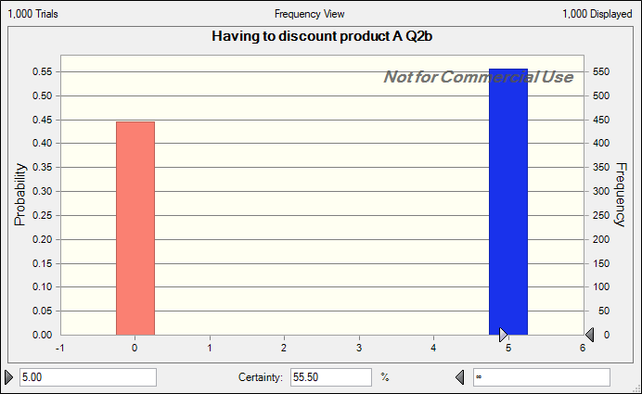
Demand Parameters |  |  |  | Distribution demand
 | A | B |  | With refund policy | Without refund policy |  | Phase 2 Markdown in $
Mean | 800 | 1000 | Phase 1 | 0.9 | 0.6 |  | 5
Standard Deviation | 200 | 400 | Phase 2 | 0.1 | 0.4
Phase 1 Price | 50 | 50

Demand A | 800
Demand B | 500

Actual demand A | 800
Actual demand B | 500

With Refund: |  |  |  | Without Refund:
Demand Split | A | B |  | Demand Split | A | B
Phase 1 | 720 | 450 |  | Phase 1 | 480 | 300
Phase 2 | 80 | 50 |  | Phase 2 | 320 | 200

Price | A | B |  | Price | A | B
Phase 1 | 50 | 50 |  | Phase 1 | 50 | 50
Phase 2 | 50 | 45 |  | Phase 2 | 45 | 45

Revenue | A | B |  | Revenue | A | B
Phase 1 | 36000 | 22500 |  | Phase 1 | 24000 | 15000
Phase 2 | 4000 | 2250 |  | Phase 2 | 14400 | 9000
 | A | B |  |  | A | B
Revenue with refund | 40000 | 22500 |  | Revenue without refund | 38400 | 24000

Total Revenue with refund | 62500 |  |  | Total revenue without refund | 62400

Difference in revenue | 100

Having to discount product A | 0 |  |  | Having to discount product A | 5

Q2b | There is 55.50% probability that GLAP will end up having to discount Product A (in without using refund policy scenario)

P2_Q3a_WithRefund
Demand Parameters |  |  |  |  | Distribution demand
 | A | B |  |  | With refund policy | Without refund policy |  | Phase 2 Markdown in $
Mean | 800 | 1000 |  | Phase 1 | 0.9 | 0.6 |  | 5
Standard Deviation | 200 | 400 |  | Phase 2 | 0.1 | 0.4
Phase 1 Price | 50 | 50
Cost | $(10.00)
Quantity of Product A | 1500
Total Cost | $(15,000.00) |  |  |  | Goodwill loss/product | $(2.00)
Demand A | 800
Demand B | 500

Actual demand A | 800
Actual demand B | 500

With Refund: |  |  |  |  | Without Refund:
Sales Split | A | B |  |  | Sales Split | A | B
Phase 1 | 720 | 450 |  |  | Phase 1 | 480 | 300
Phase 2 | 80 | 50 |  |  | Phase 2 | 320 | 200
Unmet Demand | 0 |  |  |  | Unmet Demand | 0
Price | A | B |  |  | Price | A | B
Phase 1 | 50 | 50 |  |  | Phase 1 | 50 | 50
Phase 2 | 50 | 45 |  |  | Phase 2 | 45 | 45

Revenue | A | B |  |  | Revenue | A | B
Phase 1 | 36000 | 22500 |  |  | Phase 1 | 24000 | 15000
Phase 2 | 4000 | 2250 |  |  | Phase 2 | 14400 | 9000
Is there sale in Phase 2? | 1

Goodwill loss total | $-
refund difference? | 0
refund to be issued | 0 |  |  |  | Revenue | 38400
Revenue of A after refund issued | 40000
Unsold quantity to Charity | 700 |  |  |  | Unsold quantity to Charity | 700
Revenue from Products sold - Cost(Of Products Sold + Products to Charity) - Goodwill loss
Profit | $25,000.00

Q3a | The optimal quantity of Product A to order would be 1000 in case of using refund policy. It gives profit of appx. $29059
Quantity of Product A · P2_Q3a (300.00) | Quantity of Product A · P2_Q3a (400.00) | Quantity of Product A · P2_Q3a (500.00) | Quantity of Product A · P2_Q3a (600.00) | Quantity of Product A · P2_Q3a (700.00) | Quantity of Product A · P2_Q3a (800.00) | Quantity of Product A · P2_Q3a (900.00) | Quantity of Product A · P2_Q3a (1,000.00) | Quantity of Product A · P2_Q3a (1,100.00) | Quantity of Product A · P2_Q3a (1,200.00) | Quantity of Product A · P2_Q3a (1,300.00) | Quantity of Product A · P2_Q3a (1,400.00) | Quantity of Product A · P2_Q3a (1,500.00)
$10,964.66 | $15,045.17 | $18,834.20 | $22,448.87 | $25,434.55 | $27,615.78 | $28,801.34 | $29,059.67 | $28,600.90 | $27,793.08 | $26,850.56 | $25,867.39 | $24,872.59
1 | 2 | 3 | 4 | 5 | 6 | 7 | 8 | 9 | 10 | 11 | 12 | 13

P2_Q3b_WithoutRefund
Demand Parameters |  |  |  |  | Distribution demand
 | A | B |  |  | With refund policy | Without refund policy |  | Phase 2 Markdown in $
Mean | 800 | 1000 |  | Phase 1 | 0.9 | 0.6 |  | 5
Standard Deviation | 200 | 400 |  | Phase 2 | 0.1 | 0.4
Phase 1 Price | 50 | 50
Cost | $(10.00)
Quantity of Product A | 1500
Total Cost | $(15,000.00) |  |  |  | Goodwill loss/product | $(2.00)
Demand A | 500
Demand B | 600

Actual demand A | 500
Actual demand B | 600

With Refund: |  |  |  |  | Without Refund:
Sales Split | A | B |  |  | Sales Split | A | B
Phase 1 | 450 | 540 |  |  | Phase 1 | 300 | 360
Phase 2 | 50 | 60 |  |  | Phase 2 | 200 | 240
Unmet Demand | 0 |  |  |  | Unmet Demand | 0
Price | A | B |  |  | Price | A | B
Phase 1 | 50 | 50 |  |  | Phase 1 | 50 | 50
Phase 2 | 45 | 50 |  |  | Phase 2 | 45 | 45

Revenue | A | B |  |  | Revenue | A | B
Phase 1 | 22500 | 27000 |  |  | Phase 1 | 15000 | 18000
Phase 2 | 2250 | 3000 |  |  | Phase 2 | 9000 | 10800
Is there sale in Phase 2? | 1

Goodwill loss total | $- |  |  |  | Goodwill loss | $-
refund difference? | 5
refund to be issued | 2250 |  |  |  | Revenue A | 24000
Revenue A after refund issued | 22500
Unsold quantity to Charity | 1000 |  |  |  | Unsold quantity to Charity | 1000

Revenue from Products sold - Cost(Of Products Sold + Products to Charity) - Goodwill loss
Profit | $7,500.00 |  |  |  | Profit | $9,000.00

Q3b | The optimal quantity of Product A to order would be 1000 in case of without using refund policy. It gives profit of appx. $27979

P2_Q3b (300.00) | P2_Q3b (400.00) | P2_Q3b (500.00) | P2_Q3b (600.00) | P2_Q3b (700.00) | P2_Q3b (800.00) | P2_Q3b (900.00) | P2_Q3b (1,000.00) | P2_Q3b (1,100.00) | P2_Q3b (1,200.00) | P2_Q3b (1,300.00) | P2_Q3b (1,400.00) | P2_Q3b (1,500.00)
$10,982.54 | $15,037.57 | $18,839.98 | $22,140.29 | $24,868.50 | $26,831.23 | $27,821.77 | $27,979.24 | $27,486.39 | $26,685.31 | $25,742.75 | $24,751.35 | $23,751.35
1 | 2 | 3 | 4 | 5 | 6 | 7 | 8 | 9 | 10 | 11 | 12 | 13

P3_Q1
 |  |  | Decision node
 |  |  | Event node
Price of purchase | 600
Rental cost per period | 300 |  |  |  |  | Year 1 - 2024 |  |  | Year 2 - 2025 |  |  | Year 3 - 2026
Probability of leaving | 0.4
Price drop per year | -22%

 |  |  |  |  |  |  | Buy
Various options for connectors |  |  |  |  |  |  | 600
Contract Not Renewed
 | Borders
 |  |  | Total expected cost under optimal strategy | 588 | 108 |  |  | 0.4 | 0

 |  | The optimal strategy is renting and highlighted in red |  |  |  |  | Rent |  |  | Buy
 |  |  |  |  |  |  | 108 |  |  | 468
Contract Not Renewed

Contract Renewed
 |  | Ana should choose to rent in the first year, |  |  |  |  |  | 0.6 | 180 |  | 0.4 | 0
 |  | if the contract gets renewed, rent again since its cheaper than buying
 |  | if contract gets renewed, rent again. |  |  |  |  |  |  |  | Rent |  |  | Buy
 |  |  |  |  |  |  |  |  |  | 180 |  |  | 365.04
 |  | Given the uncertainty of contract getting renewed,
 |  | Buying in any year is not viable, since its expensive than renting.
 |  |  |  |  |  |  |  |  |  |  | 0.6 | 300
Contract Renewed
 | Lines
 |  |  |  |  |  |  |  |  |  |  |  |  | Rent
 |  |  |  |  |  |  |  |  |  |  |  |  | 300

P3_Q2
 |  | Decision node |  | Under optimal strategy(rental), Ana chooses rental if the contract gets renewed for two years.
 |  | Event node |  | With probability of 0.36 (0.6*0.6), she rents for every year spending total of atleast $700
Price of purchase | 600
Rental cost per period | 300 |  |  |  | Year 1 - 2024 |  |  |  | Year 2 - 2025 |  |  |  | Year 3 - 2026
Probability of leaving | 0.4
Price drop per year | -22%

 |  |  |  |  |  | Buy
Various options for connectors |  |  |  |  |  | 600
Contract Not Renewed
 | Borders |  | Total expected value
 |  |  | 588 | 108 |  |  | 0.4 | 0

 |  |  |  |  |  | Rent |  |  |  | Buy
 |  |  |  |  |  | 108 |  |  |  | 468
Contract Not Renewed

 |  |  |  |  |  |  | 0.6 | 180 |  |  | 0.4 | 0
Contract Renewed
 |  |  |  |  |  |  |  |  |  | Rent |  |  |  | Buy
 |  |  |  |  |  |  |  |  |  | 180 |  |  |  | 365.04

Contract Renewed
 |  |  |  |  |  |  |  |  |  |  | 0.6 | 300
 | Lines
 |  |  |  |  |  |  |  |  |  |  |  |  |  | Rent
 |  |  |  |  |  |  |  |  |  |  |  |  |  | 300

P3_Q3
 |  | Decision node
 |  | Event node
Price of purchase | 600
Rental cost per period | 310 |  |  |  | Year 1 - 2024 |  |  |  | Year 2 - 2025 |  |  |  | Year 3 - 2026
Probability of leaving | 0.4
Price drop per year | -22%

 |  |  |  |  |  | Buy
Various options for connectors |  |  |  |  |  | 600
Contract Not Renewed
 | Borders
 |  | Total expected value under optimal strategy | 607.6 | 111.6 |  |  | 0.4 | 0

With rent, 300 per year the optimal strategy is renting.
Expected cost is marginally cheaper than buying.
Any slight incease in the rental value (310 or 320 or above), increases the expected cost to more than 600(buying), may shift and change the optimal strategy towards buying the scooter.
 |  |  |  |  |  | Rent |  |  |  | Buy
 |  |  |  |  |  | 111.6 |  |  |  | 468
Contract Not Renewed

 |  |  |  |  |  |  | 0.6 | 186 |  |  | 0.4 | 0
Contract Renewed
 |  |  |  |  |  |  |  |  |  | Rent |  |  |  | Buy
 |  |  |  |  |  |  |  |  |  | 186 |  |  |  | 365.04

Contract Renewed
 |  |  |  |  |  |  |  |  |  |  | 0.6 | 310
 | Lines
 |  |  |  |  |  |  |  |  |  |  |  |  |  | Rent
 |  |  |  |  |  |  |  |  |  |  |  |  |  | 310

