Data for graph plotting
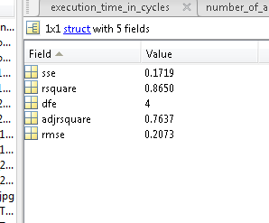
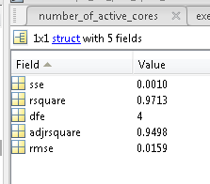
No. of Interfering cores | Normalized CPC 1 read hits | Normalized CPC 2 read hits | Data size | No. of Interfering cores | Normalized CPC 1 read hits | Normalized CPC 2 read hits | Data size | No. of Interfering cores | Normalized CPC 1 read hits | Normalized CPC 2 read hits | Data size
0 | 1.0000 | 1.0000 | 1 MB | 0 | 1.0000 | 1.0000 | 2 MB | 0 | 1.0000 | 1.0000 | 3 MB

1 | 0.9837 | 0.9841 | 1 MB | 1 | 0.8621 | 0.8605 | 2 MB | 1 | 0.9846 | 0.9832 | 3 MB

2 | 0.9101 | 0.9099 | 1 MB | 2 | 0.0180 | 0.0183 | 2 MB | 2 | 0.2974 | 0.2959 | 3 MB

3 | 0.8651 | 0.8655 | 1 MB | 3 | 0.0150 | 0.0146 | 2 MB | 3 | 0.2914 | 0.2937 | 3 MB

4 | 0.8455 | 0.8455 | 1 MB | 4 | 0.0129 | 0.0141 | 2 MB | 4 | 0.2906 | 0.2915 | 3 MB

5 | 0.8347 | 0.8344 | 1 MB | 5 | 0.0110 | 0.0118 | 2 MB | 5 | 0.2905 | 0.2906 | 3 MB

6 | 0.8296 | 0.8295 | 1 MB | 6 | 0.0126 | 0.0123 | 2 MB | 6 | 0.2906 | 0.2909 | 3 MB

7 | 0.8224 | 0.8227 | 1 MB | 7 | 0.0100 | 0.0097 | 2 MB | 7 | 0.2884 | 0.2883 | 3 MB

ans =
 |  |  |  | ans =
General model Exp2:
ans(x) = a*exp(b*x) + c*exp(d*x) |  |  |  | General model Exp2:
Coefficients (with 95% confidence bounds): |  |  |  | ans(x) = a*exp(b*x) + c*exp(d*x)
a = 0.05471 (-0.6368, 0.7462) |  |  |  | Coefficients (with 95% confidence bounds):
b = 0.2135 (-0.9261, 1.353) |  |  |  | a = 7933 (-3.809e+13, 3.809e+13)
c = 0.9569 (0.2835, 1.63) |  |  |  | b = -0.4112 (-7.791e+04, 7.791e+04)
d = -0.07087 (-0.2558, 0.114) |  |  |  | c = -7932 (-3.809e+13, 3.809e+13)
 |  |  |  | d = -0.4112 (-7.792e+04, 7.792e+04)

