Data for graph plotting
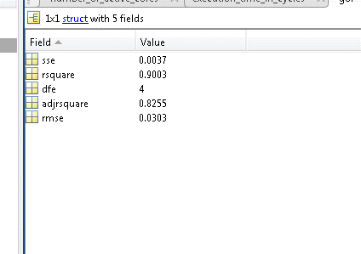
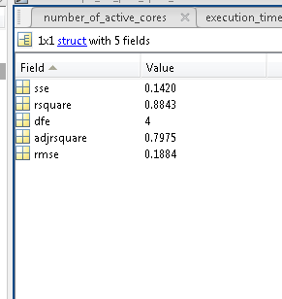
No. of Interfering cores | Normalized CPC 1 read hits | Normalized CPC 2 read hits | Data size | No. of Interfering cores | Normalized CPC 1 read hits | Normalized CPC 2 read hits | Data size | No. of Interfering cores | Normalized CPC 1 read hits | Normalized CPC 2 read hits | Data size
0 | 1.0000 | 1.0000 | 1 MB | 0 | 1.0000 | 1.0000 | 2 MB | 0 | 1.0000 | 1.0000 | 3 MB

1 | 0.9969 | 0.9976 | 1 MB | 1 | 0.8011 | 0.8011 | 2 MB | 1 | 1.0000 | 1.0000 | 3 MB

2 | 0.8738 | 0.8741 | 1 MB | 2 | 0.0042 | 0.0039 | 2 MB | 2 | 0.2883 | 0.2881 | 3 MB

3 | 0.8490 | 0.8492 | 1 MB | 3 | 0.0026 | 0.0023 | 2 MB | 3 | 0.2883 | 0.2881 | 3 MB

4 | 0.8489 | 0.8488 | 1 MB | 4 | 0.0062 | 0.0060 | 2 MB | 4 | 0.2883 | 0.2881 | 3 MB

5 | 0.8396 | 0.8395 | 1 MB | 5 | 0.0041 | 0.0039 | 2 MB | 5 | 0.2883 | 0.2881 | 3 MB

6 | 0.8334 | 0.8335 | 1 MB | 6 | 0.0036 | 0.0033 | 2 MB | 6 | 0.2883 | 0.2881 | 3 MB

7 | 0.8240 | 0.8243 | 1 MB | 7 | 0.0010 | 0.0008 | 2 MB | 7 | 0.2883 | 0.2881 | 3 MB

ans = |  |  |  |  | ans =

General model Exp2: |  |  |  |  | General model Exp2:
ans(x) = a*exp(b*x) + c*exp(d*x) |  |  |  |  | ans(x) = a*exp(b*x) + c*exp(d*x)
Coefficients (with 95% confidence bounds): |  |  |  |  | Coefficients (with 95% confidence bounds):
a = 0.4524 (-3.507, 4.412) |  |  |  |  | a = -3261 (-2.156e+12, 2.156e+12)
b = 0.0556 (-0.6564, 0.7676) |  |  |  |  | b = -0.4293 (-2.771e+04, 2.771e+04)
c = 0.5638 (-3.364, 4.492) |  |  |  |  | c = 3262 (-2.156e+12, 2.156e+12)
d = -0.1769 (-1.424, 1.07) |  |  |  |  | d = -0.4294 (-2.771e+04, 2.771e+04)

