Data for graph plotting
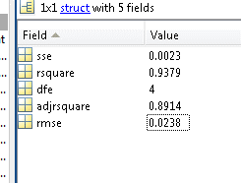
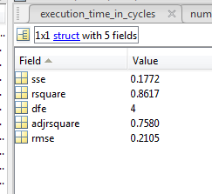
No. of Interfering cores | Normalized CPC 1 read hits | Normalized CPC 2 read hits | Data size | No. of Interfering cores | Normalized CPC 1 read hits | Normalized CPC 2 read hits | Data size | No. of Interfering cores | Normalized CPC 1 read hits | Normalized CPC 2 read hits | Data size
0 | 1.0000 | 1.0000 | 1 MB | 0 | 1.0000 | 1.0000 | 2 MB | 0 | 1.0000 | 1.0000 | 3 MB

1 | 0.9927 | 0.9936 | 1 MB | 1 | 0.8705 | 0.8684 | 2 MB | 1 | 0.9829 | 0.9839 | 3 MB

2 | 0.8852 | 0.8854 | 1 MB | 2 | 0.0179 | 0.0159 | 2 MB | 2 | 0.2970 | 0.2954 | 3 MB

3 | 0.8625 | 0.8626 | 1 MB | 3 | 0.0165 | 0.0167 | 2 MB | 3 | 0.2913 | 0.2926 | 3 MB

4 | 0.8451 | 0.8451 | 1 MB | 4 | 0.0130 | 0.0145 | 2 MB | 4 | 0.2914 | 0.2915 | 3 MB

5 | 0.8359 | 0.8356 | 1 MB | 5 | 0.0116 | 0.0127 | 2 MB | 5 | 0.2907 | 0.2911 | 3 MB

6 | 0.8271 | 0.8275 | 1 MB | 6 | 0.0131 | 0.0127 | 2 MB | 6 | 0.2907 | 0.2909 | 3 MB

7 | 0.8235 | 0.8236 | 1 MB | 7 | 0.0117 | 0.0117 | 2 MB | 7 | 0.2885 | 0.2883 | 3 MB

ans = |  |  |  | ans =

General model Exp2: |  |  |  | General model Exp2:
ans(x) = a*exp(b*x) + c*exp(d*x) |  |  |  | ans(x) = a*exp(b*x) + c*exp(d*x)
Coefficients (with 95% confidence bounds): |  |  |  | Coefficients (with 95% confidence bounds):
a = 0.1811 (-2.486, 2.849) |  |  |  | a = -1.133e+05 (-6.16e+15, 6.16e+15)
b = 0.1216 (-1.036, 1.279) |  |  |  | b = -0.4092 (-6.152e+04, 6.152e+04)
c = 0.8327 (-1.808, 3.473) |  |  |  | c = 1.133e+05 (-6.16e+15, 6.16e+15)
d = -0.1035 (-0.6596, 0.4526) |  |  |  | d = -0.4092 (-6.152e+04, 6.152e+04)

Execution_time_graph_plotting
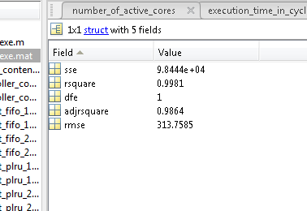
No. of Interfering cores | Average CPU cycles
0 | 22479 | 0
1 | 22489 | 10
2 | 22510 | 31
3 | 22529 | 50
4 | 22600 | 121
5 | 24144 | 1665
6 | 30100 | 7621
7 | 25546 | 3067

ans =

Linear model Poly6:
ans(x) = p1*x^6 + p2*x^5 + p3*x^4 + p4*x^3 + p5*x^2 +
p6*x + p7
Coefficients (with 95% confidence bounds):
p1 = -14.36 (-59.34, 30.62)
p2 = 261.6 (-684.9, 1208)
p3 = -1753 (-9270, 5763)
p4 = 5377 (-2.245e+04, 3.32e+04)
p5 = -7429 (-5.478e+04, 3.992e+04)
p6 = 3610 (-2.617e+04, 3.339e+04)
p7 = -5.356 (-3991, 3981)

