Execution_time_graph_plotting
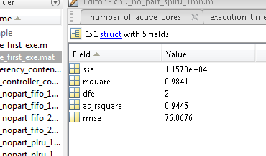
No. of Interfering cores | Average CPU cycles |  | ans =
0 | 22478 | 0
1 | 22482 | 4 | Linear model Poly5:
2 | 22480 | 2 | ans(x) = p1*x^5 + p2*x^4 + p3*x^3 + p4*x^2 + p5*x + p6
3 | 22572 | 94 | Coefficients (with 95% confidence bounds):
4 | 22561 | 83 | p1 = 1.92 (-2.982, 6.823)
5 | 22708 | 230 | p2 = -28.87 (-115, 57.27)
6 | 22678 | 200 | p3 = 149.1 (-385, 683.1)
7 | 23443 | 965 | p4 = -295.6 (-1672, 1081)
 |  |  | p5 = 191.9 (-1105, 1488)
 |  |  | p6 = -2.88 (-329.5, 323.7)

