Data for graph plotting
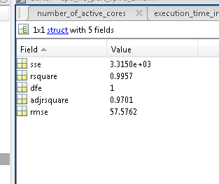
No. of Interfering cores | Average CPU cycles |  | ans =
0 | 10724 | 0
1 | 10856 | 132 | Linear model Poly6:
2 | 11166 | 442 | ans(x) = p1*x^6 + p2*x^5 + p3*x^4 + p4*x^3 + p5*x^2 +
3 | 11267 | 543 | p6*x + p7
4 | 11369 | 645 | Coefficients (with 95% confidence bounds):
5 | 11389 | 665 | p1 = -0.1646 (-8.419, 8.09)
6 | 11629 | 905 | p2 = 1.539 (-172.2, 175.2)
7 | 11649 | 925 | p3 = 6.673 (-1373, 1386)
 |  |  | p4 = -108.5 (-5214, 4997)
 |  |  | p5 = 332.2 (-8357, 9021)
No. of Interfering cores | CoreNet Traffic |  | p6 = -91.88 (-5557, 5373)
0 | 104 |  | p7 = -0.9828 (-732.5, 730.5)
1 | 110
2 | 117
3 | 125
4 | 130
5 | 139
6 | 142
7 | 150

