Data for graph plotting
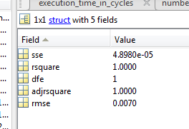
No. of Interfering cores | Cumulative DDR Traffic
0 | 11411 | 1 |  | ans =
1 | 22668 | 1.9865042503
2 | 33904 | 2.9711681711 |  | Linear model Poly6:
3 | 45042 | 3.9472438875 |  | ans(x) = p1*x^6 + p2*x^5 + p3*x^4 + p4*x^3 + p5*x^2 +
4 | 56541 | 4.9549557445 |  | p6*x + p7
5 | 68246 | 5.9807203575 |  | Coefficients (with 95% confidence bounds):
6 | 79809 | 6.9940408378 |  | p1 = 3.472e-05 (-0.0009687, 0.001038)
7 | 89986 | 7.8858995706 |  | p2 = -0.001149 (-0.02226, 0.01996)
 |  |  |  | p3 = 0.01134 (-0.1563, 0.179)
 |  |  |  | p4 = -0.04505 (-0.6657, 0.5755)
 |  |  |  | p5 = 0.07479 (-0.9814, 1.131)
No. of Interfering cores | Average CPU cycles |  |  | p6 = 0.941 (0.2767, 1.605)
0 | 819922 | 1 |  | p7 = 0.9999 (0.911, 1.089)
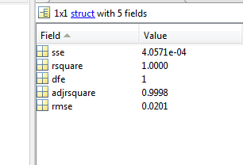
1 | 1210251 | 1.476056259
2 | 1584050 | 1.9319520637
3 | 2009106 | 2.4503626564
4 | 2556808 | 3.1183554655 | ans =
5 | 3235798 | 3.946470213
6 | 3802862 | 4.6380774635 | Linear model Poly6:
7 | 4261212 | 5.1970946627 | ans(x) = p1*x^6 + p2*x^5 + p3*x^4 + p4*x^3 + p5*x^2 +
 |  |  | p6*x + p7
 |  |  | Coefficients (with 95% confidence bounds):
 |  |  | p1 = 0.0005 (-0.002388, 0.003388)
 |  |  | p2 = -0.01027 (-0.07103, 0.0505)
 |  |  | p3 = 0.07534 (-0.4072, 0.5579)
 |  |  | p4 = -0.2355 (-2.022, 1.551)
 |  |  | p5 = 0.3189 (-2.721, 3.359)
 |  |  | p6 = 0.3183 (-1.593, 2.23)
 |  |  | p7 = 1 (0.7444, 1.256)

