Coverpage
Managerial Decision Analytics - Exam
1) Aniruth Sadagopan - U95606078
2) Sriram Gopal Ramesh Narayanan - U14171008

Question 1
 |  |  |  |  | 1A

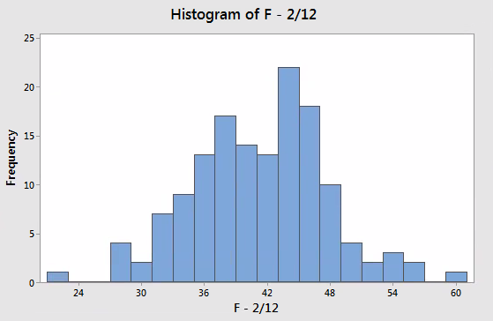
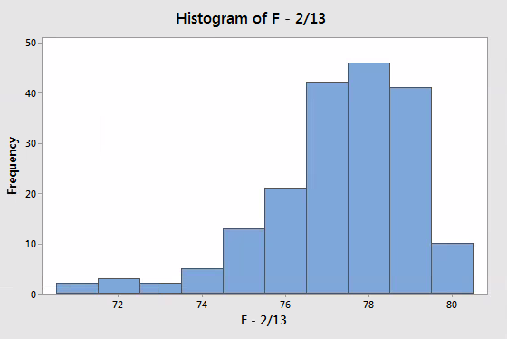
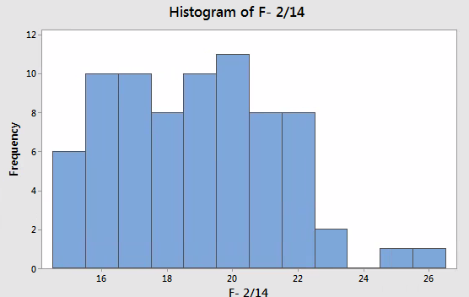
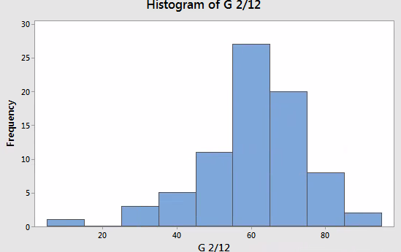
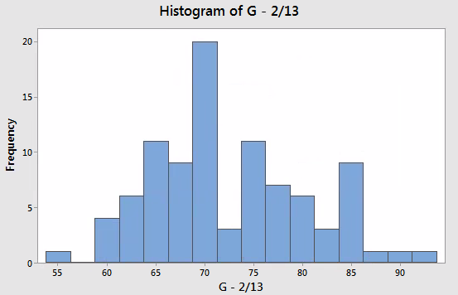
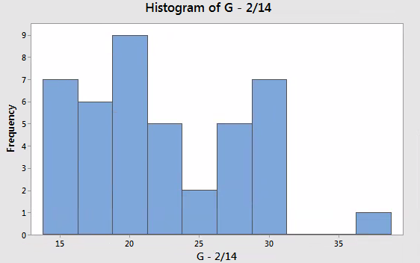

 |  |  |  |  |  |  |  |  |  | Garden

 |  |  |  | Left Skewed | Right Skewed |  | Excluding that oulier, its not skewed |  |  | Right Skewed
 |  |  |  |  |  |  |  |  |  | Garden
 |  |  | French - 2/13 - Left Skewed , French 2/14 Right Skewed, Garden 2/12 - Excluding outlier, no skewness, Garden 2/14 Right skewed
 |  |  | Assumption - Number of records indicates the number of vehicles; when the number of vehicles towed is more, the time taken is also more, and the vice versa. For both the districts, the third day has seen lesser time. And Mardi gras fell on Feb 13 and that day has seen the maximum records and the time taken is also high

 |  |  |  |  | 1B

French - 2/12 |  |  |  | French - 2/13 |  |  |  | Garden - 2/12
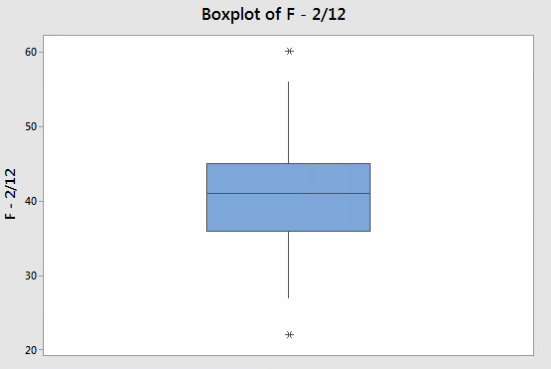
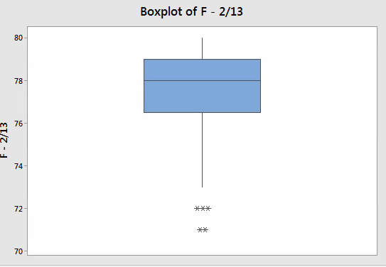
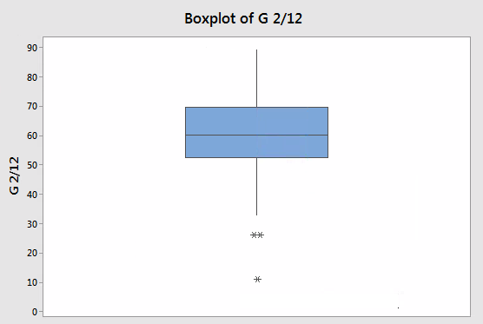

 |  |  |  |  |  |  |  | Row - 37,44,69 - Data - 11,26,26 respectively are outliers
Row - 81,83 - Data - 22,46 respectively are outliers |  |  |  | Row - 61,79,83,84,95 - Data - 72,72,71,72,71 respectively are outliers

 |  | French 2/12, French 2/13 and Garden 2/12 have outliers

 |  |  |  |  | 1C

 |  |  |  | The alternate hypothesis is that the two true means are not equal. The p value is less than 0.05 so we can reject the null hypothesis. Also the 95 % confidence interval does not include 0 which means the true mean would not be 0.

 |  |  |  |  | 1D

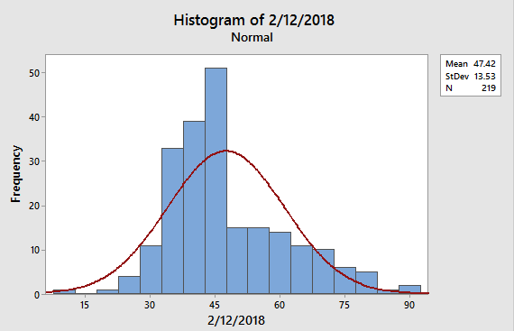
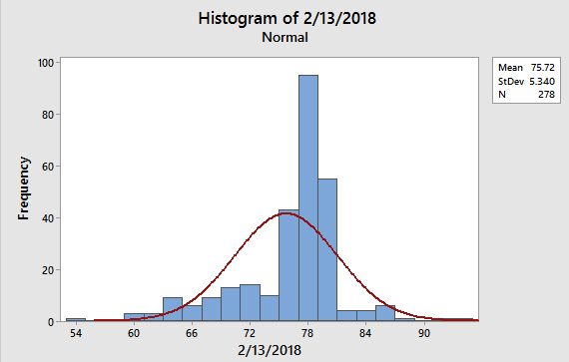
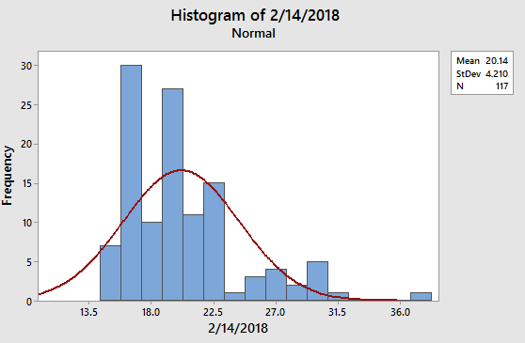

 | Normal distribution |  |  |  |  | Normal distribution |  |  | Normal distribution

Question 3
 |  |  | 3A

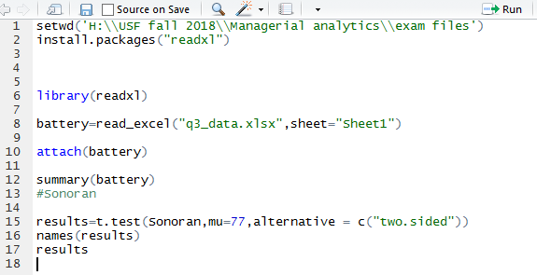
Normal mean life | 77 | months

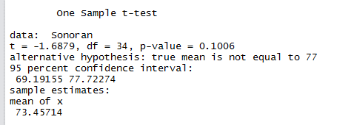

Since the P value is not less than 0.05, we fail to reject the null hypothesis. The confidence interval also includes 77, which is the mean under normal condition. So, the Sonoran and normal conditions have the same life

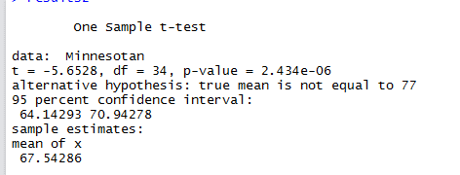

Since the P value is less than 0.05, we can reject the null hypothesis. The confidence interval does not also include 77, which is the mean under normal condition. So, Minnesota has different life compared to normal

 |  |  | 3B

Since the P value is less than 0.05, we can reject the null hypothesis. The confidence interval also does not have a 0 which means the mean is never the same for both the tests indicating that they actually have different life

Question 4
 |  |  |  | 4A

4A is | Ratio data

 |  |  |  | 4B

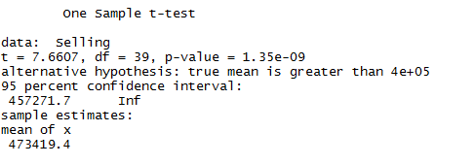

 | P value is less than 0.05, which means we can reject the null hypothesis. The confidence interval also says the mean selling price is from 457271.7 to infinity. This is a one tailed hypothesis test which tests if the true mean if greater than 400000

 |  |  |  | 4C

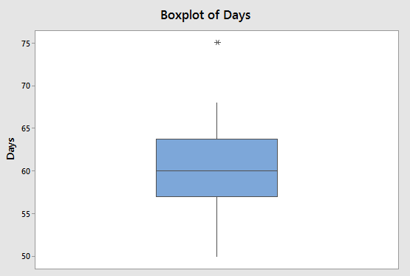
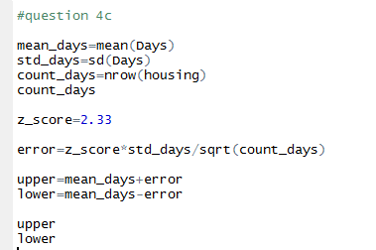
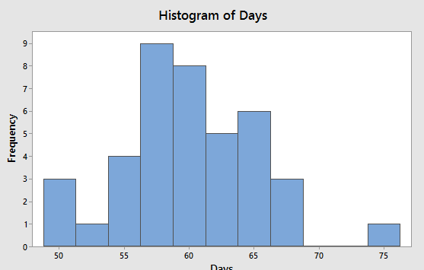

 |  | Record 27 - days 75 is an outlier. The mean price from the data is 60.1 days. The 98% confidence interval for the days is 58.16 to 62.03 which means, using the sample data, the actual population mean for the number of days a house will be listed before its sold lies in that range

 |  |  |  | 4D

 |  |  | The mean concession is in the range 59297 to infinity. This has a range which is less than 120,000. Also the p value is 1 which indicates we do not have enough evidence to reject the null hypothesis. The concession need not be always above 120,000

Question 5
 |  |  |  |  | 5A

Individual Analysis

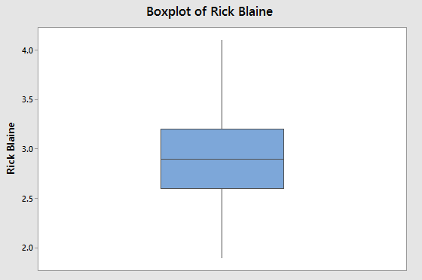
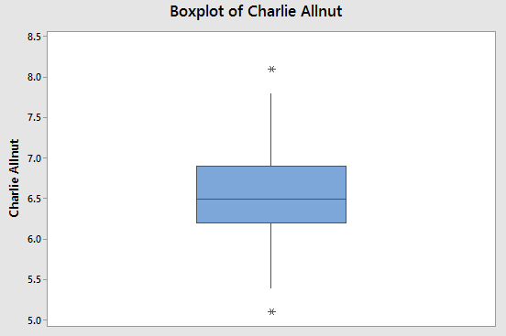
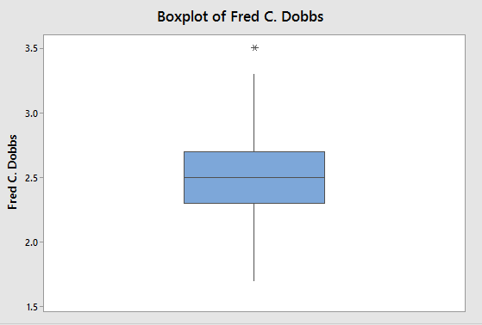
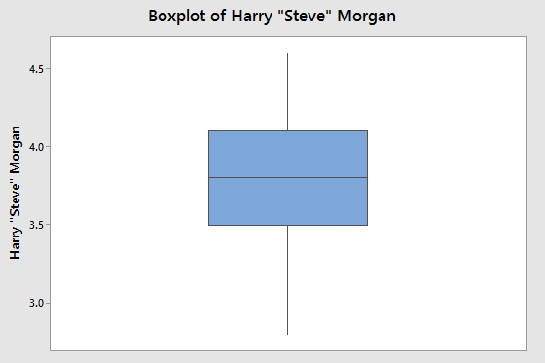

 |  | The mean time taken by Fred is lowest and infact Fre'ds highest time is lower than the lowest of Charlie.Rick and Harry have a middle time interval. There are no outliers in all bu Fred's data.

Combined Analysis

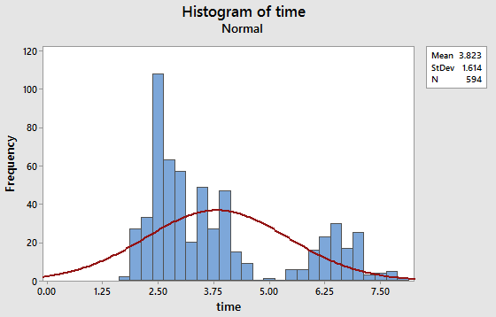
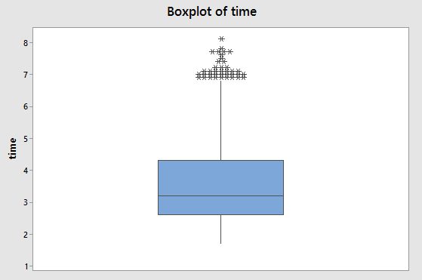

 |  | The distribution is normal with a slight Right skewness. The maximum value for all photographers except Charlie is 4.6 for Harry. So its eveident from the box plot that all the outliers are from Charlie. Infact, all others data lie in the 25th to 75th middle 50 percentile. So the outlier is Charlie.

 |  |  |  |  | 5B

Mean of sample | 2.92
Std of sample | 0.453
n | 120

Std of sampling distribution |  | sigma/(sqrt(n))
 |  | 0.041353053092

 |  |  |  |  | 5C

Mean | 2.923
Std | 0.453 | Area
zscore | 0.16997792494 | 0.5675
56.75 % of the values lie to the left of 3 mins.
0.4325
43.25 % of the values would have means greater than 3 mins

 |  |  |  |  | 5D

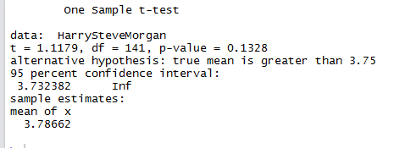

 | Alternate hypothesis - True mean time is greater than 3 min 45 seconds which is 3.75 mins according to the data format. Null hypothesis is the reverse. True mean time is not greater than 3 min 45 seconds. The p value is 0.13 which is not less than 0.05 so we fail to reject the null hypothesis. Also the confidence interval has values from 3.73 to infinity which includes values less than 3.75 ( 3 min 45 seconds)

 |  |  |  |  | 5E

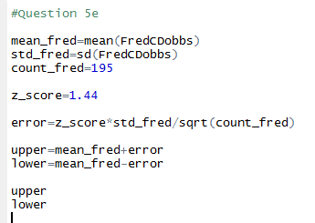

With 85 % confidence interval
Upper | 2.529
Lower | 2.47

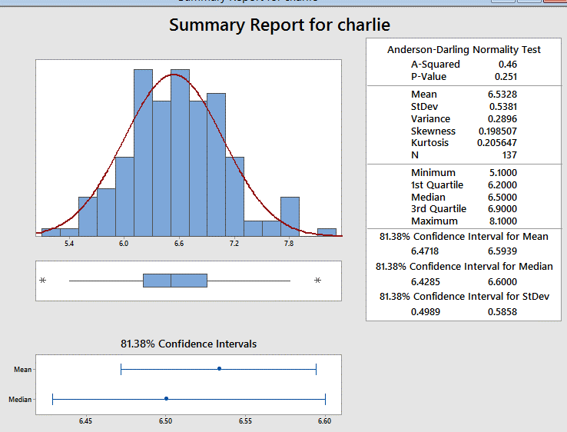
 |  |  |  |  | 5f

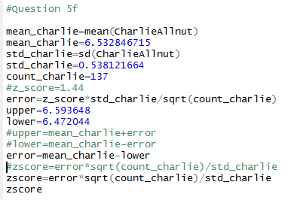

 | From the z score, the confidence interval is found as 81.38 %

 |  |  |  |  | 5g

 | Rick and Charlie

The p value is less than 0.05 and the confidence interval does not include 0 which means the two means are not same with 95% confidence. The null hypothesis that the means are same can be rejected

 |  | Rick and Fred
 |  |  |  |  |  |  | The p value is less than 0.05 and the confidence interval does not include 0 which means the two means are not same with 95% confidence. The null hypothesis that the means are same can be rejected

 |  |  | Rick and Harry

 |  |  |  |  |  |  | The p value is less than 0.05 and the confidence interval does not include 0 which means the two means are not same with 95% confidence. The null hypothesis that the means are same can be rejected

 | Charlie and Fred
 |  |  |  |  |  | The p value is less than 0.05 and the confidence interval does not include 0 which means the two means are not same with 95% confidence. The null hypothesis that the means are same can be rejected

 | Charlie and Harry |  |  |  |  |  | The p value is less than 0.05 and the confidence interval does not include 0 which means the two means are not same with 95% confidence. The null hypothesis that the means are same can be rejected

 | Fred and Harry
 |  |  |  |  |  |  | The p value is less than 0.05 and the confidence interval does not include 0 which means the two means are not same with 95% confidence. The null hypothesis that the means are same can be rejected

 |  |  |  | In each pair of comparison, the mean is not the same according to the hypothesis. The null hypothesis that the mean values are same can be rejected in all cases meaning, they are statistically different

Question 6
 | 6A

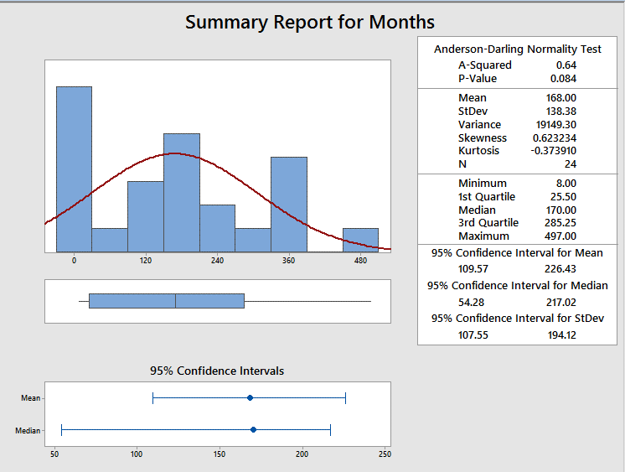

 |  |  |  | The population mean for the prison sentence for both the cateogries combined is 109.57 to 226.43 with a 95 % confidence interval.The data is slightly right skewed. The upper limit of the population mean of the prison statement is 226.43 and the lower limit of the population mean is 109.57 with 95 % confidence

 |  | 6B

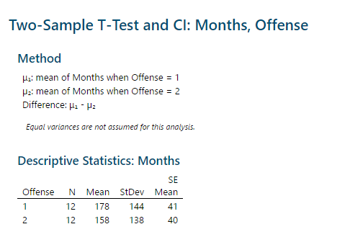
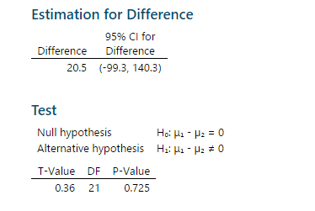

From the two sample t test, its evident that the we fail to reject the null hypothesis. The null hypothesis is that Both means are equal. The p value is 0.725 which means null hypothesis cannot be rejected. Tehre is no enough evidence to suggest that they both are statiscally different. Also the confidence interval contains 0 which means there is a chance that they both are equal

 |  | 6C

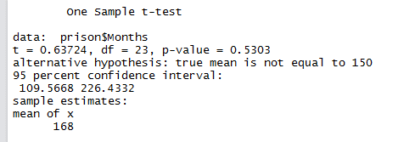

The hypothesis that the population mean is not 150 months does not have enough evidence to be proven. The null hypothesis that the true mean is 150 cannot be rejected since the p value is high and the confidence interval has 150 in between the interval,

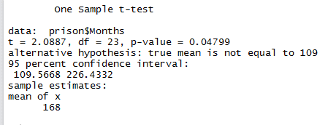
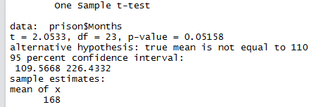

 |  |  | The maximum months that can be tested to reject null hypothesis is 109. For 110, there is no enough evidence.For 109, the null hypothesis can be rejected

Question 7
 | 7

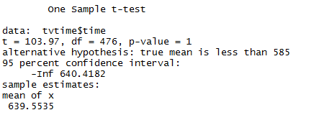

Null hypothesis is "the new time spent is not less than 585 mins which was in 2008". The alternate hypothesis is that the current time is less than the mean in 2008 which is 585. There is no enough evidence to reject the null hypothesis. The p value is 1 which indicates a failure to reject the null hypothesis. Also the confidence interval is from 640 to -infinity. This interval includes 585 and values above 585 which implies that there is no enough evidence to support the claim that the time spent now has declined

