Problem 1
Problem 1

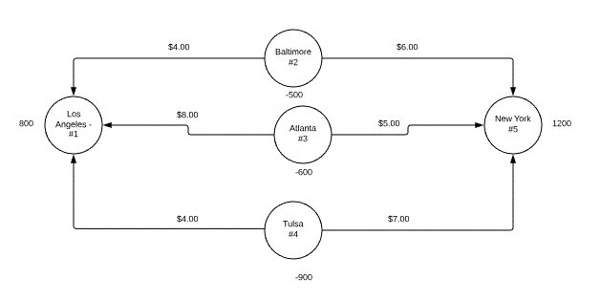

Ship | From |  | To |  | Unit Cost | Node | Location | NetFlow | Supply/Demand
0 | 2 | Baltimore | 1 | Los Angeles | $4 | 1 | Los Angeles | 800 | 800
500 | 2 | Baltimore | 5 | New York | $6 | 2 | Baltimore | -500 | -500
0 | 3 | Atlanta | 1 | Los Angeles | $8 | 3 | Atlanta | -600 | -600
600 | 3 | Atlanta | 5 | New York | $5 | 4 | Tulsa | -900 | -900
800 | 4 | Tulsa | 1 | Los Angeles | $4 | 5 | New York | 1200 | 1200
100 | 4 | Tulsa | 5 | New York | $7

 |  |  |  | Total Cost | $9,900

Problem 1b
Problem 1

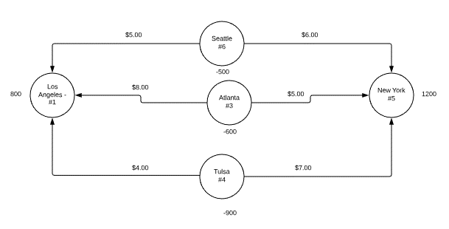

Ship | From |  | To |  | Unit Cost | Node | Location | NetFlow | Supply/Demand
0 | 6 | Seattle | 1 | Los Angeles | $5 | 1 | Los Angeles | 800 | 800
500 | 6 | Seattle | 5 | New York | $6 | 6 | Seattle | -500 | -500
0 | 3 | Atlanta | 1 | Los Angeles | $8 | 3 | Atlanta | -600 | -600
600 | 3 | Atlanta | 5 | New York | $5 | 4 | Tulsa | -900 | -900
800 | 4 | Tulsa | 1 | Los Angeles | $4 | 5 | New York | 1200 | 1200
100 | 4 | Tulsa | 5 | New York | $7

 |  |  |  | Total Cost | $9,900

