Sheet1
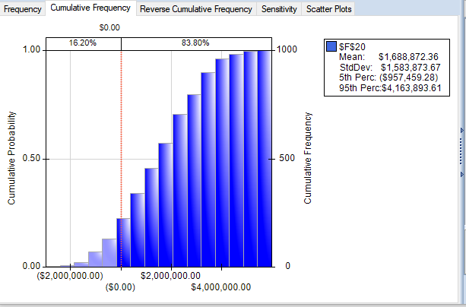
 |  | Min | Most Likely | Max |  | Market Life | 5
 | R & D Cost | $3,000,000 | $4,000,000 | $6,000,000
 | Market Life | 3 |  | 8
 | Units Sold | 50 | 250 | 350
 | Unit price |  | $23,000
 | Cost of manf | $12,000 | $14,000 | $18,000
 | Rate |  | 15%

Year | Market Life | Machines Sold | Cash Out Flow | Cash Inflow | Net Flow
0 |  |  | -3464288.0313 | 0 | ($3,464,288.03)
1 | 1 | 258 | -3627803.4659 | $5,934,000 | $2,306,196.53
2 | 1 | 163 | -2387700.5536 | $3,749,000 | $1,361,299.45
3 | 1 | 306 | -4885557.0783 | $7,038,000 | $2,152,442.92
4 | 1 | 286 | -4163252.9354 | $6,578,000 | $2,414,747.06
5 | 1 | 317 | -3923232.9921 | $7,291,000 | $3,367,767.01
6 | 0 | 0 | 0 | $0 | $0.00
7 | 0 | 0 | 0 | $0 | $0.00
8 | 0 | 0 | 0 | $0 | $0.00

 |  |  |  | NPV | $4,040,719.25
 |  |  |  | Prob of viable | 0.838

