Sample Test Cases
100+ Ready-to-Execute Test Cases (Checklists) You Can Use to Test the Most Common Components of your AUT
By - http://SoftwareTestingHelp.com

Checklist #1: For a module, we have to check the below points

Module Name:
Module Functionality:
Module Impact over the application:
Module Flow:
Menu & Submenu:
Spellings and Order & Suitability:
Control for each sub menu:

Checklist #2: For each screen, we have to verify the below points

Form Functionality:
Form Impact over the application:
Form Flow:
Designing:
Alignments:
Title:
Field Names:
Spellings:
Mandatory Marks:
Alerts of Mandatory fields:
Buttons:
Default Cursor Position:
Tab Sequence:
Page before entering any data:
Page after entering data:

Checklist #3: For each text box in the screen we have to verify the below points

 | ADD(In add screen) | EDIT (in Edit screen)
Characters
Special Characters
Numbers
Limit
Alert
Spelling & Grammar in Alert message:

BVA (Size) for Text Box:

Min --->---> Pass
Min-1 ---> ---> Fail
Min+1 ---> ---> Pass
Max-1 ---> ---> Pass
Max+1 ---> ---> Fail
Max ---> ---> Pass

ECP for Text Box:

Valid | In Valid

Checklist #4: For each list box/drop down in the screen we have to verify the below points

List Box/dropdown:

 | ADD(In add screen) | EDIT (in Edit screen)
Header
Correctness of Existed Data
Order of Data
Selection and Deselect ion
Alert:
Spelling and Grammar of Alert message
Cursor after alert
Reflection of Selection and De selection in remaining fields

Checklist #5: For each Check box in the screen we have to verify the below points

Check Box:

 | ADD(In add screen) | EDIT (in Edit screen)
Default Selection
Action after selection
Action after de-selection
Selection and Deselect ion
Alert:
Spelling and Grammar of Alert message
Cursor after alert
Reflection of Selection and De selection in remaining fields

Checklist #6: For each Radio button in the screen we have to verify the below points

Radio button:

 | ADD(In add screen) | EDIT (in Edit screen)
Default Selection
Action after selection
Action after de-selection
Selection and Deselect ion
Alert:
Spelling and Grammar of Alert message
Cursor after alert
Reflection of Selection and De selection in remaining fields

Checklist #7: For each date field in the screen we have to verify the below points

Date field:

 | ADD(In add screen) | EDIT (in Edit screen)
Default date display
Design of calendar
Navigation for different months and years in date control
Manual Entry in date text box
Date format and uniformity with overall application
Alert:
Spelling and Grammar of Alert message
Cursor after alert
Reflection of Selection and De selection in remaining fields

Checklist #8: For each save button in the screen we have to verify the below points

Save/update:

 | ADD(In add screen) | EDIT (in Edit screen)
Without giving any data:
With only mandatory fields:
With All fields:
With Max limit:
With min limit
Spelling & Grammar in Confirmation Alert message:
Cursor
Duplication of Unique fields:
Spelling & Grammar in duplication Alert message:
Cursor

Checklist #9: For each Cancel button in the screen we have to verify the below points

Cancel:

With data in all fields
With only mandatory fields:
With All fields:

Checklist #10: For each Delete button in the screen we have to verify the below points

Delete:

 | EDIT (in Edit screen)
Delete the record which is not used anywhere in the application
Delete the record which has dependency
Add the new record with same deleted details again

Checklist #11: To verify impacted areas after saving/updating

After Saving/updating:

Display in View
Reflection in impacted forms in the application

Checklist #12: For each data grid in the screen we have to verify the below points

Data Grid:

Grid Title and spelling
Form Before giving any data
Message Before giving any data
Spellings
Alignments
S No
Field Names & Order
Correctness of Existed data
Order of Existed data
Alignment of Existed data
Page navigators
Data when navigating with different pages

Edit Link Functionality

Page after Edit:
Title and spellings
Existed data of Selected record in each field
Buttons

Checklist 13 : Usability Testing
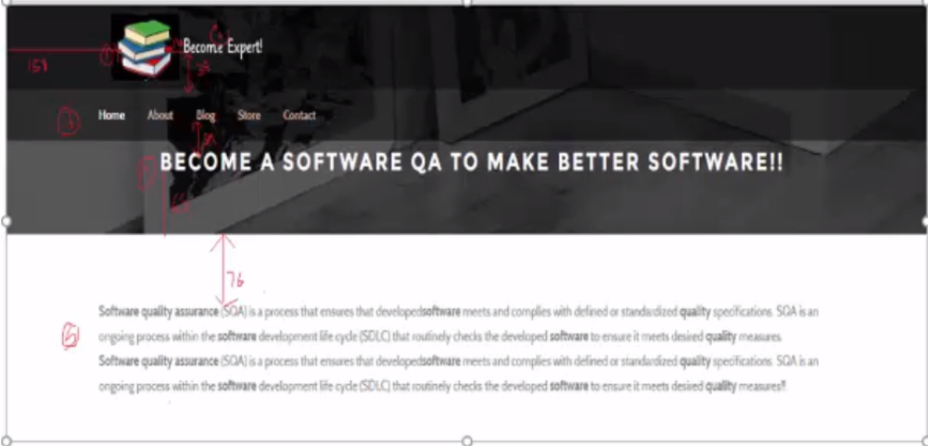

Logo: logo displays on all navigation pages clicking on logo takes users to homepage
Navi Color : Mouse hoveover#fffff; Static: #2b2b2b
Becom Expert: fonttype:xxx;size : xxx; color:xffff;
Header Text fontfamily: Montserrat; bold, uppercase, centeralignment.
text below header: distance from upframe=36px; left aligned . Max = 10 lines

