Sheet 1
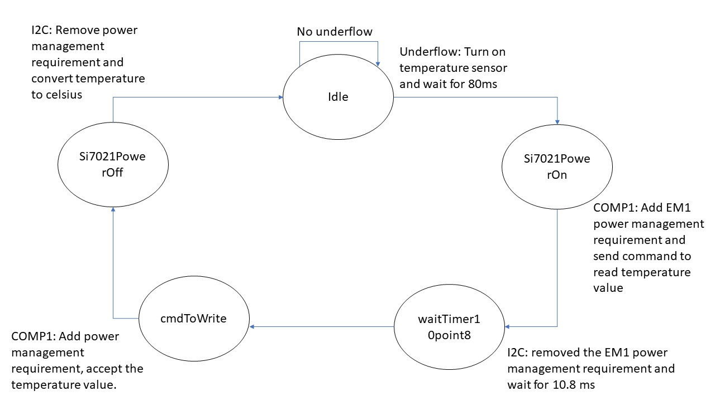
A5 Command Table
 | Event | Description | Values to save | Commands to call in response to event | Command description | Values to save
Events Common to Slaves/Clients
 | sl_bt_evt_system_boot_id | This event indicates the device has started and the radio is ready. Do not call any stack API commands before receiving this boot event, including starting BT stack soft timers! |  | sl_bt_system_get_identity_address() | Returns the unique BT device address | bd_addr
 |  |  |  | sl_bt_advertiser_create_set() | Creates an advertising set to use when the slave device wants to advertise its presence
 |  |  |  | sl_bt_advertiser_set_timing() | Sets the timing to transmit advertising packets
 |  |  |  | sl_bt_advertiser_start() | Tells the device to start sending advertising packets

 | sl_bt_evt_connection_opened_id | This event indicates that a new connection was opened. | Connection handle. May want to maintain a flag that tracks whether a connection is open or closed. | sl_bt_advertiser_stop() | Stop advertising
 |  |  |  | sl_bt_connection_set_parameters() | Send a request with a set of parameters to the master

 | sl_bt_evt_connection_closed_id | This event indicates that a connection was closed. | May want to maintain a flag that tracks whether a connection is open or closed. | sl_bt_advertiser_start() | Tells the device to start sending advertising packets

 | sl_bt_evt_connection_parameters_id | Informational. Triggered whenever the connection parameters are changed and at any time a connection is established |  |  | Tells the parameters values during the execution

 | sl_bt_evt_system_external_signal_id | This event indicates that sl_bt_external_signal(myEvent) was called and returns the myEvent value |  |  | Very useful while moving through the state machine

Events only for Slaves/Servers
 | sl_bt_evt_gatt_server_characteristic_status_id | Indicates either that a local Client Characteristic Configuration descriptor (CCCD) was changed by the remote GATT client, or that a confirmation from the remote GATT client was received upon a successful reception of the indication | Track whether indications are enabled/disabled for each and every characteristic. Track whether an indication is in flight or not. |  | When in the app, indicate option is selected, it will show the temperature, else it should not display

 | sl_bt_evt_gatt_server_indication_timeout_id | Possible event from calling sl_bt_gatt_server_send_indication() - i.e. we never received a confirmation for a previously transmitted indication. | Track whether an indication is in flight or not.

