Sheet1
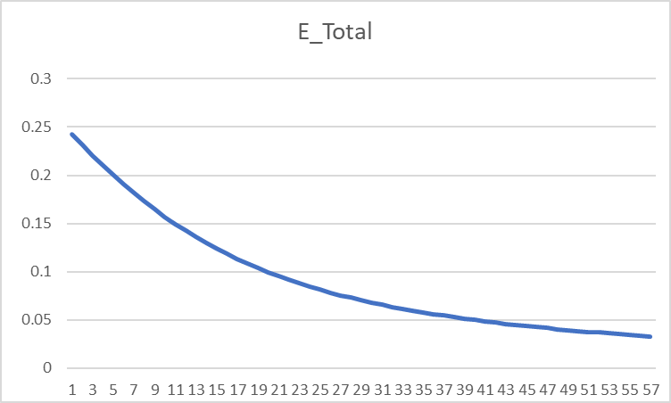
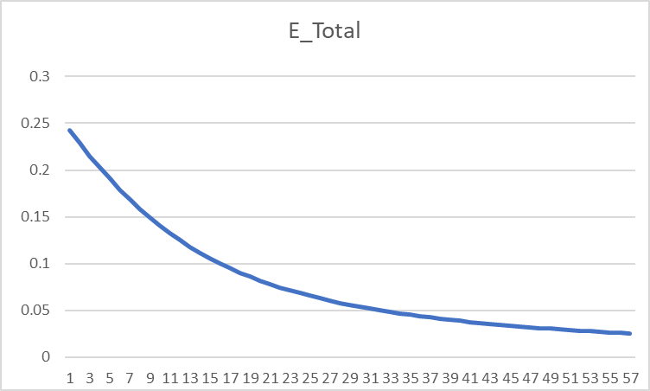
i1
h1
a_h1
o1
a_o1
w1
w5
w2
 |  |  |  |  |  |  |  |  |  |  |  |  |  |  |  |  | Forward Propagation
 |  |  |  |  |  |  |  |  |  |  |  |  |  |  |  |  | h1 = i1 * w1 + i2 * w2 |  |  |  | o1 = a_h1 * w5 + a_h2 * w6 |  |  |  | E1 = 1/2 * (t1 - a_01)^2
 |  |  |  |  |  |  |  |  |  |  |  |  |  |  |  |  | h2 = i1 * w3 + i2 * w4 |  |  |  | o2 = a_h1 * w6 + a_h2 * w8
E1
E_t
 |  |  |  |  |  |  |  |  |  |  |  |  |  |  |  |  | Using Sigmoid activation function
w6
 |  |  |  |  |  |  |  |  |  |  |  |  |  |  |  |  | a_h1 = 1/( 1 + exp(-h1)) |  |  |  | a_01 = 1 /(1 + exp(-o1)) |  |  |  | E2 = 1/2* (t2 - a_02)^2
 |  |  |  |  |  |  |  |  |  |  |  |  |  |  |  |  | a_h2 = 1/( 1 + exp(-h2)) |  |  |  | a_02 = 1/(1 + exp(-o2))

w3
w7
o2
E2
i2
h2
a_h2
a_o2
w4
w8

 |  | Backward Propagation
 |  | ∂E_t/∂w1 = ∂(E1 + E2)/∂w1 = ∂E1/∂w1 + ∂E2/∂w1 |  |  |  |  |  |  |  |  |  |  |  | ∂E_t/∂w5 = ∂(E1 + E2)/∂w5 = ∂E1/∂w5 = ∂E1/∂a_01 * ∂a_01/∂o1 * ∂o1/∂w5
 |  |  |  | (∂E1/∂a_h1 + ∂E2/∂a_h1)* ∂a_h1/∂h1 * ∂h1/∂a_w1 |  |  |  |  |  |  |  |  |  | ∂E1/∂a_01 = 2*1/2 *(t1-a_01)*-1 = a_01 - t1
 |  | ∂E1/∂a_h1 = ∂E1/∂a_01 * ∂a_01/∂o1 * ∂o1/∂a_h1 |  |  |  |  |  |  |  |  |  |  |  | ∂a_01/∂o1 = σ(o1) (1- σ(o1)) = a_o1 * (1 - a_o1)
 |  |  |  | (a_01 - t1) * a_o1 * (1 - a_o1) * w5 |  |  |  |  |  |  |  |  |  | ∂o1/∂w5 = a_h1
 |  | ∂E2/∂a_h1 = (a_02 - t2) * a_o2 * (1 - a_o2) * w7 |  |  |  |  |  |  |  |  |  |  |  | ∂E_t/∂w5 = (a_01 - t1) * a_o1 * (1 - a_o1) * a_h1
 |  | ∂a_h1/∂h1 = a_h1 * (1 - a_h1) |  |  |  |  |  |  |  |  |  |  |  | ∂E_t/∂w6 = (a_01 - t1) * a_o1 * (1 - a_o1) * a_h2
 |  | ∂h1/∂a_w1 = i1 |  |  |  |  |  |  |  |  |  |  |  | ∂E_t/∂w7 = (a_02 - t2) * a_o2 * (1 - a_o2) * a_h1
 |  | ∂E_t/∂w1 = ((a_01 - t1) * a_o1 * (1 - a_o1) * w5 + (a_02 - t2) * a_o2 * (1 - a_o2) * w7) * a_h1 * (1 - a_h1) * i1 |  |  |  |  |  |  |  |  |  |  |  | ∂E_t/∂w8 = (a_02 - t2) * a_o2 * (1 - a_o2) * a_h2
 |  | ∂E_t/∂w2 = ((a_01 - t1) * a_o1 * (1 - a_o1) * w5 + (a_02 - t2) * a_o2 * (1 - a_o2) * w7) * a_h1 * (1 - a_h1) * i2
 |  | ∂E_t/∂w3 = ((a_01 - t1) * a_o1 * (1 - a_o1) * w6 + (a_02 - t2) * a_o2 * (1 - a_o2) * w8) * a_h2 * (1 - a_h2) * i1
 |  | ∂E_t/∂w4 = ((a_01 - t1) * a_o1 * (1 - a_o1) * w6 + (a_02 - t2) * a_o2 * (1 - a_o2) * w8) * a_h2 * (1 - a_h2) * i2
 |  |  |  |  |  |  |  |  | Learning rate |  | 2
A | B | C | D | E | F | G | H | I | J | K | L | M | N | O | P | Q | R | S | T | U | V | W | X | Y | Z | AA | AB | AC | AD | AE
t1 | t2 | i1 | i2 | w1 | w2 | w3 | w4 | h1 | a_h1 | h2 | a_h2 | w5 | w6 | w7 | w8 | o1 | a_o1 | o2 | a_o2 | E1 | E2 | E_Total | ∂E/∂w1 | ∂E/∂w2 | ∂E/∂w3 | ∂E/∂w4 | ∂E/∂w5 | ∂E/∂w6 | ∂E/∂w7 | ∂E/∂w8
0.01 | 0.99 | 0.05 | 0.1 | 0.15 | 0.2 | 0.25 | 0.3 | 0.0275 | 0.50687456676 | 0.0425 | 0.510623401 | 0.4 | 0.45 | 0.5 | 0.55 | 0.43253035716 | 0.60647773221 | 0.53428015393 | 0.63048083545 | 0.17789284251 | 0.064627014839 | 0.24251985735 | 0.00018825566694 | 0.00037651133388 | 0.00022481346258 | 0.00044962692515 | 0.072157072912 | 0.072690745192 | -0.042455250093 | -0.04276924828
0.01 | 0.99 | 0.05 | 0.1 | 0.14962348867 | 0.19924697733 | 0.24955037307 | 0.29910074615 | 0.027405872167 | 0.50685103924 | 0.042387593269 | 0.51059531197 | 0.25568585418 | 0.30461850962 | 0.58491050019 | 0.63553849656 | 0.28513142386 | 0.57080380931 | 0.6209654718 | 0.6504380982 | 0.15725045627 | 0.057651142576 | 0.21490159884 | -0.00012534929284 | -0.00025069858569 | -9.0156474976E-05 | -0.00018031294995 | 0.069636032253 | 0.07015045617 | -0.039131758387 | -0.039420837356
0.01 | 0.99 | 0.05 | 0.1 | 0.14987418725 | 0.1997483745 | 0.24973068602 | 0.29946137205 | 0.027468546813 | 0.50686670495 | 0.042432671506 | 0.51060657647 | 0.11641378967 | 0.16431759728 | 0.66317401696 | 0.71438017127 | 0.14290791978 | 0.5356663005 | 0.70090804234 | 0.66838906609 | 0.13816252974 | 0.051716796406 | 0.18987932614 | -0.00040058074686 | -0.00080116149371 | -0.00036782612037 | -0.00073565224075 | 0.066271748591 | 0.066760728874 | -0.036131230137 | -0.036397821248
0.01 | 0.99 | 0.05 | 0.1 | 0.15067534875 | 0.20135069749 | 0.25046633827 | 0.30093267653 | 0.027668837186 | 0.50691676803 | 0.042616584566 | 0.51065253395 | -0.016129707512 | 0.030796139528 | 0.73543647723 | 0.78717581377 | 0.0075497074845 | 0.50188741791 | 0.7747784061 | 0.6845536513 | 0.12097661595 | 0.046648735966 | 0.16762535191 | -0.00063102224322 | -0.0012620444864 | -0.00060139680313 | -0.0012027936063 | 0.062335606774 | 0.062794994291 | -0.033435251265 | -0.033681655172
0.01 | 0.99 | 0.05 | 0.1 | 0.15193739323 | 0.20387478646 | 0.25166913187 | 0.30333826374 | 0.027984348308 | 0.50699563055 | 0.042917282968 | 0.51072767419 | -0.14080092106 | -0.094793849053 | 0.80230697976 | 0.85453912411 | -0.11979929381 | 0.47008594488 | 0.84320291246 | 0.69913935728 | 0.10583953834 | 0.042299956742 | 0.14813949508 | -0.0008151257175 | -0.001630251435 | -0.00078895616814 | -0.0015779123363 | 0.05810665666 | 0.058534385354 | -0.03101832241 | -0.031246651267
0.01 | 0.99 | 0.05 | 0.1 | 0.15356764467 | 0.20713528933 | 0.25324704421 | 0.30649408842 | 0.028391911167 | 0.50709750102 | 0.043311761052 | 0.51082624789 | -0.25701423438 | -0.21186261976 | 0.86434362458 | 0.91703242665 | -0.2385562631 | 0.44064216761 | 0.90675072575 | 0.71233480083 | 0.092726338262 | 0.038548981415 | 0.13127531968 | -0.00095554850241 | -0.0019110970048 | -0.00093287002991 | -0.0018657400598 | 0.053824970662 | 0.054220751928 | -0.028852563756 | -0.029064720012
0.01 | 0.99 | 0.05 | 0.1 | 0.15547874167 | 0.21095748334 | 0.25511278427 | 0.31022556854 | 0.028869685418 | 0.50721692011 | 0.043778196067 | 0.51094280139 | -0.3646641757 | -0.32030412362 | 0.92204875209 | 0.97516186667 | -0.34862092629 | 0.41371688276 | 0.96593066419 | 0.72430765024 | 0.081493660714 | 0.03529621236 | 0.11678987307 | -0.0010576370845 | -0.002115274169 | -0.0010382851925 | -0.002076570385 | 0.049668526479 | 0.050033378332 | -0.026910425798 | -0.027108102665
0.01 | 0.99 | 0.05 | 0.1 | 0.15759401584 | 0.21518803168 | 0.25718935465 | 0.31437870931 | 0.02939850396 | 0.5073490967 | 0.044297338663 | 0.51107252413 | -0.46400122866 | -0.42037088028 | 0.97586960369 | 1.029378072 | -0.45025061108 | 0.38930118267 | 1.0211934115 | 0.73520499636 | 0.071934693588 | 0.032460246941 | 0.10439494053 | -0.0011278631578 | -0.0022557263155 | -0.0011115580283 | -0.0022231160565 | 0.045751347566 | 0.046087116021 | -0.025166106783 | -0.025350800465
0.01 | 0.99 | 0.05 | 0.1 | 0.15984974216 | 0.21969948431 | 0.25941247071 | 0.31882494142 | 0.029962435539 | 0.50749004855 | 0.044853117677 | 0.51121139989 | -0.55550392379 | -0.51254511232 | 1.0262018173 | 1.0800796729 | -0.54393161763 | 0.36727346271 | 1.0729362516 | 0.74515490855 | 0.063822163577 | 0.029974559404 | 0.093796722981 | -0.0011726689939 | -0.0023453379879 | -0.0011590799263 | -0.0023181598525 | 0.042134116231 | 0.04244307963 | -0.023596183894 | -0.023769211308
0.01 | 0.99 | 0.05 | 0.1 | 0.16219508014 | 0.22439016029 | 0.26173063056 | 0.32346126112 | 0.030548770036 | 0.50763659863 | 0.04543265764 | 0.51135621109 | -0.63977215626 | -0.59743127158 | 1.073394185 | 1.1276180955 | -0.63027195272 | 0.34744887591 | 1.12150869 | 0.7542684557 | 0.056935871927 | 0.027784680489 | 0.084720552415 | -0.0011978136922 | -0.0023956273844 | -0.0011866019913 | -0.0023732039827 | 0.038838850196 | 0.039123434625 | -0.022179792673 | -0.022342310965
0.01 | 0.99 | 0.05 | 0.1 | 0.16459070753 | 0.22918141506 | 0.26410383454 | 0.32820766909 | 0.031147676882 | 0.50778628972 | 0.046025958636 | 0.51150445882 | -0.71744985665 | -0.67567814083 | 1.1177537704 | 1.1723027175 | -0.70992358253 | 0.32961572588 | 1.167218107 | 0.76264180744 | 0.051077106114 | 0.025845873862 | 0.076922979976 | -0.0012081141806 | -0.0024162283613 | -0.0011989582886 | -0.0023979165773 | 0.035862523999 | 0.03612512055 | -0.020898562498 | -0.02105158827
0.01 | 0.99 | 0.05 | 0.1 | 0.16700693589 | 0.23401387178 | 0.26650175112 | 0.33300350224 | 0.031751733972 | 0.50793726666 | 0.04662543778 | 0.51165424823 | -0.78917490465 | -0.74792838193 | 1.1595508954 | 1.214405894 | -0.78353207797 | 0.31355914211 | 1.2103350471 | 0.7703582264 | 0.046074076378 | 0.024121254355 | 0.070195330733 | -0.0012074291103 | -0.0024148582205 | -0.0012000371719 | -0.0024000743438 | 0.033187610722 | 0.033430470904 | -0.019736431725 | -0.019880858917
0.01 | 0.99 | 0.05 | 0.1 | 0.16942179411 | 0.23884358822 | 0.26890182547 | 0.33780365093 | 0.032355448528 | 0.50808815654 | 0.047225456366 | 0.51180417033 | -0.85555012609 | -0.81478932374 | 1.1990237588 | 1.2541676118 | -0.85170746022 | 0.29907480149 | 1.2510979853 | 0.77748986982 | 0.041782120427 | 0.022580277716 | 0.064362398143 | -0.001198762355 | -0.00239752471 | -0.0011928768021 | -0.0023857536043 | 0.030789370112 | 0.0310145549 | -0.018679413499 | -0.018816029472
0.01 | 0.99 | 0.05 | 0.1 | 0.17181931882 | 0.24363863764 | 0.27128757907 | 0.34257515814 | 0.032954829705 | 0.50823796189 | 0.047821894768 | 0.51195319576 | -0.91712886631 | -0.87681843354 | 1.2363825858 | 1.2917996708 | -0.91500970496 | 0.28597579153 | 1.2897175353 | 0.78409937526 | 0.038081318755 | 0.021197533635 | 0.059278852389 | -0.0011844079628 | -0.0023688159256 | -0.0011798054896 | -0.0023596109793 | 0.028640480217 | 0.028849842937 | -0.017715351424 | -0.017844851144
0.01 | 0.99 | 0.05 | 0.1 | 0.17418813475 | 0.24837626949 | 0.27364719005 | 0.3472943801 | 0.033547033687 | 0.50838597197 | 0.048411797512 | 0.51210058612 | -0.97440982675 | -0.93451811941 | 1.2718132887 | 1.3274893731 | -0.97394356356 | 0.27409516456 | 1.326380121 | 0.79024123395 | 0.034873127972 | 0.019951782307 | 0.054824910279 | -0.0011660951611 | -0.0023321903221 | -0.0011625843145 | -0.002325168629 | 0.026713763169 | 0.026908952116 | -0.016833685596 | -0.016956683967
0.01 | 0.99 | 0.05 | 0.1 | 0.17652032507 | 0.25304065014 | 0.27597235868 | 0.35194471736 | 0.034130081267 | 0.50853169215 | 0.04899308967 | 0.51224582302 | -1.0278373531 | -0.98833602365 | 1.3054806599 | 1.361402741 | -1.0289588683 | 0.26328599905 | 1.3612511566 | 0.79596296819 | 0.032076898657 | 0.018825184856 | 0.050902083513 | -0.0011451154651 | -0.0022902309302 | -0.0011425332075 | -0.002285066415 | 0.02498365051 | 0.025166122024 | -0.016025238666 | -0.016142281192
0.01 | 0.99 | 0.05 | 0.1 | 0.178810556 | 0.257621112 | 0.27825742509 | 0.35651485019 | 0.034702639 | 0.5086747892 | 0.049564356273 | 0.512388553 | -1.0778046541 | -1.0386682677 | 1.3375311372 | 1.3936873034 | -1.080453786 | 0.25342015149 | 1.39447779 | 0.80130613473 | 0.029626685075 | 0.017802687395 | 0.04742937247 | -0.0011224267387 | -0.0022448534773 | -0.0011206347536 | -0.0022412695072 | 0.023426863751 | 0.023597900021 | -0.01528202552 | -0.015393597461
0.01 | 0.99 | 0.05 | 0.1 | 0.18105540948 | 0.26211081895 | 0.2804986946 | 0.3609973892 | 0.035263852369 | 0.50881504962 | 0.05012467365 | 0.51252854538 | -1.1246583816 | -1.0858640677 | 1.3680951882 | 1.4244744983 | -1.1287794414 | 0.24438642101 | 1.4261912636 | 0.80630717675 | 0.027468497177 | 0.016871526656 | 0.044340023833 | -0.0010987351008 | -0.0021974702016 | -0.001097616247 | -0.002195232494 | 0.022022631966 | 0.022183360212 | -0.014597086855 | -0.014703621086
0.01 | 0.99 | 0.05 | 0.1 | 0.18325287968 | 0.26650575935 | 0.28269392709 | 0.36538785419 | 0.035813219919 | 0.50895234815 | 0.050673481774 | 0.51266566032 | -1.1687036455 | -1.1302307882 | 1.397289362 | 1.4538817405 | -1.174244978 | 0.23608854184 | 1.4565089443 | 0.81099814613 | 0.025558014377 | 0.016020831845 | 0.041578846222 | -0.0010745578923 | -0.0021491157846 | -0.0010740129927 | -0.0021480259853 | 0.02075265228 | 0.020904063461 | -0.013964345224 | -0.014066228972
0.01 | 0.99 | 0.05 | 0.1 | 0.18540199546 | 0.27080399092 | 0.28484195308 | 0.36968390616 | 0.036350498865 | 0.50908662418 | 0.05121048827 | 0.51279982488 | -1.2102089501 | -1.1720389151 | 1.4252180524 | 1.4820141984 | -1.2171225394 | 0.22844322658 | 1.4855360684 | 0.81540731532 | 0.023858721619 | 0.015241302772 | 0.039100024391 | -0.0010502713992 | -0.0021005427984 | -0.0010502164303 | -0.0021004328606 | 0.019600919411 | 0.019743885548 | -0.013378481396 | -0.013476062013
0.01 | 0.99 | 0.05 | 0.1 | 0.18750253826 | 0.27500507652 | 0.28694238594 | 0.37388477188 | 0.036875634565 | 0.50921786412 | 0.051735596485 | 0.51293101502 | -1.2494107889 | -1.2115266862 | 1.4519750152 | 1.5089663225 | -1.2576519062 | 0.22137836831 | 1.5133672434 | 0.81955969611 | 0.022340407295 | 0.014524948595 | 0.036865355889 | -0.0010261467238 | -0.0020522934476 | -0.001026510406 | -0.0020530208119 | 0.01855349875 | 0.018688788467 | -0.012834828601 | -0.012928418513
0.01 | 0.99 | 0.05 | 0.1 | 0.18955483171 | 0.27910966342 | 0.28899540675 | 0.3779908135 | 0.037388707927 | 0.50934608825 | 0.052248851688 | 0.51305924214 | -1.2865177864 | -1.2489042631 | 1.4776446724 | 1.5348231595 | -1.2960446767 | 0.21483144396 | 1.5400877407 | 0.82347747978 | 0.020977960218 | 0.01386487487 | 0.034842835088 | -0.0010023766257 | -0.0020047532515 | -0.0010030983831 | -0.0020061967662 | 0.017598285058 | 0.017726577278 | -0.012329282288 | -0.012419163262
0.01 | 0.99 | 0.05 | 0.1 | 0.19155958496 | 0.28311916992 | 0.29100160352 | 0.38200320704 | 0.03788989624 | 0.50947134096 | 0.05275040088 | 0.51318454308 | -1.3217143565 | -1.2843574177 | 1.502303237 | 1.559661486 | -1.3324879601 | 0.20874812522 | 1.5657746117 | 0.82718041122 | 0.019750408639 | 0.013255109245 | 0.033005517884 | -0.00097909556602 | -0.001958191132 | -0.00098012381335 | -0.0019602476267 | 0.01672476928 | 0.016846665143 | -0.011858223212 | -0.011944650016
0.01 | 0.99 | 0.05 | 0.1 | 0.19351777609 | 0.28703555218 | 0.29296185115 | 0.38592370229 | 0.038379444023 | 0.50959368342 | 0.053240462786 | 0.51330697258 | -1.3551638951 | -1.318050748 | 1.5260196834 | 1.583550786 | -1.3671476001 | 0.20308108548 | 1.5904976513 | 0.8306861076 | 0.018640152786 | 0.012690458155 | 0.031330610941 | -0.0009563946692 | -0.0019127893384 | -0.00095768537977 | -0.0019153707595 | 0.01592382436 | 0.016039857518 | -0.01141845188 | -0.011501655449
0.01 | 0.99 | 0.05 | 0.1 | 0.19543056543 | 0.29086113086 | 0.2948772219 | 0.38975444381 | 0.038857641357 | 0.5097131882 | 0.053719305476 | 0.51342659769 | -1.3870115438 | -1.350130463 | 1.5488565872 | 1.6065540969 | -1.4001709661 | 0.1977889831 | 1.6143202331 | 0.83401033031 | 0.017632351087 | 0.012166388525 | 0.029798739613 | -0.00093433289869 | -0.0018686657974 | -0.00093584840987 | -0.0018716968197 | 0.015187514316 | 0.015298159795 | -0.011007132635 | -0.011087322812
0.01 | 0.99 | 0.05 | 0.1 | 0.19729923123 | 0.29459846245 | 0.29674891872 | 0.39349783745 | 0.039324807807 | 0.5098299352 | 0.054187229681 | 0.51354349365 | -1.4173865724 | -1.3807267826 | 1.5708708524 | 1.6287287426 | -1.4316893601 | 0.19283559883 | 1.6373000336 | 0.83716721765 | 0.016714428099 | 0.011678929681 | 0.02839335778 | -0.00091294541335 | -0.0018258908267 | -0.00091465343141 | -0.0018293068628 | 0.01450892718 | 0.014614608988 | -0.01062174593 | -0.010699113835
0.01 | 0.99 | 0.05 | 0.1 | 0.19912512205 | 0.29825024411 | 0.29857822559 | 0.39715645117 | 0.039781280513 | 0.50994400876 | 0.054644556397 | 0.51365774074 | -1.4464044268 | -1.4099560006 | 1.5921143443 | 1.6501269702 | -1.4618200855 | 0.18818910572 | 1.6594896626 | 0.84016948443 | 0.015875678698 | 0.011224591697 | 0.027100270396 | -0.00089224982503 | -0.0017844996501 | -0.00089412259558 | -0.0017882451912 | 0.013882030542 | 0.013983128191 | -0.010260047505 | -0.010334767603
0.01 | 0.99 | 0.05 | 0.1 | 0.2009096217 | 0.30181924341 | 0.30036647078 | 0.40073294156 | 0.040227405426 | 0.51005549537 | 0.055091617695 | 0.51376942198 | -1.4741684879 | -1.4379222569 | 1.6126344393 | 1.6707965054 | -1.4906682252 | 0.18382145166 | 1.6809372126 | 0.84302859364 | 0.015106948529 | 0.010800297144 | 0.025907245674 | -0.00087225089062 | -0.0017445017812 | -0.00087426450651 | -0.001748529013 | 0.013301547545 | 0.013398401655 | -0.009920033424 | -0.0099922653213
0.01 | 0.99 | 0.05 | 0.1 | 0.20265412349 | 0.30530824697 | 0.30211499979 | 0.40422999958 | 0.040663530871 | 0.51016448216 | 0.055528749948 | 0.51387862151 | -1.500771583 | -1.4647190602 | 1.6324745061 | 1.6907810361 | -1.518328169 | 0.17970783695 | 1.7016867392 | 0.84575490437 | 0.014400374962 | 0.010403323806 | 0.024803698768 | -0.00085294403437 | -0.0017058880687 | -0.00085507785734 | -0.0017101557147 | 0.012762850936 | 0.012855768041 | -0.0095999100662 | -0.0096698000821
0.01 | 0.99 | 0.05 | 0.1 | 0.20436001155 | 0.30872002311 | 0.30382515551 | 0.40765031101 | 0.041090002888 | 0.51027105564 | 0.055956288877 | 0.51398542326 | -1.5262972849 | -1.4904305963 | 1.6516743263 | 1.7101206363 | -1.5448849276 | 0.17582627176 | 1.7217786811 | 0.84835779986 | 0.013749176203 | 0.010031256431 | 0.023780432634 | -0.00083431799405 | -0.0016686359881 | -0.00083655417041 | -0.0016731083408 | 0.012261872755 | 0.012351129441 | -0.0092980683083 | -0.0093657508537
0.01 | 0.99 | 0.05 | 0.1 | 0.20602864754 | 0.31205729508 | 0.30549826385 | 0.41099652769 | 0.041507161886 | 0.51037530093 | 0.056374565962 | 0.5140899101 | -1.5508210304 | -1.5151328552 | 1.6702704629 | 1.728852138 | -1.5704152634 | 0.17215720071 | 1.7412502303 | 0.85084579834 | 0.013147478871 | 0.0096819459205 | 0.022829424792 | -0.00081635680904 | -0.0016327136181 | -0.00081867986329 | -0.0016373597266 | 0.01179502744 | 0.011880873908 | -0.009013061274 | -0.0090786600599
0.01 | 0.99 | 0.05 | 0.1 | 0.20766136116 | 0.31532272232 | 0.30713562357 | 0.41427124715 | 0.04191534029 | 0.51047730116 | 0.056783905893 | 0.51419216323 | -1.5744110852 | -1.538894603 | 1.6882965854 | 1.7470094581 | -1.5949886666 | 0.16868318366 | 1.7601356569 | 0.85322664946 | 0.012590176389 | 0.0093534747096 | 0.021943651098 | -0.00079904131319 | -0.0015980826264 | -0.00080143780612 | -0.0016028756122 | 0.011359146365 | 0.011441809516 | -0.0087435851055 | -0.0088072142083
0.01 | 0.99 | 0.05 | 0.1 | 0.20925944379 | 0.31851888757 | 0.30873849919 | 0.41747699837 | 0.042314860947 | 0.51057713704 | 0.057184624796 | 0.51429226167 | -1.597129378 | -1.5617782221 | 1.7057837556 | 1.7646238865 | -1.6186681994 | 0.16538862368 | 1.778466596 | 0.85550741829 | 0.012072812185 | 0.0090441272681 | 0.021116939453 | -0.00078235025376 | -0.0015647005075 | -0.00078480849418 | -0.0015696169884 | 0.010951422071 | 0.011031108165 | -0.0084884623122 | -0.0085502271134
0.01 | 0.99 | 0.05 | 0.1 | 0.21082414429 | 0.32164828859 | 0.31030811617 | 0.42061623235 | 0.042706036074 | 0.51067488666 | 0.057577029044 | 0.51439028203 | -1.6190322221 | -1.5838404384 | 1.7227606803 | 1.7817243407 | -1.6415112263 | 0.16225953464 | 1.7962723013 | 0.85769455869 | 0.011591482945 | 0.0087523648999 | 0.020343847845 | -0.0007662611278 | -0.0015325222556 | -0.00076877092876 | -0.0015375418575 | 0.010569360694 | 0.010646257668 | -0.0082466273156 | -0.0083066253334
0.01 | 0.99 | 0.05 | 0.1 | 0.21235666655 | 0.3247133331 | 0.31184565803 | 0.42369131606 | 0.043089166637 | 0.51077062525 | 0.057961414508 | 0.51448629826 | -1.6401709435 | -1.6051329537 | 1.7392539349 | 1.7983375914 | -1.6635700499 | 0.15928334214 | 1.8135798702 | 0.85979397761 | 0.01114275812 | 0.0084768041338 | 0.019619562254 | -0.00075075080425 | -0.0015015016085 | -0.00075330327638 | -0.0015066065528 | 0.010210741332 | 0.010285020811 | -0.0080171138729 | -0.0080754354995
0.01 | 0.99 | 0.05 | 0.1 | 0.21385816816 | 0.32771633632 | 0.31335226458 | 0.42670452917 | 0.04346454204 | 0.51086442517 | 0.058338066146 | 0.51458038162 | -1.6605924262 | -1.6257029953 | 1.7552881627 | 1.8144884624 | -1.684892463 | 0.15644871247 | 1.8304144436 | 0.86181109145 | 0.010723612691 | 0.008216198137 | 0.018939810828 | -0.00073579598363 | -0.0014715919673 | -0.00073838335949 | -0.001476766719 | 0.0098735812607 | 0.0099454003112 | -0.0077990441084 | -0.0078557732655
0.01 | 0.99 | 0.05 | 0.1 | 0.21532976013 | 0.33065952025 | 0.3148290313 | 0.42965806261 | 0.043832440031 | 0.51095635588 | 0.058707257826 | 0.51467260055 | -1.6803395887 | -1.645593796 | 1.7708862509 | 1.8302000089 | -1.7055222313 | 0.15374540535 | 1.8467993835 | 0.86375087582 | 0.01033137078 | 0.0079694206786 | 0.018300791458 | -0.00072137353422 | -0.0014427470684 | -0.00072398901866 | -0.0014479780373 | 0.0095561061033 | 0.0096256087684 | -0.007591618926 | -0.0076468336486
0.01 | 0.99 | 0.05 | 0.1 | 0.21677250719 | 0.33354501439 | 0.31627700934 | 0.43255401868 | 0.044193126798 | 0.51104648391 | 0.059069252335 | 0.51476302077 | -1.6994518009 | -1.6648450135 | 1.7860694887 | 1.8454936762 | -1.7254995157 | 0.15116414671 | 1.8627564318 | 0.86561790923 | 0.0099636581581 | 0.0077354522524 | 0.017699110411 | -0.00070746073465 | -0.0014149214693 | -0.00071009837692 | -0.0014201967538 | 0.0092567241918 | 0.0093240428364 | -0.0073941096103 | -0.0074478825679
0.01 | 0.99 | 0.05 | 0.1 | 0.21818742866 | 0.33637485733 | 0.31769720609 | 0.43539441219 | 0.044546857166 | 0.51113487299 | 0.059424301524 | 0.51485170522 | -1.7179652493 | -1.6834930992 | 1.8008577079 | 1.8603894414 | -1.7448612423 | 0.14869651849 | 1.8783058521 | 0.86741641192 | 0.0096183621202 | 0.0075133680334 | 0.017131730154 | -0.00069403544517 | -0.0013880708903 | -0.00069669002941 | -0.0013933800588 | 0.008974004477 | 0.0090392609695 | -0.0072058504512 | -0.0072582494139
0.01 | 0.99 | 0.05 | 0.1 | 0.21957549955 | 0.33915099911 | 0.31909058615 | 0.43818117231 | 0.044893874888 | 0.51122158406 | 0.059772646538 | 0.51493871418 | -1.7359132582 | -1.7015716211 | 1.8152694088 | 1.8749059402 | -1.7636414283 | 0.14633486296 | 1.8934665567 | 0.86915028013 | 0.0092935974287 | 0.0073023273963 | 0.016595924825 | -0.00068107622506 | -0.0013621524501 | -0.00068374317625 | -0.0013674863525 | 0.0087066574545 | 0.0087699642077 | -0.0070262322544 | -0.0070773205112
0.01 | 0.99 | 0.05 | 0.1 | 0.220937652 | 0.34187530401 | 0.32045807251 | 0.44091614501 | 0.045234413001 | 0.51130667538 | 0.060114518126 | 0.51502410535 | -1.7533265731 | -1.7191115495 | 1.8293218734 | 1.8890605812 | -1.7818714688 | 0.14407219941 | 1.9082562211 | 0.87082311659 | 0.0089876773271 | 0.0071015647692 | 0.016089242096 | -0.00066856240914 | -0.0013371248183 | -0.0006712377122 | -0.0013424754244 | 0.0084535186532 | 0.0085149795437 | -0.0068546966192 | -0.0069045333529
0.01 | 0.99 | 0.05 | 0.1 | 0.22227477682 | 0.34454955364 | 0.32180054793 | 0.44360109586 | 0.045568694205 | 0.51139020263 | 0.060450136983 | 0.51510793388 | -1.7702336104 | -1.7361415086 | 1.8430312666 | 1.9028696479 | -1.7995803902 | 0.1419021514 | 1.9226913857 | 0.87243825766 | 0.0086990887722 | 0.0069103816312 | 0.015609470403 | -0.00065647415355 | -0.0013129483071 | -0.00065915428351 | -0.001318308567 | 0.0082135343106 | 0.008273245492 | -0.0066907308804 | -0.0067393715058
0.01 | 0.99 | 0.05 | 0.1 | 0.22358772513 | 0.34717545026 | 0.3231188565 | 0.44623771299 | 0.045896931282 | 0.51147221901 | 0.060779714124 | 0.51519025253 | -1.7866606791 | -1.7526879996 | 1.8564127284 | 1.9163483909 | -1.8167950753 | 0.13981888309 | 1.936787549 | 0.87399879748 | 0.0084264712035 | 0.0067281394934 | 0.015154610697 | -0.00064479245847 | -0.0012895849169 | -0.00064747432011 | -0.0012949486402 | 0.0079857489128 | 0.0080437995381 | -0.0065338636313 | -0.0065813600995
0.01 | 0.99 | 0.05 | 0.1 | 0.22487731005 | 0.34975462009 | 0.32441380514 | 0.44882761028 | 0.046219327511 | 0.51155277534 | 0.061103451284 | 0.51527111172 | -1.8026321769 | -1.7687755987 | 1.8694804556 | 1.9295111111 | -1.8335404621 | 0.13781704335 | 1.9505592508 | 0.87550760962 | 0.0081685982852 | 0.0065542537277 | 0.014722852013 | -0.00063349917364 | -0.0012669983473 | -0.00063618004917 | -0.0012723600983 | 0.0077692943332 | 0.0078257671962 | -0.0063836607495 | -0.0064300618232
0.01 | 0.99 | 0.05 | 0.1 | 0.22614430839 | 0.35228861679 | 0.32568616524 | 0.45137233047 | 0.046536077098 | 0.51163192017 | 0.061421541309 | 0.51535055966 | -1.8181707656 | -1.7844271331 | 1.8822477771 | 1.9423712348 | -1.8498397217 | 0.13589171662 | 1.9640201473 | 0.87696736642 | 0.0079243621563 | 0.0063881881273 | 0.014312550284 | -0.00062257699133 | -0.0012451539827 | -0.00062525449501 | -0.00125050899 | 0.0075633803414 | 0.0076183524487 | -0.0062397218651 | -0.0062850733673
0.01 | 0.99 | 0.05 | 0.1 | 0.22738946238 | 0.35477892475 | 0.32693667423 | 0.45387334845 | 0.046847365594 | 0.51170969989 | 0.061734168556 | 0.51542864243 | -1.8332975262 | -1.799663838 | 1.8947272208 | 1.9549413815 | -1.8657144158 | 0.13403837956 | 1.9771830799 | 0.87838055633 | 0.007692759802 | 0.0062294501023 | 0.013922209904 | -0.00061200943013 | -0.0012240188603 | -0.0006146814687 | -0.0012293629374 | 0.0073672862905 | 0.0074208293724 | -0.0061016772146 | -0.0061460222543
0.01 | 0.99 | 0.05 | 0.1 | 0.22861348124 | 0.35722696247 | 0.32816603716 | 0.45633207433 | 0.047153370309 | 0.51178615884 | 0.062041509291 | 0.51550540409 | -1.8480320988 | -1.8145054967 | 1.9069305753 | 1.967233426 | -1.8811846386 | 0.13225286276 | 1.9900601365 | 0.87974949954 | 0.0074728812267 | 0.0060775864261 | 0.013550467653 | -0.00060178081226 | -0.0012035616245 | -0.00060444555051 | -0.001208891101 | 0.0071803538204 | 0.0072325347878 | -0.0059691848327 | -0.0060125640097
0.01 | 0.99 | 0.05 | 0.1 | 0.22981704286 | 0.35963408572 | 0.32937492826 | 0.45874985653 | 0.047454260715 | 0.51186133938 | 0.062343732066 | 0.51558088677 | -1.8623928065 | -1.8289705663 | 1.9188689449 | 1.979258554 | -1.8962691428 | 0.13053131678 | 2.0026627087 | 0.88107636196 | 0.0072638991629 | 0.0059321794616 | 0.013196078624 | -0.00059187623645 | -0.0011837524729 | -0.0005945320671 | -0.0011890641342 | 0.0070019804387 | 0.0070528617928 | -0.0058419280432 | -0.0058843796342
0.01 | 0.99 | 0.05 | 0.1 | 0.23100079533 | 0.36200159067 | 0.3305639924 | 0.4611279848 | 0.047750198833 | 0.51193528201 | 0.0626409981 | 0.51565513077 | -1.8763967673 | -1.8430762899 | 1.930552801 | 1.9910273133 | -1.9109854535 | 0.12887018205 | 2.0150015422 | 0.88236316796 | 0.00706506009 | 0.0057928438062 | 0.012857903896 | -0.00058228154788 | -0.0011645630958 | -0.00058492706528 | -0.0011698541306 | 0.0068316138606 | 0.0068812540617 | -0.0057196132105 | -0.005761173339
0.01 | 0.99 | 0.05 | 0.1 | 0.23216535843 | 0.36433071686 | 0.33173384653 | 0.46346769306 | 0.048041339607 | 0.51200802548 | 0.062933461632 | 0.51572817464 | -1.8900599951 | -1.856838798 | 1.9419920274 | 2.00254966 | -1.92534997 | 0.12726616202 | 2.0270867842 | 0.88361181171 | 0.0068756763771 | 0.0056592233034 | 0.01253489968 | -0.00057298330651 | -0.001145966613 | -0.00057561728347 | -0.0011512345669 | 0.006668747009 | 0.0067172008073 | -0.0056019677237 | -0.0056426705144
0.01 | 0.99 | 0.05 | 0.1 | 0.23331132504 | 0.36662265008 | 0.3328850811 | 0.46577016219 | 0.048327831261 | 0.51207960683 | 0.063221270274 | 0.51580005528 | -1.9033974891 | -1.8702731996 | 1.9531959629 | 2.013835001 | -1.9393780576 | 0.12571619931 | 2.0389280256 | 0.88482406763 | 0.0066951193915 | 0.0055309883748 | 0.012226107766 | -0.00056396875442 | -0.0011279375088 | -0.00056659012199 | -0.001133180244 | 0.0065129135864 | 0.0065602323214 | -0.0054887381839 | -0.0055286159044
0.01 | 0.99 | 0.05 | 0.1 | 0.23443926255 | 0.3688785251 | 0.33401826134 | 0.46803652268 | 0.048609815638 | 0.51215006154 | 0.063504565335 | 0.515870808 | -1.9164233163 | -1.8833936643 | 1.9641734393 | 2.0248922328 | -1.9530841307 | 0.12421745435 | 2.0505343401 | 0.88600159968 | 0.006522813439 | 0.005407833635 | 0.011930647074 | -0.00055522578311 | -0.0011104515662 | -0.00055783361272 | -0.0011156672254 | 0.0063636841482 | 0.0064099160186 | -0.0053796887739 | -0.0054187719635
0.01 | 0.99 | 0.05 | 0.1 | 0.23554971412 | 0.37109942823 | 0.33513392857 | 0.47026785713 | 0.048887428529 | 0.51221942355 | 0.063783482141 | 0.51594046664 | -1.9291506846 | -1.8962134963 | 1.9749328168 | 2.0357297767 | -1.9664817277 | 0.12276728624 | 2.0619143199 | 0.8871459699 | 0.006358230423 | 0.0052894757543 | 0.011647706177 | -0.00054674290107 | -0.0010934858021 | -0.00054933638877 | -0.0010986727775 | 0.0062206626103 | 0.0062658529186 | -0.0052745997874 | -0.0053129173759
0.01 | 0.99 | 0.05 | 0.1 | 0.23664319992 | 0.37328639984 | 0.33623260134 | 0.47246520269 | 0.04916079998 | 0.51228772536 | 0.064058150336 | 0.5160090636 | -1.9415920098 | -1.9087452021 | 1.9854820164 | 2.0463556115 | -1.9795835787 | 0.12136323565 | 2.0730761088 | 0.88825864616 | 0.0062008851269 | 0.0051756515411 | 0.011376536668 | -0.00053850920199 | -0.001077018404 | -0.00054108765462 | -0.0010821753092 | 0.0060834831406 | 0.0061276745145 | -0.0051732663015 | -0.0052108457178
0.01 | 0.99 | 0.05 | 0.1 | 0.23772021832 | 0.37544043665 | 0.33731477665 | 0.4746295533 | 0.049430054581 | 0.51235499814 | 0.064328694163 | 0.51607662992 | -1.9537589761 | -1.9210005512 | 1.995828549 | 2.0567773029 | -1.9924016671 | 0.12000300938 | 2.0840274315 | 0.88934100917 | 0.0060503310366 | 0.0050661162171 | 0.011116447254 | -0.00053051433395 | -0.0010610286679 | -0.00053307715688 | -0.0010661543138 | 0.0059518073836 | 0.0059950399774 | -0.0050754969762 | -0.0051123642478
0.01 | 0.99 | 0.05 | 0.1 | 0.23878124699 | 0.37756249398 | 0.33838093097 | 0.47676186193 | 0.049695311748 | 0.51242127172 | 0.064595232741 | 0.51614319539 | -1.9656625908 | -1.9329906311 | 2.0059795429 | 2.0670020314 | -2.0049472856 | 0.11868446655 | 2.0947756218 | 0.89039435894 | 0.0059061566351 | 0.0049606418654 | 0.0108667985 | -0.00052274846969 | -0.0010454969394 | -0.00052529515595 | -0.0010505903119 | 0.0058253219807 | 0.0058676336586 | -0.0049811129672 | -0.0050172928124
0.01 | 0.99 | 0.05 | 0.1 | 0.23982674393 | 0.37965348786 | 0.33943152128 | 0.47886304256 | 0.049956685983 | 0.51248657474 | 0.064857880319 | 0.51620878856 | -1.9773132348 | -1.9447258984 | 2.0159417689 | 2.077036617 | -2.017231087 | 0.11740560606 | 2.1053276479 | 0.89141992058 | 0.0057679821068 | 0.004859016029 | 0.010626998136 | -0.00051520227807 | -0.0010304045561 | -0.00051773239874 | -0.0010354647975 | 0.0057037363489 | 0.0057451628512 | -0.0048899469398 | -0.0049254628518

 |  |  | Learning rate = 0.1 |  |  |  |  |  |  |  |  |  |  | Learning rate = 0.2 |  |  |  |  |  |  |  |  |  |  | Learning rate = 0.5
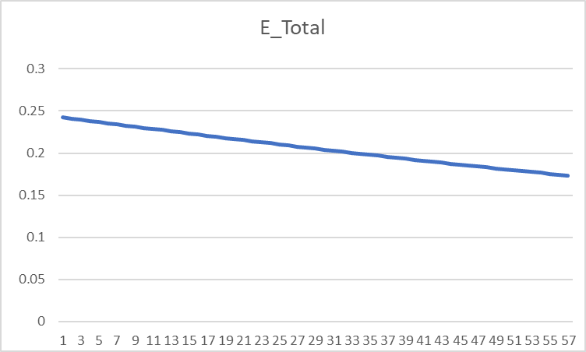
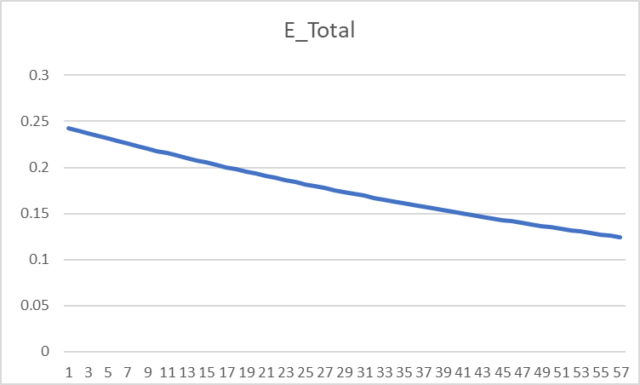
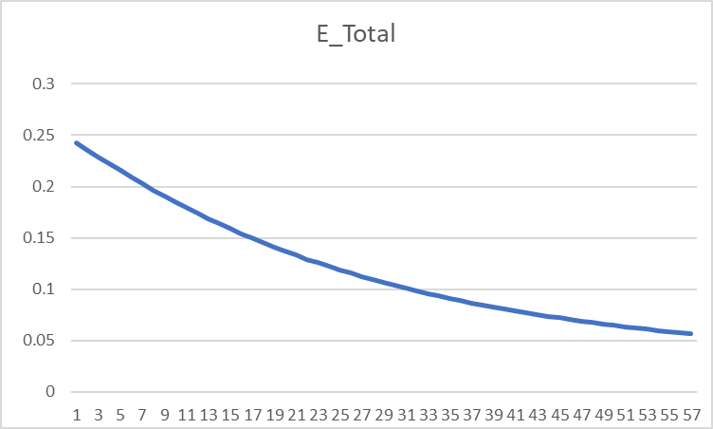

 |  |  | Learning rate = 0.8 |  |  |  |  |  |  |  |  |  |  | Learning rate = 1.0 |  |  |  |  |  |  |  |  |  |  | Learning rate = 2.0

