Sheet1
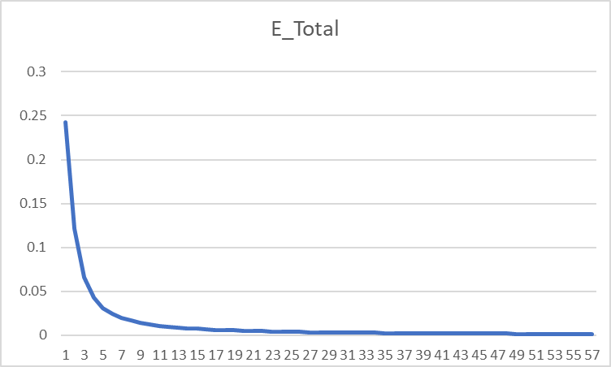
i1
h1
a_h1
o1
a_o1
w1
w5
w2
 |  |  |  |  |  |  |  |  |  |  |  |  |  |  |  |  | Forward Propagation
 |  |  |  |  |  |  |  |  |  |  |  |  |  |  |  |  | h1 = i1 * w1 + i2 * w2 |  |  |  | o1 = a_h1 * w5 + a_h2 * w6 |  |  |  | E1 = 1/2 * (t1 - a_01)^2
 |  |  |  |  |  |  |  |  |  |  |  |  |  |  |  |  | h2 = i1 * w3 + i2 * w4 |  |  |  | o2 = a_h1 * w6 + a_h2 * w8
E1
E_t
 |  |  |  |  |  |  |  |  |  |  |  |  |  |  |  |  | Using Sigmoid activation function
w6
 |  |  |  |  |  |  |  |  |  |  |  |  |  |  |  |  | a_h1 = 1/( 1 + exp(-h1)) |  |  |  | a_01 = 1 /(1 + exp(-o1)) |  |  |  | E2 = 1/2* (t2 - a_02)^2
 |  |  |  |  |  |  |  |  |  |  |  |  |  |  |  |  | a_h2 = 1/( 1 + exp(-h2)) |  |  |  | a_02 = 1/(1 + exp(-o2)) |  |  |  | E = E1 + E2

w3
w7
o2
E2
i2
h2
a_h2
a_o2
w4
w8

 |  | Backward Propagation
 |  | ∂E_t/∂w1 = ∂(E1 + E2)/∂w1 = ∂E1/∂w1 + ∂E2/∂w1 |  |  |  |  |  |  |  |  |  |  |  | ∂E_t/∂w5 = ∂(E1 + E2)/∂w5 = ∂E1/∂w5 = ∂E1/∂a_01 * ∂a_01/∂o1 * ∂o1/∂w5
 |  |  |  | (∂E1/∂a_h1 + ∂E2/∂a_h1)* ∂a_h1/∂h1 * ∂h1/∂a_w1 |  |  |  |  |  |  |  |  |  | ∂E1/∂a_01 = 2*1/2 *(t1-a_01)*-1 = a_01 - t1
 |  | ∂E1/∂a_h1 = ∂E1/∂a_01 * ∂a_01/∂o1 * ∂o1/∂a_h1 |  |  |  |  |  |  |  |  |  |  |  | ∂a_01/∂o1 = σ(o1) (1- σ(o1)) = a_o1 * (1 - a_o1)
 |  |  |  | (a_01 - t1) * a_o1 * (1 - a_o1) * w5 |  |  |  |  |  |  |  |  |  | ∂o1/∂w5 = a_h1
 |  | ∂E2/∂a_h1 = (a_02 - t2) * a_o2 * (1 - a_o2) * w7 |  |  |  |  |  |  |  |  |  |  |  | ∂E_t/∂w5 = (a_01 - t1) * a_o1 * (1 - a_o1) * a_h1
 |  | ∂a_h1/∂h1 = a_h1 * (1 - a_h1) |  |  |  |  |  |  |  |  |  |  |  | ∂E_t/∂w6 = (a_01 - t1) * a_o1 * (1 - a_o1) * a_h2
 |  | ∂h1/∂a_w1 = i1 |  |  |  |  |  |  |  |  |  |  |  | ∂E_t/∂w7 = (a_02 - t2) * a_o2 * (1 - a_o2) * a_h1
 |  | ∂E_t/∂w1 = ((a_01 - t1) * a_o1 * (1 - a_o1) * w5 + (a_02 - t2) * a_o2 * (1 - a_o2) * w7) * a_h1 * (1 - a_h1) * i1 |  |  |  |  |  |  |  |  |  |  |  | ∂E_t/∂w8 = (a_02 - t2) * a_o2 * (1 - a_o2) * a_h2
 |  | ∂E_t/∂w2 = ((a_01 - t1) * a_o1 * (1 - a_o1) * w5 + (a_02 - t2) * a_o2 * (1 - a_o2) * w7) * a_h1 * (1 - a_h1) * i2
 |  | ∂E_t/∂w3 = ((a_01 - t1) * a_o1 * (1 - a_o1) * w6 + (a_02 - t2) * a_o2 * (1 - a_o2) * w8) * a_h2 * (1 - a_h2) * i1
 |  | ∂E_t/∂w4 = ((a_01 - t1) * a_o1 * (1 - a_o1) * w6 + (a_02 - t2) * a_o2 * (1 - a_o2) * w8) * a_h2 * (1 - a_h2) * i2
 |  |  |  |  |  |  |  |  | Learning rate |  | 10
A | B | C | D | E | F | G | H | I | J | K | L | M | N | O | P | Q | R | S | T | U | V | W | X | Y | Z | AA | AB | AC | AD | AE
t1 | t2 | i1 | i2 | w1 | w2 | w3 | w4 | h1 | a_h1 | h2 | a_h2 | w5 | w6 | w7 | w8 | o1 | a_o1 | o2 | a_o2 | E1 | E2 | E_Total | ∂E/∂w1 | ∂E/∂w2 | ∂E/∂w3 | ∂E/∂w4 | ∂E/∂w5 | ∂E/∂w6 | ∂E/∂w7 | ∂E/∂w8
0.01 | 0.99 | 0.05 | 0.1 | 0.15 | 0.2 | 0.25 | 0.3 | 0.0275 | 0.50687456676 | 0.0425 | 0.510623401 | 0.4 | 0.45 | 0.5 | 0.55 | 0.43253035716 | 0.60647773221 | 0.53428015393 | 0.63048083545 | 0.17789284251 | 0.064627014839 | 0.24251985735 | 0.00018825566694 | 0.00037651133388 | 0.00022481346258 | 0.00044962692515 | 0.072157072912 | 0.072690745192 | -0.042455250093 | -0.04276924828
0.01 | 0.99 | 0.05 | 0.1 | 0.14811744333 | 0.19623488666 | 0.24775186537 | 0.29550373075 | 0.027029360833 | 0.50675692884 | 0.041937966344 | 0.51048295519 | -0.32157072912 | -0.27690745192 | 0.92455250093 | 0.9776924828 | -0.30431472946 | 0.42450305203 | 0.9676187338 | 0.72464460658 | 0.08590639007 | 0.03520674241 | 0.12111313248 | -0.0010187657203 | -0.0020375314407 | -0.00099714943137 | -0.0019942988627 | 0.051315819625 | 0.051693128913 | -0.026831581181 | -0.027028865466
0.01 | 0.99 | 0.05 | 0.1 | 0.15830510053 | 0.21661020107 | 0.25772335969 | 0.31544671938 | 0.029576275133 | 0.50739352983 | 0.044430839922 | 0.51110588303 | -0.83472892537 | -0.79383874105 | 1.1928683127 | 1.2479811375 | -0.82927170662 | 0.303799086 | 1.2431041651 | 0.7761038769 | 0.043158951467 | 0.022875775738 | 0.066034727205 | -0.0012023199086 | -0.0024046398173 | -0.0011958365483 | -0.0023916730966 | 0.031529451621 | 0.031760137378 | -0.018858809099 | -0.01899678989
0.01 | 0.99 | 0.05 | 0.1 | 0.17032829962 | 0.24065659924 | 0.26968172517 | 0.33936345034 | 0.032582074905 | 0.5081447982 | 0.047420431293 | 0.51185288678 | -1.1500234416 | -1.1114401148 | 1.3814564037 | 1.4379490364 | -1.1532722609 | 0.23989189889 | 1.4379982508 | 0.8081444777 | 0.026425142587 | 0.016535715496 | 0.042960858083 | -0.0010892108325 | -0.0021784216649 | -0.0010885814261 | -0.0021771628522 | 0.021301103129 | 0.021456543818 | -0.014327726793 | -0.014432280613
0.01 | 0.99 | 0.05 | 0.1 | 0.18122040794 | 0.26244081589 | 0.28056753943 | 0.36113507886 | 0.035305101986 | 0.50882535882 | 0.050141884858 | 0.51253284548 | -1.3630344729 | -1.326005553 | 1.5247336717 | 1.5822718425 | -1.3731679039 | 0.20210850604 | 1.5867894473 | 0.83016392122 | 0.018452839046 | 0.01277378604 | 0.031226625086 | -0.00095703843266 | -0.0019140768653 | -0.00095860298881 | -0.0019172059776 | 0.015763177621 | 0.015878033867 | -0.011466671565 | -0.011550221905
0.01 | 0.99 | 0.05 | 0.1 | 0.19079079227 | 0.28158158454 | 0.29015356932 | 0.38030713864 | 0.037697698068 | 0.50942330858 | 0.05253839233 | 0.51313157765 | -1.5206662491 | -1.4847858917 | 1.6394003873 | 1.6977740615 | -1.5365533589 | 0.17703687368 | 1.7063302521 | 0.84635969501 | 0.013950658585 | 0.010316268609 | 0.024266927194 | -0.0008450585091 | -0.0016901170182 | -0.00084748781241 | -0.0016949756248 | 0.012397533016 | 0.012487778961 | -0.0095151417994 | -0.0095844058191
0.01 | 0.99 | 0.05 | 0.1 | 0.19924137736 | 0.29848275472 | 0.29862844744 | 0.39725689489 | 0.039810344341 | 0.50995127184 | 0.054657111861 | 0.51366087726 | -1.6446415792 | -1.6096636813 | 1.7345518053 | 1.7936181197 | -1.6655083237 | 0.15902395509 | 1.805848356 | 0.85885936155 | 0.011104069596 | 0.0085989335267 | 0.019703003123 | -0.00075409190844 | -0.0015081838169 | -0.00075684868388 | -0.0015136973678 | 0.01016321096 | 0.010237142539 | -0.0081066253865 | -0.0081655964749
0.01 | 0.99 | 0.05 | 0.1 | 0.20678229645 | 0.31356459289 | 0.30619693428 | 0.41239386857 | 0.041695574112 | 0.51042238361 | 0.056549233571 | 0.51413354222 | -1.7462736888 | -1.7120351067 | 1.8156180592 | 1.8752740845 | -1.7715518525 | 0.14534944707 | 1.8908734052 | 0.86885508359 | 0.0091597364111 | 0.007338045386 | 0.016497781797 | -0.00068000104823 | -0.0013600020965 | -0.00068284832814 | -0.0013656966563 | 0.0085819930631 | 0.0086443906744 | -0.0070458551886 | -0.0070970839102
0.01 | 0.99 | 0.05 | 0.1 | 0.21358230693 | 0.32716461386 | 0.31302541756 | 0.42605083513 | 0.043395576732 | 0.51084719197 | 0.058256354391 | 0.51455997102 | -1.8320936195 | -1.7984790134 | 1.8860766111 | 1.9462449236 | -1.86134519 | 0.13454633614 | 1.9649566721 | 0.87706837765 | 0.0077558949235 | 0.0063767756631 | 0.014132670587 | -0.00061890183425 | -0.0012378036685 | -0.00062172963402 | -0.001243459268 | 0.007408625863 | 0.0074624709097 | -0.0062201899 | -0.0062653975298
0.01 | 0.99 | 0.05 | 0.1 | 0.21977132527 | 0.33954265054 | 0.31924271391 | 0.43848542781 | 0.044942831318 | 0.511233817 | 0.059810678476 | 0.51494821368 | -1.9061798781 | -1.8731037225 | 1.9482785101 | 2.0088988989 | -1.9390550309 | 0.125751708 | 2.0305047587 | 0.88396286234 | 0.006699228952 | 0.0056219372817 | 0.012321166234 | -0.00056780829732 | -0.0011356165946 | -0.00057056496386 | -0.0011411299277 | 0.0065057244797 | 0.0065529921694 | -0.0055604328008 | -0.0056008324231
0.01 | 0.99 | 0.05 | 0.1 | 0.22544940824 | 0.35089881649 | 0.32494836354 | 0.44989672709 | 0.046362352061 | 0.51158851233 | 0.061237090886 | 0.51530449039 | -1.9712371229 | -1.9386336442 | 2.0038828381 | 2.0649072231 | -2.0074488892 | 0.11842305215 | 2.0892194043 | 0.88985093786 | 0.0058777791191 | 0.0050149173239 | 0.010892696443 | -0.00052451227097 | -0.0010490245419 | -0.00052717457887 | -0.0010543491577 | 0.0057908042976 | 0.0058328664261 | -0.0050218731302 | -0.0050583500446
0.01 | 0.99 | 0.05 | 0.1 | 0.23069453095 | 0.36138906191 | 0.33022010933 | 0.46044021866 | 0.047673632739 | 0.51191615138 | 0.062555027333 | 0.51563365912 | -2.0291451659 | -1.9969623085 | 2.0541015694 | 2.1154907236 | -2.0684531661 | 0.1122010293 | 2.1423459925 | 0.89495136969 | 0.0052225251954 | 0.0045171210616 | 0.009739646257 | -0.00048738222208 | -0.00097476444415 | -0.00048994134771 | -0.00097988269541 | 0.0052115340558 | 0.0052493799376 | -0.0045744040887 | -0.0046076231668
0.01 | 0.99 | 0.05 | 0.1 | 0.23556835318 | 0.37113670635 | 0.33511952281 | 0.47023904562 | 0.048892088294 | 0.51222058779 | 0.063779880702 | 0.5159395672 | -2.0812605064 | -2.0494561078 | 2.0998456102 | 2.1615669552 | -2.1234599772 | 0.10683745892 | 2.1908220721 | 0.899422297 | 0.004688746725 | 0.00410216014 | 0.008790906865 | -0.00045519968184 | -0.00091039936368 | -0.0004576542399 | -0.00091530847979 | 0.0047331957459 | 0.0047675611305 | -0.0041970456777 | -0.0042275183428
0.01 | 0.99 | 0.05 | 0.1 | 0.24012034999 | 0.38024069999 | 0.33969606521 | 0.47939213042 | 0.050030087498 | 0.51250491366 | 0.064924016302 | 0.51622530516 | -2.1285924639 | -2.0971317192 | 2.141816067 | 2.2038421387 | -2.1735065586 | 0.10215496527 | 2.2353703391 | 0.90338111844 | 0.0042462688117 | 0.0037514153212 | 0.0079976841329 | -0.00042704163946 | -0.00085408327892 | -0.00042939407407 | -0.00085878814814 | 0.0043318921848 | 0.0043633383904 | -0.0038747494054 | -0.003902877106
0.01 | 0.99 | 0.05 | 0.1 | 0.24439076639 | 0.38878153278 | 0.34399000595 | 0.4879800119 | 0.051097691597 | 0.51277164415 | 0.065997501487 | 0.51649338916 | -2.1719113857 | -2.1407651031 | 2.1805635611 | 2.2428709097 | -2.2193855957 | 0.098023113184 | 2.27655916 | 0.90691698251 | 0.0038740342273 | 0.0034513938978 | 0.007325428125 | -0.0004021984741 | -0.0008043969482 | -0.00040445312961 | -0.00080890625922 | 0.0039906590626 | 0.0040196236429 | -0.0035964518493 | -0.0036225552364
0.01 | 0.99 | 0.05 | 0.1 | 0.24841275113 | 0.39682550226 | 0.34803453725 | 0.49606907449 | 0.052103187782 | 0.51302285094 | 0.067008634311 | 0.51674589307 | -2.2118179764 | -2.1809613395 | 2.2165280796 | 2.2790964621 | -2.2617159791 | 0.09434364858 | 2.3148432913 | 0.91009891584 | 0.0035569255279 | 0.0031920916252 | 0.0067490171531 | -0.00038011677872 | -0.00076023355743 | -0.0003822788478 | -0.0007645576956 | 0.0036971340619 | 0.0037239644182 | -0.0033538443869 | -0.0033781834664
0.01 | 0.99 | 0.05 | 0.1 | 0.25221391892 | 0.40442783783 | 0.35185732572 | 0.50371465145 | 0.053053479729 | 0.51326025981 | 0.067964331431 | 0.51698454551 | -2.248789317 | -2.2182009837 | 2.2500665234 | 2.3128782967 | -2.3009898165 | 0.091041018013 | 2.3505920635 | 0.91298127641 | 0.0032838233003 | 0.0029659418915 | 0.0062497651918 | -0.000360359174 | -0.000720718348 | -0.00036243411968 | -0.00072486823935 | 0.0034421034465 | 0.0034670798136 | -0.0031405704211 | -0.0031633588238
0.01 | 0.99 | 0.05 | 0.1 | 0.25581751066 | 0.41163502131 | 0.35548166692 | 0.51096333384 | 0.053954377664 | 0.51348532318 | 0.06887041673 | 0.51721080196 | -2.2832103514 | -2.2528717818 | 2.2814722277 | 2.344511885 | -2.3376046262 | 0.08805607892 | 2.3841093764 | 0.9156075102 | 0.0030463757282 | 0.002767121269 | 0.0058134969972 | -0.00034257570183 | -0.00068515140367 | -0.00034456894212 | -0.00068913788425 | 0.0032185646814 | 0.003241916263 | -0.0029516868129 | -0.0029731021214
0.01 | 0.99 | 0.05 | 0.1 | 0.25924326767 | 0.41848653535 | 0.35892735634 | 0.51785471268 | 0.054810816919 | 0.51369927476 | 0.069731839085 | 0.51742589918 | -2.3153959983 | -2.2852909444 | 2.3109890958 | 2.3742429062 | -2.3718859669 | 0.085341808355 | 2.4156481931 | 0.91801279975 | 0.0028381940431 | 0.0025910784996 | 0.0054292725427 | -0.00032648317479 | -0.00065296634958 | -0.00032839991572 | -0.00065679983145 | 0.0030211039026 | 0.0030430204599 | -0.0027832936475 | -0.0028034850135
0.01 | 0.99 | 0.05 | 0.1 | 0.26250809942 | 0.42501619885 | 0.3622113555 | 0.524422711 | 0.055627024856 | 0.51390317127 | 0.070552838875 | 0.51763089688 | -2.3456070373 | -2.315721149 | 2.3388220323 | 2.4022777563 | -2.4041037103 | 0.082860302867 | 2.445421249 | 0.92022597018 | 0.0026543118669 | 0.0024342076188 | 0.0050885194857 | -0.00031185005794 | -0.00062370011588 | -0.00031369521127 | -0.00062739042253 | 0.0028454717481 | 0.0028661120914 | -0.0026322741629 | -0.0026513680241
0.01 | 0.99 | 0.05 | 0.1 | 0.2656266 | 0.4312532 | 0.36534830761 | 0.53069661522 | 0.056406650001 | 0.51409792474 | 0.071337076903 | 0.51782670989 | -2.3740617548 | -2.3443822699 | 2.3651447739 | 2.4287914366 | -2.4344839789 | 0.080580635504 | 2.4736090986 | 0.92227088602 | 0.0024908130541 | 0.0022936164401 | 0.0047844294942 | -0.00029848524961 | -0.00059697049921 | -0.00030026339904 | -0.00060052679808 | 0.0026882877298 | 0.0027077860527 | -0.0024961085132 | -0.0025142129479
0.01 | 0.99 | 0.05 | 0.1 | 0.2686114525 | 0.437222905 | 0.3683509416 | 0.5367018832 | 0.057152863125 | 0.51428432774 | 0.0720877354 | 0.51801413344 | -2.4009446321 | -2.3714601305 | 2.390105859 | 2.4539335661 | -2.4632180605 | 0.078477295591 | 2.5003662547 | 0.9241674918 | 0.0023445700057 | 0.0021669595677 | 0.0045115295734 | -0.00028622964765 | -0.00057245929529 | -0.00028794504269 | -0.00057589008538 | 0.0025468300078 | 0.0025653006875 | -0.0023727380801 | -0.0023899461721
0.01 | 0.99 | 0.05 | 0.1 | 0.27147374897 | 0.44294749795 | 0.37123039203 | 0.54246078406 | 0.057868437244 | 0.51446307343 | 0.072807598007 | 0.51819386315 | -2.4264129321 | -2.3971131374 | 2.4138332398 | 2.4778330278 | -2.4904691715 | 0.076529033313 | 2.5258259362 | 0.92593259862 | 0.0022130561368 | 0.0020523159598 | 0.0042653720966 | -0.00027494973267 | -0.00054989946533 | -0.00027660629773 | -0.00055321259545 | 0.0024188831796 | 0.0024364244668 | -0.002260465063 | -0.0022768575317
0.01 | 0.99 | 0.05 | 0.1 | 0.2742232463 | 0.4484464926 | 0.37399645501 | 0.54799291001 | 0.058555811575 | 0.51463477151 | 0.073499113751 | 0.51836651101 | -2.4506017639 | -2.421477382 | 2.4364378904 | 2.5006016031 | -2.5163776609 | 0.074717990881 | 2.5501037855 | 0.92758048673 | 0.0020942091718 | 0.0019480978185 | 0.0040423069903 | -0.00026453263034 | -0.00052906526067 | -0.00026613398192 | -0.00053226796383 | 0.0023026262752 | 0.0023193231676 | -0.0021578771166 | -0.0021735243983
0.01 | 0.99 | 0.05 | 0.1 | 0.2768685726 | 0.45373714521 | 0.37665779482 | 0.55331558965 | 0.059217143151 | 0.51479996116 | 0.074164448706 | 0.51853261827 | -2.4736280267 | -2.4446706137 | 2.4580166616 | 2.5223368471 | -2.5410650662 | 0.073029040119 | 2.5733008114 | 0.92912337281 | 0.0019863299491 | 0.0018529818688 | 0.0038393118179 | -0.00025488227175 | -0.00050976454349 | -0.00025643173941 | -0.00051286347882 | 0.0021965491216 | 0.0022124756276 | -0.0020637900581 | -0.0020787539688
0.01 | 0.99 | 0.05 | 0.1 | 0.27941739532 | 0.45883479064 | 0.37922211222 | 0.55844422444 | 0.059854348831 | 0.5149591215 | 0.074805528055 | 0.51869266602 | -2.4955935179 | -2.46679537 | 2.4786545622 | 2.5431243868 | -2.5646373126 | 0.071449271051 | 2.595505744 | 0.9305717763 | 0.0018880064564 | 0.0017658568861 | 0.0036538633425 | -0.00024591637821 | -0.00049183275641 | -0.00024741702683 | -0.00049483405366 | 0.0020993890526 | 0.0021146099938 | -0.0019772037948 | -0.0019915388713
0.01 | 0.99 | 0.05 | 0.1 | 0.2818765591 | 0.46375311821 | 0.38169628249 | 0.56339256497 | 0.060469139776 | 0.51511268024 | 0.075424070622 | 0.51884708374 | -2.5165874084 | -2.4879414699 | 2.4984266001 | 2.5630397755 | -2.5871872612 | 0.069967592535 | 2.6167969354 | 0.93193480949 | 0.0017980560772 | 0.0016857831746 | 0.0034838392518 | -0.00023756407174 | -0.00047512814347 | -0.00023901872359 | -0.00047803744718 | 0.0020100824308 | 0.0020246548907 | -0.0018972680544 | -0.0019110226458
0.01 | 0.99 | 0.05 | 0.1 | 0.28425219982 | 0.46850439964 | 0.38408646972 | 0.56817293945 | 0.061063049955 | 0.51526102081 | 0.076021617431 | 0.51899625651 | -2.5366882327 | -2.5081880188 | 2.5173992807 | 2.5821500019 | -2.6087967607 | 0.068574417104 | 2.6372439079 | 0.9332204095 | 0.0017154811695 | 0.0016119609488 | 0.0033274421184 | -0.00022976396525 | -0.00045952793049 | -0.00023117522112 | -0.00046235044223 | 0.0019277270968 | 0.0019417015967 | -0.0018232554712 | -0.0018364726343
0.01 | 0.99 | 0.05 | 0.1 | 0.28654983947 | 0.47309967895 | 0.38639822193 | 0.57279644387 | 0.061637459869 | 0.51540448825 | 0.076599555484 | 0.51914053088 | -2.5559655037 | -2.5276050348 | 2.5356318354 | 2.6005147283 | -2.629538312 | 0.067261409865 | 2.6569086251 | 0.93443552526 | 0.0016394345299 | 0.0015437054263 | 0.0031831399562 | -0.0002224626239 | -0.00044492524781 | -0.00022383288286 | -0.00044766576573 | 0.0018515529846 | 0.0018649744449 | -0.0017545402543 | -0.0017672584927
0.01 | 0.99 | 0.05 | 0.1 | 0.28877446571 | 0.47754893143 | 0.38863655076 | 0.57727310153 | 0.062193616428 | 0.51554339422 | 0.077159137691 | 0.51928021992 | -2.5744810336 | -2.5462547792 | 2.5531772379 | 2.6181873132 | -2.6494764321 | 0.066021286649 | 2.6758465431 | 0.93558626956 | 0.0015691922789 | 0.0014804270302 | 0.0030496193091 | -0.00021561331632 | -0.00043122663265 | -0.00021694479395 | -0.0004338895879 | 0.0017808989078 | 0.0017938074406 | -0.001690581135 | -0.0017028350153
0.01 | 0.99 | 0.05 | 0.1 | 0.29093059888 | 0.48186119775 | 0.3908059987 | 0.5816119974 | 0.062732649719 | 0.51567802118 | 0.077701499676 | 0.51941560739 | -2.5922900226 | -2.5641928536 | 2.5700830493 | 2.6352156634 | -2.6686687777 | 0.064847650414 | 2.6941074855 | 0.93667804344 | 0.001504132378 | 0.0014216155257 | 0.0029257479037 | -0.00020917499388 | -0.00041834998776 | -0.0002104697389 | -0.00042093947781 | 0.0017151940601 | 0.0017276256267 | -0.001630907628 | -0.0016427282944
0.01 | 0.99 | 0.05 | 0.1 | 0.29302234882 | 0.48604469763 | 0.39291069609 | 0.58582139218 | 0.063255587204 | 0.51580862594 | 0.078227674023 | 0.51954695128 | -2.6094419632 | -2.5814691099 | 2.5863921256 | 2.6516429463 | -2.6871670794 | 0.063734857647 | 2.7117363771 | 0.93771563887 | 0.0014437174632 | 0.0013668272095 | 0.0028105446727 | -0.00020311145105 | -0.0004062229021 | -0.00020437136046 | -0.00040874272092 | 0.0016539431515 | 0.001665930112 | -0.0015751088786 | -0.0015865244873
0.01 | 0.99 | 0.05 | 0.1 | 0.29505346333 | 0.49010692665 | 0.3949544097 | 0.58990881939 | 0.063763365831 | 0.51593544267 | 0.078738602424 | 0.51967448689 | -2.6259813948 | -2.598128411 | 2.6021432144 | 2.6675081912 | -2.7050179222 | 0.062677908472 | 2.7287738617 | 0.93870332387 | 0.0013874810205 | 0.0013156744912 | 0.0027031555117 | -0.00019739063036 | -0.00039478126073 | -0.0001986174631 | -0.0003972349262 | 0.0015967143755 | 0.0016082859504 | -0.0015228245482 | -0.0015338606349
0.01 | 0.99 | 0.05 | 0.1 | 0.29702736963 | 0.49405473926 | 0.39694058433 | 0.59388116865 | 0.064256842407 | 0.51605868553 | 0.079235146082 | 0.51979842938 | -2.6419485385 | -2.6142112705 | 2.6173714598 | 2.6828467975 | -2.7222634025 | 0.061672355683 | 2.7452568267 | 0.9396449136 | 0.0013350161709 | 0.0012678173631 | 0.002602833534 | -0.00019198404383 | -0.00038396808766 | -0.00019317943311 | -0.00038635886622 | 0.0015431295989 | 0.0015543122601 | -0.0014737373167 | -0.00148441711
0.01 | 0.99 | 0.05 | 0.1 | 0.29894721007 | 0.49789442014 | 0.39887237866 | 0.59774475732 | 0.064736802517 | 0.51617855086 | 0.079718094665 | 0.51991897607 | -2.6573798345 | -2.6297543931 | 2.632108833 | 2.6976909686 | -2.7389416834 | 0.060714228953 | 2.7612188493 | 0.94054383007 | 0.0012859665091 | 0.0012229563722 | 0.0025089228813 | -0.00018686628859 | -0.00037373257717 | -0.00018803175303 | -0.00037606350606 | 0.0014928563109 | 0.0015036741129 | -0.0014275666776 | -0.0014379113662
0.01 | 0.99 | 0.05 | 0.1 | 0.30081587295 | 0.50163174591 | 0.40075269619 | 0.60150539238 | 0.065203968238 | 0.51629521913 | 0.080188174047 | 0.5200363083 | -2.6723083976 | -2.6447911343 | 2.6463844998 | 2.7120700823 | -2.7550874674 | 0.059799971338 | 2.7766905787 | 0.94140315245 | 0.0012400185726 | 0.0011808267957 | 0.0024208453683 | -0.00018201463942 | -0.00036402927884 | -0.00018315159306 | -0.00036630318613 | 0.0014456009743 | 0.0014560758382 | -0.0013840637734 | -0.001394092737
0.01 | 0.99 | 0.05 | 0.1 | 0.30263601935 | 0.5052720387 | 0.40258421212 | 0.60516842424 | 0.065659004837 | 0.51640885661 | 0.08064605303 | 0.52015059318 | -2.6867644073 | -2.6593518926 | 2.6602251375 | 2.7260110097 | -2.7707324 | 0.058926385783 | 2.7917000653 | 0.94222565988 | 0.0011968956129 | 0.0011411937872 | 0.0023380894001 | -0.00017740870425 | -0.00035481740851 | -0.00017851846557 | -0.00035703693114 | 0.0014011035032 | 0.0014112554596 | -0.0013430070742 | -0.0013527380821
0.01 | 0.99 | 0.05 | 0.1 | 0.30441010639 | 0.50882021278 | 0.40436939677 | 0.60873879355 | 0.066102526598 | 0.51651961682 | 0.081092349194 | 0.520261985 | -2.7007754424 | -2.6734644472 | 2.6736552083 | 2.7395383905 | -2.7859054168 | 0.058090589828 | 2.8062730447 | 0.94301386778 | 0.001156352415 | 0.0011038483105 | 0.0022602007255 | -0.00017303013156 | -0.00034606026312 | -0.00017411393158 | -0.00034822786316 | 0.0013591326508 | 0.0013689800498 | -0.0013041987436 | -0.001313648127
0.01 | 0.99 | 0.05 | 0.1 | 0.30614040771 | 0.51228081541 | 0.40611053609 | 0.61222107218 | 0.066535101926 | 0.51662764183 | 0.081527634023 | 0.52037062654 | -2.7143667689 | -2.6871542477 | 2.6866971957 | 2.7526748717 | -2.8006330424 | 0.057289977067 | 2.8204331842 | 0.94377005912 | 0.0011181709655 | 0.0010686037167 | 0.0021867746822 | -0.00016886236075 | -0.0003377247215 | -0.0001699213504 | -0.00033984270079 | 0.0013194821379 | 0.0013290418305 | -0.0012674615674 | -0.0012766443693
0.01 | 0.99 | 0.05 | 0.1 | 0.30782903131 | 0.51565806263 | 0.40780974959 | 0.61561949919 | 0.066957257828 | 0.51673306335 | 0.081952437399 | 0.52047665019 | -2.7275615903 | -2.700444666 | 2.6993718114 | 2.7654413154 | -2.8149396498 | 0.056522184214 | 2.8342022974 | 0.94449631117 | 0.001082156812 | 0.0010352928487 | 0.0021174496607 | -0.00016489040841 | -0.00032978081682 | -0.00016592566509 | -0.00033185133018 | 0.0012819673861 | 0.0012912548821 | -0.0012326363467 | -0.0012415664531
0.01 | 0.99 | 0.05 | 0.1 | 0.3094779354 | 0.51895587079 | 0.40946900625 | 0.61893801249 | 0.067369483849 | 0.51683600372 | 0.082367251561 | 0.52058017892 | -2.7403812641 | -2.7133572149 | 2.7116981748 | 2.77785698 | -2.8288476856 | 0.055785062828 | 2.8476005316 | 0.9451945186 | 0.0010481359891 | 0.0010037655817 | 0.0020519015708 | -0.00016110068442 | -0.00032220136884 | -0.00016211321802 | -0.00032422643603 | 0.0012464227503 | 0.0012554523556 | -0.0011995796754 | -0.00120826993
0.01 | 0.99 | 0.05 | 0.1 | 0.31108894224 | 0.52217788448 | 0.41109013843 | 0.62218027685 | 0.06777223556 | 0.5169365768 | 0.082772534606 | 0.52068132718 | -2.7528454916 | -2.7259117384 | 2.7236939716 | 2.7899396793 | -2.8423778667 | 0.055076654947 | 2.8606465329 | 0.94586641358 | 0.0010159524106 | 0.00097388672522 | 0.0019898391358 | -0.00015748083332 | -0.00031496166664 | -0.00015847159157 | -0.00031694318315 | 0.0012126991618 | 0.0012214840995 | -0.0011681620376 | -0.0011766243431
0.01 | 0.99 | 0.05 | 0.1 | 0.31266375057 | 0.52532750115 | 0.41267485434 | 0.62534970868 | 0.068165937644 | 0.51703488874 | 0.083168713585 | 0.52078020166 | -2.7649724832 | -2.7381265794 | 2.735375592 | 2.8017059227 | -2.8555493524 | 0.054395172002 | 2.8733575903 | 0.94651358314 | 0.00098546564853 | 0.00094553422566 | 0.0019309998742 | -0.00015401959684 | -0.00030803919367 | -0.00015498947023 | -0.00030997894047 | 0.001180662115 | 0.0011892146308 | -0.0011382661735 | -0.0011465115804
0.01 | 0.99 | 0.05 | 0.1 | 0.31420394654 | 0.52840789309 | 0.41422474904 | 0.62844949809 | 0.068550986636 | 0.51713103862 | 0.083556187261 | 0.52087690198 | -2.7767791044 | -2.7500187257 | 2.7467582537 | 2.8131710385 | -2.8683798965 | 0.053738976512 | 2.8857497638 | 0.94713748441 | 0.00095654903316 | 0.00091859762131 | 0.0018751466545 | -0.00015070669443 | -0.00030141338886 | -0.00015165652064 | -0.00030331304129 | 0.0011501899387 | 0.0011585213944 | -0.0011097856691 | -0.0011178244546
0.01 | 0.99 | 0.05 | 0.1 | 0.31571101349 | 0.53142202697 | 0.41574131425 | 0.6314826285 | 0.068927753372 | 0.51722511912 | 0.083935328563 | 0.52097152131 | -2.7882810038 | -2.7616039397 | 2.7578561104 | 2.824349283 | -2.88088598 | 0.053106566133 | 2.8978379979 | 0.9477394579 | 0.00092908802187 | 0.00089297670919 | 0.0018220647311 | -0.00014753271914 | -0.00029506543828 | -0.00014846328704 | -0.00029692657409 | 0.001121172308 | 0.0011292932639 | -0.0010826237361 | -0.0010904654742
0.01 | 0.99 | 0.05 | 0.1 | 0.31718634068 | 0.53437268136 | 0.41722594712 | 0.63445189424 | 0.06929658517 | 0.51731721705 | 0.08430648678 | 0.52106414691 | -2.7994927269 | -2.7728968723 | 2.7686823478 | 2.8352539378 | -2.8930829298 | 0.052496559705 | 2.9096362214 | 0.94832073919 | 0.00090297879339 | 0.00086858039075 | 0.0017715591841 | -0.00014448904649 | -0.00028897809297 | -0.00014540109981 | -0.00029080219961 | 0.0010935089573 | 0.0011014292453 | -0.0010566921525 | -0.0010643457763
0.01 | 0.99 | 0.05 | 0.1 | 0.31863123114 | 0.53726246229 | 0.41867995812 | 0.63735991624 | 0.069657807786 | 0.51740741381 | 0.08466998953 | 0.52115486061 | -2.8104278164 | -2.7839111648 | 2.7792492693 | 2.8458973956 | -2.9049850232 | 0.051907685026 | 2.9211574373 | 0.94888246921 | 0.00087812703214 | 0.00084532566918 | 0.0017234527013 | -0.00014156775454 | -0.00028313550908 | -0.00014246199519 | -0.00028492399038 | 0.0010671085643 | 0.0010748373531 | -0.0010319103394 | -0.0010393841965
0.01 | 0.99 | 0.05 | 0.1 | 0.32004690869 | 0.54009381738 | 0.42010457807 | 0.64020915614 | 0.070011727172 | 0.51749578587 | 0.085026144518 | 0.5212437393 | -2.8210989021 | -2.7946595383 | 2.7895683727 | 2.8562912375 | -2.9166055812 | 0.051338768087 | 2.9324138024 | 0.94942570332 | 0.00085444687349 | 0.00082313677567 | 0.0016775836492 | -0.00013876155364 | -0.00027752310727 | -0.00013963864474 | -0.00027927728949 | 0.0010418877795 | 0.001049433632 | -0.0010082045543 | -0.0010155064567
0.01 | 0.99 | 0.05 | 0.1 | 0.32143452423 | 0.54286904845 | 0.42150096452 | 0.64300192904 | 0.070358631056 | 0.51758240513 | 0.085375241129 | 0.52133085526 | -2.8315177799 | -2.8051538746 | 2.7996504182 | 2.8664463021 | -2.9279570513 | 0.050788723579 | 2.9434166992 | 0.94995141936 | 0.00083185998561 | 0.00080194440575 | 0.0016338043914 | -0.00013606372435 | -0.00027212744869 | -0.00013692429303 | -0.00027384858606 | 0.0010177703776 | 0.0010251413034 | -0.00098550718477 | -0.00099264445316
0.01 | 0.99 | 0.05 | 0.1 | 0.32279516147 | 0.54559032294 | 0.42287020745 | 0.6457404149 | 0.070698790367 | 0.51766733929 | 0.085717551862 | 0.52141627657 | -2.8416954837 | -2.8154052876 | 2.8095054901 | 2.8763727466 | -2.9390510822 | 0.050256546496 | 2.9541767993 | 0.95046052479 | 0.0008102947679 | 0.00078168504997 | 0.0015919798179 | -0.00013346806265 | -0.0002669361253 | -0.00013431270254 | -0.00026862540508 | 0.0009946865163 | 0.0010018900176 | -0.00096375612667 | -0.00097073563067
0.01 | 0.99 | 0.05 | 0.1 | 0.3241298421 | 0.54825968419 | 0.42421333447 | 0.64842666895 | 0.071032460524 | 0.51775065219 | 0.086053333618 | 0.52150006739 | -2.8516423488 | -2.8254241878 | 2.8191430513 | 2.8860801029 | -2.9498985903 | 0.049741304685 | 2.9647041216 | 0.95095386305 | 0.00078968564902 | 0.00076230040554 | 0.0015519860546 | -0.00013096883132 | -0.00026193766263 | -0.00013179810487 | -0.00026359620973 | 0.00097257208445 | 0.00097961519786 | -0.00094289423711 | -0.0009497224313
0.01 | 0.99 | 0.05 | 0.1 | 0.32543953041 | 0.55087906082 | 0.42553131552 | 0.65106263104 | 0.071359882602 | 0.51783240406 | 0.086382828881 | 0.52158228831 | -2.8613680697 | -2.8352203398 | 2.8285719937 | 2.8955773272 | -2.9605098191 | 0.04924213222 | 2.9750080839 | 0.9514322192 | 0.0007699724706 | 0.00074373685794 | 0.0015137093285 | -0.00012856071667 | -0.00025712143335 | -0.0001293751573 | -0.00025875031459 | 0.00095136812855 | 0.0009582574625 | -0.00092286885086 | -0.00092955180724
0.01 | 0.99 | 0.05 | 0.1 | 0.32672513758 | 0.55345027515 | 0.4268250671 | 0.65365013419 | 0.071681284394 | 0.51791265185 | 0.086706266774 | 0.52166299657 | -2.8708817509 | -2.8448029144 | 2.8378006822 | 2.9048728453 | -2.9708943938 | 0.048758223502 | 2.9850975499 | 0.95189632504 | 0.00075109994452 | 0.00072594502279 | 0.0014770449673 | -0.00012623879014 | -0.00025247758028 | -0.00012703890415 | -0.00025407780829 | 0.00093102034662 | 0.0009377621152 | -0.00090363135202 | -0.00091017478952
0.01 | 0.99 | 0.05 | 0.1 | 0.32798752548 | 0.55597505095 | 0.42809545614 | 0.65619091227 | 0.071996881369 | 0.51799144938 | 0.087023864034 | 0.52174224629 | -2.8801919544 | -2.8541805356 | 2.8468369957 | 2.9139745932 | -2.9810613689 | 0.048288827978 | 2.9949808715 | 0.9523468636 | 0.00073301717398 | 0.00070887934026 | 0.0014418965142 | -0.00012399847386 | -0.00024799694772 | -0.00012478474225 | -0.00024956948449 | 0.00091147864027 | 0.00091807869376 | -0.00088513679389 | -0.000891546105
0.01 | 0.99 | 0.05 | 0.1 | 0.32922751022 | 0.55845502043 | 0.42934330356 | 0.65868660712 | 0.072306877554 | 0.51806884765 | 0.08733582589 | 0.52182008876 | -2.8893067408 | -2.8633613225 | 2.8556883637 | 2.9228900543 | -2.9910192732 | 0.047833245421 | 3.0046659274 | 0.95278447327 | 0.00071567722955 | 0.00069249771493 | 0.0014081749445 | -0.00012183550996 | -0.00024367101992 | -0.00012260839005 | -0.0002452167801 | 0.00089269671741 | 0.00089916056992 | -0.00086734356072 | -0.00087362383569
0.01 | 0.99 | 0.05 | 0.1 | 0.33044586531 | 0.56089173063 | 0.43056938746 | 0.66113877492 | 0.072611466329 | 0.51814489498 | 0.087642346865 | 0.52189657255 | -2.898233708 | -2.8723529282 | 2.8643617993 | 2.9316262926 | -3.0007761486 | 0.047390821688 | 3.0141601578 | 0.95320975142 | 0.00069903677327 | 0.00067676119536 | 0.0013757979686 | -0.000119745933 | -0.00023949186599 | -0.00012050585997 | -0.00024101171994 | 0.00087463173908 | 0.00088096459367 | -0.00085021306607 | -0.00085636911492
0.01 | 0.99 | 0.05 | 0.1 | 0.33164332464 | 0.56328664929 | 0.43177444606 | 0.66354889212 | 0.072910831161 | 0.51821963722 | 0.087943611515 | 0.52197174377 | -2.9069800254 | -2.8811625741 | 2.8728639299 | 2.9401899838 | -3.0103395871 | 0.046960944911 | 3.0234705964 | 0.95362325775 | 0.00068305572437 | 0.00066163368849 | 0.0013446894129 | -0.00011772604521 | -0.00023545209042 | -0.00011847343349 | -0.00023694686697 | 0.00085724400472 | 0.00086345077616 | -0.00083370948331 | -0.00083974585589

 |  |  | Learning rate = 0.1 |  |  |  |  |  |  |  |  |  |  | Learning rate = 0.2 |  |  |  |  |  |  |  |  |  |  | Learning rate = 0.5
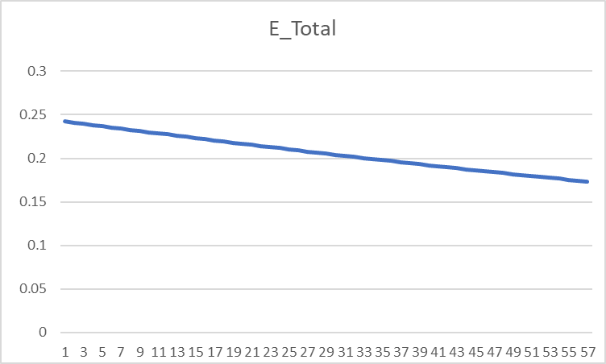
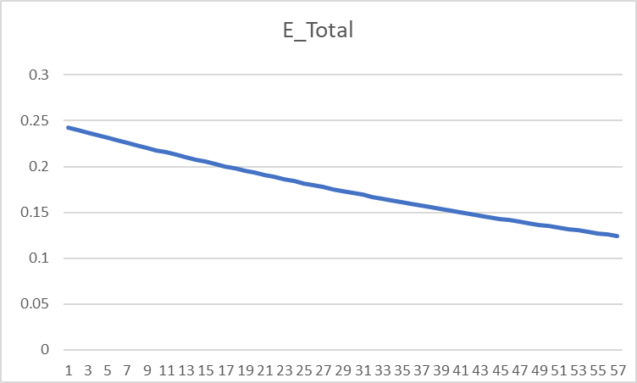
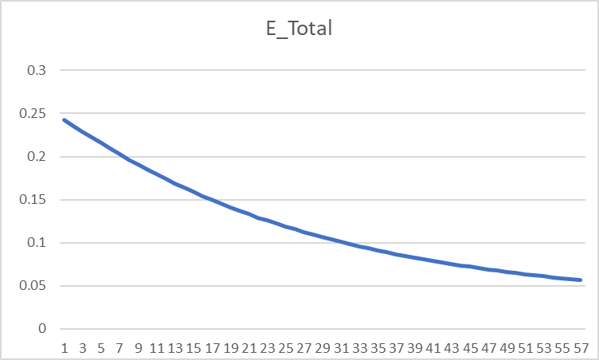

 |  |  | Learning rate = 0.8 |  |  |  |  |  |  |  |  |  |  | Learning rate = 1.0 |  |  |  |  |  |  |  |  |  |  | Learning rate = 2.0
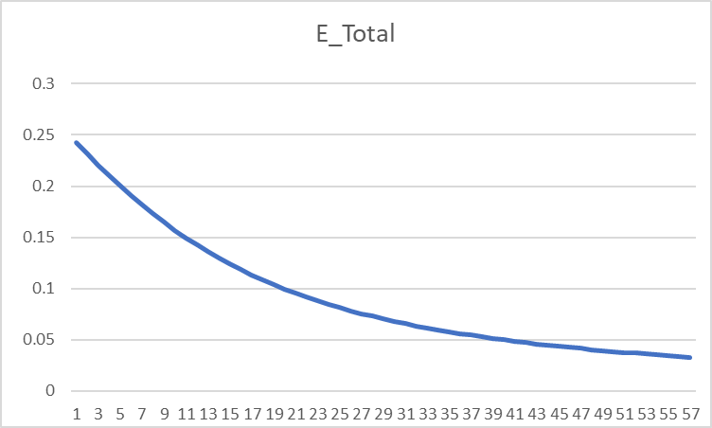
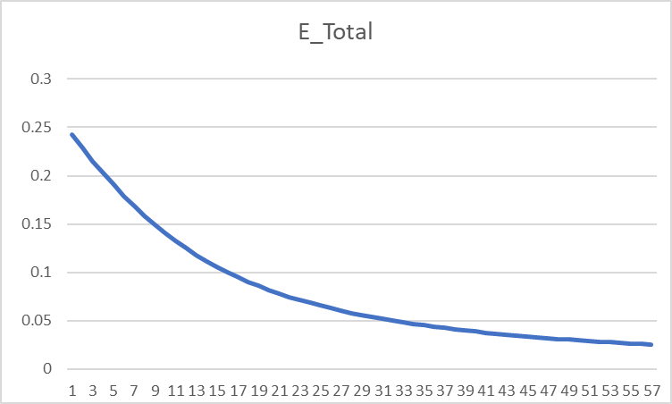

 |  |  | Learning rate = 10

