Initial_erd
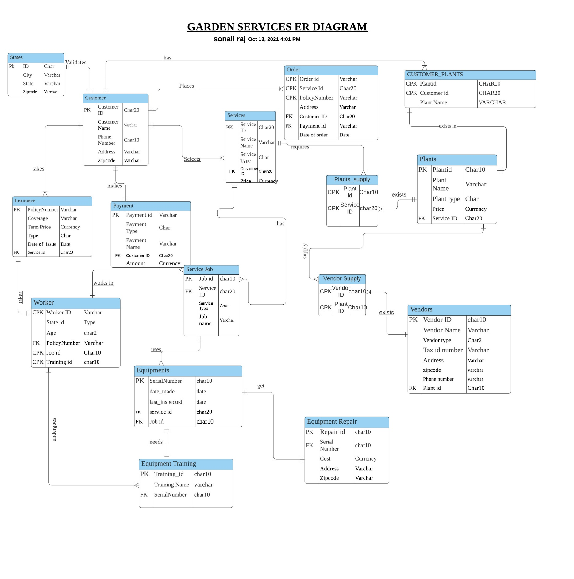

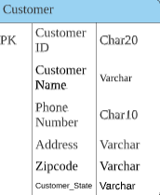
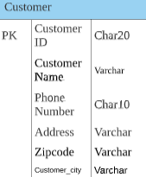

` | a

FINAL_ERD
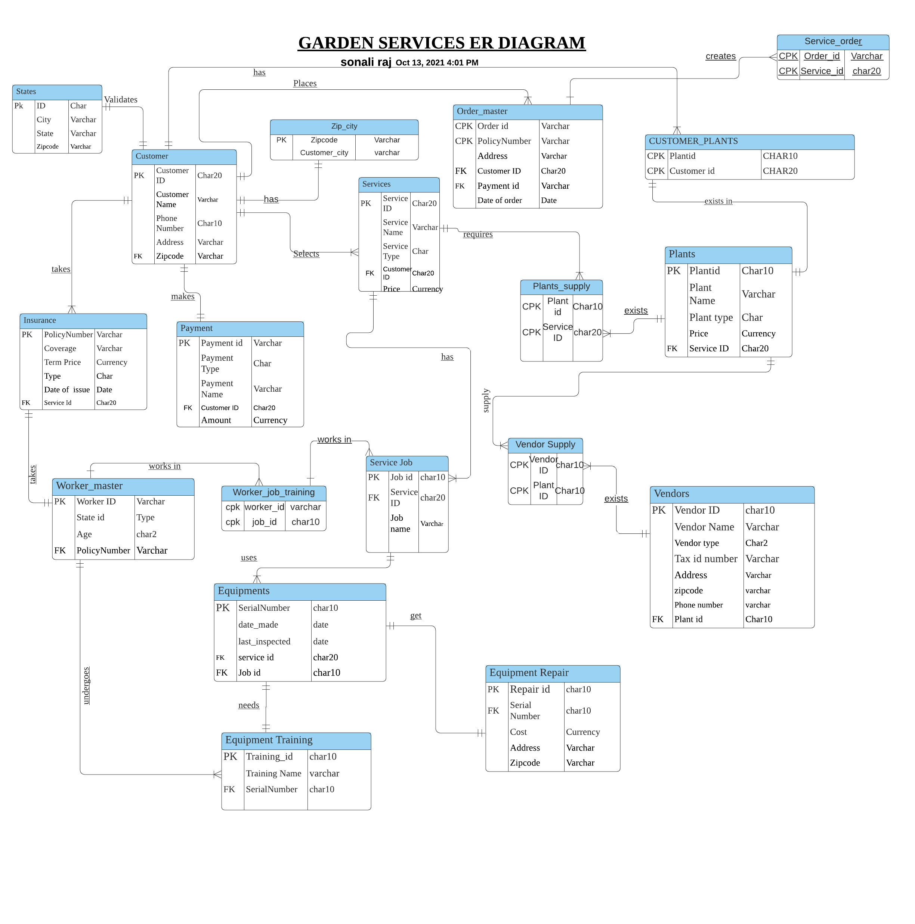
f

After the normalization, new entities have
been introduced such as order_master, service_order
worker_master, worker_job_training
zip_city
Few cpks are present in the tables, but they do not
result into transitive dependency.
They are just used to uniquely identify the records

