H&M Survey Response
H&M Survey Response
BY:
1 Saechan Peeraya (May) [S10222610E]
2.Borse Srushti Ganesh [S10223487F ]
3.Neera Nasheerah Binte Mohd Farid [S10227918E ]

How old are you? | Gender? | How frequently do you purchase clothes? | Which clothing shop do you usually shop at? | Why? | Do you prefer shopping online or at physical stores? | When buying clothes, how important are each of these factors to you on a scale of 1 to 5? [Price] | When buying clothes, how important are each of these factors to you on a scale of 1 to 5? [Brand] | When buying clothes, how important are each of these factors to you on a scale of 1 to 5? [Quality] | When buying clothes, how important are each of these factors to you on a scale of 1 to 5? [Comfort] | When buying clothes, how important are each of these factors to you on a scale of 1 to 5? [Fashion Sense] | When buying clothes, how important are each of these factors to you on a scale of 1 to 5? [Sustainability] | How much do you think you will spend on H&M clothes per visit? | Are you satisfied with the current pricing of H&M clothes? | On a scale of 1 to 5, how sustainable do you think H&M's clothes are? | What are some improvements you think H&M should make?
20 | Female | Twice a month | Shein | Design of the clothes | Physical stores | 5 | 3 | 4 | 5 | 2 | 3 | $20 to $40 | No | 3 | More sustainable clothing?
17 | Female | once every few months | Cotton On | Comfort and price | Physical stores | 5 | 5 | 5 | 5 | 5 | 3 | $20 to $40 | Yes | 2 | be more sustainable
19 | Female | twice a month | Shein | keeping up with trends and online platform | Physical stores | 3 | 4 | 5 | 5 | 4 | 4 | $40 - $60 | Yes | 2 | better quality
17 | Male | yearly | Cotton On, H&M, Uniqlo | friends | Physical stores | 1 | 3 | 2 | 1 | 3 | 1 | $0 to $20 | Yes | 4 | nil
17 | Male | Once 2 weeks? | Luckyshop, taobao , shopee , Shein | Discounts or personal preferences | Physical stores | 5 | 3 | 5 | 5 | 5 | 2 | $0 to $20 | Yes | 3 | Better designs
18 | Male | A few times a year | Uniqlo | Fam chooses Some choice over design | Physical stores | 1 | 1 | 3 | 1 | 3 | 1 | $40 - $60 | Yes | 4 | Eco friendly options
17 | Male | Once a month | Cotton On, Shein | Comfort | Physical stores | 4 | 3 | 4 | 3 | 4 | 5 | $80 - $100 | No | 3 | More variety in terms of design
17 | Female | 1-2 times a month | playdress, editors market, Shein | my preference | Physical stores | 3 | 2 | 5 | 5 | 4 | 5 | $40 - $60 | No | 2 | quality of clothes
17 | Female | If there is the design i like i will buy if not i dont buy. | Shein | If it is the thing i like and the priice | Physical stores | 5 | 2 | 5 | 5 | 1 | 4 | $0 to $20 | No | 3 | Nil
17 | Female | depends, during hols 2-3 times a month | Cotton On, Zara, Uniqlo, Shein | fashion trends | Online | 3 | 4 | 3 | 3 | 5 | 3 | $0 to $20 | No | 2 | They should not use child labour??
17 | Male | Whenever I need new clothes(once every 1-2 years?) | H&M, Uniqlo |  | Physical stores | 5 | 1 | 4 | 5 | 2 | 3 | $40 - $60 | Yes | 3 | -
18 | Female | Once a year? | Shoppe,Shein ( any shop that has discount) | Price | Physical stores | 5 | 1 | 2 | 5 | 1 | 2 | $40 - $60 | Yes | 4 | Decrease the price of clothes sold╰(⸝⸝⸝´꒳`⸝⸝⸝)╯
17 | Female | Hmmmm half a month | Online store : tao bao,Shein | Hmmm the budget I have. As well as discounts given if there are. | Online | 3 | 3 | 5 | 5 | 5 | 4 | $0 to $20 | Yes | 3 | Quality can be better
17 | Male | Once every 2-3 weeks | Shoppee | Keeping up with the latest fashion trend | Physical stores | 5 | 3 | 5 | 3 | 5 | 3 | $20 to $40 | No | 3 | More selections of pants, i.e baggy jeans
19 | Female | once every 3 months | Cotton On, H&M, Uniqlo | past experiences | Physical stores | 3 | 3 | 3 | 4 | 3 | 4 | $20 to $40 | No | 3 | lower their price range for some clothes, more sizes to choose (big sizes especially)
18 | Male | Once a couple months | Shein | Last experiences | Physical stores | 4 | 3 | 3 | 3 | 2 | 3 | $20 to $40 | No | 4 | Make clothes cheaper
17 | Male | Once every 6 months | Uniqlo | Friends and instagram | Online | 5 | 2 | 4 | 4 | 2 | 4 | $20 to $40 | No | 4 | More options for the mens side
17 | Female | once every 3 months | shein and shopee | in general needing new clothes to go out as I tend to wear the same few clothes | Online | 5 | 3 | 4 | 5 | 4 | 4 | $0 to $20 | No | 4 | -
21 | Male | Once every 3 months? | H&M, Uniqlo | Friends | Online | 3 | 3 | 5 | 5 | 4 | 4 | $40 - $60 | Yes | 3 | I dont know
17 | Female | Once a week | Cotton On, Zara, H&M, Uniqlo, Pull & Bear, Shein | Fashion trends | Online | 5 | 4 | 2 | 3 | 1 | 5 | More than $100 | Yes | 5 | Store layout
18 | Female | Once a month | Cotton On, H&M | Fashion trends | Online | 2 | 5 | 4 | 4 | 5 | 1 | $60 - $80 | Yes | 2 | They should cater to consumer's needs more.
19 | Female | Once every two months | Zara, H&M |  | Physical stores | 3 | 3 | 3 | 4 | 3 | 4 | $40 - $60 | No | 2
17 | Female | once a month | Cotton On, H&M | tiktok | Online | 5 | 1 | 1 | 3 | 5 | 5 | $20 to $40 | No | 2 | cheaper prices
22 | Female | Once every month | Thrift stores | tiktok | Physical stores | 5 | 2 | 3 | 4 | 4 | 5 | $20 to $40 | No | 1 | H&M should work towards being more sustainable and their workers should be treated more ethically.
21 | Male | Twice every year | Cotton On, H&M, Uniqlo | instagram | Physical stores | 3 | 2 | 4 | 5 | 5 | 4 | $80 to $100 | Yes | 2 | better clothing design in general
19 | Female | Once a month | Shein | social media | Online | 5 | 1 | 2 | 2 | 5 | 3 | $20 to $40 | No | 2 | Make clothes more affordable
17 | Male | Once every 6 months | Uniqlo | comfort | Physical stores | 4 | 5 | 5 | 5 | 5 | 4 | $60 to $80 | Yes | 3 | Improve on overall comfort
17 | Female | Once every week | Zara, Uniqlo, Pull & Bear, Pomelo | instagram,tiktok | Physical stores | 2 | 5 | 4 | 5 | 5 | 4 | $80 to $100 | Yes | 2 | better blothing design
21 | Female | Once every month | Thrift stores, Depop | social media, clothing trends | Online | 5 | 2 | 5 | 2 | 5 | 5 | $40 to $60 | No | 1 | Lowering prices, work towards sustainability as a company
18 | Female | Once every month | Cotton On, Zara, Uniqlo, Shein | trends online | Physical stores | 1 | 4 | 4 | 5 | 5 | 3 | $80 to $100 | Yes | 2 | -
16 | Female | Twice a month | Depop, Ebay, Shein | social media trends | Online | 5 | 2 | 4 | 2 | 5 | 3 | $40 to $60 | No | 1 | h&m can improve design wise
17 | Female | Once every month | Thrift stores, Shein | trends online | Physical stores | 2 | 4 | 3 | 4 | 5 | 5 | $20 to $40 | No | 2 | lower the pricing of clothes
20 | Male | Twice a month | Cotton On | friends | Online | 5 | 2 | 3 | 5 | 4 | 4 | $40 to $60 | No | 2 | -
19 | Female | Every few months?? | Thrift stores/zara/cotton on/Shein | quality and brand | Physical stores | 5 | 3 | 4 | 4 | 4 | 4 | $20 to $30 | Yes | 2 | lower the prices
18 | Female | Once every month | Cotton On, Uniqlo | latest trends | Physical stores | 4 | 4 | 4 | 3 | 4 | 2 | $0-$35 | No | 3 | More choice of clothes
19 | Female | Few times a month | Thrift stores,Shein | Current trends | Online | 5 | 4 | 3 | 3 | 3 | 3 | $20 to $40 | Yes | 2 | nil
21 | Male | Once every month | Zara and Pull & Bear | price | Online | 3 | 5 | 3 | 4 | 4 | 2 | $0 to $30 | No | 1 | Price
21 | Female | Once every month | Uniqlo | Inluencers and latest trends | Physical stores | 4 | 5 | 5 | 5 | 4 | 1 | $20 to $50 | No | 3 | better quality
17 | Female | Once every year | online store : tao bao,Shein | tiktok | Online | 4 | 3 | 5 | 4 | 3 | 4 | $0 to $20 | Yes | 2 | More sustainable clothing.
18 | Male | 3 times a year | Zara | Instagram | Online | 5 | 3 | 5 | 5 | 3 | 5 | $0 to $20 | No | 2 | cheaper prices
17 | Female | Twice a month | Zara, Cotton On | Social Media | Online | 4 | 3 | 5 | 4 | 4 | 5 | $0 to $20 | No | 2 | Cheaper prices
19 | Female | Once every month | Shein and shopee | School | Online | 5 | 3 | 5 | 3 | 3 | 3 | $0 to $20 | No | 3 | More online presence
22 | Male | Once a year? | Uniqlo | tiktok | Online | 4 | 2 | 4 | 4 | 1 | 5 | $20 to $50 | No | 3 | Cheaper prices
18 | Female | Once every month | H&M, Uniqlo | Ig | Physical stores | 5 | 4 | 5 | 4 | 5 | 4 | $20 to $50 | Yes | 3 | Sustainable
17 | Female | 3 times a month | Cotton On, H&M, Uniqlo | Friends and instagram | Physical stores | 5 | 4 | 4 | 5 | 4 | 5 | $0-$20 | No | 4 | More fashionable choices
17 | Female | Once every month | Pull and Bear | Tiktok | Online | 2 | 3 | 4 | 2 | 3 | 3 | $0-$20 | Yes | 3 | Modest clothing
18 | Male | Once every month | Uniqlo, Thrift Stores | Advertisements | Physical stores | 5 | 2 | 3 | 3 | 1 | 4 | $0-$20 | No | 4 | Fahion Forward
18 | Female | once every 3 months? | Online store, shoppee,Shein | tiktok | Online | 3 | 2 | 4 | 5 | 4 | 5 | $20 to $60 | Yes | 2 | Fahionable Choices
18 | Female | Once every month | Cotton On | tiktok | Physical stores | 5 | 2 | 3 | 4 | 5 | 2 | $20 to $65 | No | 3 | nil
17 | Female | Once a year? | Zara, Cotton On | Fashion trends | Online | 5 | 2 | 4 | 3 | 4 | 1 | $20 to $40 | Yes | 3 | Keep up with the fashion trends
17 | Male | Once every month | Thrift stores, Cotton On | Past experiences | Physical stores | 4 | 1 | 2 | 4 | 3 | 3 | $20 to $40 | No | 4 | cheaper prices
18 | Female | Once 2 weeks? | Shein and shopee | tiktok | Physical stores | 3 | 3 | 3 | 2 | 4 | 4 | $40 to $60 | No | 2 | Advertise their products on social media platforms like tiktok
17 | Female | Once a couple months | Shein, Zara, Cotton On, Pull & Bear | Comfortability | Online | 4 | 4 | 5 | 5 | 5 | 2 | $60 to $80 | Yes | 4 | Make more comfortable clothes
18 | Female | Once every month | Zara, H&M | Fashion trends | Physical stores | 5 | 2 | 4 | 4 | 5 | 3 | $20 to $40 | No | 3 | More variety in terms of design
19 | Male | Once a month | Thrift stores | tiktok | Physical stores | 5 | 3 | 3 | 4 | 4 | 1 | $20 to $40 | Yes | 4 | Hire influencers to promote their products
19 | Female | Once every month | Cotton On, Uniqlo | Online Advertisements | Online | 3 | 2 | 2 | 3 | 3 | 2 | $40 to $60 | No | 4 | Quality can be better
18 | Male | Once every 3 months? | Uniqlo, Thrift Stores | Friends and instagram | Physical stores | 4 | 1 | 2 | 5 | 4 | 2 | $20 to $40 | Yes | 3 | Improve on overall comfort
19 | Female | Once every month | Thrift Stores, Zara, Uniqlo,Shein | tiktok | Physical stores | 5 | 2 | 3 | 4 | 5 | 3 | $60 to $80 | Yes | 1 | Clothing can be more sustainable
17 | Female | Once every few months | Zara, Shein | design and trends | Physical stores | 5 | 2 | 3 | 4 | 4 | 1 | $20 to $50 | No | 2 | Better quality products
18 | Female | Every month | Cotton On and Pull & Bear | price? | Physical stores | 5 | 4 | 3 | 4 | 4 | 5 | $30 to $70 | No | 2 | Cheaper price
20 | Female | Depends if there are new designs | Thrift stores/online | Following latest trends | Online | 4 | 4 | 4 | 5 | 5 | 2 | $20 to $50 | Yes | 3 | make it cheaper for some products
17 | Male | Once a month | Shein | trends | Online | 4 | 3 | 4 | 3 | 5 | 2 | $20 to $50 | Yes | 4 | have more collections
19 | Male | Once every month | Zara | if i like the shirt | Physical stores | 5 | 2 | 3 | 4 | 3 | 3 | $20 to $30 | Yes | 1 | idk??
19 | Female | 1-2 times a month? | Cotton On,Shein | Price | Physical stores | 5 | 2 | 3 | 4 | 5 | 4 | $20 to $30 | No | 3 | Cheaper price
21 | Female | Once every month | Cotton On/Uniqlo? | Price to see if it is reasonable | Online | 3 | 5 | 5 | 5 | 4 | 2 | $30 to $60 | No | 3 | set the prices lower and better quality shirts
18 | Female | seldom | Shein | latest trends | Physical stores | 5 | 4 | 5 | 4 | 4 | 2 | $20 to $40 | Yes | 4 | nil
18 | Male | Once every month | Shein, ASOS, Zalora | tiktok, youtube | Physical stores | 3 | 2 | 3 | 3 | 5 | 3 | $20 to $40 | No | 4 | Cheaper price
19 | Female | every few weeks? | Thrift stores,Shein | Latest trends | Physical stores | 3 | 3 | 3 | 3 | 4 | 3 | $0 to $30 | No | 2 | More social media presence
22 | Female | twice a month | Zara | seeing what influencers wear | Online | 4 | 2 | 5 | 4 | 4 | 1 | $20 to $40 | Yes | 1 | nil
23 | Male | 1-2 times a month? | Thrift stores,Shein | Comfortability | Physical stores | 5 | 2 | 3 | 4 | 4 | 5 | $20 to $40 | No | 2 | Improve on overall comfort
22 | Female | Once every month | Zara, H&M, Cotton On | Seeing what my friends wear | Online | 5 | 3 | 2 | 5 | 5 | 2 | $40 to $60 | Yes | 2 | Have more collections

Data Interpretation
User Information |  |  | User's preferences | The problem |  | Solution B price |  |  | Solution C
How old are you? | Gender? | How frequently do you purchase clothes? (Frequency of purchasing clothes) | Which clothing shop do you usually shop at? | What are some improvements you think H&M should make? | Why? | When buying clothes, how important are each of these factors to you on a scale of 1 to 5? [Price] | How much do you think you will spend on H&M clothes per visit? | Are you satisfied with the current pricing of H&M clothes? | When buying clothes, how important are each of these factors to you on a scale of 1 to 5? [Sustainability]
The problems derived from the suvrey are categorized into four broad categories:
1. Unsustainable
2. Poor design & quality
3. Unreasonable pricing
4. Poor marketing
20 | Female | Moderate | Shein | Unsustainble & unethical | Design of the clothes | 5 | $20 to $40 | No | 3
17 | Female | Low | Cotton On | Unsustainble & unethical | Comfort and price | 5 | $20 to $40 | Yes | 3
19 | Female | Moderate | Shein | Poor design & quality | keeping up with trends and online platform | 3 | $40 - $60 | Yes | 4
17 | Male | Low | Cotton On, H&M, Uniqlo | NIL | friends | 1 | $0 to $20 | Yes | 1
17 | Male | Moderately high | Luckyshop, taobao , shopee , Shein | Poor design & quality | Discounts or personal preferences | 5 | $0 to $20 | Yes | 2
18 | Male | Low | Uniqlo | Unsustainble & unethical | Fam chooses Some choice over design | 1 | $40 - $60 | Yes | 1
17 | Male | Moderately low | Cotton On, Shein | Poor design & quality | Comfort | 4 | $80 - $100 | No | 5
17 | Female | Moderately low | playdress, editors market, Shein | Poor design & quality | my preference | 3 | $40 - $60 | No | 5
17 | Female | Moderate | Shein | NIL | If it is the thing i like and the priice | 5 | $0 to $20 | No | 4
17 | Female | Moderate | Cotton On, Zara, Uniqlo, Shein | Unsustainble & unethical | fashion trends | 3 | $0 to $20 | No | 3
17 | Male | Low | H&M, Uniqlo | NIL |  | 5 | $40 - $60 | Yes | 3
The frequency of clothes purchased are categorized into five different categorties for easier interpretation:
1. Low
2. Moderately low
3. Moderate
4. Moderately high
5. High
18 | Female | Low | Shoppe,Shein ( any shop that has discount) | Unreasonable pricing | Price | 5 | $40 - $60 | Yes | 2
17 | Female | Moderate | Online store : tao bao,Shein | Poor design & quality | Hmmm the budget I have. As well as discounts given if there are. | 3 | $0 to $20 | Yes | 4
17 | Male | Moderate | Shoppee | Poor design & quality | Keeping up with the latest fashion trend | 5 | $20 to $40 | No | 3
19 | Female | Moderately low | Cotton On, H&M, Uniqlo | Unreasonable pricing | past experiences | 3 | $20 to $40 | No | 4
18 | Male | Low | Shein | Unreasonable pricing | Last experiences | 4 | $20 to $40 | No | 3
17 | Male | Low | Uniqlo | Poor design & quality | Friends and instagram | 5 | $20 to $40 | No | 4
17 | Female | Moderately low | shein and shopee | NIL | in general needing new clothes to go out as I tend to wear the same few clothes | 5 | $0 to $20 | No | 4
21 | Male | Moderately low | H&M, Uniqlo | NIL | Friends | 3 | $40 - $60 | Yes | 4
17 | Female | High | Cotton On, Zara, H&M, Uniqlo, Pull & Bear, Shein | Poor marketing | Fashion trends | 5 | More than $100 | Yes | 5
18 | Female | Moderately low | Cotton On, H&M | Poor design & quality | Fashion trends | 2 | $60 - $80 | Yes | 1
19 | Female | Moderately low | Zara, H&M | NIL |  | 3 | $40 - $60 | No | 4
17 | Female | Moderately low | Cotton On, H&M | Unreasonable pricing | tiktok | 5 | $20 to $40 | No | 5
22 | Female | Moderately low | Thrift stores | Unsustainble & unethical | tiktok | 5 | $20 to $40 | No | 5
21 | Male | Low | Cotton On, H&M, Uniqlo | Poor design & quality | instagram | 3 | $80 to $100 | Yes | 4
19 | Female | Moderately low | Shein | Unreasonable pricing | social media | 5 | $20 to $40 | No | 3
17 | Male | Low | Uniqlo | Poor design & quality | comfort | 4 | $60 to $80 | Yes | 4
17 | Female | High | Zara, Uniqlo, Pull & Bear, Pomelo | Poor design & quality | instagram,tiktok | 2 | $80 to $100 | Yes | 4
21 | Female | Moderately low | Thrift stores, Depop | Unreasonable pricing | social media, clothing trends | 5 | $40 to $60 | No | 5
Data validation is used for the ratings column with the minimum being 1 and the maximum being 5. Any other value put in will result in an error. This is to ensure that the data is accurately keyed in.
18 | Female | Moderately low | Cotton On, Zara, Uniqlo, Shein | NIL | trends online | 1 | $80 to $100 | Yes | 3
16 | Female | Moderate | Depop, Ebay, Shein | Unreasonable pricing | social media trends | 5 | $40 to $60 | No | 3
17 | Female | Moderately low | Thrift stores, Shein | Unreasonable pricing | trends online | 2 | $20 to $40 | No | 5
20 | Male | Moderate | Cotton On | NIL | friends | 5 | $40 to $60 | No | 4
19 | Female | Low | Thrift stores/zara/cotton on/Shein | Unreasonable pricing | quality and brand | 5 | $20 to $30 | Yes | 4
18 | Female | Moderately low | Cotton On, Uniqlo | Poor design & quality | latest trends | 4 | $0-$35 | No | 2
19 | Female | Moderately high | Thrift stores,Shein | NIL | Current trends | 5 | $20 to $40 | Yes | 3
21 | Male | Moderately low | Zara and Pull & Bear | Unreasonable pricing | price | 3 | $0 to $30 | No | 2
21 | Female | Moderately low | Uniqlo | Poor design & quality | Inluencers and latest trends | 4 | $20 to $50 | No | 1
17 | Female | Low | online store : tao bao,Shein | Unsustainble & unethical | tiktok | 4 | $0 to $20 | Yes | 4
18 | Male | Low | Zara | Unreasonable pricing | Instagram | 5 | $0 to $20 | No | 5
17 | Female | Moderate | Zara, Cotton On | Unreasonable pricing | Social Media | 4 | $0 to $20 | No | 5
19 | Female | Moderately low | Shein and shopee | Poor marketing | School | 5 | $0 to $20 | No | 3
22 | Male | Low | Uniqlo | Unreasonable pricing | tiktok | 4 | $20 to $50 | No | 5
18 | Female | Moderately low | H&M, Uniqlo | Unsustainble & unethical | Ig | 5 | $20 to $50 | Yes | 4
17 | Female | Moderately high | Cotton On, H&M, Uniqlo | Poor design & quality | Friends and instagram | 5 | $0-$20 | No | 5
17 | Female | Moderately low | Pull and Bear | Poor design & quality | Tiktok | 2 | $0-$20 | Yes | 3
18 | Male | Moderately low | Uniqlo, Thrift Stores | Poor design & quality | Advertisements | 5 | $0-$20 | No | 4
18 | Female | Moderately low | Online store, shoppee,Shein | Poor design & quality | tiktok | 3 | $20 to $60 | Yes | 5
18 | Female | Moderately low | Cotton On | NIL | tiktok | 5 | $20 to $65 | No | 2
17 | Female | Low | Zara, Cotton On | Poor design & quality | Fashion trends | 5 | $20 to $40 | Yes | 1
17 | Male | Moderately low | Thrift stores, Cotton On | Unreasonable pricing | Past experiences | 4 | $20 to $40 | No | 3
18 | Female | High | Shein and shopee | Poor marketing | tiktok | 3 | $40 to $60 | No | 4
17 | Female | Low | Shein, Zara, Cotton On, Pull & Bear | Poor design & quality | Comfortability | 4 | $60 to $80 | Yes | 2
18 | Female | Moderately low | Zara, H&M | Poor design & quality | Fashion trends | 5 | $20 to $40 | No | 3
19 | Male | Moderately low | Thrift stores | Poor marketing | tiktok | 5 | $20 to $40 | Yes | 1
19 | Female | Moderately low | Cotton On, Uniqlo | Poor design & quality | Online Advertisements | 3 | $40 to $60 | No | 2
18 | Male | Moderately low | Uniqlo, Thrift Stores | Poor design & quality | Friends and instagram | 4 | $20 to $40 | Yes | 2
19 | Female | Moderately low | Thrift Stores, Zara, Uniqlo,Shein | Unsustainble & unethical | tiktok | 5 | $60 to $80 | Yes | 3
17 | Female | Low | Zara, Shein | Poor design & quality | design and trends | 5 | $20 to $50 | No | 1
18 | Female | Moderately low | Cotton On and Pull & Bear | Unreasonable pricing | price? | 5 | $30 to $70 | No | 5
20 | Female | Moderate | Thrift stores/online | Unreasonable pricing | Following latest trends | 4 | $20 to $50 | Yes | 2
17 | Male | Moderately low | Shein | Poor design & quality | trends | 4 | $20 to $50 | Yes | 2
19 | Male | Moderately low | Zara | NIL | if i like the shirt | 5 | $20 to $30 | Yes | 3
19 | Female | Moderate | Cotton On,Shein | Unreasonable pricing | Price | 5 | $20 to $30 | No | 4
21 | Female | Moderately low | Cotton On/Uniqlo? | Unreasonable pricing | Price to see if it is reasonable | 3 | $30 to $60 | No | 2
18 | Female | Low | Shein | NIL | latest trends | 5 | $20 to $40 | Yes | 2
18 | Male | Moderately low | Shein, ASOS, Zalora | Unreasonable pricing | tiktok, youtube | 3 | $20 to $40 | No | 3
19 | Female | Moderate | Thrift stores,Shein | Poor marketing | Latest trends | 3 | $0 to $30 | No | 3
22 | Female | Moderate | Zara | NIL | seeing what influencers wear | 4 | $20 to $40 | Yes | 1
23 | Male | Moderate | Thrift stores,Shein | Poor design & quality | Comfortability | 5 | $20 to $40 | No | 5
22 | Female | Moderately low | Zara, H&M, Cotton On | Poor design & quality | Seeing what my friends wear | 5 | $40 to $60 | Yes | 2

Data validation is used for the age column. Only values that are whole numbers between 10 and 100 can be keyed in without resulting in an erorr. This is so that our spreadsheet does not have any inaccurate data.
Data validation is used for the ratings column with the minimum being 1 and the maximum being 5. Any other value put in will result in an error. This is to ensure that the data is accurately keyed in.

More about H&M
FINANCIAL FIGURES

All information has been taken from H&M Annual Reports.

We took data from the regiontable and reformatted it into the Data Prep table to plot the location for every country.
Conditional Formatting and IF,MAX function to display max sales and shade them in the map.
Financial Overview of H&M from 2016-2020 |  |  |  |  | Financial overview of H&M by brand from 2017 to 2020 |  |  |  |  |  |  | Financial overview of H&M by country from 2017 to 2020
Financial Year | Net Sales (SEK M) | Operating Profit | Equity |  | Year | H&M | COS | Weekday | Monki | H&M Home | Other Stores
2020 | 187031 | 3099 | 54623 |  | 2017 | 4288 | 231 | 33 | 119 | 0 | 60 | Year | Region | Sales | X | Y | Region | Sales | Max Sales
2019 | 232755 | 17346 | 57069 |  | 2018 | 4433 | 270 | 38 | 127 | 8 | 70 | 2020 | Singapore | 466 | 8.2 | 3 | Singapore | 899
2018 | 210400 | 15493 | 58546 |  | 2019 | 4492 | 291 | 54 | 130 | 11 | 71 | 2020 | South America | 1341 | 3 | 3 | South America | 1619
Sparklines helps us view the trend in the sales for each brand from 2017-2020
2017 | 200004 |  |  |  | 2020 | 4429 | 291 | 57 | 123 | 17 | 74 | 2020 | UK | 11486 | 4.6 | 7.5 | UK | 12622 |  |  | Column1 | Y | Region | Sales | Max Sales
2016 | 192267 |  |  |  |  |  |  |  |  |  |  | 2020 | Australia | 2036 | 8.6 | 2 | Australia | 2621 |  |  | 8.2 | 3 | Singapore | 0
Sales by Year for H&M
 | Total
2016 | 192267
2017 | 200004
2018 | 210400
2019 | 232755
2020 | 187031
 |  |  |  |  |  |  |  |  |  |  |  | 2020 | China | 9748 | 8 | 7 | China | 13658 |  |  | 3 | 3 | South America | 0
Data Validation- to allow users to view data by year.
 |  |  |  |  | Sparklines |  |  |  |  |  |  | 2020 | US | 20802 | 1.6 | 6.9 | US | 27807 | 27807 |  | 4.6 | 7.5 | UK | 0 | 27807
 |  |  |  |  |  |  |  |  |  |  |  | 2019 | Singapore | 822 |  |  |  | Select Year |  | 2017 | 8.6 | 2 | Australia | 0 | #VALUE!
 |  |  |  |  |  |  |  |  |  |  |  | 2019 | South America | 1789 |  |  |  |  |  |  | 8 | 7 | China | 0 | #VALUE!
 |  |  |  |  |  |  |  |  |  |  |  | 2019 | UK | 14897 |  |  |  |  |  |  | 1.6 | 6.9 | US | 0 | #VALUE!
 |  |  |  |  |  |  |  |  |  |  |  | 2019 | Australia | 2539
 |  |  |  |  |  |  |  |  |  |  |  | 2019 | China | 12059
 |  |  |  |  |  |  |  |  |  |  |  | 2019 | US | 29976
 |  |  |  |  |  |  |  |  |  |  |  | 2018 | Singapore | 822
 |  |  |  |  |  |  |  |  |  |  |  | 2018 | South America | 1610
 |  |  |  |  |  |  |  |  |  |  |  | 2018 | UK | 14897
 |  |  |  |  |  |  |  |  |  |  |  | 2018 | Australia | 2283
 |  |  |  |  |  |  |  |  |  |  |  | 2018 | China | 10743
 |  |  |  |  |  |  |  |  |  |  |  | 2018 | US | 24798
 |  |  |  |  |  |  |  |  |  |  |  | 2017 | Singapore | 899
 |  |  |  |  |  |  |  |  |  |  |  | 2017 | South America | 1619
A line graph would help show changes and trends over different periods of time, in this case , change in sales over the years. We can clearly see that 2019 has the highest sales, but sales dropped in 2020.
Slicers allow us to switch between brands to view performance by year for each brand.
 |  |  |  |  |  |  |  |  |  |  |  | 2017 | UK | 12622
 |  |  |  |  |  |  |  |  |  |  |  | 2017 | Australia | 2621
 |  |  |  |  |  |  |  |  |  |  |  | 2017 | China | 13658
The data for Slicers had to be summarised into pivot tables. As they did not provide visual information but were necessary for the slicer, we hid cells(48-55) containing them to make the spreadsheet look cleaner.
 |  |  |  |  |  |  |  |  |  |  |  | 2017 | US | 27807
Data Bars will allow us to spot countries that are doing well at a glance.

Unhide-- Home-Format-Visibility
We have inserted a Bubble chart with a picture of a map formatted in. This allowes the users to visualise sales by country better.The area of the bubbles represent the number of sales. This allows users to spot countries that are performing better at a glance.

This table shows the orginial set of values.
What if Analysis Data Table
Year | Total Non-current Assets | Total Current Assets | Total Assets

Every company wants to increase their assets. We used Solver function to see how much H&M would need to increase their Non-current and Current assets should they want 10% increase in total assets in 2017.
Formula used--- =ROUND(J57*110%,0)
Year | Total Non-current Assets | Total Current Assets | Total Assets | 10% increase in Assets
2017 | 56144 | 61,074 | 117,218 | 117218 | 106,562

Every company wants to increase their assets. should H&M want to increase their total assets to 200,000 by 2018, but only by increasing total current assets and want to find out how, we used goal seek to figure out how much this should be.
Year | Total Non-current Assets | Total Current Assets | Total Assets
2018 | 50816 | 149,184 | 200,000

 |  |  |  |  |  |  |  |  | View
 |  |  |  |  |  | Row Labels | KPI |  | Other Stores
 |  |  |  |  |  | 2017 | 119 |  | Monki
 |  |  |  |  |  | 2018 | 127 |  | H&M Home
 |  |  |  |  |  | 2019 | 130 |  | Weekday
 |  |  |  |  |  | 2020 | 123 |  | H&M
 |  |  |  |  |  | Grand Total | 499 |  | COS

User Information
The COUNTIFS function was used to create this table, which is later used to create a stacked chart. The stacked chart shows the proportion of male to femeale in each age group.
SUMIF function was used to calculate the total female surveyees and male surveyees.
Row Labels | Count of AGE |  | Female | Male
Female | 48 | 16 | 1 | 0
Male | 23 | 17 | 17 | 9
Grand Total | 71 | 18 | 11 | 6
Distribution of female and male surveyeees
 | Total
Female | 48
Male | 23
 |  | 19 | 11 | 2
 |  | 20 | 2 | 1
 |  | 21 | 3 | 3
 |  | 22 | 3 | 1
 |  | 23 | 0 | 1
 |  | Total | 48 | 23
Distribution of gender in each age group

This pivot chart was created to show the proportion of female to male surveyees from the total surveyees from the total surveyees.

This stacked column shows the proportion of male to female surveyees in each age group. This is to give a little insight to what the background of our respondents is like.

Supplementary Information (A)
Supplementary Information (A)

Conditional formatting has been applied so that it is easier to identify the filtered information.
How frequently do you purchase clothes? | How frequently do you purchase clothes? (Frequency of purchasing clothes) |  | How frequently do you purchase clothes? (Frequency of purchasing clothes)
Twice a month | Moderate | Low | 17
once every few months | Low | Moderately low | 34
twice a month | Moderate | Moderate | 14
yearly | Low | Moderately high | 3
Once 2 weeks? | Moderately high | High | 3
A few times a year | Low
Once a month | Moderately low
1-2 times a month | Moderately low
If there is the design i like i will buy if not i dont buy. | Moderate
depends, during hols 2-3 times a month | Moderate
Whenever I need new clothes(once every 1-2 years?) | Low
Once a year? | Low
Hmmmm half a month | Moderate
Once every 2-3 weeks | Moderate
This pie chart illustrates that nearly half of our surveyors do not frequently purchase clothing with "Moderately low" being the majority.
once every 3 months | Moderately low
Once a couple months | Low
Once every 6 months | Low
once every 3 months | Moderately low
Once every 3 months? | Moderately low
Once a week | High
Once a month | Moderately low
Once every two months | Moderately low
once a month | Moderately low
Once every month | Moderately low
Twice every year | Low
Once a month | Moderately low
Once every 6 months | Low
Once every week | High
Once every month | Moderately low
Once every month | Moderately low
Twice a month | Moderate
Once every month | Moderately low
Twice a month | Moderate
Every few months?? | Low
Once every month | Moderately low
Few times a month | Moderately high
Once every month | Moderately low
Once every month | Moderately low
Once every year | Low
3 times a year | Low
Twice a month | Moderate
Once every month | Moderately low
Once a year? | Low
Once every month | Moderately low
3 times a month | Moderately high
Once every month | Moderately low
Once every month | Moderately low
once every 3 months? | Moderately low
Once every month | Moderately low
Once a year? | Low
Once every month | Moderately low
Once 2 weeks? | High
Once a couple months | Low
Once every month | Moderately low
Once a month | Moderately low
Once every month | Moderately low
Once every 3 months? | Moderately low
Once every month | Moderately low
Once every few months | Low
Every month | Moderately low
Depends if there are new designs | Moderate
Once a month | Moderately low
Once every month | Moderately low
1-2 times a month? | Moderate
Once every month | Moderately low
seldom | Low
Once every month | Moderately low
every few weeks? | Moderate
twice a month | Moderate
1-2 times a month? | Moderate
Once every month | Moderately low

Supplementary Information (B)
Supplementary Information (B)

What influences your buying decision the most? |  | Row Labels | Count of Field1
 | Filtered | Social Media | 30
Design of the clothes | Preferences | Trends | 29
Comfort and price | Preferences | Preferences | 8
keeping up with trends and online platform | Price | Price | 8
friends | Trends | Grand Total | 75
Discounts or personal preferences | Social Media
We have catagorised the answers into 4 main categories:
Social Media, Trends, Price, Preferences.
Fam chooses Some choice over design | Trends
Comfort | Price
my preference | Preferences
If it is the thing i like and the priice | Preferences
fashion trends | Social Media
 | Trends
What influences your buying decision the most?
 | Total
Social Media | 30
Trends | 29
Preferences | 8
Price | 8
Price | Price
Hmmm the budget I have. As well as discounts given if there are. | Trends
Keeping up with the latest fashion trend | Price
past experiences | Trends
Last experiences | Social Media
Friends and instagram | Trends
in general needing new clothes to go out as I tend to wear the same few clothes | Social Media
Friends | Preferences
Fashion trends | Trends
Fashion trends | Social Media
 | Trends
tiktok | Trends
tiktok | Trends
instagram | Social Media
social media | Social Media
comfort | Social Media
instagram,tiktok | Social Media
social media, clothing trends | Trends
trends online | Trends
social media trends | Trends
trends online | Trends
friends | Trends
quality and brand | Social Media
latest trends | Trends
Current trends | Trends
price | Price
Inluencers and latest trends | Trends
A bar chart is used here to summarise information on users reasoning for purchasing clothes. Here, we can infer that trends and social media are the two main reasons why surveyors purchase certain types of clothing.
tiktok | Social Media
Instagram | Social Media
Social Media | Social Media
School | Social Media
tiktok | Preferences
Ig | Social Media
Friends and instagram | Social Media
Tiktok | Social Media
Advertisements | Social Media
tiktok | Social Media
tiktok | Social Media
Fashion trends | Social Media
Past experiences | Trends
tiktok | Preferences
Comfortability | Social Media
Fashion trends | Trends
tiktok | Social Media
Online Advertisements | Social Media
Friends and instagram | Trends
tiktok | Social Media
design and trends | Social Media
price? | Preferences
Following latest trends | Trends
trends | Price
if i like the shirt | Trends
Price | Trends
Price to see if it is reasonable | Social Media
latest trends | Price
tiktok, youtube | Price
Latest trends | Trends
seeing what influencers wear | Social Media
Comfortability | Trends
Seeing what my friends wear | Social Media
 | Trends
 | Trends
 | Social Media
 | Trends

Supplementary Information (C)
Supplementary Information (C)

Comparison of sales across different retail brands

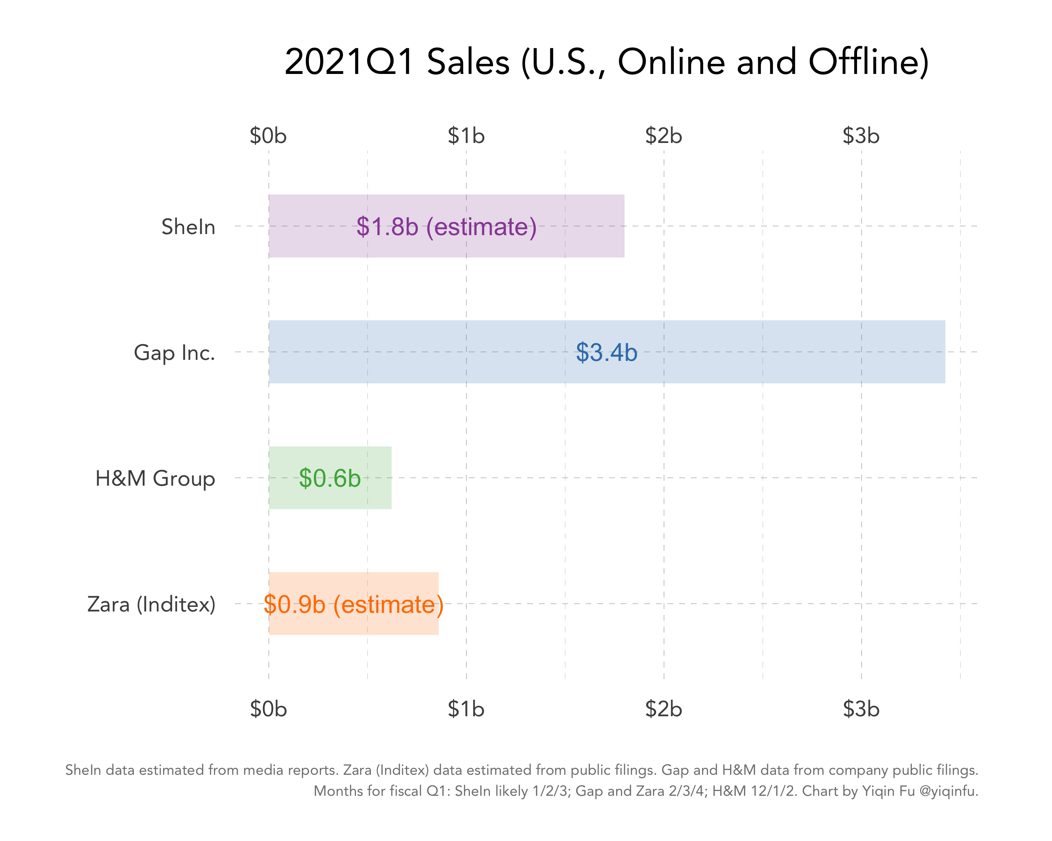
` | Year | H&M | Shein | Zara | Year | H&M | Shein | Zara
 | 2020 | 1.8 | 10 | 1.4 | 2019 | 2.3 | 3.2 | 1.9
2019 sales across different retail brands
2020 sales across different retail brands

This clustered bar chart shows the sales across three different brands in 2019.
This clustered bar chart shows the sales across three different brands in 2020.

The two clustered bar charts illustrates a comparison of sales of three different brands, Zara, Shein, and H&M. When taking a closer look at H&M, we can see that the sales have decreased while there is a drastic increase in Shein sales. This shows that H&M is lacking in areas that Shein possesses, such as affordability and accessibilty.

Problem Statement
Problem Statement

Survey Results: Brand Preferences | H&M | Cotton On | Shein
We used lookup function IF, ISNUMBER and SEARCH to find and return brands into their columns. As there were multiple brands in each answer, we could not use IF or SEARCH functions.
COUNTIF- to count brand from main table and return to this
[ =COUNTIF(O4:O74,O2) ]
Shein |  |  | Shein
Cotton On |  | Cotton On
Shein |  |  | Shein
Cotton On, H&M, Uniqlo | H&M | Cotton On |  | Count | Brand
=IF(ISNUMBER(SEARCH($O$2,N4)),"H&M","")
Luckyshop, taobao , shopee , Shein |  |  | Shein | 13 | H&M
Uniqlo |  |  |  | 24 | Cotton On
Cotton On, Shein |  | Cotton On | Shein | 31 | Shein
Popularity of brands
playdress, editors market, Shein |  |  | Shein
Shein |  |  | Shein
Cotton On, Zara, Uniqlo, Shein |  | Cotton On | Shein
H&M, Uniqlo | H&M
Shoppe,Shein ( any shop that has discount) |  |  | Shein
Online store : tao bao,Shein |  |  | Shein
A clustered column allows for direct comparison of multiple data and works best with limited data points. We can infer that Shein is the most popular brand, followed by Cotton On and H&M.
Shoppee
Cotton On, H&M, Uniqlo | H&M | Cotton On
Shein |  |  | Shein
Uniqlo
shein and shopee |  |  | Shein
H&M, Uniqlo | H&M
Cotton On, Zara, H&M, Uniqlo, Pull & Bear, Shein | H&M | Cotton On | Shein
Cotton On, H&M | H&M | Cotton On
Zara, H&M | H&M
Cotton On, H&M | H&M | Cotton On
Thrift stores
Cotton On, H&M, Uniqlo | H&M | Cotton On
Shein |  |  | Shein
Uniqlo
Zara, Uniqlo, Pull & Bear, Pomelo
Thrift stores, Depop
Cotton On, Zara, Uniqlo, Shein |  | Cotton On | Shein
Depop, Ebay, Shein |  |  | Shein
Thrift stores, Shein |  |  | Shein
Cotton On |  | Cotton On
Thrift stores/zara/cotton on/Shein |  | Cotton On | Shein
Cotton On, Uniqlo |  | Cotton On
Thrift stores,Shein |  |  | Shein
Zara and Pull & Bear
Uniqlo
online store : tao bao,Shein |  |  | Shein
Zara
Zara, Cotton On |  | Cotton On
Shein and shopee |  |  | Shein
Uniqlo
H&M, Uniqlo | H&M
Cotton On, H&M, Uniqlo | H&M | Cotton On
Pull and Bear
Uniqlo, Thrift Stores
Online store, shoppee,Shein |  |  | Shein
Cotton On |  | Cotton On
Zara, Cotton On |  | Cotton On
Thrift stores, Cotton On |  | Cotton On
Shein and shopee |  |  | Shein
Shein, Zara, Cotton On, Pull & Bear |  | Cotton On | Shein
Zara, H&M | H&M
Thrift stores
Cotton On, Uniqlo |  | Cotton On
Uniqlo, Thrift Stores
Thrift Stores, Zara, Uniqlo,Shein |  |  | Shein
Zara, Shein |  |  | Shein
Cotton On and Pull & Bear |  | Cotton On
Thrift stores/online
Shein |  |  | Shein
Zara
Cotton On,Shein |  | Cotton On | Shein
Cotton On/Uniqlo? |  | Cotton On
Shein |  |  | Shein
Shein, ASOS, Zalora |  |  | Shein
Thrift stores,Shein |  |  | Shein
Zara
Thrift stores,Shein |  |  | Shein
Zara, H&M, Cotton On | H&M | Cotton On

Solution (A)
Solution A : FASHION

COUNTIF function was used to create this table.
Scale from 1 to 5, 1 being least important and 5 being most important
When buying clothes, how important are each of these factors to you on a scale of 1 to 5? [Fashion Sense] |  | When buying clothes, how important are each of these factors to you on a scale of 1 to 5? [Fashion Sense]
2 | 5 | 25
5 | 4 | 25
4 | 3 | 12
3 | 2 | 4
5 | 1 | 5
3
4
4
1
5
This clustered columnn shows the ratings given by our surveyors for the question, "When buying clothes, how important are each of these factors to you on a scale of 1 to 5? (Fashion sense)".
It is a clear representation that more than half of our surveyees value fashion sense when purchasing clothes. Thus, this shows that H&M should constantly review trends and designs to ensure customer's satisfication.
2
1
5
5
3
2
2
4
4
1
5
3
5
4
5
5
5
5
5
5
5
5
4
4
4
3
4
4
3
3
4
3
1
5
4
3
1
4
5
4
3
4
5
5
4
3
4
5
4
4
5
5
3
5
4
4
5
4
4
4
5

Solution (B1)
Solution B: SUSTAINABILITY

Bin for histogram
Central tendency-
=MODE(E10:G80)
=MEDIAN(E10:G80)
=AVERAGE(E10:G80)
=STDEV(E10:G80)
Bin |  | Bin | Frequence | Analysis | Preference | Column1
1 |  | 1 | 8 | Mode | 3
2 | 3 | 2 | 13 | Median | 3 | Mean | 3.2394366197
We used data analysis toolpak to check our central tendency values.
3 | 3 | 3 | 18 | Mean | 3.2394366197 | Standard Error | 0.15206795676
4 | 4 | 4 | 18 | SD | 1.2813473794 | Median | 3
5 | 1 | 5 | 14 |  |  | Mode | 3
 | 2 | More | 0 |  |  | Standard Deviation | 1.2813473794
 | 1 |  |  |  |  | Sample Variance | 1.6418511066
 | 5 |  |  |  |  | Kurtosis | -0.98238087284
 | 5 |  |  |  |  | Skewness | -0.21332044714
 | 4 |  |  |  |  | Range | 4
 | 3 |  |  |  |  | Minimum | 1
 | 3 |  |  |  |  | Maximum | 5
 | 2 |  |  |  |  | Sum | 230
 | 4 |  |  |  |  | Count | 71
 | 3
 | 4
This Histogram shows how our survey respondants value sustainability. We can infer that most of them find it important.
 | 3
 | 4
 | 4
 | 4
 | 5
 | 1
 | 4
 | 5
 | 5
 | 4
 | 3
 | 4
 | 4
 | 5
 | 3
 | 3
 | 5
 | 4
 | 4
 | 2
 | 3
 | 2
 | 1
 | 4
 | 5
 | 5
 | 3
 | 5
 | 4
 | 5
 | 3
 | 4
 | 5
 | 2
 | 1
 | 3
 | 4
 | 2
 | 3
 | 1
 | 2
 | 2
 | 3
 | 1
 | 5
 | 2
 | 2
 | 3
 | 4
 | 2
 | 2
 | 3
 | 3
 | 1
 | 5
 | 2

Solution (B2)
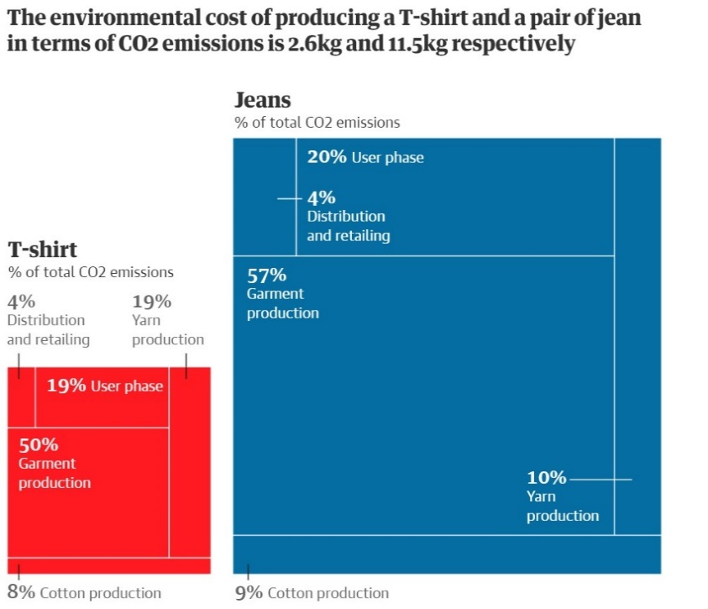
Solution B: SUSTAINABILITY
Usage | Amount | Usage | Amount
User Phase | 2.3 | User Phase | 0.494
Distribution and retailing | 4.6 | Distribution and retailing | 1.04
Garment Production | 6.555 | Garment Production | 1.3
Yarn Production | 1.15 | Yarn Production | 0.494
 | 11.5 |  | 2.5

The following Treemaps show the C02 emissions that are released to make jeans and tshirts respectively and the aspects of these emissions.
Treemaps are effective in showing multi-variate data. as such, we can see that most C02 emissions occur from garment production. We have made the size of the first treemap bigger to visualise the greater number of resources used to make jeans.

Resources used to make a pair of jeans |  | Resources used to make a tshirt

Online Source:

Solution (B3)
Solution B: SUSTAINABILITY

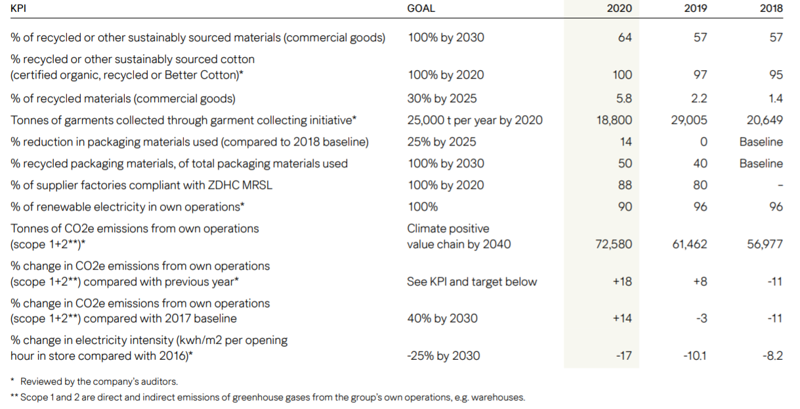
 | % Recycled or sourced materials |  |  |  | Garment Collecting Initiative
Material Source | 2018 | 2019 | 2020 |  | Year | Amount
recycled | 1.40% | 2.20% | 5.81% |  | 2020 | 18800
sustainably sourced | 56.60% | 57.10% | 64.48% |  | 2019 | 29005
Unsustainable | 42.00% | 40.70% | 29.7100% |  | 2018 | 20649
% Of Recycled or Sustainably sourced materials
 |  |  |  |  | 2017 | 6200
Garments colleted
 | Total
2017 | 6200
2018 | 20649
2019 | 29005
2020 | 18800

Information has been taken from H&M Sustainability report 2020.

This graph is effective in showing multiple types of data. We can see that H&M is becoming more sustainable yearly.

Row Labels | Sum of recycled | Sum of unsustainable | Sum of better cottoninitiative | Sum of organic
2020 | 0.008 | 0 | 0.783 | 0.199
Grand Total | 0.008 | 0 | 0.783 | 0.199

 | Sum of organic | Sum of unsustainable | Sum of better cottoninitiative | Sum of recycled
2017 | 0.121 | 0.407 | 0.47 | 0.002
2018 | 0.146 | 0.052 | 0.799 | 0.003
2019 | 0.16 | 0.034 | 0.8 | 0.006
2020 | 0.199 | 0 | 0.783 | 0.008
Year timeline is effective in filtering table data by year.

Solution (C1)
Solution C : PRICE

COUNTIF function was used to create this table.
Scale from 1 to 5, 1 being lthe east important and 5 being the most important.
Are you satisfied with the current pricing of H&M clothes? | When buying clothes, how important are each of these factors to you on a scale of 1 to 5? [Price]
No | 5 |  | Are you satisfied with the current pricing of H&M clothes? |  | When buying clothes, how important are each of these factor to you on a scale of 1 to 5? (Price)
Yes | 5 | Yes | 32 | 5 | 35
Yes | 3 | No | 39 | 4 | 14
Yes | 1 |  |  | 3 | 15
Yes | 5 |  |  | 2 | 4
Yes | 1 |  |  | 1 | 3
No | 4
No | 3
No | 5
No | 3
Yes | 5
Yes | 5
This pie chart shows the responses from the question, "Are you satisfied with the current pricing of H&M clothes?"
It is a clear representation of the collated data, with more surveyors disagreeing with the statement. Thus, this shows that H&M should review the prices of their items.
Yes | 3
No | 5
No | 3
No | 4
No | 5
No | 5
Yes | 3
Yes | 5
Yes | 2
No | 3
No | 5
No | 5
Yes | 3
No | 5
Yes | 4
Yes | 2
No | 5
Yes | 1
No | 5
No | 2
No | 5
Yes | 5
No | 4
This clustered chart shows clearly that surveyors value the pricing of clothes. With the rating of 5 being the majority, we can conclude that price is a crucial factor when purchasing clothing.
Yes | 5
No | 3
No | 4
Yes | 4
No | 5
No | 4
No | 5
No | 4
Yes | 5
No | 5
Yes | 2
No | 5
Yes | 3
No | 5
Yes | 5
No | 4
No | 3
Yes | 4
No | 5
Yes | 5
No | 3
Yes | 4
Yes | 5
No | 5
No | 5
Yes | 4
Yes | 4
Yes | 5
No | 5
No | 3
Yes | 5
No | 3
No | 3
Yes | 4
No | 5
Yes | 5

