Objective
Objective
A Test Case Document serves as a critical component of the software testing process, outlining the specific steps, inputs, and conditions required to verify that a software application functions as intended. Its primary objective is to ensure comprehensive validation of the system's functionality, performance, and security by providing a structured and systematic approach to testing. Below are the key objectives of a Test Case Document:
Ensure Coverage of Requirements
The main objective is to ensure that all functional requirements of the User Story are tested thoroughly. Each test case corresponds to a specific requirement/feature/Acceptance Criteria/Business Rule, helping to ensure that nothing is overlooked during the testing process.
Provide Clarity and Consistency
A well-structured test case document offers clarity to testers by providing detailed steps and expected outcomes for each scenario. This consistency ensures that testing is performed in the same manner across different environments and testers, reducing ambiguity and discrepancies.
Facilitate Test Reproducibility
Test cases act as a guide for executing specific tests in a repeatable manner. They allow different testers to reproduce the tests consistently and ensure that the software behaves correctly under the same conditions.
Identify and Track Defects
When a test case fails, the document provides the actual and expected results, which can be used to identify potential defects in the User Story.
Measure Testing Progress and Quality
By executing and tracking test cases, the team can measure the progress of the testing effort. It provides a tangible means to monitor how much of the system has been tested and how many test cases have passed, failed, or are yet to be executed, thereby offering insights into the quality of the software.

Screenshots
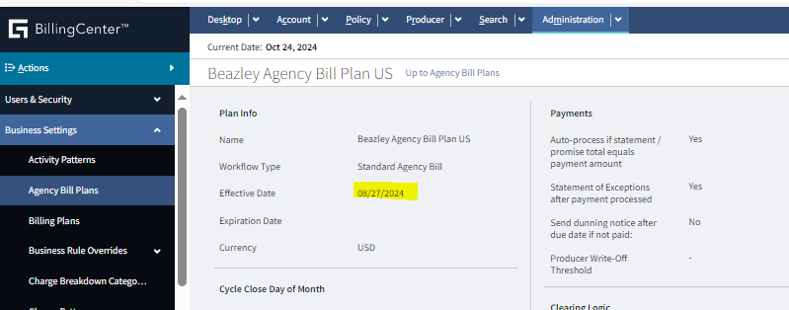

Agency Bill Plan

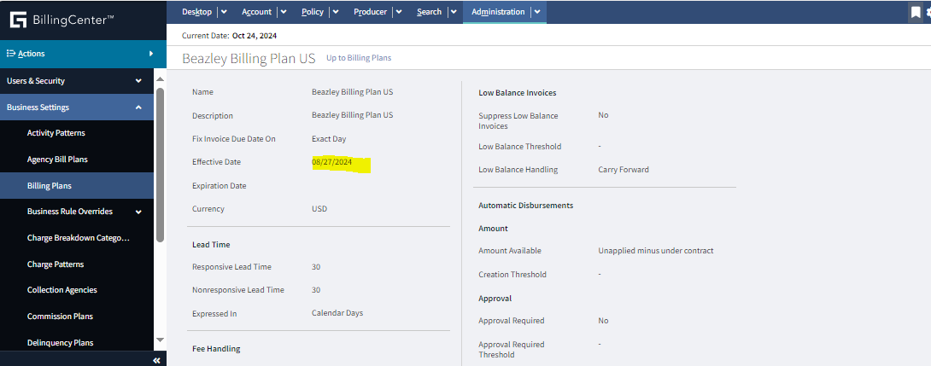
Billing Plan:

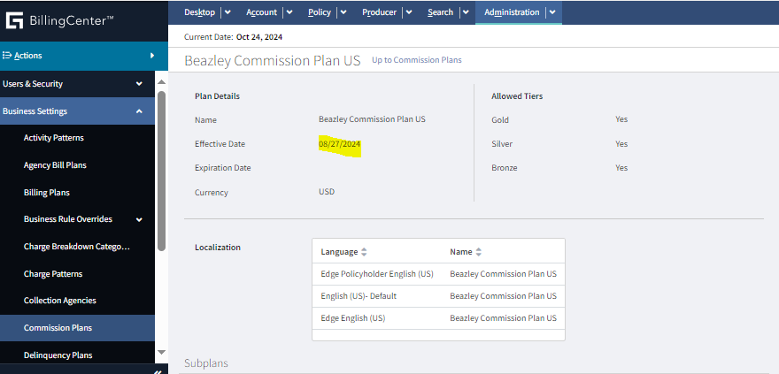

Commission Plan

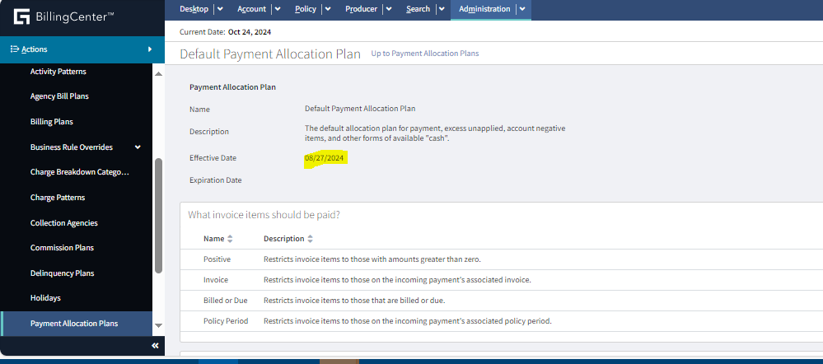

Default Payment Allocation Plan

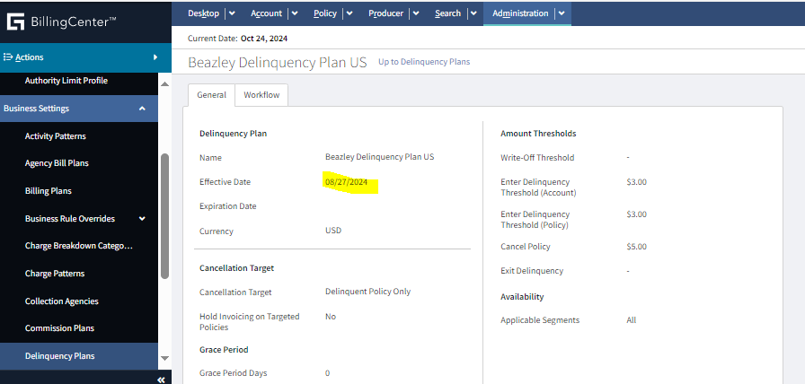

 | Delinquency Plan

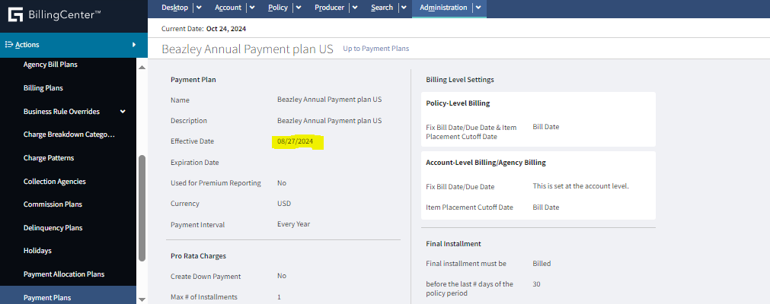

Payment Plan

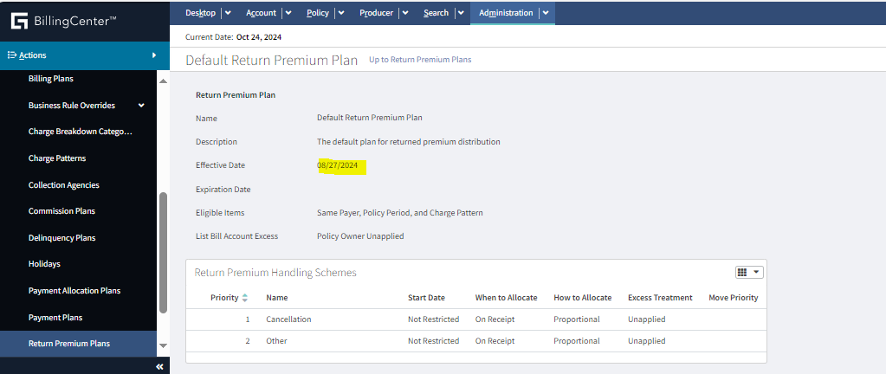
Return Premium Plan

