PIVOT CHART
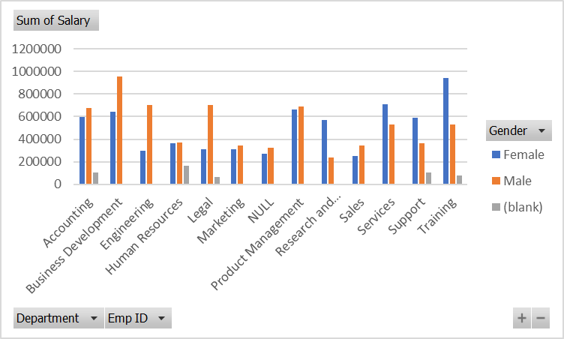
PIVOT CHART

