Validation

SQL Queries
KPI'S
1 | Total Revenue
 | Select floor(sum(total_price)) as Total_revenue from pizza_sales;

2 | Average Order Value
 | select Round(sum(total_price)/count(distinct order_id),2) as Average_order_value
 | from pizza_sales;

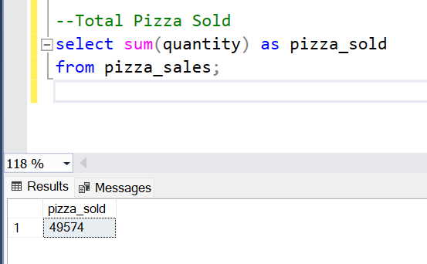
3 | Total Pizzas Sold
 | select sum(quantity) as pizza_sold
 | from pizza_sales;

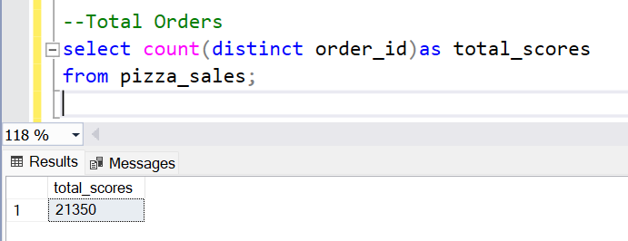
4 | Total Orders
 | select count(distinct order_id)as total_scores
 | from pizza_sales;

5 | Average Pizzas Per Order
 | select cast(cast(sum(quantity) as decimal(10,2))/ cast(count(distinct order_id) as decimal(10,2))as decimal(10,2))
 | as Avg_pizza_per_order
 | from pizza_sales;

Chart

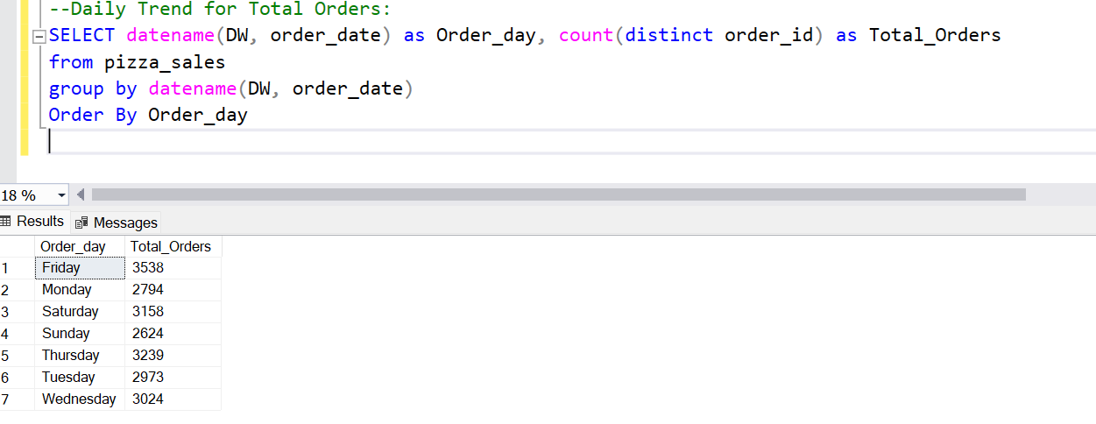
6 | Daily Trend for Total Orders:
 | SELECT datename(WEEKDAY, order_date) as Order_day, count(distinct order_id) as Total_Orders
 | from pizza_sales
 | group by datename(DW, order_date)
 | Order By Order_day

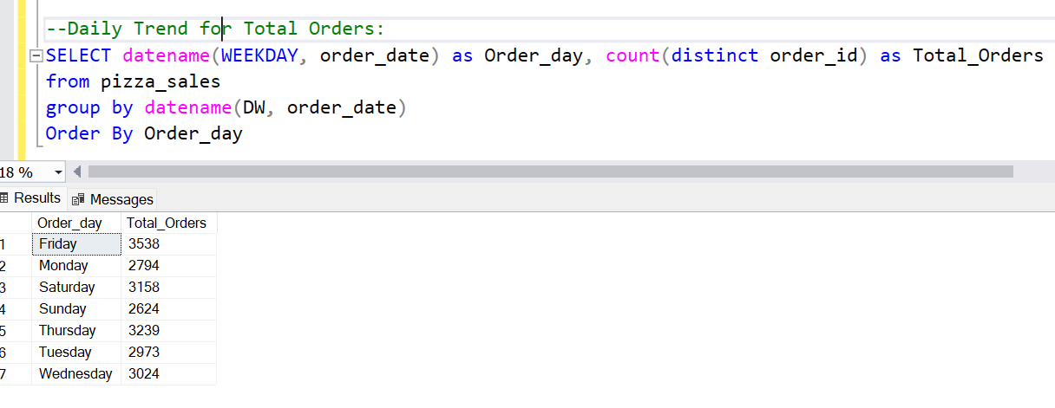
7 | Daily Trend for Total Orders:
 | SELECT datename(WEEKDAY, order_date) as Order_day, count(distinct order_id) as Total_Orders
 | from pizza_sales
 | group by datename(DW, order_date)
 | Order By Order_day

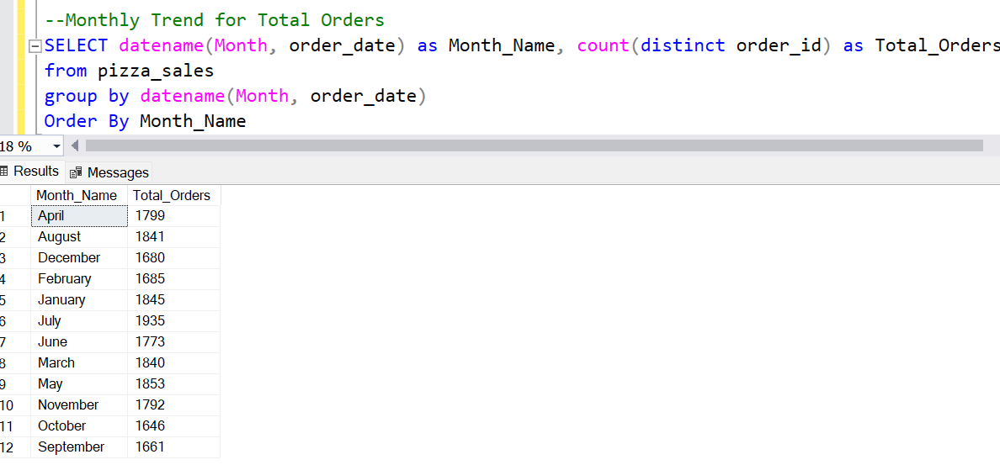
8 | Monthly Trend for Total Orders
 | SELECT datename(Month, order_date) as Month_Name, count(distinct order_id) as Total_Orders
 | from pizza_sales
 | group by datename(Month, order_date)
 | Order By Month_Name

9 | Percentage of Sales by Pizza Category
 | select pizza_category, sum(total_price) *100 / (select sum(total_price) from pizza_sales)
 | as sales_Percentage
 | from pizza_sales
 | group by pizza_category;

january | select pizza_category, sum(total_price) *100 / (select sum(total_price) from pizza_sales
 | where month(order_date) = 1)
 | as sales_Percentage
 | from pizza_sales
 | where month(order_date) = 1

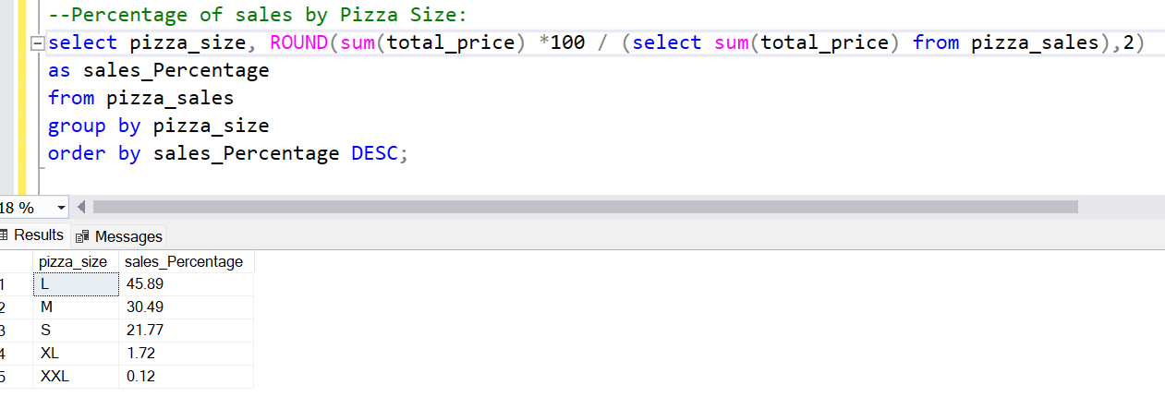
10 | Percentage of sales by Pizza Size
 | select pizza_size, ROUND(sum(total_price) *100 / (select sum(total_price) from pizza_sales),2)
 | as sales_Percentage
 | from pizza_sales
 | group by pizza_size
 | order by sales_Percentage DESC;

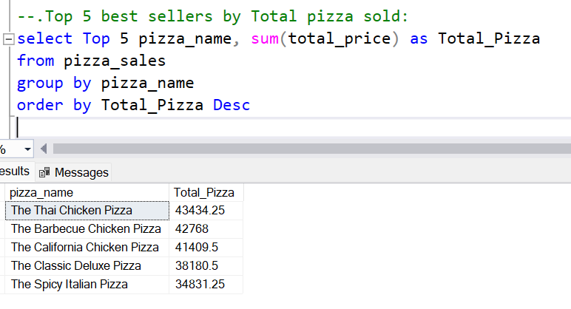
11 | Top 5 best sellers by Total pizza sold:
 | select Top 5 pizza_name, sum(total_price) as Total_Pizza
 | from pizza_sales
 | group by pizza_name
 | order by Total_Pizza DESC

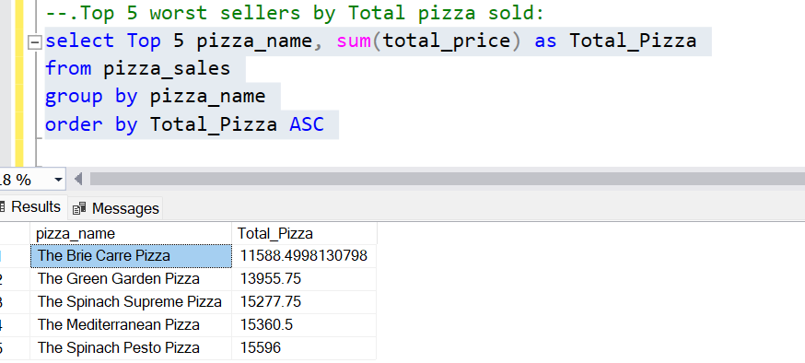
12 | Bottom 5 worst sellers by Total Pizzas Sold
 | select Top 5 pizza_name, sum(total_price) as Total_Pizza
 | from pizza_sales
 | group by pizza_name
 | order by Total_Pizza ASC

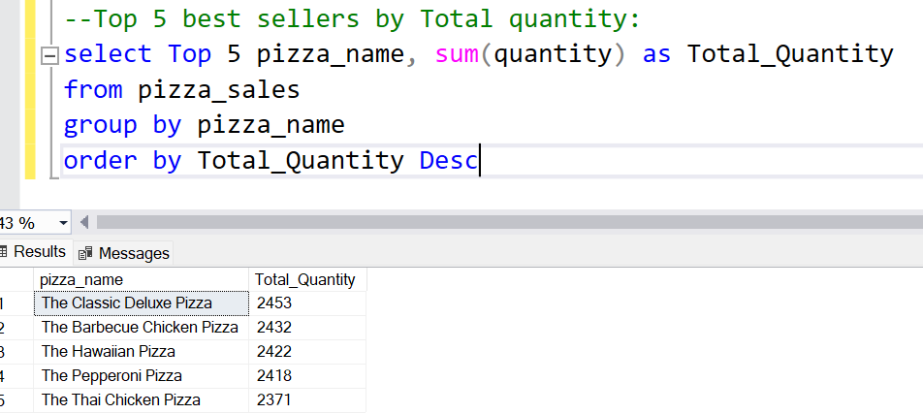
13 | Top 5 best sellers by respect to total quantity
 | select Top 5 pizza_name, sum(quantity) as Total_Quantity
 | from pizza_sales
 | group by pizza_name
 | order by Total_Quantity Desc

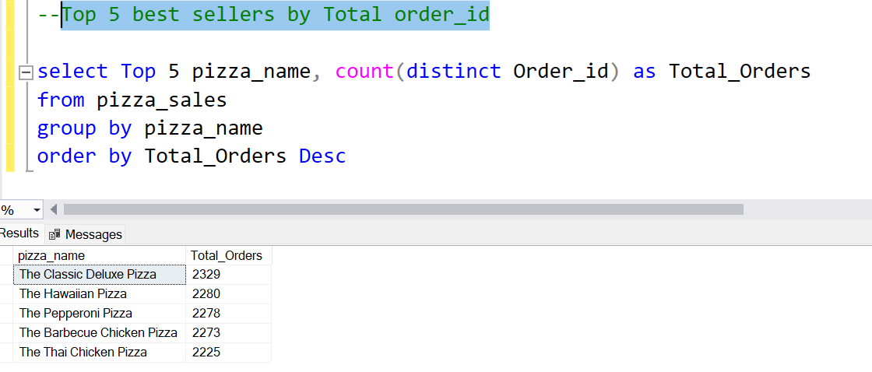
14 | Top 5 best sellers by Total order_id

