Ampligrip
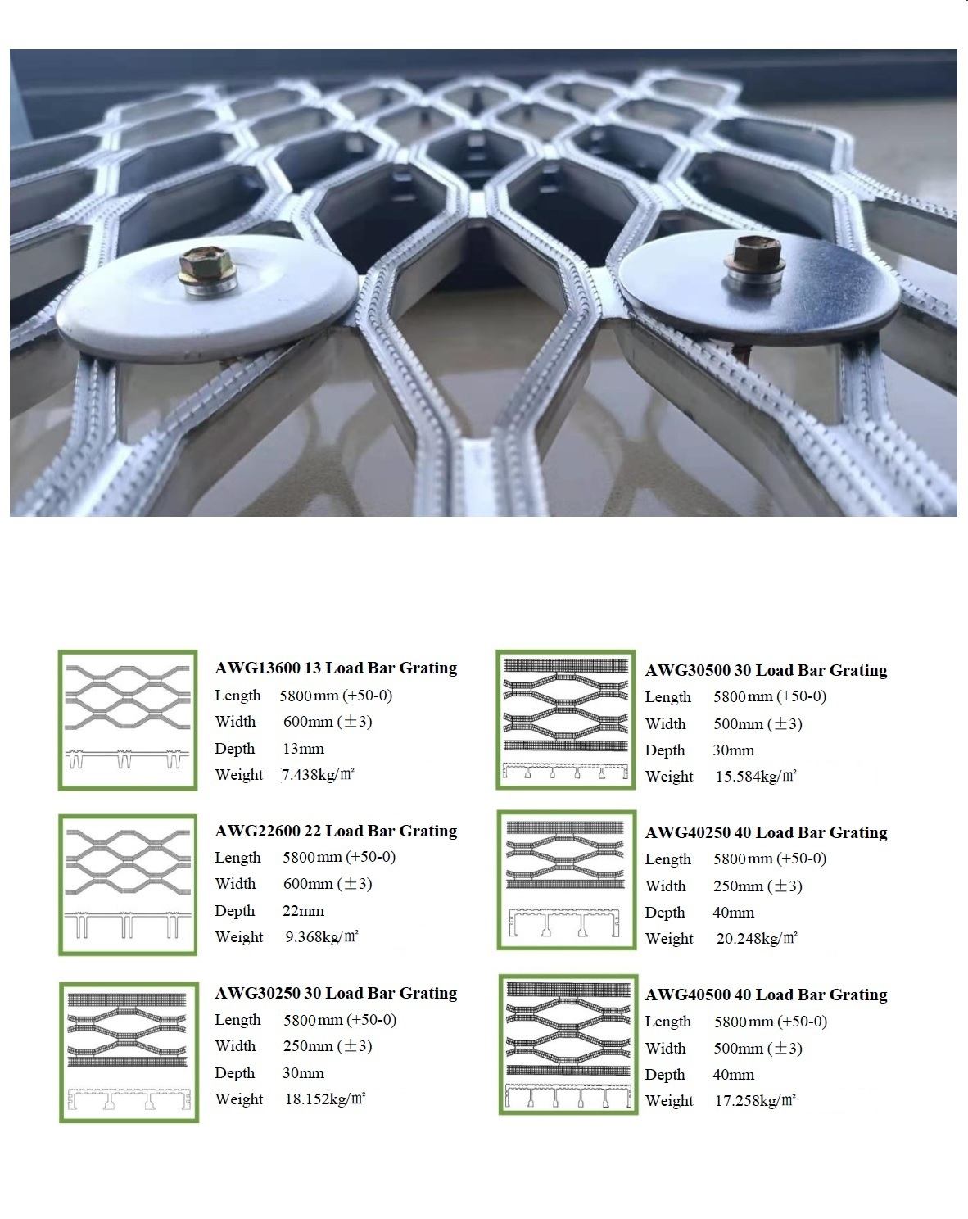
Aluminium AMPLIGRIP 6063 T6

Thk (T) | Width (W) | Length (L)

13mm | 600mm | 5800mm
22mm | 600mm | 5800mm
30mm | 500mm | 5800mm
40mm | 500mm | 5800mm

