Outcomes Based on Goals
Goal | Number Successful | Number Failed | Number Canceled | Total Projects | Percentage Successful | Percentage Failed | Percentage Canceled
Less than 1000 | 141 | 45 | 0 | 186 | 75.81% | 24.19% | 0%
1000 to 4999 | 388 | 146 | 0 | 534 | 72.66% | 27.34% | 0%
5000 to 9999 | 93 | 76 | 0 | 169 | 55.03% | 44.97% | 0%
10000 to 14999 | 39 | 33 | 0 | 72 | 54.17% | 45.83% | 0%
15000 to 19999 | 12 | 12 | 0 | 24 | 50.00% | 50.00% | 0%
20000 to 24999 | 9 | 11 | 0 | 20 | 45.00% | 55.00% | 0%
25000 to 29999 | 1 | 4 | 0 | 5 | 20.00% | 80.00% | 0%
30000 to 34999 | 3 | 8 | 0 | 11 | 27.27% | 72.73% | 0%
35000 to 39999 | 4 | 2 | 0 | 6 | 66.67% | 33.33% | 0%
40000 to 44999 | 2 | 1 | 0 | 3 | 66.67% | 33.33% | 0%
45000 to 49999 | 0 | 1 | 0 | 1 | 0.00% | 100.00% | 0%
Greater than 50000 | 2 | 14 | 0 | 16 | 12.50% | 87.50% | 0%

Outcomes Based on Goal

Theater Outcomes by Launch Data
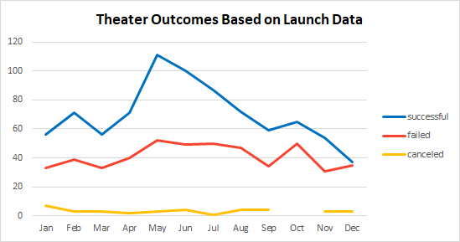
Parent Category | theater
Years | (All)

Theater Outcomes Based on Launch Data
 | successful | failed | canceled
Jan | 56 | 33 | 7
Feb | 71 | 39 | 3
Mar | 56 | 33 | 3
Apr | 71 | 40 | 2
May | 111 | 52 | 3
Jun | 100 | 49 | 4
Jul | 87 | 50 | 1
Aug | 72 | 47 | 4
Sep | 59 | 34 | 4
Oct | 65 | 50
Nov | 54 | 31 | 3
Dec | 37 | 35 | 3
Count of Campaign | Column Labels
Launch Date | successful | failed | canceled | Grand Total
Jan | 56 | 33 | 7 | 96
Feb | 71 | 39 | 3 | 113
Mar | 56 | 33 | 3 | 92
Apr | 71 | 40 | 2 | 113
May | 111 | 52 | 3 | 166
Jun | 100 | 49 | 4 | 153
Jul | 87 | 50 | 1 | 138
Aug | 72 | 47 | 4 | 123
Sep | 59 | 34 | 4 | 97
Oct | 65 | 50 |  | 115
Nov | 54 | 31 | 3 | 88
Dec | 37 | 35 | 3 | 75
Grand Total | 839 | 493 | 37 | 1369

