in_vivo_growth_rate
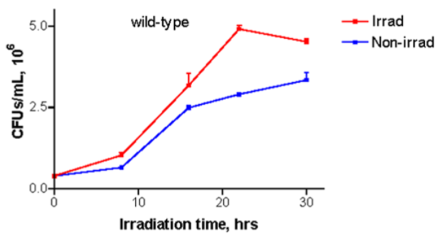
x | y
8 | 0.7
15.9 | 2.525
21.75 | 2.925
29.6 | 3.35

doubling time
9.5628778924
growth rate
0.10457103094

source: Ionizing radiation changes the electronic properties of melanin and enhances the growth of melanized fungi

Summaries
A. terreus
(Lining Liu)
295
51
27
109
156
108
8
34
5
14
2
50
62
4
18
Total EC #’s: 943
A. niger
(Jens Nielsen)
A. oryzae
(Jens Nielsen)
A. nidulans
(Jens Nielsen)
% EC#, terr | 89.80%
% EC#, ory | 86.25%
% EC#, nig | 62.32%
% EC#, nid | 89.86%

