Loss History & Premium
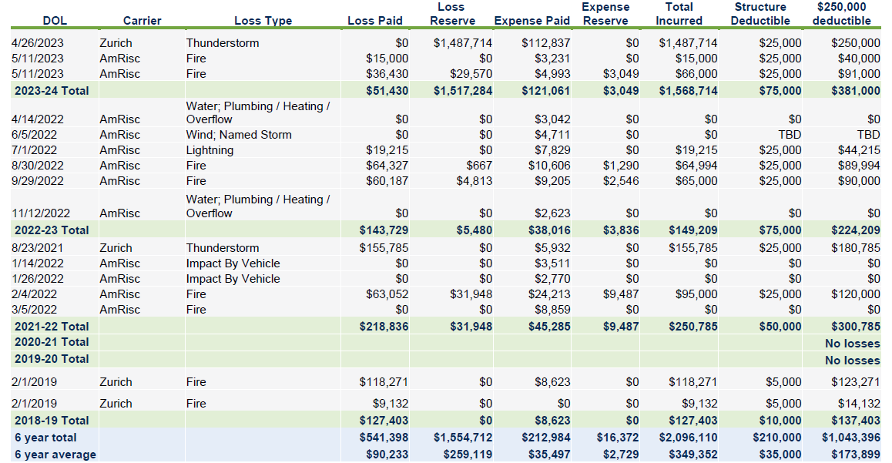
Property Premium Summary
Location | Premium | AOP Deductible | Named Storm Ded. | All Other Wind Hail Ded. | LIMIT
Location ALL | $4,814,940.00 | $25,000 | 5% per building | 1% per occurrence | $75M Primary ALL PERILS

