Line Sizing
Line Sizing and Pressure Drop Calculator

INPUTS (edit only yellow cells)
Fluid | ethylene dichloride |  | SI value | SI unit |  | Type of fitting or valve (List-1) | K value (velocity heads) | No. of valves and fittings | Pressure loss in pascal
Pipe internal diameter (D) | 8 | inch | 0.2032 | m |  | Gate valve (open) | 0.17 | 0 | 0
Pipe length (L) | 50 | m | 50 | m |  | Globe valve, bevel seat (open) | 6 | 0 | 0
Flow rate (Q) | 220 | m^3/h | 0.061111111111 | m^3/s |  | Plug valve (open) | 0.4 | 0 | 0
Density (ρ) | 853 | kg/m^3 | 853 | kg/m^3 |  | Diaphragm valve (open) | 2.3 | 0 | 0
Dynamic viscosity (μ) — leave 0 if unknown | 0.0674 | Pa·s |  |  |  | Angle valve (open) | 2 | 0 | 0
Absolute roughness (ε) | 0.045 | mm | 0.000045 | m |  | Check valve (swing) | 2 | 0 | 0
 |  |  |  |  |  | Foot valve | 15 | 0 | 0
 |  |  |  |  |  | Coupling | 0.04 | 0 | 0
INTERMEDIATE CALCULATIONS |  |  |  |  |  | 90° elbow (standard) | 0.75 | 0 | 0
Cross-sectional area, A = π D^2 / 4 | 0.032429 | m^2 |  |  |  | 90° elbow (long radius) | 0.45 | 1 | 681.54938808
Velocity, v = Q / A | 1.8844 | m/s |  |  |  | 45° elbow (long radius) | 0.2 | 0 | 0
Reynolds number, Re = ρvD /μ | 4846.14 | - |  |  |  | 45° elbow (standard) | 0.35 | 0 | 0
Relative roughness, ε/D | 0.000221 | - |  |  |  | 90° bend | 0.75 | 0 | 0
Flow regime hint | Turbulent |  |  |  |  | 180° bend (closed return) | 1.5 | 0 | 0
RESULTS |  |  |  |  |  | Tee (straight through) | 0.4 | 0 | 0
Method | Darcy f (f_D) | Fanning f (f_F=f_D/4) | ΔP (Pa) | ΔP (bar) |  | Butterfly valve (α = 5°) | 0.24 | 0 | 0
Blasius (smooth) — valid for turbulent only | 0.0379 | 0.0095 | 14132.4892 | 0.1413 |  | Check valve (swing type) | 2 | 0 | 0
Swamee–Jain (explicit Colebrook) | 0.0385 | 0.0096 | 14343.3414 | 0.1434 |  | Strainer |  | 1 | 20000
Haaland (explicit) | 0.0383 | 0.0096 | 14257.7011 | 0.1426 |  | Total Loss |  |  | 20681.549388 | pascal
 |  |  |  |  |  |  |  |  | 0.20681549388 | bar

Tips
• Enter diameter, length, flow, density, viscosity, roughness; choose proper units. • Outputs: Darcy and Fanning friction factors, headloss (m), ΔP (Pa), ΔP per 100 m. |  | 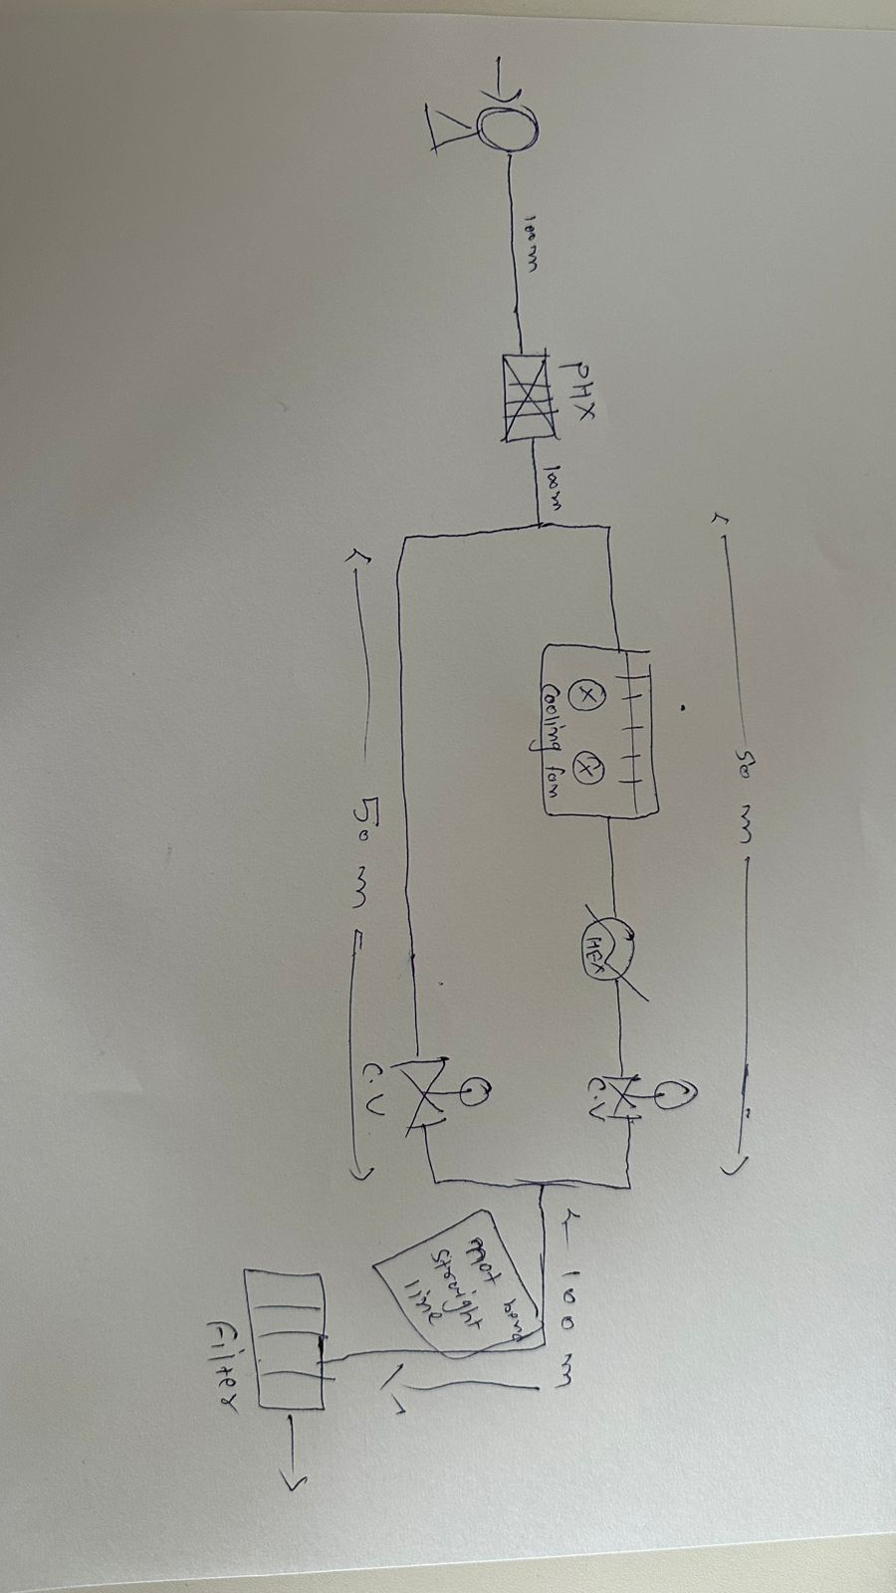

 |  | Pressure drop line and equip. | length | pressure drop | total with components
 |  | line-1 | 100 m | 0.2869 | 0.5738
 |  | Plate type HEX | - | 0.7 | 0.7
 |  | line-2 | 100m | 0.2869 | 0.5738
Here, we habe bypass line, so we comsider
only that line which have maximum pressure drop.
Line-4 have minimum, so we will not consider that.
 |  | cooler (line-3) |  |  | 0.5
 |  | HEX (line-3) |  |  | 0.7
 |  | LINE-3 | 50m | 0.1434 | 0.2868
 |  | LINE-4 | 50m | 0.1434 | 0.2868
 |  | control valve (line-3) | - |  | 2.4
 |  | line-5 | 100m | 0.2869 | 0.5738
Pressure drop of bypass line
will be count in end.
CV(line-4) pressure drop= Pressure at the end point of line(3) -
Pressure drop of line(4)
 |  | At destination tank, we have already 1.8 barg pressure and we add elevcation pressure of 7.5 m |  |  | 2.4

 |  | total line pressure drop |  |  | 2.0082
 |  | total component and equp. |  |  | 4.8738

Pump Hydraulics
Pump hydraulics and Sizing (API 610)
Company Name | NA |  |  |  | Project Name
 |  |  |  |  | Project No. |  |  |  | Sheet |  | of
Project Location |  |  |  |  | Rev. No. | Prepared |  | Checked |  | Approved
 |  |  |  |  |  | Date | By | Date | By | Date | By
Pump Hydraulic Calculation |  |  |  |  | 1
 |  |  |  |  | 2
 |  |  |  |  | Pump Description and Sketch
Pump Tag No. |  | P-101 |  |  | 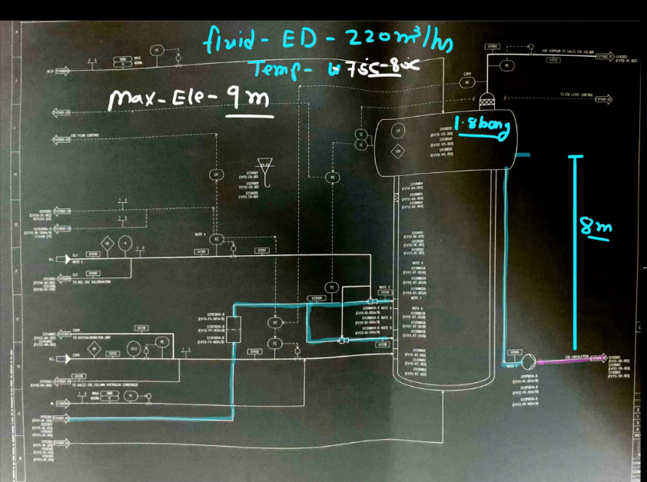 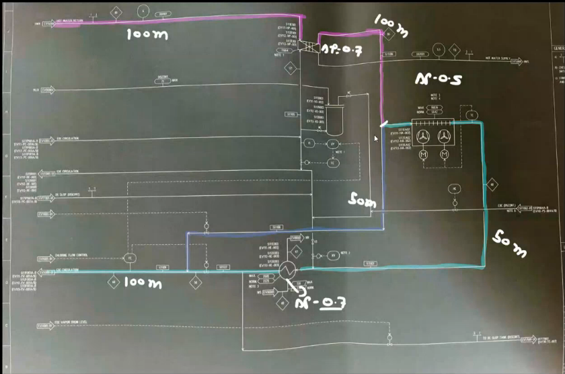
Pump Location
Service Fluid
General Datas
Minimum Temperature | 70 |  | C
Normal Temperature | 75 |  | C
Maximum Temperature | 80 |  | C
Flow Rate | 220 |  | m^3/hr
 | 853 |  | kg/m^3
Viscosity | 0.001 |  | Pa.s
Suction side line Size (Refere Line sizing Spreadsheet) | 0.254 |  | m
Dischatrge side line size (Refere Line sizing Spreadsheet) | 0.2032 |  | m
Suction side line length | 6 |  | m
Dischatrge side line length | 200 |  | m
Vapor pressure of fluid (Pv) | 0.103 |  | bar A
MOC | Commercial steel (typical)
Absolute roughness (ε) (List-0) | 0.000045 |  | m
Design Pressure margin for suction line | 10 |  | %
MCF Flow Margin | 20 |  | %
Shutoff Head margin | 25 |  | %
Design pressure margin for Downstream components (Note-11) | 10 |  | %
Suction Side

Suction side data | Value | Unit | in bar | in meter
Operating pressure of Suction side Vessel (P) | 2.80000 | bar A | 2.8000 | 33.4611
Total Elevation of Suction side Vessel | 10.50000 | m | 0.8786 | 10.5000
Vessel HHLL Liquid level to pump centerline | 10.50000 | m | 0.8786 | 10.5000 | Pump Power Calculations
Vessel LL Liquid level to pump centerline (Z) | 8.00000 | m | 0.6694 | 8.0000
Total frictional loss suction side line (HFs1) (Refere Line sizing Spreadsheet) | 0.00800 | bar A | 0.0080 | 0.0956 | Pump Efficiency | 60 |  |  | %
Total frictional loss in all equ. & instru. (HFs2) (Refere List-1 and Notes) | 0.20200 | bar A | 0.2020 | 2.4140 | Motor Efficiency | 90 |  |  | %
Vapor pressure of fluid (Pv) | 0.10300 | bar A | 0.1030 | 1.2309 | Hydraulic Power | 41.403823769 |  |  | KW
NPSH(A) | 37.72061 | m | 3.1564 | 37.7206 | Break Horse Power | 69.006372948 |  |  | KW
Suction Head/ Suction Pressure | 38.95150 | m | 3.2594 | 38.9515 | Motor Power | 76.67374772 |  |  | KW
Maximum Suction Pressure/ Max. Operating Pressure (Note-6) | 3.46863 | bar A | 3.4686 | 41.4515 | Pump Calculation Summary
Design pressure of Suction line (Note-7) | 3.81550 | bar A | 3.8155 | 45.5967
Discharge Side
 |  |  |  |  | Volumetric Flow Rate | 220.00 |  |  | m^3/hr
Discharge Side data | Value | Unit | in bar | in meter | Total Differential Head | 80.97 |  |  | m
Operating pressure of Discharge side Vessel (P) | 2.4000 | bar A | 2.40 | 28.68 | Tortal Differential Pressure | 6.78 |  |  | bar A
Elevation Head(Z) | 9.0000 | m | 0.75 | 9.00 | Suction Pressure | 3.47 |  |  | bar A
Total frictional loss Dsicharge side line (HFs1) (Refere Line sizing Spreadsheet) | 2.0082 | bar A | 2.01 | 24.00 | Discharge Pressure | 10.04 |  |  | bar A
Total frictional loss in all equ. & instru. (HFs2) (Refere List-1 and Notes) | 4.8738 | bar A | 4.87 | 58.24 | NPSH Available (NPSH-A) | 37.72 |  |  | bar A
Toal differntial head | 10.04 | bar A | 10.04 | 119.92 | NPSH Required (NPSH-R) |  |  |  | bar A
Differential Head Calculation |  |  |  |  | Hydraulic Power | 41.40 |  |  | KW
 |  |  |  |  | Brake Power Required | 69.01 |  |  | KW
Differential Pressure/Head or Total Head | 6.78 | bar A | 80.97 | m | Motor Power Required | 76.67 |  |  | KW
Shutoff Head | 11.94 | bar A | 142.67 | m | Fluid Density | 853.00 |  |  | kg/m^3
Downstream components pressure | 13.13 | bar A | 156.93 | m | Fluid Vapour Pressure | 0.10 |  |  | bar A

