Basic Architecture
 | ExTest | Extest Tool is testing utility built on JMeter to facilitate OMS testing.
 | ExScripts Automation package | Includes the following core components to quickly create new scripts based on a toolbox of examples that follow best practices for maintainability.
 |  | § Project building blocks
 |  | § Technical building blocks
 |  | § Large library of Test Scripts

 | Base ExScripts Architecture

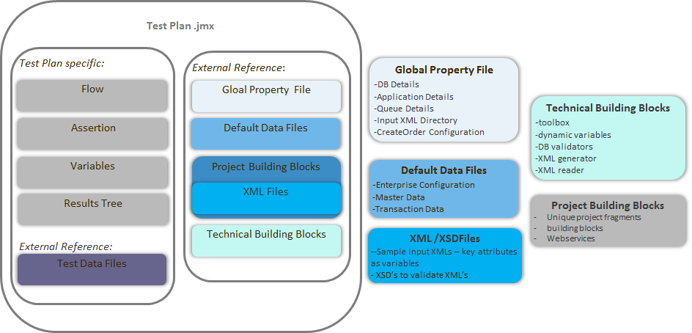

S.no | Module | Description
1 | Default Data | This folder contains the csv files with default values for various attributes used across the scripts. This is not used in the initial list of scripts.
2 | ExProjectBuildingBlocks | This folder contains different common functionalities clubbed as reusable components. These components covers different functionalities of project.
3 | ExTechnicalBuildingBlocks | This folder contains the *.jmx files that serve the purpose of building blocks in test cases which require the custom logic and include java code. For Ex: dynamicVariables.jmx is used to update the variables in the csv data in order to use them throughout in the test case jmx.
4 | Functional | These are sample use cases that are created for help understand how to create the test cases for different use cases.
5 | XSD | These include the XSD files to be used for validating the any outbound messages going out from OMS.
6 | XML | These are the input XMLs for various building blocks in ExProjectBuildingBlocks/ExTechnicalBuildingBlocks.
7 | ExScripts_global_config.properties: | This file contains the global configuration properties that include your environment details, DB details, and any other configuration details that are to be used globally.

Configuration
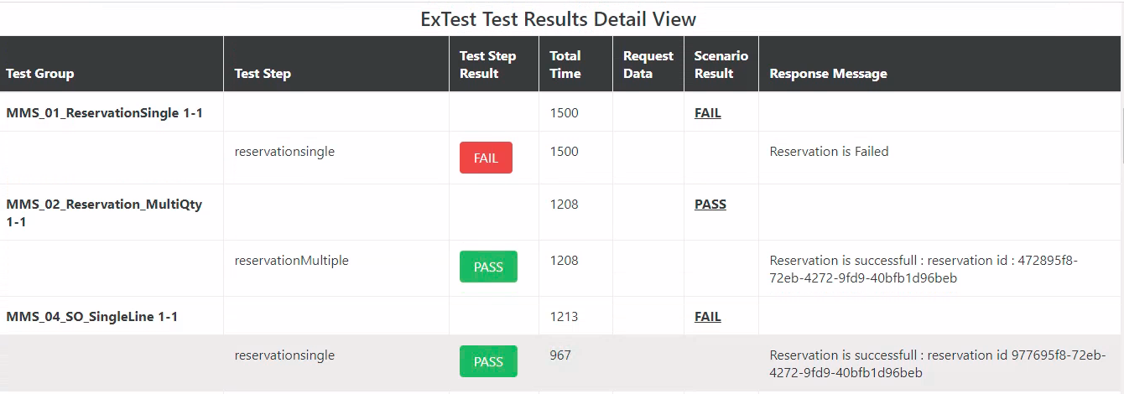
Pre requisite | Version
Java | Java 1.7 or greater must be installed on respective System/Server
Apache Ant Pluggin | Apache Ant 1.7 or greater must be installed on respective System/Server.

Tool Name | Download Link
ExTest-3.0.1.zip | https://mediasaturn-my.sharepoint.com/personal/mangalam_media-saturn_com/_layouts/15/onedrive.aspx?id=%2Fpersonal%2Fmangalam%5Fmedia%2Dsaturn%5Fcom%2FDocuments%2FExtest&ct=1633522797305&or=OWA%2DNT&cid=3405a575%2D0af8%2D44ef%2D5e5c%2D1ab013425807
MMS Automation folder | https://mediasaturn-my.sharepoint.com/personal/batras_media-saturn_com/_layouts/15/onedrive.aspx

Brief Steps to Run Automation Scripts :
1. Download MMS Automation zip and unzip the folder.
2. Copy uzipped Folder : MMS Automation and Paste it in (C:) Drive.
3. Now Navigate to extest batch file using below folder: (Optional) --> C:\MMS_Automation\Extest\bin 3.a Double click on extest batch file and Pop will appear asking "Run" or "Cancel". 3.b Click on Run to launch the ExTest application.
4. To run all the scripts, go to below path and double click on Extest_Report batch file -->C:\MMS_Automation\Extest\extras\ReportGenerator Command Promt Screen will open and Test scripts will start compiling.
5. Wait for the Build to be Successfull in command Promt screen. As soon as build is done a new HTML file will be created containing Total number of Test cases run and count of Pass or Fail.
6. To validate the report generated after running all the scripts, go to below path and open the Latest HTML file in any browser and validate the result. -->C:\MMS_Automation\Extest\extras\ReportGenerator\Report--> click on latest html file ( Validate the results )

 | Sample Output:

 | Summary of Failed Test Cases:

 | Test Result Detail view for each Test case:

