Sheet1
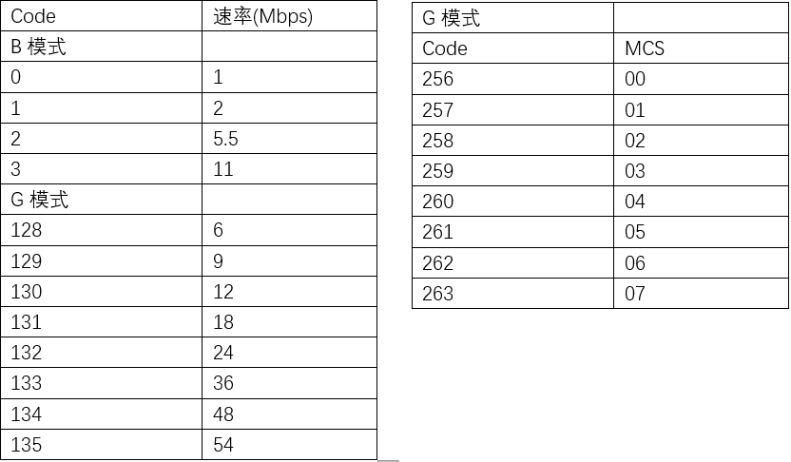
正常模式
echo "auto" > /proc/net/wlan0/set_rate | 设置自动速率
echo "rate=value" > /proc/net/wlan0/set_rate | 设置固定速率 | value(1, 2, 5.5, 11, 6, 9, 12, 18, 24, 36, 48, 54, mcs0, mcs1, mcs2, mcs3, mcs4, mcs5, mcs6, mcs7 )

echo "mac_r" > /proc/net/wlan0/cob | 读取mac地址(读写efuse)
echo "mac_w=value" > /proc/net/wlan0/cob | 设置mac地址(读写efuse) | echo "mac_w=b40418001234" > /proc/net/wlan0/cob

thermal
echo "thermal" > /proc/net/wlan0/cob | 读取温度(读写efuse)
echo "thermal=value" > /proc/net/wlan0/cob | 设置温度(读写efuse)

freq_efuse
echo "freq_efuse" > /proc/net/wlan0/cob | 读取频偏(读写efuse)
echo "freq_efuse=value" > /proc/net/wlan0/cob | 设置频偏，范围是 0x00-0x3f(读写efuse) | echo "freq_efuse=3f" > /proc/net/wlan0/cob

Frequency
echo "Frequency" > /proc/net/wlan0/cob | 读取频偏
echo "Frequency=value" > /proc/net/wlan0/cob | 设置频偏，范围是 0x00-0x3f | echo "Frequency=3f" > /proc/net/wlan0/cob

powercal
echo "powercal=value" > /proc/net/wlan0/cob | write PowerCal value(读写efuse) | echo "powercal=202122232425262728292A30313233343536373839" > /proc/net/wlan0/cob powercal ok
echo "powercal" > /proc/net/wlan0/cob | get PowerCal value(读写efuse)

MP模式
echo "start" > /proc/net/wlan0/mp | 先执行这一句，进入mp模式
Mac |  | 例子
echo "mac_r" > /proc/net/wlan0/mp | 读取mac地址(读写efuse)
echo "mac_w=value" > /proc/net/wlan0/mp | 设置mac地址(读写efuse) | echo "mac_w=b40418001234" > /proc/net/wlan0/mp

thermal
echo "thermal" > /proc/net/wlan0/mp | 读取温度(读写efuse)
echo "thermal=value" > /proc/net/wlan0/mp | 设置温度(读写efuse)

freq
echo "freq_efuse" > /proc/net/wlan0/mp | 读取频偏(读写efuse)
echo "freq_efuse=value" > /proc/net/wlan0/mp | 设置频偏，范围是 0x00-0x3f(读写efuse) | echo "freq_efuse=3f" > /proc/net/wlan0/mp

Frequency
echo "Frequency" > /proc/net/wlan0/mp | 读取频偏
echo "Frequency=value" > /proc/net/wlan0/mp | 设置频偏，范围是 0x00-0x3f | echo "Frequency=3f" > /proc/net/wlan0/mp

powercal
echo "powercal=value" > /proc/net/wlan0/mp | write PowerCal value(读写efuse) | echo "powercal=202122232425262728292A30313233343536373839" > /proc/net/wlan0/mp powercal ok
echo "powercal" > /proc/net/wlan0/mp | get PowerCal value(读写efuse)

channelplan
echo "channelplan=value" > /proc/net/wlan0/mp | 设置信道计划(读写efuse)
echo "channelplan" > /proc/net/wlan0/mp | 读取信道计划(读写efuse)

TX功率
echo "tx_power0=value" > /proc/net/wlan0/mp |  | echo "tx_power0=44" > /proc/net/wlan0/mp

channel
echo "channel=value" > /proc/net/wlan0/mp | 设置信道 | echo "channel=1" > /proc/net/wlan0/mp

bw
echo "bw=value" > /proc/net/wlan0/mp | 设置带宽 | echo "bw=0" > /proc/net/wlan0/mp

GI
echo "gi=value" > /proc/net/wlan0/mp | 设置GI(0=short,1=long) | echo "gi=0" > /proc/net/wlan0/mp

rate
echo "rate=value" > /proc/net/wlan0/mp | 设置速率，其中rate 和 code关系如下图 | echo "rate=135" > /proc/net/wlan0/mp

TX
echo "tx=frame" > /proc/net/wlan0/mp | 启动TX
echo "tx=frame,len=value" > /proc/net/wlan0/mp | 启动TX，帧长度为len
echo "tx=frame,count=value" > /proc/net/wlan0/mp | 启动TX，个数为count
echo "tx=frame,len=value,count=value" > /proc/net/wlan0/mp | 启动TX，帧长度为len,个数为count
echo "tx=lck" > /proc/net/wlan0/mp | 启动lck
echo "tx=stop" > /proc/net/wlan0/mp | 停止TX

RX
echo "rx=start1" > /proc/net/wlan0/mp | 启动RX
echo "rx=stop" > /proc/net/wlan0/mp | 停止RX

stats
echo "stats=query" > /proc/net/wlan0/mp | 获取当前状态（TX或者RX的个数）

