TOC
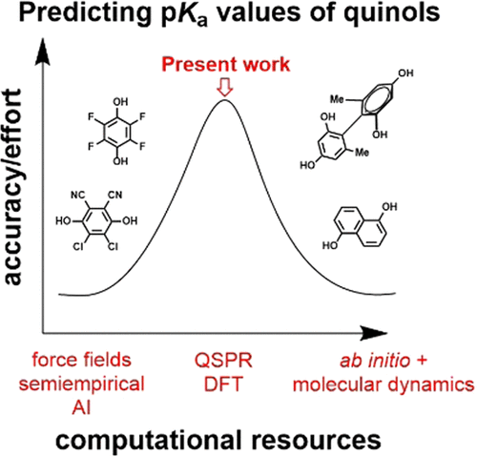
Num | Abb | TOC | Title | Date | DOI
1 | OL |  | A Convergent, Stereoselective Route to Trisubstituted Alkenyl Boronates | October 7, 2021 | https://pubs.acs.org/doi/10.1021/acs.orglett.1c03022
2 | JOC |  | Metal-Free Hydropyridylation of Thioester-Activated Alkenes via Electroreductive Radical Coupling | October 7, 2021 | https://pubs.acs.org/doi/10.1021/acs.joc.1c01526
3 | JCIM | 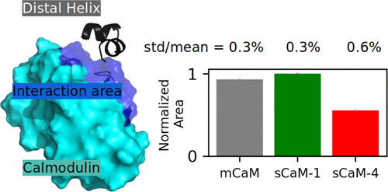 | Non-Canonical Interaction between Calmodulin and Calcineurin Contributes to the Differential Regulation of Plant-Derived Calmodulins on Calcineurin | October 7, 2021 | https://pubs.acs.org/doi/10.1021/acs.jcim.1c00873
4 | JACS | 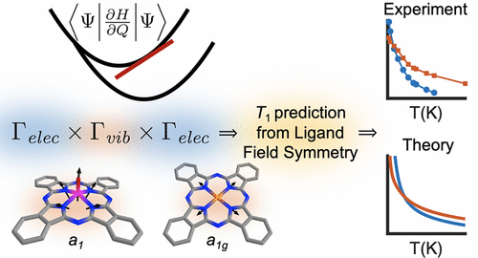 | The Impact of Ligand Field Symmetry on Molecular Qubit Coherence | October 7, 2021 | https://pubs.acs.org/doi/10.1021/jacs.1c04605
5 | Chem Rev. |  | Alkoxy Radicals See the Light: New Paradigms of Photochemical Synthesis | October 6, 2021 | https://pubs.acs.org/doi/10.1021/acs.chemrev.1c00256
6 | ACS Catal. |  | Nickel-Catalyzed Reductive Cross-Coupling of Heteroaryl Chlorides and Aryl Chlorides | October 6, 2021 | https://pubs.acs.org/doi/10.1021/acscatal.1c02307
7 | JMC | 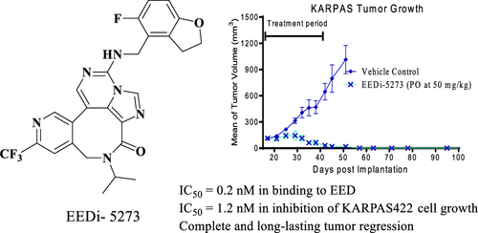 | Discovery of EEDi-5273 as an Exceptionally Potent and Orally Efficacious EED Inhibitor Capable of Achieving Complete and Persistent Tumor Regression | October 6, 2021 | https://pubs.acs.org/doi/10.1021/acs.jmedchem.1c01059
8 | JMC lett. | 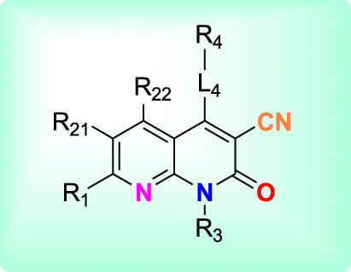 | Targeting KRAS Mutant Protein Inhibitor for Potential Treatment in Cancer | October 7, 2021 | https://pubs.acs.org/doi/10.1021/acsmedchemlett.1c00496
9 | ACS Omega | 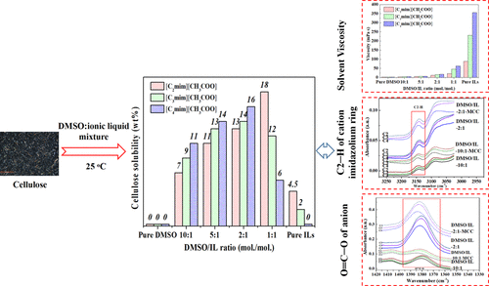 | Dissolution of Cellulose in Ionic Liquid–DMSO Mixtures: Roles of DMSO/IL Ratio and the Cation Alkyl Chain Length | October 7, 2021 | https://pubs.acs.org/doi/10.1021/acsomega.1c03954
10 | OPR&D | 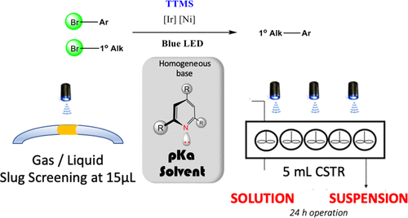 | Photoredox Iridium–Nickel Dual Catalyzed Cross-Electrophile Coupling: From a Batch to a Continuous Stirred-Tank Reactor via an Automated Segmented Flow Reactor | October 6, 2021 | https://pubs.acs.org/doi/10.1021/acs.oprd.1c00251

