About BatPaC
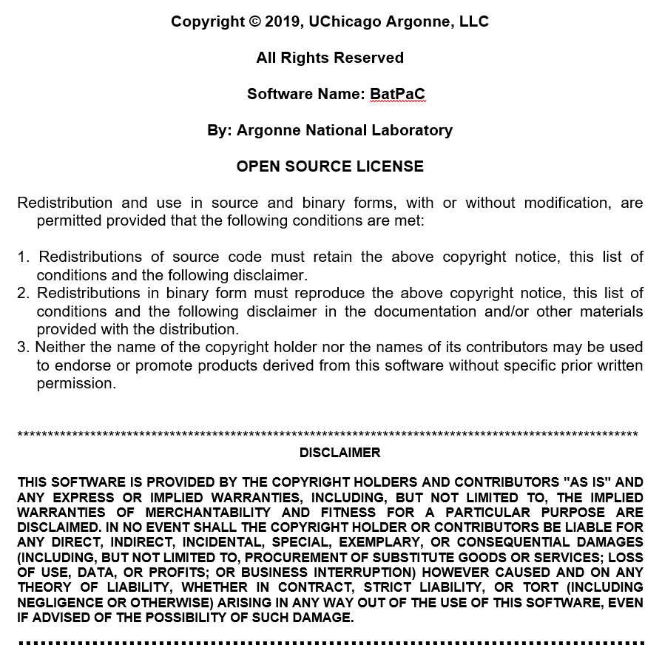

Paul Nelson, Shabbir Ahmed, Kevin Gallagher, Dennis Dees, Joseph Kubal, Juhyun Song, David Robertson
Chemical Sciences and Engineering Division
Argonne National laboratory
9700 S. Cass Avenue, Argonne IL 60439
https://www.anl.gov/tcp/batpac-battery-manufacturing-cost-estimation
https://www.anl.gov/cse/batpac-model-software

Dashboard
DASHBOARD

Default input values (can be changed by using Override) |  | Default input values (may be changed) |  |  | Required input by user |  | Optional override input

INPUTS
Chemistry |  | Current Selection | Choose |  | Costs | Current Selection
 | Electrode Pair | NMC811-G | NMC811-G
 | Positive Electrode: Li1.05(Ni0.8Mn0.1Co0.1)0.95O2 |  | Override |  | Positive Electrode, $/kg |  | Override
 | Positive active material specific capacity, mAh/g | 212 |  |  | Active material | $22.70 | 22.7
 | Void volume fraction, % | 25 |  |  | Carbon | $6.60
 | Positive foil thickness, mm | 15 |  |  | Binder | $9.50
 | Maximum positive electrode thickness, µm | 120 |  |  | Solvent (NMP) | $3.10

 | Negative Electrode: Graphite |  |  |  | Negative electrode, $/kg |  | Override
 | Negative active material specific capacity, mAh/g | 345 |  |  | Active material | $12.50
 | N/P capacity ratio after formation | 1.14 |  |  | Carbon Black | $6.60
 | Void volume fraction, % | 25 |  |  | Binder | $10.00
 | Negative current collector thickness, µm | 10 |  |  | Solvent (Water) | $0.00

 | Separator thickness, µm | 15 |  |  | Al Foil, $/m² | $0.30
 |  |  |  |  | Cu Foil, $/m² | $1.20
 | Maximum charging current density, mA/cm² | 9.00 |  |  | Separator, $/m² | $1.10
 |  |  |  |  | Electrolyte, $/L | $15.00

Battery Design |  | Current Selection | Choose |  |  |  | Override
 | Vehicle Type | EV | EV |  | Useable battery energy, % of total (EV) | 85
 | Coolant Type | EG-W | EG-W
 | Calculate Fast Charging? | No | No

 |  | Battery 1 | Battery 2 | Battery 3 | Battery 4 | Battery 5 | Battery 6 | Battery 7
 | Target battery pack power at 20% SOC, kW | 200 | 200 | 200 | 200 | 200 | 200 | 200
 | Number of cells per module (total) | 20 | 20 | 20 | 20 | 20 | 20 | 20
 | Number of cells in parallel group in module | 4 | 4 | 4 | 4 | 4 | 4 | 4
 | Number of modules in row | 5 | 5 | 5 | 5 | 5 | 5 | 5
 | Number of rows of modules per pack | 4 | 4 | 4 | 4 | 4 | 4 | 4
 | Number of modules in parallel | 1 | 1 | 1 | 1 | 1 | 1 | 1
 | Number of packs manufactured per year | 1,000 | 20,000 | 30,000 | 40,000 | 50,000 | 75,000 | 50,000
 | Energy requirement for a UDDS cycle, Wh/mile | 250 | 250 | 250 | 250 | 200 | 250 | 250
 | Select capacity, energy, or vehicle range, but only one.
 | Pack capacity (Ah)
 | Pack energy (kWh) | 100.0 | 100.0 | 100.0 | 100.0 | 100.0 | 100.0 | 100.0
 | Vehicle range (miles)
EV Charging
 | Time to recharge from 15% to 75% SOC, min | 9.65 | 9.65 | 9.65 | 9.65 | 9.65 | 9.65 | 9.65
 | Optional positive electrode thickness override

 | GWh manufactured | 0.1 | 2 | 3 | 4 | 5 | 7.5 | 5

Results

Calculation and Validation

 | Restart (0/1) | 1 | OR | CTRL+ SHIFT + R if Macro Enabled to Reconverge Calculation
 | Setting 0 will illiminate error messages, and setting back to 1 will allow the workbook to itterativly find the thickness of the cathode

 |  | Battery 1 | Battery 2 | Battery 3 | Battery 4 | Battery 5 | Battery 6 | Battery 7
 | Power-to-energy ratio | Acceptable | Acceptable | Acceptable | Acceptable | Acceptable | Acceptable | Acceptable
 | Adequacy of cooling | Excellent | Excellent | Excellent | Excellent | Excellent | Excellent | Excellent
 | Cathode thickness limited by | Li Deposition | Li Deposition | Li Deposition | Li Deposition | Li Deposition | Li Deposition | Li Deposition
 | Capacity requirements met? | Yes | Yes | Yes | Yes | Yes | Yes | Yes
 | Actual capacity
 | Chosen time to recharge met (60% SOC)?
 | Actual time to recharge (min)
 | Total Pack Voltage | 375 | 375 | 375 | 375 | 375 | 375 | 375

Summary of Results and Graphing |  | Battery system total energy storage, kWh | 19 | Pack total mass, kg |  | Cost of cells, $/kWhUse
Unit | Absolute | Battery 1 | Battery 2 | Battery 3 | Battery 4 | Battery 5 | Battery 6 | Battery 7
X = | Battery system total energy storage, kWh | 100 | 100 | 100 | 100 | 100 | 100 | 100
Y1 = | Pack total mass, kg | 436 | 436 | 436 | 436 | 434 | 436 | 436
Y2 = | Cost of cells, $/kWhUse | 226 | 126 | 119 | 114 | 110 | 105 | 110

Table of Results and Graphable Data |  |  |  |  |  | Minimum Value Between batteries 1-7
 |  |  |  |  |  | Maximum Value Between Batteries 1-7
System | EV Vehicle with NMC811-G Electrodes | Battery 1 | Battery 2 | Battery 3 | Battery 4 | Battery 5 | Battery 6 | Battery 7
1 | Battery system total energy storage, kWh | 100 | 100 | 100 | 100 | 100 | 100 | 100
2 | Required battery system power, kW | 200 | 200 | 200 | 200 | 200 | 200 | 200
3 | Pack power to energy ratio | 2 | 2 | 2 | 2 | 2 | 2 | 2
4 | Pack charging time for 80% ΔSOC, min | 56 | 56 | 56 | 56 | 56 | 56 | 56
5 | Cell capacity inadequate if X
6 | Positive electrode thickness, µm | 120 | 120 | 120 | 120 | 120 | 120 | 120
7 | Positive electode areal capacity, mAh/cm² | 8 | 8 | 8 | 8 | 8 | 8 | 8
8 | Negative electrode areal capacity, mAh/cm² | 8 | 8 | 8 | 8 | 8 | 8 | 8
9 | Cell capacity, Ah | 67 | 67 | 67 | 67 | 67 | 67 | 67
10 | Module mass, kg | 18 | 18 | 18 | 18 | 18 | 18 | 18
11 | Number of cells per pack | 400 | 400 | 400 | 400 | 400 | 400 | 400
12 | Nominal battery system voltage (OCV at 50% SOC), V | 375 | 375 | 375 | 375 | 375 | 375 | 375
13 | Cost of pack to OEM, $ | 23,094 | 13,307 | 12,579 | 12,112 | 11,775 | 11,215 | 11,776
14 | Pack total mass, kg | 436 | 436 | 436 | 436 | 434 | 436 | 436
15 | Pack volume, L | 251 | 251 | 251 | 251 | 249 | 251 | 251
16 | Total cost of cells, $/kWh | 192 | 107 | 101 | 97 | 94 | 89 | 94
17 | Cost of cells, $/kWhUse | 226 | 126 | 119 | 114 | 110 | 105 | 110
18 | Extra cost of meeting fast charging requirements, $ | NA | NA | NA | NA | NA | NA | NA
19 | Production volume, packs per year | 1,000 | 20,000 | 30,000 | 40,000 | 50,000 | 75,000 | 50,000
20 | Cell cost to OEM, US$/Cell | 48 | 27 | 25 | 24 | 23 | 22 | 23
21 | #N/A | #N/A | #N/A | #N/A | #N/A | #N/A | #N/A | #N/A
22 | #N/A | #N/A | #N/A | #N/A | #N/A | #N/A | #N/A | #N/A
23 | #N/A | #N/A | #N/A | #N/A | #N/A | #N/A | #N/A | #N/A
24 | #N/A | #N/A | #N/A | #N/A | #N/A | #N/A | #N/A | #N/A
25 | #N/A | #N/A | #N/A | #N/A | #N/A | #N/A | #N/A | #N/A
26 | #N/A | #N/A | #N/A | #N/A | #N/A | #N/A | #N/A | #N/A
27 | #N/A | #N/A | #N/A | #N/A | #N/A | #N/A | #N/A | #N/A
28 | #N/A | #N/A | #N/A | #N/A | #N/A | #N/A | #N/A | #N/A
29 | #N/A | #N/A | #N/A | #N/A | #N/A | #N/A | #N/A | #N/A
30 | #N/A | #N/A | #N/A | #N/A | #N/A | #N/A | #N/A | #N/A
31 | #N/A | #N/A | #N/A | #N/A | #N/A | #N/A | #N/A | #N/A
32 | #N/A | #N/A | #N/A | #N/A | #N/A | #N/A | #N/A | #N/A
33 | #N/A | #N/A | #N/A | #N/A | #N/A | #N/A | #N/A | #N/A
34 | #N/A | #N/A | #N/A | #N/A | #N/A | #N/A | #N/A | #N/A
35 | #N/A | #N/A | #N/A | #N/A | #N/A | #N/A | #N/A | #N/A
36 | #N/A | #N/A | #N/A | #N/A | #N/A | #N/A | #N/A | #N/A
37 | #N/A | #N/A | #N/A | #N/A | #N/A | #N/A | #N/A | #N/A
38 | #N/A | #N/A | #N/A | #N/A | #N/A | #N/A | #N/A | #N/A
39 | #N/A | #N/A | #N/A | #N/A | #N/A | #N/A | #N/A | #N/A
40 | #N/A | #N/A | #N/A | #N/A | #N/A | #N/A | #N/A | #N/A
41 | #N/A | #N/A | #N/A | #N/A | #N/A | #N/A | #N/A | #N/A
42 | #N/A | #N/A | #N/A | #N/A | #N/A | #N/A | #N/A | #N/A
43 | #N/A | #N/A | #N/A | #N/A | #N/A | #N/A | #N/A | #N/A
44 | #N/A | #N/A | #N/A | #N/A | #N/A | #N/A | #N/A | #N/A
45 | #N/A | #N/A | #N/A | #N/A | #N/A | #N/A | #N/A | #N/A
46 | #N/A | #N/A | #N/A | #N/A | #N/A | #N/A | #N/A | #N/A
47 | #N/A | #N/A | #N/A | #N/A | #N/A | #N/A | #N/A | #N/A
48 | #N/A | #N/A | #N/A | #N/A | #N/A | #N/A | #N/A | #N/A
49 | #N/A | #N/A | #N/A | #N/A | #N/A | #N/A | #N/A | #N/A
50 | #N/A | #N/A | #N/A | #N/A | #N/A | #N/A | #N/A | #N/A

Cost Breakdown
 | Cost Breakdown Analysis
 | Li1.05(Ni0.8Mn0.1Co0.1)0.95O2 / Graphite
 |  | Battery 1 | Battery 2 | Battery 3 | Battery 4 | Battery 5 | Battery 6 | Battery 7
 | Calculated Battery Parameters
 | Vehicle electric range, miles | 340 | 340 | 340 | 340 | 425 | 340 | 340
 | Number of battery packs | 1 | 1 | 1 | 1 | 1 | 1 | 1
 | Packs in series or parallel?
 | Number of cells per pack | 400 | 400 | 400 | 400 | 400 | 400 | 400
 | Number of modules per pack | 20 | 20 | 20 | 20 | 20 | 20 | 20
 | Battery system total energy storage, kWh | 100.0 | 100.0 | 100.0 | 100.0 | 100.0 | 100.0 | 100.0
 | Cell capacity, Ah | 67.4 | 67.4 | 67.4 | 67.4 | 67.4 | 67.4 | 67.4
 | Nominal battery system voltage (OCV at 50% SOC),V | 375.1 | 375.1 | 375.1 | 375.1 | 375.1 | 375.1 | 375.1
 | Battery system power at target % OCV, kW | 588.6 | 588.6 | 588.6 | 588.6 | 588.6 | 588.6 | 588.6
 | Required battery system power, kW | 200 | 200 | 200 | 200 | 200 | 200 | 200
 | Target % OCV at full power | 80 | 80 | 80 | 80 | 80 | 80 | 80
 | % OCV at full power adjusted for thickness limit | 94.2 | 94.2 | 94.2 | 94.2 | 94.2 | 94.2 | 94.2
 | Battery system volume (all packs, with cooling), L | 253.7 | 253.7 | 253.7 | 253.7 | 252.0 | 253.7 | 253.7
 | Battery system weight (all packs, with cooling), kg | 442.9 | 442.9 | 442.9 | 442.9 | 441.1 | 442.9 | 442.9
 | Cooling system power requirement, W | 174.7 | 174.7 | 174.7 | 174.7 | 125.1 | 174.7 | 174.7
 | Materials and Purchased Items Summary, $/Pack
 | Cost of positive active material, $/pack | 5,039.60 | 3,735.02 | 3,586.61 | 3,484.90 | 3,407.99 | 3,272.58 | 3,407.99
 | Cost of negative active material, $/pack | 1,621.88 | 1,396.27 | 1,368.24 | 1,348.70 | 1,333.74 | 1,306.97 | 1,333.74
 | Cost of carbon black, $/pack | 154.33 | 154.33 | 154.33 | 154.33 | 154.33 | 154.33 | 154.33
 | Cost of positive current collector, $/pack | 77.54 | 77.54 | 77.54 | 77.54 | 77.54 | 77.54 | 77.54
 | Cost of negative current collector, $/pack | 331.39 | 331.39 | 331.39 | 331.39 | 331.39 | 331.39 | 331.39
 | Cost of separators, $/pack | 502.22 | 502.22 | 502.22 | 502.22 | 502.22 | 502.22 | 502.22
 | Cost of electrolyte, $/pack | 519.71 | 519.71 | 519.71 | 519.71 | 519.71 | 519.71 | 519.71
 | Cost of cell hardware, $/pack | 866.91 | 476.18 | 439.09 | 414.53 | 396.44 | 365.56 | 396.44
 | Cost of module hardware, $/pack | 899.44 | 815.16 | 807.16 | 801.86 | 797.96 | 791.30 | 797.96
 | Cost of battery jacket, $/pack | 760.54 | 760.54 | 760.54 | 760.54 | 759.97 | 760.54 | 760.54
 | Total cost of materials and purchased items, $/pack | 10,773.56 | 8,768.35 | 8,546.83 | 8,395.73 | 8,281.29 | 8,082.14 | 8,281.87
 | Cost of battery management system | 589.46 | 436.87 | 419.51 | 407.61 | 398.62 | 382.78 | 398.62
 | Cost of thermal management system | 40.00 | 40.00 | 40.00 | 40.00 | 40.00 | 40.00 | 40.00
...
 | Li1.05(Ni0.8Mn0.1Co0.1)0.95O2 / Graphite
 |  | Battery 1 | Battery 2 | Battery 3 | Battery 4 | Battery 5 | Battery 6 | Battery 7
X | Cost of formation cycling, testing and sealing | 2,302 | 852 | 747 | 681 | 634 | 557 | 634
X | Cost of module and battery assembly | 1,656 | 488 | 416 | 372 | 341 | 292 | 341
X | Cost of cell and materials rejection and recycling | 109 | 40 | 35 | 32 | 30 | 26 | 30
X | Cost of receiving and shipping | 1,552 | 444 | 377 | 337 | 308 | 263 | 308
X | Cost of control laboratory | 477 | 128 | 108 | 96 | 87 | 74 | 87
X | Total manufacturing cost | 10,974 | 3,479 | 3,004 | 2,710 | 2,504 | 2,172 | 2,504
X | Battery pack total | 22,465 | 12,831 | 12,120 | 11,665 | 11,337 | 10,792 | 11,337
X | Pack integration (BMS & disconnects) | 589 | 437 | 420 | 408 | 399 | 383 | 399
X | Estimated cost to OEM for thermal management | 40 | 40 | 40 | 40 | 40 | 40 | 40
X | Total cost to OEM for complete battery system | 23,094 | 13,307 | 12,579 | 12,112 | 11,775 | 11,215 | 11,776
Overall Cost Breakdown Battery 1
Total cost of materials, $/pack | 8,247
Total cost of purchased items, $/pack | 2,527
Total cost of direct labor, $/pack | 2,525
Cost of variable overhead, $/pack | 1,531
Cost of general, sales, administration, $/pack | 1,665
Cost of research and development, $/pack | 1,042
Cost of depreciation, $/pack | 2,605
Per unit profit, $/pack | 1,132
Warranty (includes battery pack(s) only), $/pack | 1,191

Overall Cost Breakdown Battery 7
Total cost of materials, $/pack | 6,327
Total cost of purchased items, $/pack | 1,955
Total cost of direct labor, $/pack | 393
Cost of variable overhead, $/pack | 306
Cost of general, sales, administration, $/pack | 360
Cost of research and development, $/pack | 296
Cost of depreciation, $/pack | 741
Per unit profit, $/pack | 358
Warranty (includes battery pack(s) only), $/pack | 601

Materials and Purchased Items Cost Breakdown Battery 1

Materials and Purchased Items Cost Breakdown Battery 7

Cost Breakdown with Overhead Distributed to the Cost of Materials, Purchased Items and the Manufacturing Processes Battery 1
Cost of materials | 8,796
Cost of purchased items | 2,695
Cost of manufacturing
Cost of electrode processing | 2,512
Cost of cell assembly | 2,366
Cost of formation cycling, testing and sealing | 2,302
Cost of module and battery assembly | 1,656
Cost of cell and materials rejection and recycling | 109
Cost of receiving and shipping | 1,552
Cost of control laboratory | 477

Cost Breakdown with Overhead Distributed to the Cost of Materials, Purchased Items and the Manufacturing Processes Battery 7
Cost of materials | 6,748
Cost of purchased items | 2,085
Cost of manufacturing
Cost of electrode processing | 561
Cost of cell assembly | 541
Cost of formation cycling, testing and sealing | 634
Cost of module and battery assembly | 341
Cost of cell and materials rejection and recycling | 30
Cost of receiving and shipping | 308
Cost of control laboratory | 87

Breakdown of Costs to Basic Cost Factors Battery 1
Materials | 8,796 | 1 | 1 | 1 | 1 | 1 | 1 | 1 | 1 | 1
Purchased items | 2,695
Labor | 4,713
Capital Equipment and Building | 6,261

Breakdown of Costs to Basic Cost Factors Battery 7
Materials | 6,748 | 1 | 1 | 1 | 1 | 1 | 1 | 1 | 1 | 1 | 8,796 | 1
Purchased items | 2,085 |  |  |  |  |  |  |  |  |  | 2,695
Labor | 734 |  |  |  |  |  |  |  |  |  | 4,713
Capital Equipment and Building | 1,770 |  |  |  |  |  |  |  |  |  | 6,261

Plant Schematic
Baseline Lithium-Ion Battery Manufacturing Plant Schematic Diagram
100,000 NMC622-G EV packs per year, 220-kW power, 67-Ah capacity, 240 cells per battery
Operating year: 300 days with three 8-hr shifts per day (two shifts for, scrap, receiving and shipping)

Receiving
Electrode Materials Preparation
Positive
Negative
Electrode Coating and
Solvent Evaporation
Positive
Negative
Solvent Recovery
Electrode Slitting

Calendering
Negative
Vacuum Drying

Shipping
Battery Pack Assembly and Testing
Control Laboratory
Air
Locks
Cell Stacking

Module Assembly

Current
Collector
Welding
Enclosing Cell in Container
Materials Handling

Formation Cycling, Testing
and Final Cell Sealing

Cell and Scrap Recycling
Electrolyte Filling
and Cell Closing

Outdoor dry-room air processing equipment

Assembly Route
Dry Room

The areas in this diagram for each processing step are approximately proportional to the estimated plant areas in the baseline plant.

Cell Design
Cell with Stiff, Multi-Layer Container
Terminal Seal
Polymer Seal of Cell Container to Terminal
Ultrasonic Welds
of Terminal to Collector Foils
Cell Cross-Sections
After Edge Sealing
After Edge Shaping and Addition of Aluminum Conduction Channel
Aluminum Conduction Channel

6 mm
2 mm
̴10-20 mm
̴10-20 mm

Aluminum Sleeve Provides Air Channels

Provisions for Cooling Cells With Cabin Air

Electrode Coating
Lines Showing Places to Cut for Electrodes
Uncoated Area for CC Tabs

Sample Layout of Electrode Coating on Cell Current Collector Foil

Module
Heat Transfer Surfaces on Top and Bottom of Container in Contact with Cell Conductors
Module Terminal
Double-Seamed Module Closure
Module with Sealed Aluminum Container Designed for Liquid Cooling
Provision for Rapid Gas Release from Back of Modules through Pack Cover
Polymer Standoff Providing Gas Passage
Module Wall
Pressure Relief Disks
Exterior Exhaust
Channel to Beneath Vehicle
Cell Terminal
Cell Pouch -to-Terminal seal
Insulated Pack Cover
Coolant
Low Voltage Coaxial Port

Cell State-of-Charge Controller
Polymer Strip Blocking Air Flow at Cell Terminals
Module Terminal
Cell Sleeves
Air Flow Channels

Module Designed for Air Cooling with Polymer Container Open on Top and Bottom

Battery
Liquid-Cooled Battery Pack
Pack with Two Rows of Modules
Pack with One Row of Modules
Section B-B
Section A-A
A
A
Section A-A
Section B-B
B
B
Pack Cover Attached to Module Tray
Compression Plate and Straps
Coolant Outlet
Coolant Inlet
Polymer Foam to Block Flow
Pressure Relief Disk at Each
Module

Pack Cooled with Cabin Air

A
A
Section A-A
Air Flow Passages between Cells
Duct to Fan Inlet

