900
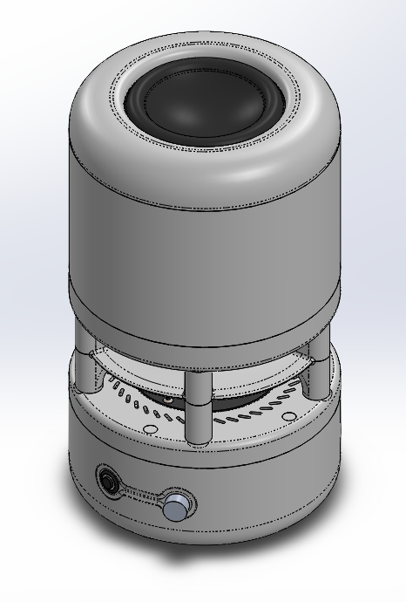
Assembly Number | 900
Assembly Name | Top Level Assembly

BOM
Part Number | Part Name | Qty
003 | reflector | 1
800 | base assembly | 1
801 | tweeter plate assembly | 1
802 | woofer plate assembly | 1
803 | woofer cover assembly | 1
112 | M5x80 SHCS | 5
156 | base pad | 1
121 | M4x20 SHCS | 10
122 | M5x20 SHCS | 5

800
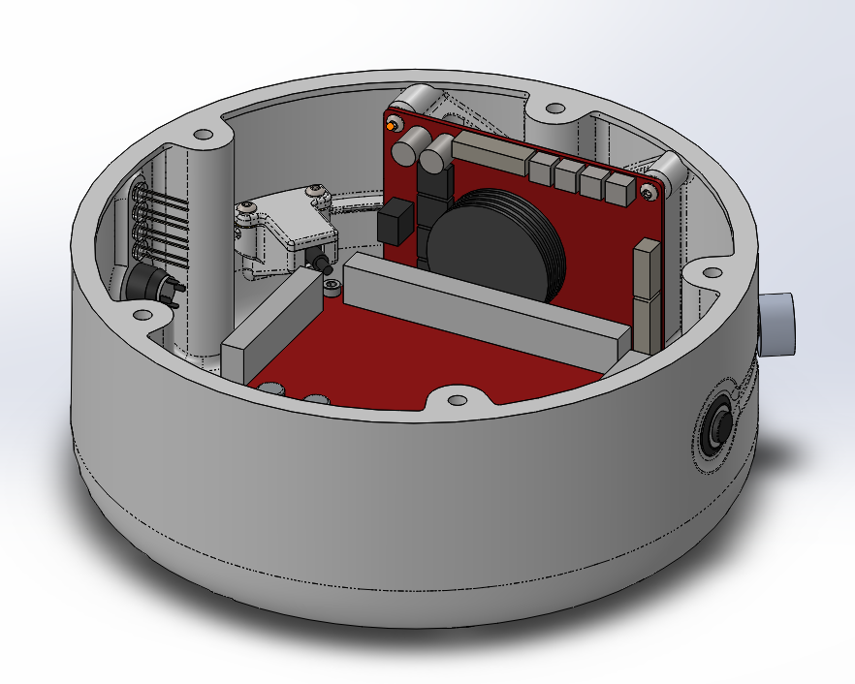
Assembly Number | 800
Assembly Name | Base Assembly

BOM
Part Number | Part Name | Qty
001 | Base | 1
151 | U16F2 Switch | 1
152 | U8M Switch | 1
153 | Volume Knob | 1
154 | 5mm LED | 4
100 | M3 Insert | 7
150 | 10K POT | 1
300 | Bluetooth Board | 1
301 | Dayton Audio DSPB-250 | 1
302 | Dayton Audio KAB-BE | 1
021 | USBC Port Cover | 1
020 | USBC Port | 1
118 | M3x12 BHCS | 6

801
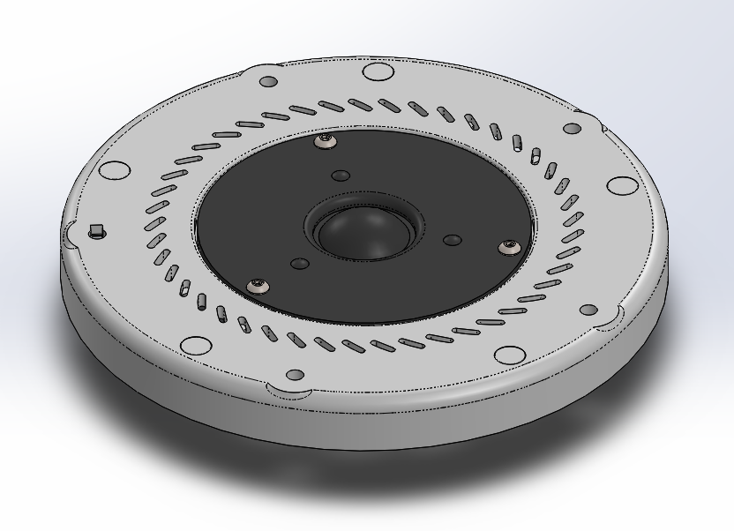
Assembly Number | 801
Assembly Name | Tweeter Plate Assembly

BOM
Part Number | Part Name | Qty
002 | tweeter plate | 1
007 | Tweeter Plate Plug | 5
401 | Dayton Audio DC28F-8 | 1
102 | M5 Insert | 5
115 | M5 Nut | 3
116 | M4x12 BHCS | 3

802
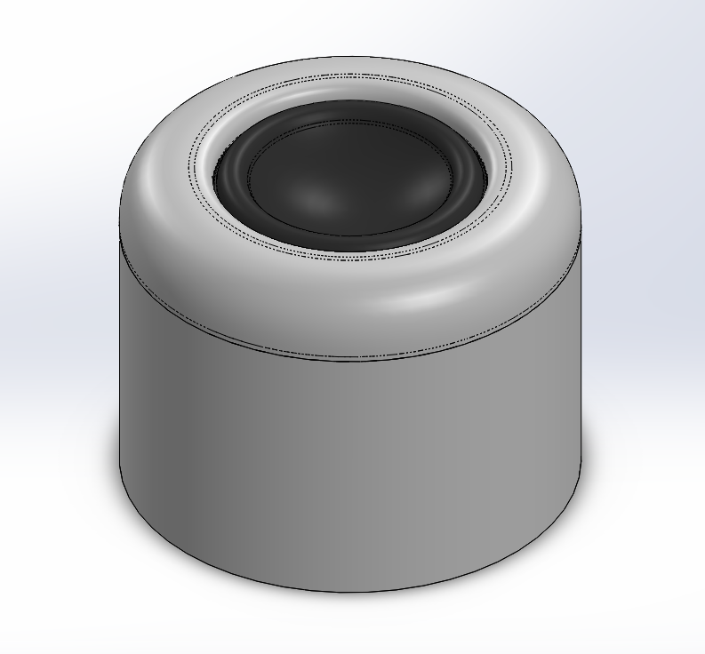
Assembly Number | 802
Assembly Name | Tweeter Plate Assembly

BOM
Part Number | Part Name | Qty
011 | Woofer Cover Bottom | 1
400 | Dayton Audio 105-PR | 1
101 | M4 Insert | 10
117 | M4x6 BHCS | 4

803
Assembly Number | 803
Assembly Name | Tweeter Plate Assembly
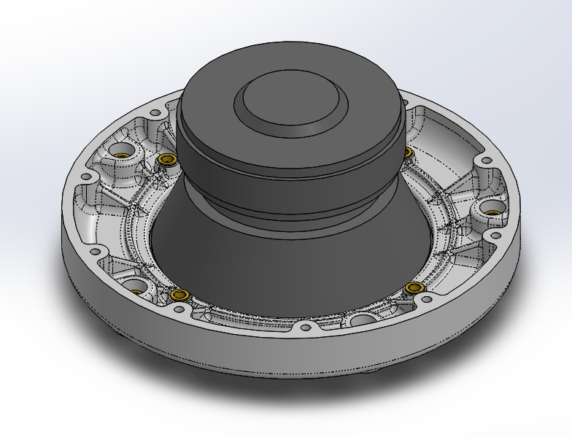
BOM
Part Number | Part Name | Qty
010 | Woofer Plate | 1
402 | Tang Band W5-1138SMF | 1
101 | M4 Insert | 4
102 | M5 Insert | 5
116 | M4x12 BHCS | 4

