📊 Resumen
📈 BACKTESTING – BTCUSDT | 5 MIN | 1 AÑO
20 Mar 2025 → 20 Mar 2026 | Capital Inicial: $1,000 USD | Riesgo: 1% / operación

CAPITAL FINAL |  | RETORNO TOTAL
$1,475.42 |  | +47.54%

OPERACIONES |  | WIN RATE
491 |  | 34.4%

MAX DRAWDOWN |  | SHARPE RATIO
-24.31% |  | 1.89

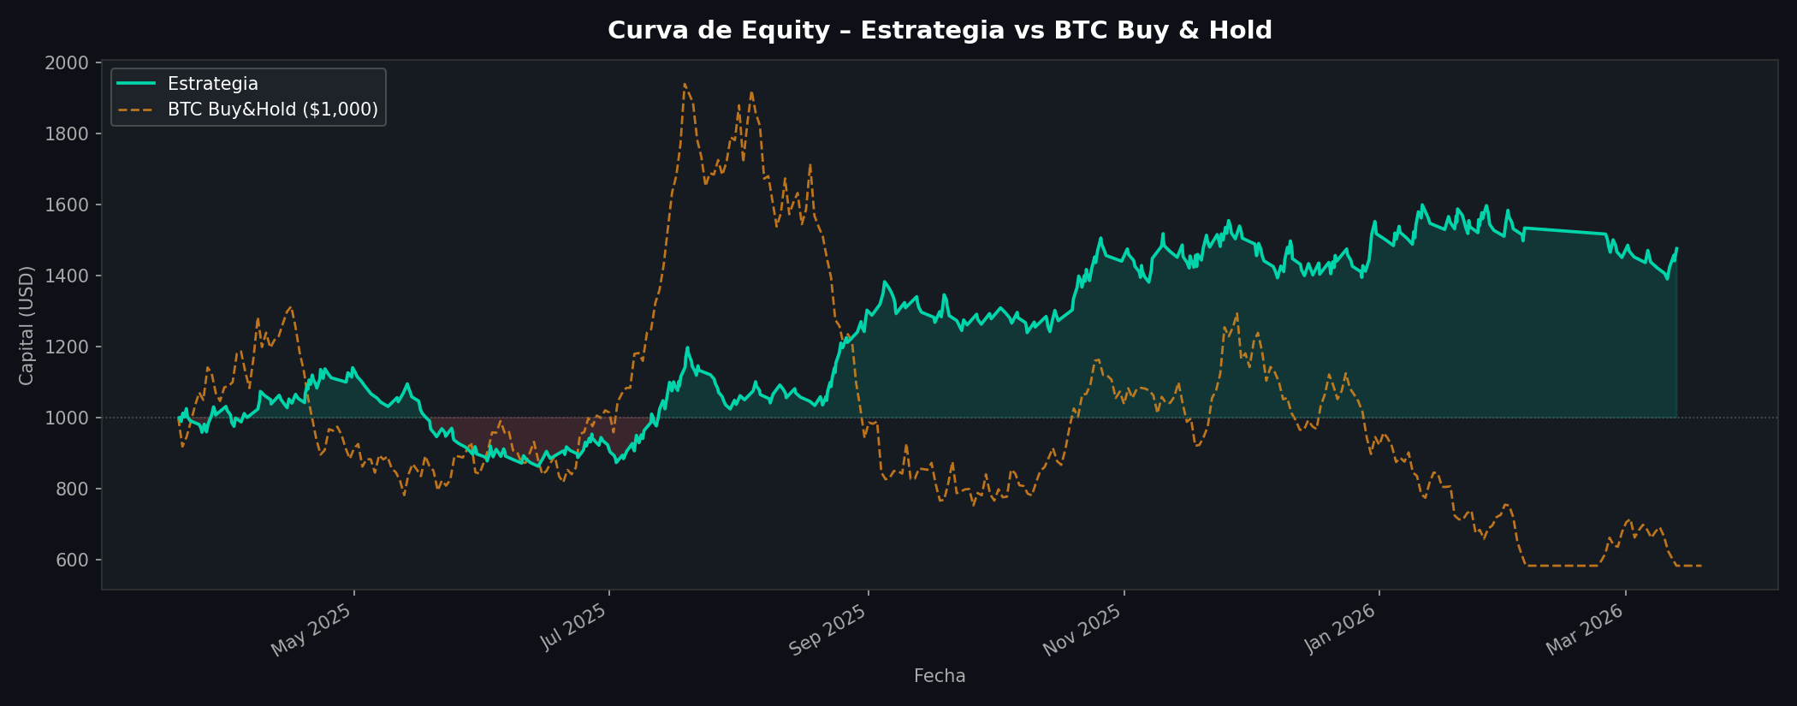
RENDIMIENTO
Capital inicial | $1,000.00
Capital final | $1,475.42
PnL neto total | $811.88
Retorno total | +47.54%
BTC Buy & Hold | -41.85%
Alpha vs BTC | +89.39%

RIESGO
Profit factor | 1.19
Sharpe ratio | 1.89
Max drawdown | -24.31%
Comisiones tot. | $672.72

OPERACIONES
Total trades | 491
Longs | 232
Shorts | 259
Ganadoras | 169
Perdedoras | 322
Win rate | 34.4%
Ganancia media | $29.65
Pérdida media | $-13.04
R:R implícito | 2.27 : 1
Duración media | 450 min
Racha ganad. max | 4
Racha perd. max | 13

PARÁMETROS
Par | BTCUSDT
Temporalidad | 5 Minutos
Señal tendencia | 1 Hora (EMA 20/50/200)
Riesgo/trade | 1.0%
SL | 1.0 × ATR
TP | 2.5 × ATR
Comisión lado | 0.075%

📅 Mensual
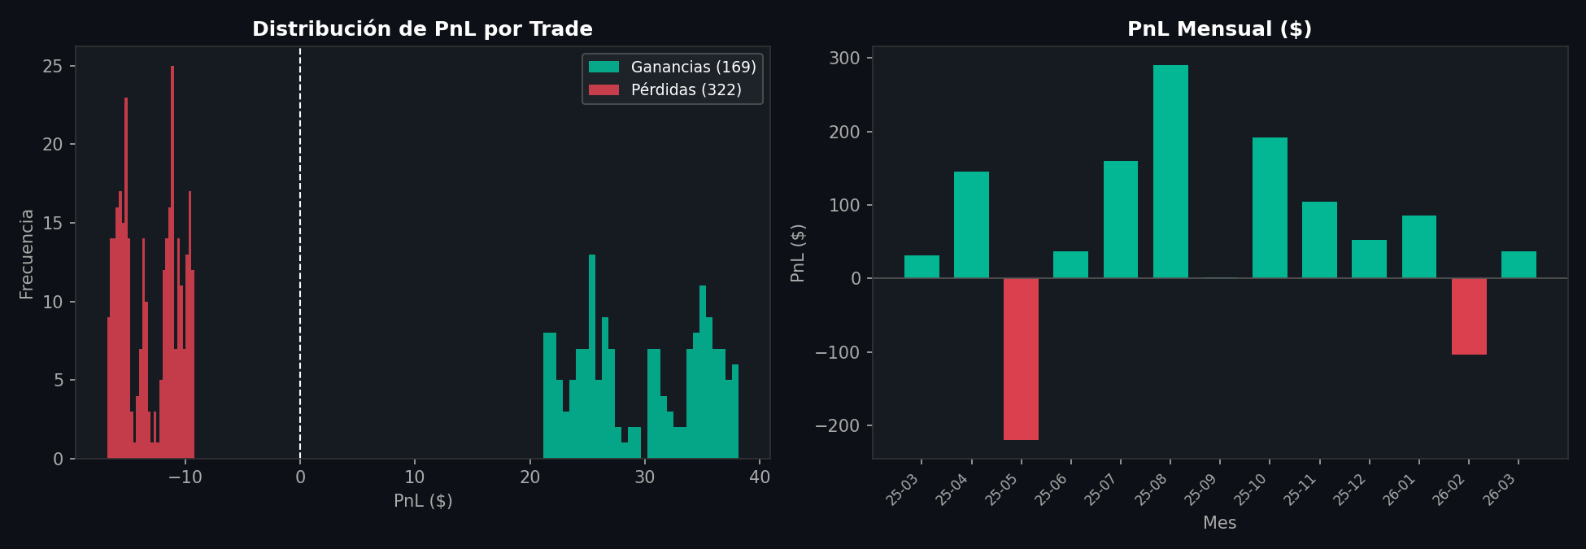
ANÁLISIS MENSUAL – BTCUSDT 5M
Mes | Operaciones | Ganadoras | Perdedoras | Win Rate % | PnL Bruto ($) | Pérdidas ($) | Capital Final ($)
2025-03 | 20 | 7 | 13 | 35.0% | 168.81 | -137.58 | 1020.09
2025-04 | 43 | 17 | 26 | 39.5% | 438.78 | -293.32 | 1140.56
2025-05 | 40 | 6 | 34 | 15.0% | 145.29 | -364.96 | 897.86
2025-06 | 42 | 14 | 28 | 33.3% | 306.07 | -269.18 | 913.38
2025-07 | 60 | 23 | 37 | 38.3% | 568.15 | -408.77 | 1037.13
2025-08 | 42 | 20 | 22 | 47.6% | 546.8 | -256.28 | 1302.45
2025-09 | 36 | 11 | 25 | 30.6% | 347.01 | -345.71 | 1278.17
2025-10 | 39 | 16 | 23 | 41.0% | 519.51 | -327.69 | 1439.98
2025-11 | 49 | 17 | 32 | 34.7% | 603.52 | -498.86 | 1504.88
2025-12 | 49 | 16 | 33 | 32.7% | 559.61 | -507.22 | 1517.34
2026-01 | 44 | 15 | 29 | 34.1% | 559.91 | -474.73 | 1565.77
2026-02 | 13 | 2 | 11 | 15.4% | 72.49 | -176.34 | 1450.35
2026-03 | 14 | 5 | 9 | 35.7% | 174.7 | -138.13 | 1475.42
TOTAL | 491 |  |  |  | 5010.65 | -4198.77 | 1475.42

