📊 Resumen
📈 ULTIMATE MACRO & ORDER FLOW V6.0 – BTCUSDT | 5 MIN | 1 AÑO
20 Mar 2025 → 20 Mar 2026 | Capital: $1,000 USD | Riesgo: 1%/op | SL: 1.5% | TP: 3.0% (R:R 2:1)
Estrategia: Triple SMA | LRC Channel | RSI+Div | CVD | S/R | Score Confluencia

CAPITAL FINAL |  | RETORNO TOTAL
$1,262.75 |  | +26.28%

OPERACIONES |  | WIN RATE
287 |  | 37.3%

MAX DRAWDOWN |  | SHARPE RATIO
-19.94% |  | 1.19

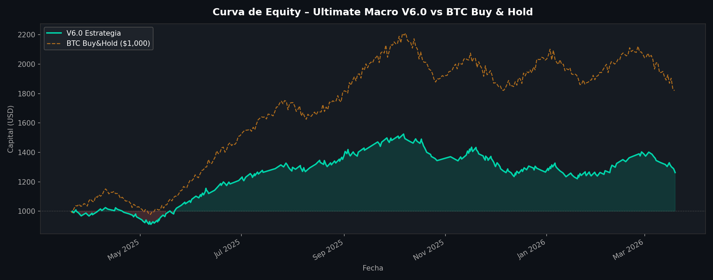
RENDIMIENTO
Capital inicial | $1,000.00
Capital final | $1,262.75
PnL neto total | $310.52
Retorno total | +26.28%
BTC Buy & Hold | +81.96%
Alpha vs BTC | -55.69%

RIESGO
Profit factor | 1.14
Sharpe ratio | 1.19
Max drawdown | -19.94%
Total comisiones | $95.57
Expectativa/trade | $1.08

OPERACIONES
Total trades | 287
Longs / Shorts | 287 / 0
TP hits | 107
SL hits | 180
Win rate | 37.3%
Ganancia media | $24.38
Pérdida media | $-12.77
R:R implícito | 1.91:1
Duración media | 1510 min
Racha ganadora max | 4
Racha perdedora max | 10

PARÁMETROS V6.0
Par / Temporalidad | BTCUSDT / 5 Min
Señal principal | LRC Canal < 25%
SL / TP | 1.5% / 3.0% (R:R 2:1)
Riesgo/trade | 1.0% del capital
Comisión maker | 0.02% (Binance+BNB)
Cooldown | 24 velas (120 min)

📅 Mensual
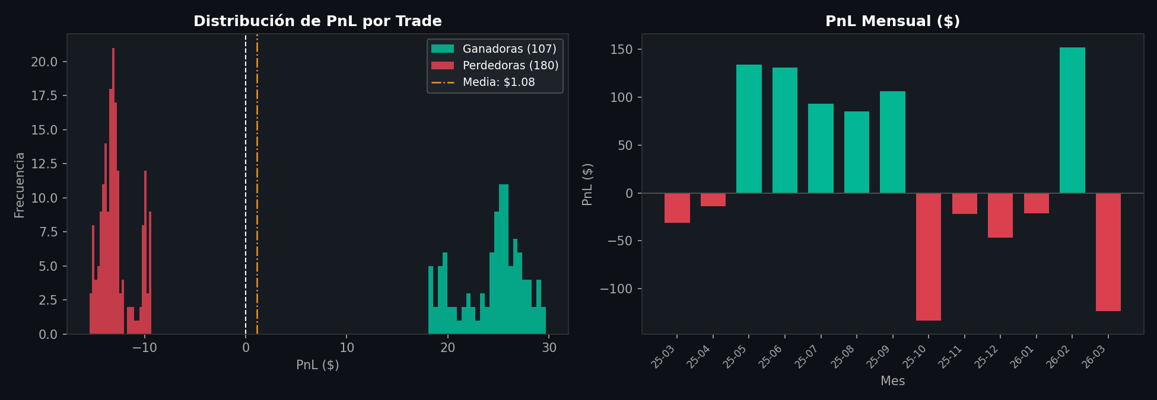
ANÁLISIS MENSUAL – Ultimate Macro & Order Flow V6.0
Mes | Operaciones | Ganadoras | Perdedoras | Win Rate % | PnL Neto ($) | Pérdidas ($) | Capital Final ($)
2025-03 | 9 | 2 | 7 | 22.2% | 38.9 | -70.32 | 967.39
2025-04 | 19 | 6 | 13 | 31.6% | 117.4 | -131.09 | 951.18
2025-05 | 31 | 15 | 16 | 48.4% | 289.67 | -155.8 | 1081.03
2025-06 | 21 | 11 | 10 | 52.4% | 247.91 | -116.93 | 1208.83
2025-07 | 22 | 10 | 12 | 45.5% | 248.3 | -154.9 | 1298.5
2025-08 | 26 | 11 | 15 | 42.3% | 285.95 | -200.89 | 1378.99
2025-09 | 22 | 10 | 12 | 45.5% | 281.2 | -174.72 | 1481.29
2025-10 | 21 | 4 | 17 | 19.0% | 117.19 | -250.4 | 1344.02
2025-11 | 28 | 9 | 19 | 32.1% | 244.81 | -266.52 | 1317.14
2025-12 | 27 | 8 | 19 | 29.6% | 201.38 | -248.08 | 1265.82
2026-01 | 31 | 10 | 21 | 32.3% | 249.21 | -270.64 | 1239.15
2026-02 | 15 | 9 | 6 | 60.0% | 233.16 | -81.01 | 1388.68
2026-03 | 15 | 2 | 13 | 13.3% | 53.2 | -176.46 | 1262.75
TOTAL | 287 |  |  |  | 2608.28 | -2297.76 | 1262.75

