📊 Comparativa
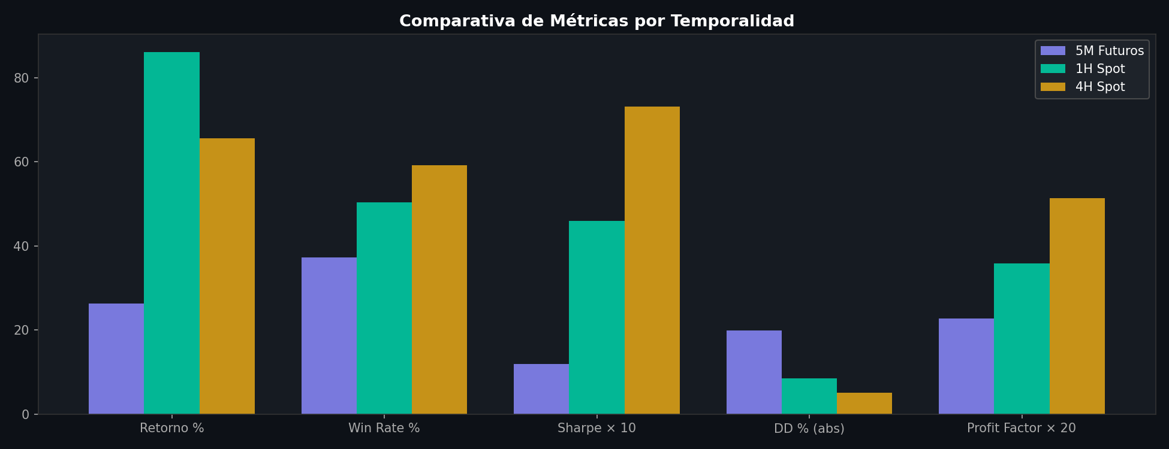
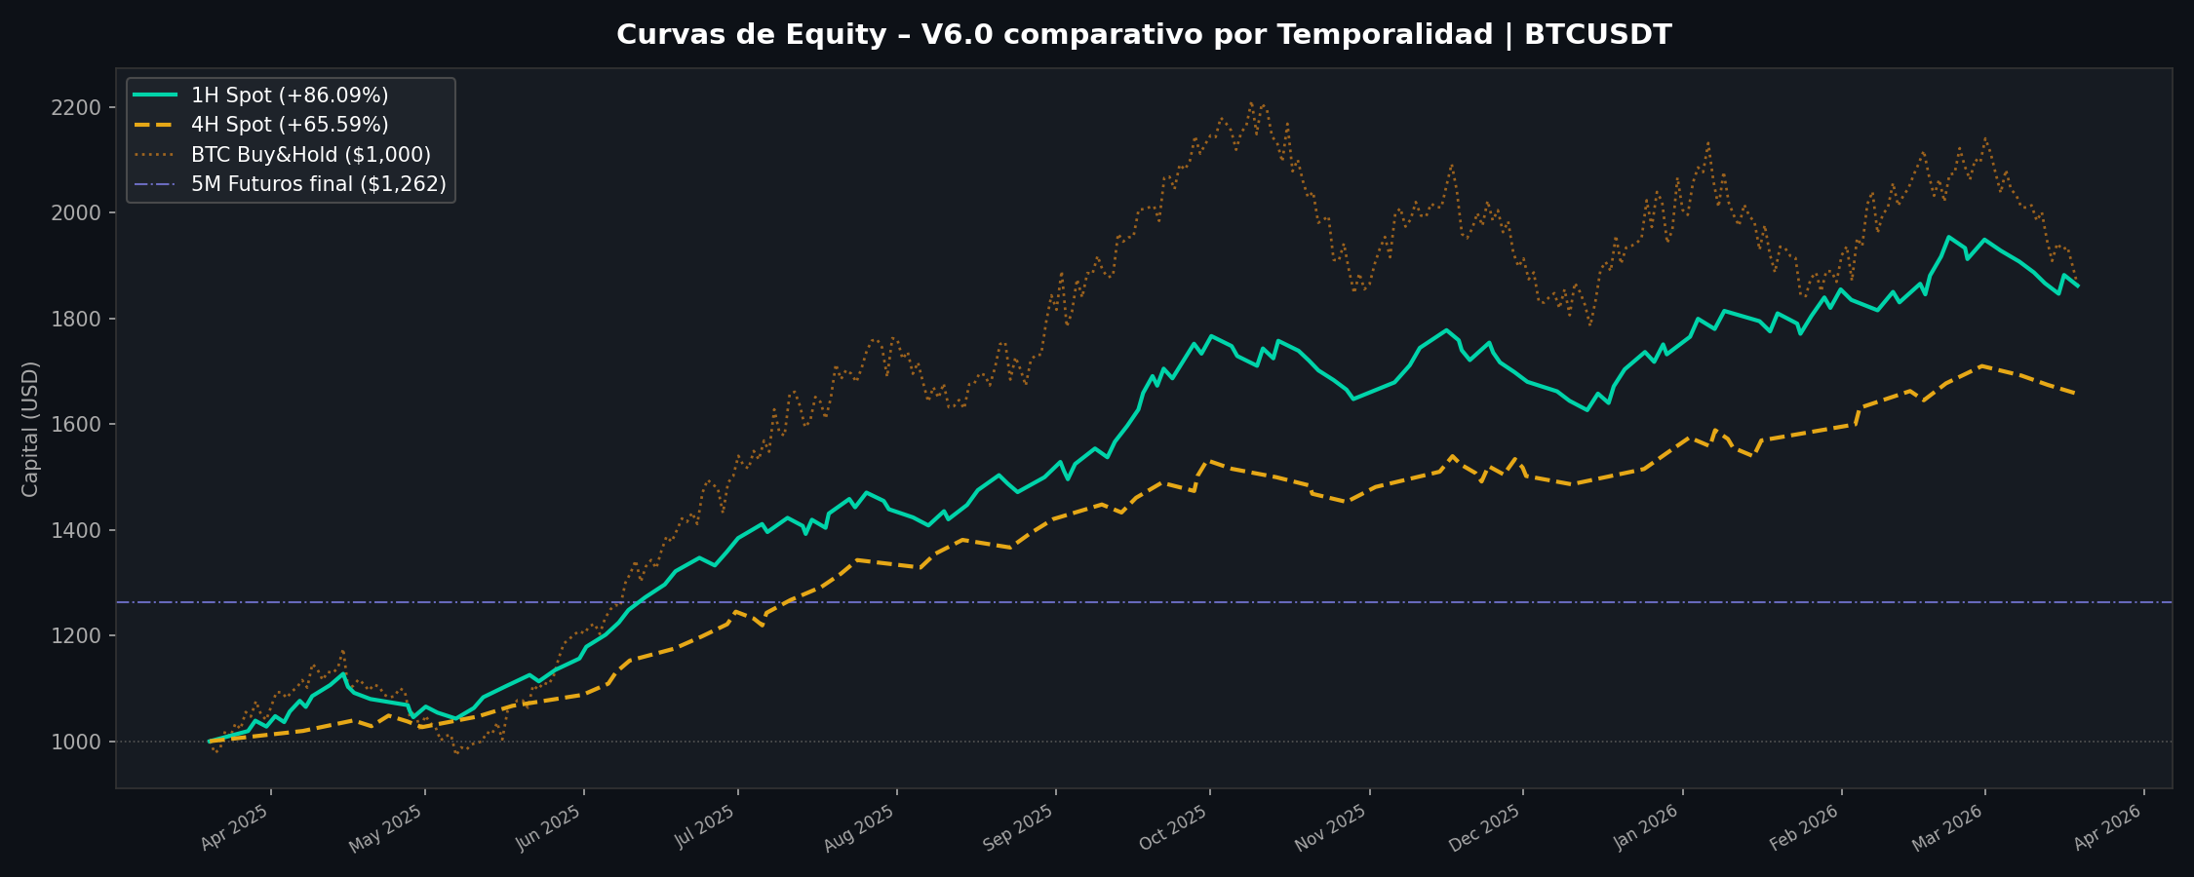
📈 COMPARATIVA – V6.0 | BTCUSDT | 5M vs 1H vs 4H
20 Mar 2025 → 20 Mar 2026 | Capital: $1,000 USD | Riesgo: 1%/operación
5M: Futuros Perpetuos (maker 0.02%) | 1H/4H: Spot BTC/USDT (maker 0.075%)

MÉTRICA | 5M Futuros | 1H Spot | 4H Spot
── RENDIMIENTO ──
Retorno Total | +26.28% | +86.09% | +65.59%
Capital Final | $1,262.75 | $1,860.89 | $1,655.92
PnL Neto Total | $262.75 | $945.85 | $681.08
BTC Buy & Hold | +81.96% | +87.77% | +84.07%
Alpha vs BTC | -55.68% | -1.68% | -18.47%
── RIESGO ──
Profit Factor | 1.14 | 1.79 | 2.57
Sharpe Ratio | 1.19 | 4.59 | 7.32
Max Drawdown | -19.94% | -8.51% | -5.14%
Total Comisiones | $95.57 | $169.47 | $50.01
── OPERACIONES ──
Total Trades | 287 | 147 | 71
TP hits / SL hits | 107 / 180 | 74 / 73 | 42 / 29
Win Rate | 37.3% | 50.3% | 59.2%
Ganancia media | $24.38 | $28.98 | $26.56
Pérdida media | $-12.77 | $-16.42 | $-14.99
Duración media | 1,510 min | 2022 min | 3130 min
── PARÁMETROS ──
Tipo mercado | Futuros perp. | Spot | Spot
SL / TP | 1.5% / 3.0% | 2.0% / 4.0% | 3.0% / 6.0%
R:R objetivo | 2:1 | 2:1 | 2:1
Comisión maker | 0.02% | 0.075% | 0.075%
Cooldown entre trades | 120 min | 6 horas | 8 horas

📅 Mensual

ANÁLISIS MENSUAL COMPARATIVO – 1H Spot vs 4H Spot
Mes | 1H Trades | 1H WR | 1H PnL ($) | 1H Capital | 4H Trades | 4H WR | 4H PnL ($) | 4H Capital
2025-03 | 3 | 66.7% | 28.83 | 1027.68 | - | - | 0 | -
2025-04 | 15 | 40.0% | 23.77 | 1045.41 | 6 | 50.0% | 28.14 | 1026.6
2025-05 | 10 | 70.0% | 115.11 | 1156.48 | 3 | 100.0% | 61.97 | 1087.78
2025-06 | 11 | 90.9% | 232.91 | 1384.17 | 7 | 100.0% | 159.35 | 1245.11
2025-07 | 13 | 46.2% | 61.55 | 1438.8 | 7 | 71.4% | 99.71 | 1342.61
2025-08 | 10 | 50.0% | 66.04 | 1499.41 | 6 | 66.7% | 79.51 | 1420.08
2025-09 | 17 | 64.7% | 243.82 | 1732.98 | 7 | 71.4% | 113.76 | 1531.28
2025-10 | 13 | 23.1% | -77.52 | 1647.06 | 5 | 0.0% | -76.8 | 1452.61
2025-11 | 11 | 45.5% | 58.06 | 1698 | 10 | 50.0% | 68.73 | 1517.57
2025-12 | 12 | 41.7% | 41.28 | 1731.71 | 4 | 50.0% | 28.3 | 1544.36
2026-01 | 13 | 53.8% | 131.62 | 1854.6 | 7 | 42.9% | 27.17 | 1568.8
2026-02 | 12 | 50.0% | 102.55 | 1948.73 | 6 | 83.3% | 143.22 | 1709.59
2026-03 | 7 | 14.3% | -82.17 | 1861.59 | 3 | 0.0% | -51.98 | 1656.34

