Sheet1
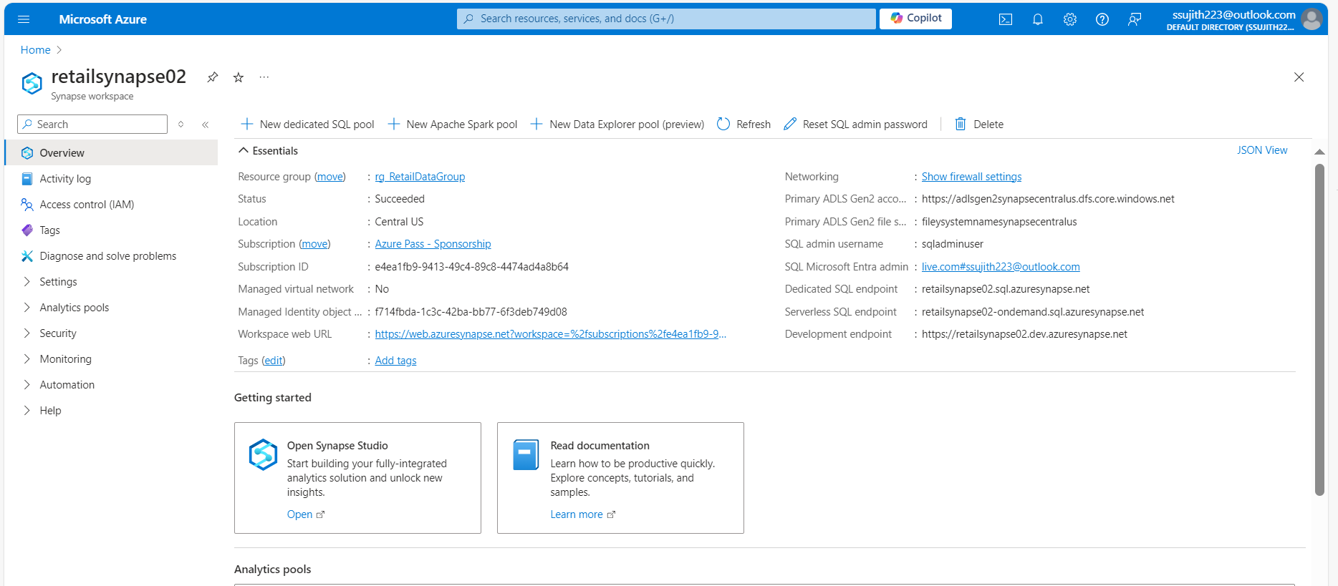
Case Study 1: Retail Sales Data Processing (using Azure blob storage and Azure Data Factory)

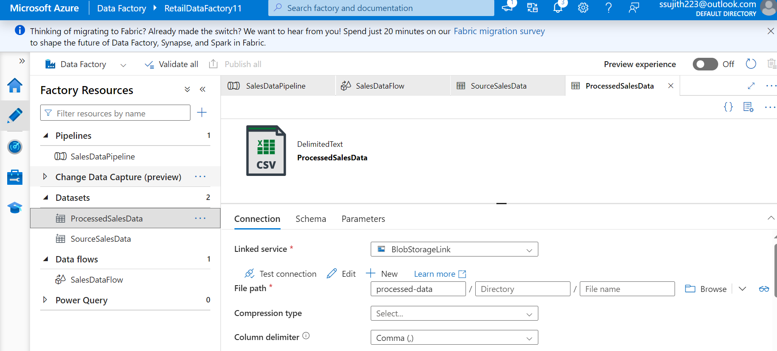

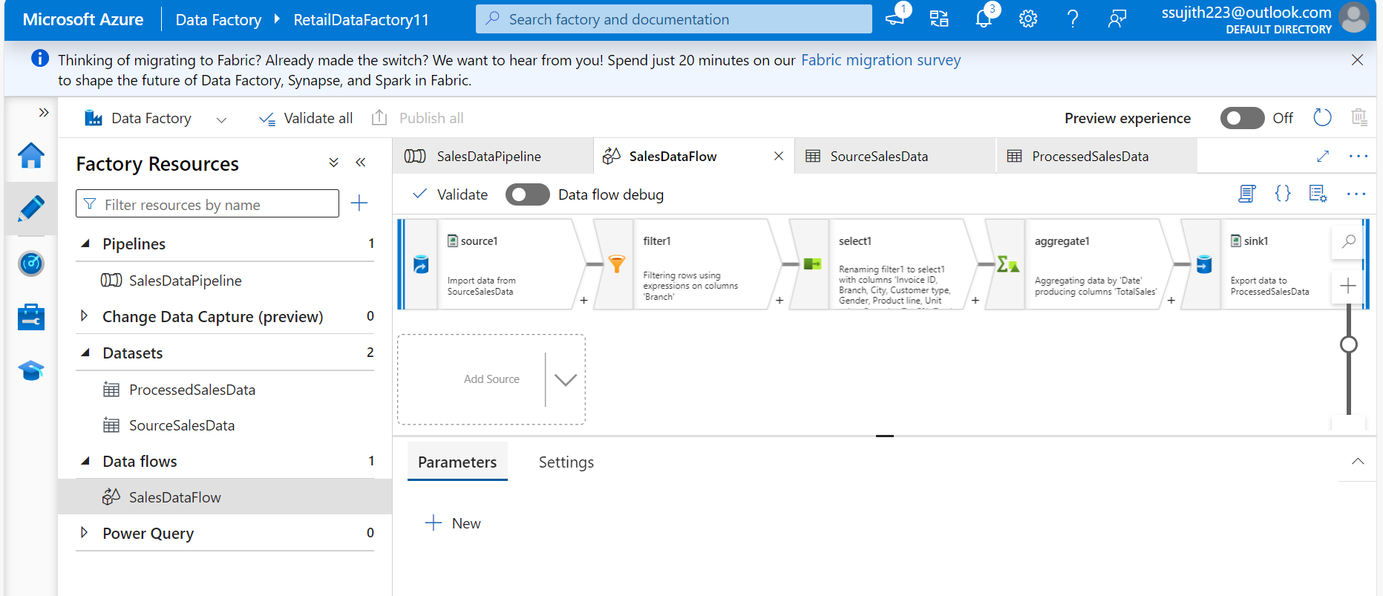

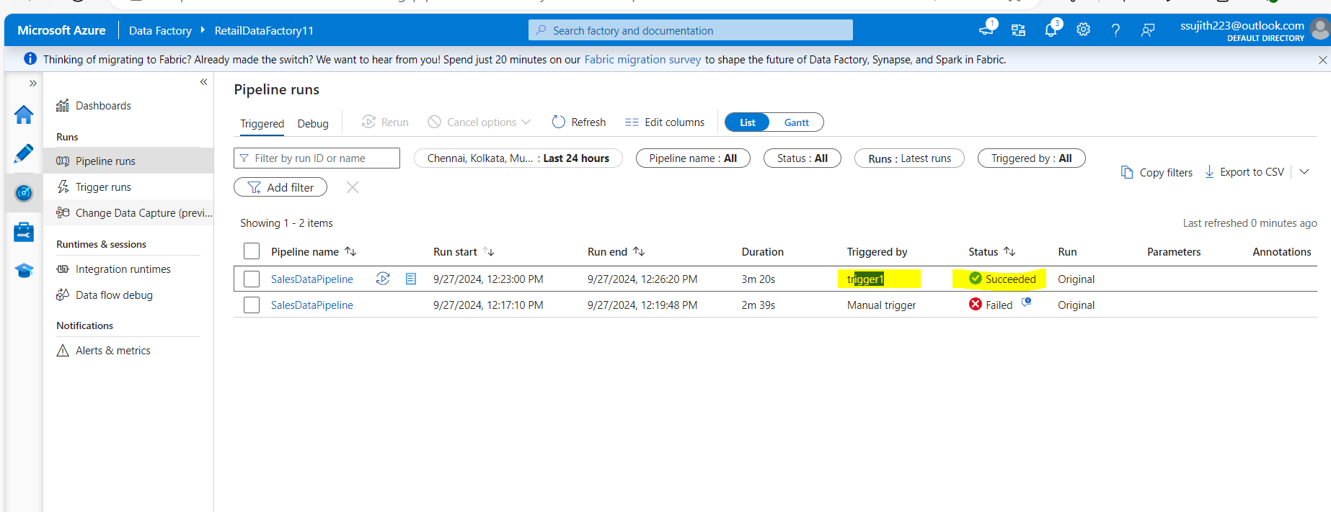

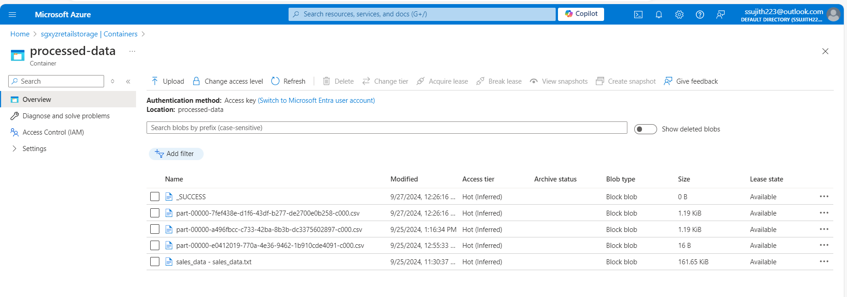

Case Study 2: Retail Sales Data Processing (using Azure DataBricks)

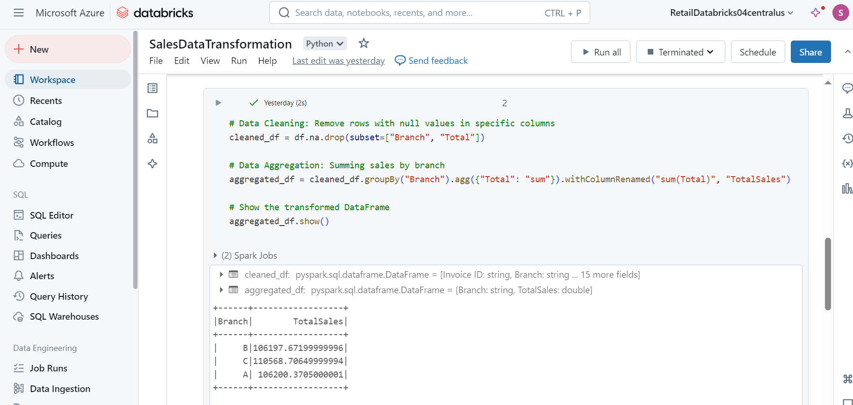

Case Study 3 : Analyzing Retail Sales Data with Azure Synapse Analytics

