Sheet1
Simulator | Required Input | Output | Other Notes | Relevant Papers/ | relevant links
Gen3sis | Environmental Rasters of current and paleo climate, and a cost function dictating dispersal limitation as a function of distance and environment, and config object specifying functions to run and output to save | Phylogeny and trait data, along with species richness and abundance over the raster landscape over time intervals set by the user | Performs phylogenetic and ecological simulation jointly (species move and diversify all in one simulation) this is a population level simulator, species are simulated at the population level, not th individual level | https://journals.plos.org/plosbiology/article?id=10.1371/journal.pbio.3001340
SLiM |  |  | Very flexible set of inputs and outputs but in generl need to specify population evolution parameters such as mutation rate, over a user definied genome size. Trees seem to be a possible output from the simulator but in a few different wyas, individual pedigrees are possible, as well as tree sequences where tree from each loci are gnerated, still researchering how this is done. But attached is a vignette showing how to simulate a phylogeny in SLiM, but the details from this vignette are not really covered clearly in the manual | https://journals.plos.org/ploscompbiol/article?id=10.1371/journal.pcbi.1004842 https://journals.plos.org/ploscompbiol/article?id=10.1371/journal.pcbi.1006581 https://onlinelibrary.wiley.com/doi/10.1111/1755-0998.12968#men12968-bib-0025 | https://rdinnager.github.io/slimr/articles/slimrlang_intro.html https://tskit.dev/pyslim/docs/stable/vignette_parallel_phylo.html
FAVITES-LITE (FrAmework for VIral Transmission and Evolution Simulation) | Config file from config designer specifying: 1, Graph Specifying Contact Network type (Barabasi-Albert,Barbell, Complete, Cycle, Erdos Renyi, Path, or Ring Lattice) ONLY SUPPORTS UNCHANGING NETWORKS 2, Compartmental model type with rates in poisson process arrival times, number of individuals in each compartment, individuals uniformally placed in each compartment ( SAPHIRE, SAAPPHIIRE, SAIS, SEIR, SI, SIR, SIS) 3, Sample times describing times individuals are sampled from network (Specific times, State Entry (either all or initial). truncated exponential, truncated gamma, truncated normal, uniform, or none) 4, Viral Phylogeny transmissions type specifying tree topology and branch lengths ( Constant Effective Pop. Size, Infection Time where Coal occurs as soon as possible, Transmission Tree where Coal. occurs as fast as possible, None) 5, Viral Phylogenetic Model (Coalescent Neutral, Dual-Birth, Non-Homogenous Yule, Yule, None) 6, Sampling Dist. for Mutation rates along each branch 7, Root Ancestral Seq. sampling method (Exact Base Freqs or Base Probabilities, None) 8, Model of Sequence Evolution (GTR, GTR+Codon, GTR+Gamma, None) | Depending on inputs: simulates the full end-to-end epidemic dataset (social contact network, transmission history, incomplete sampling, viral phylogeny, error-free sequences and real-world sequencing imperfections) | Less flexible version of FAVITES, but is expected to be more supported in the future, with FAVITES set to be deprecated. FAVITES-LITE is faster, more efficent, and uses less memory broken up into a config file and an executable file | https://academic.oup.com/bioinformatics/article/35/11/1852/5161084?login=true | https://niema.net/FAVITES-Lite/ | 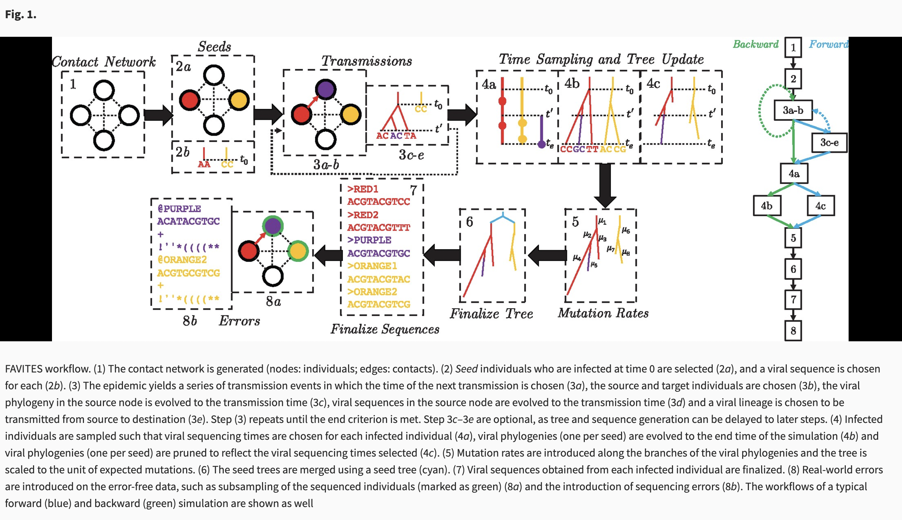
MESS | Config files specifying: 1, [generations]: Duration of simulations. Values/ranges Int for generations, or float [0-1] for lambda. 2, [community_assembly_model]: Model of Community Assembly: neutral, filtering, competition 3, [Local community speciation_model]: Type of speciation process: none, point_mutation, protracted, random_fission 4, [mutation_rate]: Mutation rate scaled per base per generation 5, [alpha]: Abundance/Ne scaling factor 6, [sequence_length]: Length in bases of the sequence to simulate 7, [S_m]: Number of species in the regional pool 8, [J_m]: Total # of individuals in the regional pool 9, [speciation_rate]: Speciation rate of metacommunity 10, [death_proportion]: Proportion of speciation rate to be extinction rate 11, [trait_rate_meta]: Trait evolution rate parameter for metacommunity 12, [ecological_strength]: Strength of community assembly process on phenotypic change 13, [name]: Local community name 14, [J]: Number of individuals in the local community 15, [m]: Migration rate into local community 16, [speciation_prob]: Probability of speciation per timestep in local community | Summary stats of trait data, nucleotide data, community assembly processes (whether neutral, or environmental filtering, or competition), and summarys stats of trait data of the metacommunity | DOES NOT output a tree of character matrix nor phylogeny, theses are not recorded in the simulation out file, however these are simulated in order to generate the summary statistics it shouldn’t be too hard to write the trees/character matrices, but would need to play around with the source files to do that CANNOT simulate under both environmental filtering and competition at the same time in a single simulation, empirical applications of the method often would assess the % of simulations of each kind (neutral/biotic competition/abiotic filtering) that best fit the dataset Simulations occur in multiple steps, with the metacommunity phylogeny first being simulated, with traits then being simulated over that phylogeny in brownian motion, then community level processes are simulated (dispersal to and from the local community and the metacommunity it is a part of) | https://onlinelibrary.wiley.com/doi/full/10.1111/1755-0998.13514 | https://pymess.readthedocs.io/en/latest/index.html

