ci VPCs
cider calculator
https://www.ipaddressguide.com/cidr

VPC | SubnetType | azshort | az | vpc name | subnet name | cidr mod | Subnet CIDR | start | end | VPC CDIR | Transit GW CIDR
dev | public | a | us-east-2a | dev-useast2-vpc | dev-public-useast2a | 160 | 10.240.160.0/20 | 10.240.160.0 | 10.240.175.255 | 10.240.0.0/16 | 10.240.0.0/13
dev | public | b | us-east-2b | dev-useast2-vpc | dev-public-useast2b | 176 | 10.240.176.0/20 | 10.240.176.0 | 10.240.191.255
dev | public | c | us-east-2c | dev-useast2-vpc | dev-public-useast2c | 192 | 10.240.192.0/20 | 10.240.192.0 | 10.240.207.255 |  | IP Range
dev | private | a | us-east-2a | dev-useast2-vpc | dev-private-useast2a | 208 | 10.240.208.0/20 | 10.240.208.0 | 10.240.223.255 |  | 10.240.0.0 - 10.247.255.255
dev | private | b | us-east-2b | dev-useast2-vpc | dev-private-useast2b | 224 | 10.240.224.0/20
dev | private | c | us-east-2c | dev-useast2-vpc | dev-private-useast2c | 240 | 10.240.240.0/20
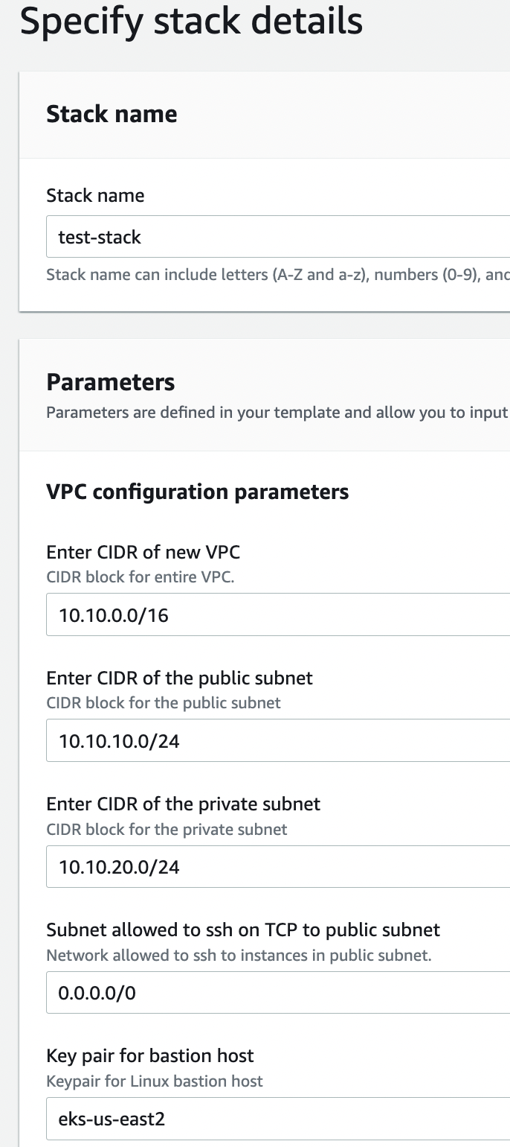
dev-eks | public | a | us-east-2a | dev-eks-useast2-vpc | dev-eks-public-useast2a | 160 | 10.241.160.0/20 |  |  | 10.241.0.0/16
dev-eks | public | b | us-east-2b | dev-eks-useast2-vpc | dev-eks-public-useast2b | 176 | 10.241.176.0/20
dev-eks | public | c | us-east-2c | dev-eks-useast2-vpc | dev-eks-public-useast2c | 192 | 10.241.192.0/20
dev-eks | private | a | us-east-2a | dev-eks-useast2-vpc | dev-eks-private-useast2a | 208 | 10.241.208.0/20
dev-eks | private | b | us-east-2b | dev-eks-useast2-vpc | dev-eks-private-useast2b | 224 | 10.241.224.0/20
dev-eks | private | c | us-east-2c | dev-eks-useast2-vpc | dev-eks-private-useast2c | 240 | 10.241.240.0/20
beta | public | a | us-east-2a | beta-useast2-vpc | beta-public-useast2a | 160 | 10.242.160.0/20 |  |  | 10.242.0.0/16
beta | public | b | us-east-2b | beta-useast2-vpc | beta-public-useast2b | 176 | 10.242.176.0/20
beta | public | c | us-east-2c | beta-useast2-vpc | beta-public-useast2c | 192 | 10.242.192.0/20
beta | private | a | us-east-2a | beta-useast2-vpc | beta-private-useast2a | 208 | 10.242.208.0/20
beta | private | b | us-east-2b | beta-useast2-vpc | beta-private-useast2b | 224 | 10.242.224.0/20
beta | private | c | us-east-2c | beta-useast2-vpc | beta-private-useast2c | 240 | 10.242.240.0/20
beta-eks | public | a | us-east-2a | beta-eks-useast2-vpc | beta-eks-public-useast2a | 160 | 10.243.160.0/20 |  |  | 10.243.0.0/16
beta-eks | public | b | us-east-2b | beta-eks-useast2-vpc | beta-eks-public-useast2b | 176 | 10.243.176.0/20
beta-eks | public | c | us-east-2c | beta-eks-useast2-vpc | beta-eks-public-useast2c | 192 | 10.243.192.0/20
beta-eks | private | a | us-east-2a | beta-eks-useast2-vpc | beta-eks-private-useast2a | 208 | 10.243.208.0/20
beta-eks | private | b | us-east-2b | beta-eks-useast2-vpc | beta-eks-private-useast2b | 224 | 10.243.224.0/20
beta-eks | private | c | us-east-2c | beta-eks-useast2-vpc | beta-eks-private-useast2c | 240 | 10.243.240.0/20
prod | public | a | us-east-2a | prod-useast2-vpc | prod-public-useast2a | 160 | 10.244.160.0/20 |  |  | 10.244.0.0/16
prod | public | b | us-east-2b | prod-useast2-vpc | prod-public-useast2b | 176 | 10.244.176.0/20
prod | public | c | us-east-2c | prod-useast2-vpc | prod-public-useast2c | 192 | 10.244.192.0/20
prod | private | a | us-east-2a | prod-useast2-vpc | prod-private-useast2a | 208 | 10.244.208.0/20
prod | private | b | us-east-2b | prod-useast2-vpc | prod-private-useast2b | 224 | 10.244.224.0/20
prod | private | c | us-east-2c | prod-useast2-vpc | prod-private-useast2c | 240 | 10.244.240.0/20
prod-eks | public | a | us-east-2a | prod-eks-useast2-vpc | prod-eks-public-useast2a | 160 | 10.245.160.0/20 |  |  | 10.245.0.0/16
prod-eks | public | b | us-east-2b | prod-eks-useast2-vpc | prod-eks-public-useast2b | 176 | 10.245.176.0/20
prod-eks | public | c | us-east-2c | prod-eks-useast2-vpc | prod-eks-public-useast2c | 192 | 10.245.192.0/20
prod-eks | private | a | us-east-2a | prod-eks-useast2-vpc | prod-eks-private-useast2a | 208 | 10.245.208.0/20
prod-eks | private | b | us-east-2b | prod-eks-useast2-vpc | prod-eks-private-useast2b | 224 | 10.245.224.0/20
prod-eks | private | c | us-east-2c | prod-eks-useast2-vpc | prod-eks-private-useast2c | 240 | 10.245.240.0/20

Legacy Deprecated, no plans to route to Transit GW
default | public |  | us-east-2a | default |  |  | 172.31.0.0/20 |  |  | subnet-aa436dc2
default | public |  | us-east-2b | default |  |  | 172.31.16.0/20 |  |  | subnet-227b1f58
default | public |  | us-east-2c | default |  |  | 172.31.32.0/20 |  |  | subnet-3d529e71

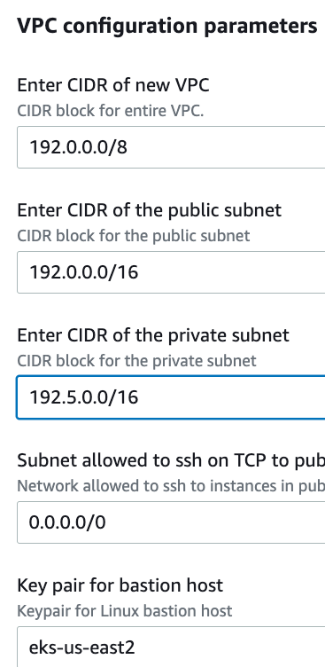

 |  |  |  |  |  |  | plnning user stories include Definition of Ready
 |  |  |  |  |  |  | https://smartlyio.atlassian.net/wiki/spaces/ENG/pages/2213969971/Definition+of+Ready

in use
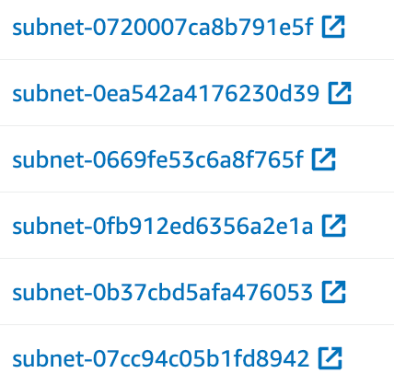
VPC Resources

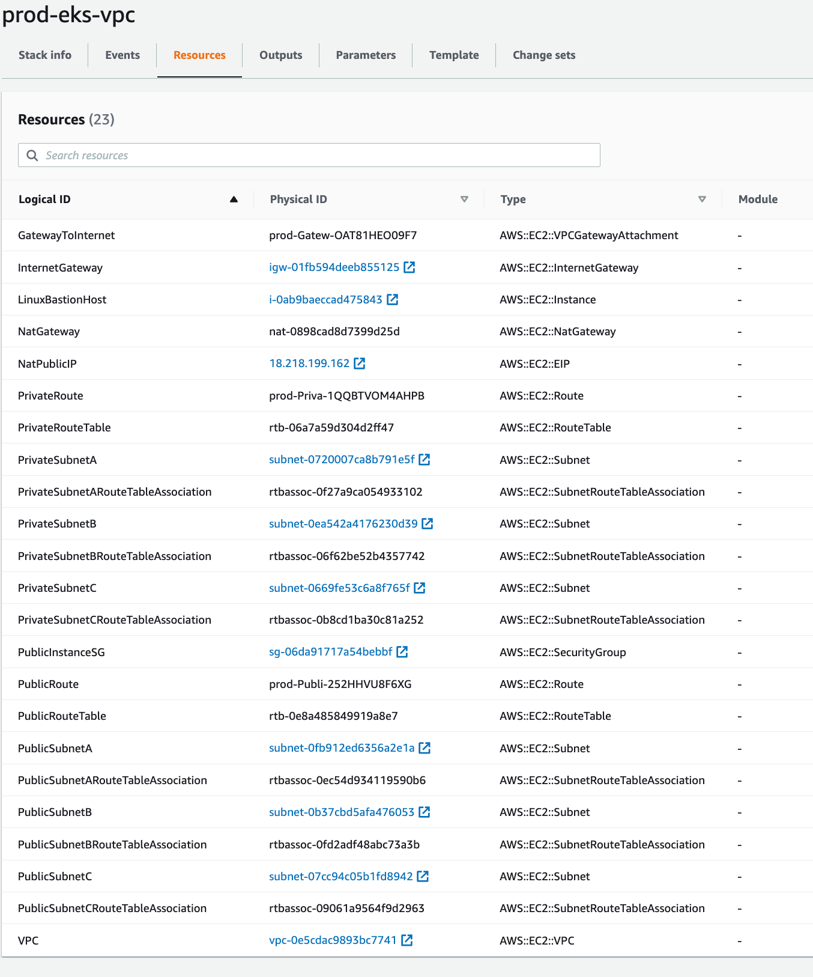

Type | name | notes

AWS::EC2::VPC | VPC
AWS::EC2::VPCGatewayAttachment | GatewayToInternet

AWS::EC2::NatGateway | NatGateway | couls use a name in console, in pub suba
AWS::EC2::EIP | NatPublicIP

AWS::EC2::InternetGateway | InternetGateway

AWS::EC2::SubnetRouteTableAssociation (3) | PrivateSubnetARouteTableAssociation (3)
AWS::EC2::Route | PrivateRoute
AWS::EC2::RouteTable | PrivateRouteTable

AWS::EC2::SubnetRouteTableAssociation (3) | PublicSubnetARouteTableAssociation (3)
AWS::EC2::Route | PublicRoute
AWS::EC2::RouteTable | PublicRouteTable

AWS::EC2::Instance | LinuxBastionHost
AWS::EC2::SecurityGroup | PublicInstanceSG

VPC Params
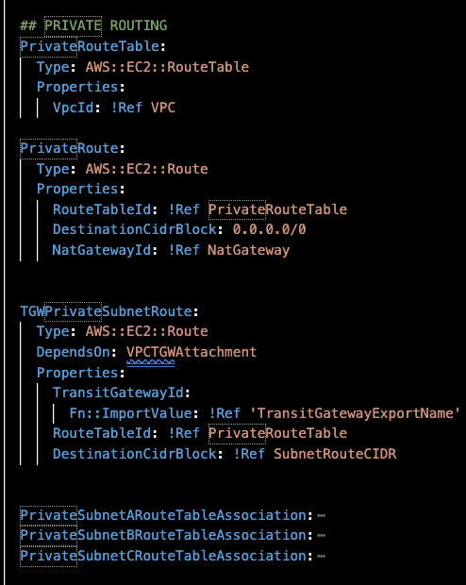
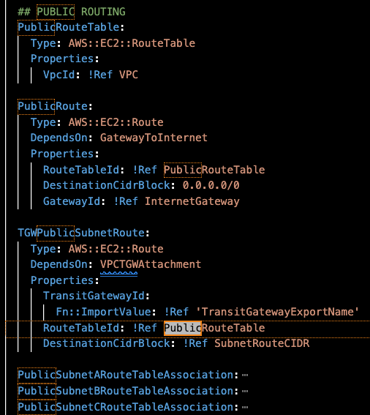
 |  |  |  |  |  |  |  |  |  |  |  |  |  |  |  |  |  |  |  |  |  | VPC | SubnetType | az | vpc name | subnet name | Subnet CIDR | VPC CDIR |  |  | Spanning CIDR
 |  |  |  |  |  |  |  |  |  |  |  |  |  |  |  |  |  |  |  |  |  | dev | public | us-east-2a | dev-useast2-vpc | dev-public-useast2a | 10.240.160.0/20 | 10.240.0.0/16 | 10.240.0.0 | 10.240.255.255
 |  |  |  |  |  |  |  |  |  |  |  |  |  |  |  |  |  |  |  |  |  | dev | public | us-east-2b | dev-useast2-vpc | dev-public-useast2b | 10.240.176.0/20
 |  |  |  |  |  |  |  |  |  |  |  |  |  |  |  |  |  |  |  |  |  | dev | public | us-east-2c | dev-useast2-vpc | dev-public-useast2c | 10.240.192.0/20
 |  |  |  |  |  |  |  |  |  |  |  |  |  |  |  |  |  |  |  |  |  | dev | private | us-east-2a | dev-useast2-vpc | dev-private-useast2a | 10.240.208.0/20
 |  |  |  |  |  |  |  |  |  |  |  |  |  |  |  |  |  |  |  |  |  | dev | private | us-east-2b | dev-useast2-vpc | dev-private-useast2b | 10.240.224.0/20
 |  |  |  |  |  |  |  |  |  |  |  |  |  |  |  |  |  |  |  |  |  | dev | private | us-east-2c | dev-useast2-vpc | dev-private-useast2c | 10.240.240.0/20

 |  |  |  |  |  |  |  |  |  |  |  |  |  |  |  |  |  |  |  |  |  | dev-eks | public | us-east-2a | dev-eks-useast2-vpc | dev-eks-public-useast2a | 10.241.160.0/20 | 10.241.0.0/16 | 10.241.0.0 | 10.241.255.255 | 10.240.0.0/15 | 10.240.0.0 | 10.241.255.255
 |  |  |  |  |  |  |  |  |  |  |  |  |  |  |  |  |  |  |  |  |  | dev-eks | public | us-east-2b | dev-eks-useast2-vpc | dev-eks-public-useast2b | 10.241.176.0/20
 |  |  |  |  |  |  |  |  |  |  |  |  |  |  |  |  |  |  |  |  |  | dev-eks | public | us-east-2c | dev-eks-useast2-vpc | dev-eks-public-useast2c | 10.241.192.0/20
 |  |  |  |  |  |  |  |  |  |  |  |  |  |  |  |  |  |  |  |  |  | dev-eks | private | us-east-2a | dev-eks-useast2-vpc | dev-eks-private-useast2a | 10.241.208.0/20
 |  |  |  |  |  |  |  |  |  |  |  |  |  |  |  |  |  |  |  |  |  | dev-eks | private | us-east-2b | dev-eks-useast2-vpc | dev-eks-private-useast2b | 10.241.224.0/20
 |  |  |  |  |  |  |  |  |  |  |  |  |  |  |  |  |  |  |  |  |  | dev-eks | private | us-east-2c | dev-eks-useast2-vpc | dev-eks-private-useast2c | 10.241.240.0/20

 |  |  |  |  |  |  |  |  |  |  |  |  |  |  |  |  |  |  |  |  |  | beta | public | us-east-2a | beta-useast2-vpc | beta-public-useast2a | 10.242.160.0/20 | 10.242.0.0/16 | 10.242.0.0 | 10.242.255.255
 |  |  |  |  |  |  |  |  |  |  |  |  |  |  |  |  |  |  |  |  |  | beta | public | us-east-2b | beta-useast2-vpc | beta-public-useast2b | 10.242.176.0/20
 |  |  |  |  |  |  |  |  |  |  |  |  |  |  |  |  |  |  |  |  |  | beta | public | us-east-2c | beta-useast2-vpc | beta-public-useast2c | 10.242.192.0/20
 |  |  |  |  |  |  |  |  |  |  |  |  |  |  |  |  |  |  |  |  |  | beta | private | us-east-2a | beta-useast2-vpc | beta-private-useast2a | 10.242.208.0/20
 |  |  |  |  |  |  |  |  |  |  |  |  |  |  |  |  |  |  |  |  |  | beta | private | us-east-2b | beta-useast2-vpc | beta-private-useast2b | 10.242.224.0/20
 |  |  |  |  |  |  |  |  |  |  |  |  |  |  |  |  |  |  |  |  |  | beta | private | us-east-2c | beta-useast2-vpc | beta-private-useast2c | 10.242.240.0/20

 |  |  |  |  |  |  |  |  |  |  |  |  |  |  |  |  |  |  |  |  |  | beta-eks | public | us-east-2a | beta-eks-useast2-vpc | beta-eks-public-useast2a | 10.243.160.0/20 | 10.243.0.0/16
 |  |  |  |  |  |  |  |  |  |  |  |  |  |  |  |  |  |  |  |  |  | beta-eks | public | us-east-2b | beta-eks-useast2-vpc | beta-eks-public-useast2b | 10.243.176.0/20
 |  |  |  |  |  |  |  |  |  |  |  |  |  |  |  |  |  |  |  |  |  | beta-eks | public | us-east-2c | beta-eks-useast2-vpc | beta-eks-public-useast2c | 10.243.192.0/20
 |  |  |  |  |  |  |  |  |  |  |  |  |  |  |  |  |  |  |  |  |  | beta-eks | private | us-east-2a | beta-eks-useast2-vpc | beta-eks-private-useast2a | 10.243.208.0/20
 |  |  |  |  |  |  |  |  |  |  |  |  |  |  |  |  |  |  |  |  |  | beta-eks | private | us-east-2b | beta-eks-useast2-vpc | beta-eks-private-useast2b | 10.243.224.0/20
 |  |  |  |  |  |  |  |  |  |  |  |  |  |  |  |  |  |  |  |  |  | beta-eks | private | us-east-2c | beta-eks-useast2-vpc | beta-eks-private-useast2c | 10.243.240.0/20

 |  |  |  |  |  |  |  |  |  |  |  |  |  |  |  |  |  |  |  |  |  | prod | public | us-east-2a | prod-useast2-vpc | prod-public-useast2a | 10.244.160.0/20 | 10.244.0.0/16
 |  |  |  |  |  |  |  |  |  |  |  |  |  |  |  |  |  |  |  |  |  | prod | public | us-east-2b | prod-useast2-vpc | prod-public-useast2b | 10.244.176.0/20
 |  |  |  |  |  |  |  |  |  |  |  |  |  |  |  |  |  |  |  |  |  | prod | public | us-east-2c | prod-useast2-vpc | prod-public-useast2c | 10.244.192.0/20
 |  |  |  |  |  |  |  |  |  |  |  |  |  |  |  |  |  |  |  |  |  | prod | private | us-east-2a | prod-useast2-vpc | prod-private-useast2a | 10.244.208.0/20
 |  |  |  |  |  |  |  |  |  |  |  |  |  |  |  |  |  |  |  |  |  | prod | private | us-east-2b | prod-useast2-vpc | prod-private-useast2b | 10.244.224.0/20
 |  |  |  |  |  |  |  |  |  |  |  |  |  |  |  |  |  |  |  |  |  | prod | private | us-east-2c | prod-useast2-vpc | prod-private-useast2c | 10.244.240.0/20

 |  |  |  |  |  |  |  |  |  |  |  |  |  |  |  |  |  |  |  |  |  | prod-eks | public | us-east-2a | prod-eks-useast2-vpc | prod-eks-public-useast2a | 10.245.160.0/20 | 10.245.0.0/16
 |  |  |  |  |  |  |  |  |  |  |  |  |  |  |  |  |  |  |  |  |  | prod-eks | public | us-east-2b | prod-eks-useast2-vpc | prod-eks-public-useast2b | 10.245.176.0/20
 |  |  |  |  |  |  |  |  |  |  |  |  |  |  |  |  |  |  |  |  |  | prod-eks | public | us-east-2c | prod-eks-useast2-vpc | prod-eks-public-useast2c | 10.245.192.0/20
 |  |  |  |  |  |  |  |  |  | Pub | Pub | Pub | Priv | Priv | Priv | Pub | Pub | Pub | Priv | Priv | Priv | prod-eks | private | us-east-2a | prod-eks-useast2-vpc | prod-eks-private-useast2a | 10.245.208.0/20
 |  |  |  |  |  |  |  |  |  | A | B | C | A | B | C | A | B | C | A | B | C | prod-eks | private | us-east-2b | prod-eks-useast2-vpc | prod-eks-private-useast2b | 10.245.224.0/20
 |  |  |  |  |  |  |  |  |  |  |  |  |  |  |  |  |  |  |  |  |  | prod-eks | private | us-east-2c | prod-eks-useast2-vpc | prod-eks-private-useast2c | 10.245.240.0/20

 |  |  |  |  |  |  |  |  |  |  |  |  |  |  |  |  |  |  |  |  |  | PrivSNACIDR | PrivSNBCIDR | PrivSNCCIDR | PubSNACIDR | PubSNBCIDR | PubSNCCIDR
VPC | VPCName | VPCCIDR | EnvSubnetCIDR |  |  |  |  |  |  | PubSNACIDR | PubSNBCIDR | PubSNCCIDR | PrivSNACIDR | PrivSNBCIDR | PrivSNCCIDR | PubSNAName | PubSNBName | PubSNCName | PrivSNAName | PrivSNBName | PrivSNCName
dev | dev-VPC | 10.240.0.0/16 | 10.240.0.0/15 | 160 | 176 | 192 | 208 | 224 | 240 | 10.240.160.0/20 | 10.240.176.0/20 | 10.240.192.0/20 | 10.240.208.0/20 | 10.240.224.0/20 | 10.240.240.0/20 | dev-VPC-PubSNA | dev-VPC-PubSNB | dev-VPC-PubSNC | dev-VPC-PrivSNA | dev-VPC-PrivSNB | dev-VPC-PrivSNC
dev-eks | dev-eks-VPC | 10.241.0.0/16 | 10.240.0.0/15 | 160 | 176 | 192 | 208 | 224 | 240 | 10.241.160.0/20 | 10.241.176.0/20 | 10.241.192.0/20 | 10.241.208.0/20 | 10.241.224.0/20 | 10.241.240.0/20 | dev-eks-VPC-PubSNA | dev-eks-VPC-PubSNB | dev-eks-VPC-PubSNC | dev-eks-VPC-PrivSNA | dev-eks-VPC-PrivSNB | dev-eks-VPC-PrivSNC
beta | beta-VPC | 10.242.0.0/16 | 10.242.0.0/15 | 160 | 176 | 192 | 208 | 224 | 240 | 10.242.160.0/20 | 10.242.176.0/20 | 10.242.192.0/20 | 10.242.208.0/20 | 10.242.224.0/20 | 10.242.240.0/20 | beta-VPC-PubSNA | beta-VPC-PubSNB | beta-VPC-PubSNC | beta-VPC-PrivSNA | beta-VPC-PrivSNB | beta-VPC-PrivSNC
beta-eks | beta-eks-VPC | 10.243.0.0/16 | 10.242.0.0/15 | 160 | 176 | 192 | 208 | 224 | 240 | 10.243.160.0/20 | 10.243.176.0/20 | 10.243.192.0/20 | 10.243.208.0/20 | 10.243.224.0/20 | 10.243.240.0/20 | beta-eks-VPC-PubSNA | beta-eks-VPC-PubSNB | beta-eks-VPC-PubSNC | beta-eks-VPC-PrivSNA | beta-eks-VPC-PrivSNB | beta-eks-VPC-PrivSNC
prod | prod-VPC | 10.244.0.0/16 | 10.244.0.0/15 | 160 | 176 | 192 | 208 | 224 | 240 | 10.244.160.0/20 | 10.244.176.0/20 | 10.244.192.0/20 | 10.244.208.0/20 | 10.244.224.0/20 | 10.244.240.0/20 | prod-VPC-PubSNA | prod-VPC-PubSNB | prod-VPC-PubSNC | prod-VPC-PrivSNA | prod-VPC-PrivSNB | prod-VPC-PrivSNC
prod-eks | prod-eks-VPC | 10.245.0.0/16 | 10.244.0.0/15 | 160 | 176 | 192 | 208 | 224 | 240 | 10.245.160.0/20 | 10.245.176.0/20 | 10.245.192.0/20 | 10.245.208.0/20 | 10.245.224.0/20 | 10.245.240.0/20 | prod-eks-VPC-PubSNA | prod-eks-VPC-PubSNB | prod-eks-VPC-PubSNC | prod-eks-VPC-PrivSNA | prod-eks-VPC-PrivSNB | prod-eks-VPC-PrivSNC

 | VPCName | VPCCIDR |  |  |  |  |  |  |  | 10.242.160.0/20SN10.243.160.0/20CIDR | 10.242.176.0/20SN10.243.176.0/20CIDR | 10.242.192.0/20SN10.243.192.0/20CIDR | 10.242.208.0/20SN10.243.208.0/20CIDR | 10.242.224.0/20SN10.243.224.0/20CIDR | 10.242.240.0/20SN10.243.240.0/20CIDR | beta-useast2-vpc-PubSNASNbeta-eks-useast2-vpc-PubSNAName | beta-useast2-vpc-PubSNBSNbeta-eks-useast2-vpc-PubSNBName | beta-useast2-vpc-PubSNCSNbeta-eks-useast2-vpc-PubSNCName | beta-useast2-vpc-PrivSNASNbeta-eks-useast2-vpc-PrivSNAName | beta-useast2-vpc-PrivSNBSNbeta-eks-useast2-vpc-PrivSNBName | beta-useast2-vpc-PrivSNCSNbeta-eks-useast2-vpc-PrivSNCName
 | dev-VPC | 10.240.0.0/16 |  |  | 176 | 192 | 208 | 224 | 240 | 10.240.160.0/20 | 10.240.176.0/20 | 10.240.192.0/20 | 10.240.208.0/20 | 10.240.224.0/20 | 10.240.240.0/20 | dev-useast2-vpc-PubSNA | dev-useast2-vpc-PubSNB | dev-useast2-vpc-PubSNC | dev-useast2-vpc-PrivSNA | dev-useast2-vpc-PrivSNB | dev-useast2-vpc-PrivSNC
 | dev-eks-VPC | 10.241.0.0/16 |  |  | 176 | 192 | 208 | 224 | 240 | 10.241.160.0/20 | 10.241.176.0/20 | 10.241.192.0/20 | 10.241.208.0/20 | 10.241.224.0/20 | 10.241.240.0/20 | dev-eks-useast2-vpc-PubSNA | dev-eks-useast2-vpc-PubSNB | dev-eks-useast2-vpc-PubSNC | dev-eks-useast2-vpc-PrivSNA | dev-eks-useast2-vpc-PrivSNB | dev-eks-useast2-vpc-PrivSNC
 | beta-VPC | 10.242.0.0/16 |  |  | 176 | 192 | 208 | 224 | 240 | 10.242.160.0/20 | 10.242.176.0/20 | 10.242.192.0/20 | 10.242.208.0/20 | 10.242.224.0/20 | 10.242.240.0/20 | beta-useast2-vpc-PubSNA | beta-useast2-vpc-PubSNB | beta-useast2-vpc-PubSNC | beta-useast2-vpc-PrivSNA | beta-useast2-vpc-PrivSNB | beta-useast2-vpc-PrivSNC
 | beta-eks-VPC | 10.243.0.0/16 |  |  | 176 | 192 | 208 | 224 | 240 | 10.243.160.0/20 | 10.243.176.0/20 | 10.243.192.0/20 | 10.243.208.0/20 | 10.243.224.0/20 | 10.243.240.0/20 | beta-eks-useast2-vpc-PubSNA | beta-eks-useast2-vpc-PubSNB | beta-eks-useast2-vpc-PubSNC | beta-eks-useast2-vpc-PrivSNA | beta-eks-useast2-vpc-PrivSNB | beta-eks-useast2-vpc-PrivSNC
 | prod-VPC | 10.244.0.0/16 |  |  | 176 | 192 | 208 | 224 | 240 | 10.244.160.0/20 | 10.244.176.0/20 | 10.244.192.0/20 | 10.244.208.0/20 | 10.244.224.0/20 | 10.244.240.0/20 | prod-useast2-vpc-PubSNA | prod-useast2-vpc-PubSNB | prod-useast2-vpc-PubSNC | prod-useast2-vpc-PrivSNA | prod-useast2-vpc-PrivSNB | prod-useast2-vpc-PrivSNC
 | prod-eks-VPC | 10.245.0.0/16 |  |  | 176 | 192 | 208 | 224 | 240 | 10.245.160.0/20 | 10.245.176.0/20 | 10.245.192.0/20 | 10.245.208.0/20 | 10.245.224.0/20 | 10.245.240.0/20 | prod-eks-useast2-vpc-PubSNA | prod-eks-useast2-vpc-PubSNB | prod-eks-useast2-vpc-PubSNC | prod-eks-useast2-vpc-PrivSNA | prod-eks-useast2-vpc-PrivSNB | prod-eks-useast2-vpc-PrivSNC

 |  |  |  |  |  |  |  |  |  |  |  |  |  | 255.255.255.255 | 10.0.0.0 | hosts
 |  |  |  |  |  |  |  |  |  |  |  |  | 10.0.0.0/8 | 255.0.0.0 | 10.255.255.255 | 16M
 |  |  |  |  |  |  |  |  |  |  |  | TGW | 10.0.0.0/10 | 255.192.0.0 | 10.63.255.255 | 4.1M
 |  |  |  |  |  |  |  |  |  |  |  |  | 10.0.0.0/12 | 255.240.0.0 | 10.15.255.255 | 1M
 |  |  |  |  |  |  |  |  |  |  |  | VPC-GROUP | 10.0.0.0/14 | 255.252.0.0 | 10.3.255.255 | 262k
 |  |  |  |  |  |  |  |  |  |  |  | VPC | 10.0.0.0/16 | 255.240.0.0 | 10.0.255.255 | 65k
 |  |  |  |  |  |  |  |  |  |  |  |  | 10.0.0.0/18 | 255.255.192.0 | 10.0.63.255 | 16k
 |  |  |  |  |  |  |  |  |  |  |  | SUBNET | 10.0.0.0/20 |  | 10.0.15.255 | 4k
 |  |  |  |  |  |  |  |  |  |  |  |  | 10.0.0.0/24 |  | 10.0.0.255 | .25k

 |  |  |  |  |  |  |  |  |  |  |  |  | 10.0.0.0/8 | 10.0.0.0 | 10.255.255.255 | 16M
 |  |  |  |  |  |  |  |  |  |  |  | TGW | 10.0.0.0/10 |  | 10.63.255.255 | 4.1M
 |  |  |  |  |  |  |  |  |  |  |  | VPC-GROUP | 10.0.0.0/12 |  | 10.15.255.255 | 1M
 |  |  |  |  |  |  |  |  |  |  |  |  | 10.0.0.0/14 |  | 10.3.255.255 | 262k
 |  |  |  |  |  |  |  |  |  |  |  | VPC | 10.0.0.0/16 |  | 10.0.255.255 | 65k
 |  |  |  |  |  |  |  |  |  |  |  |  | 10.0.0.0/18 |  | 10.0.63.255 | 16k
 |  |  |  |  |  |  |  |  |  |  |  | SUBNET | 10.0.0.0/20 |  | 10.0.15.255 | 4k
 |  |  |  |  |  |  |  |  |  |  |  |  | 10.0.0.0/24 |  | 10.0.0.255 | .25k

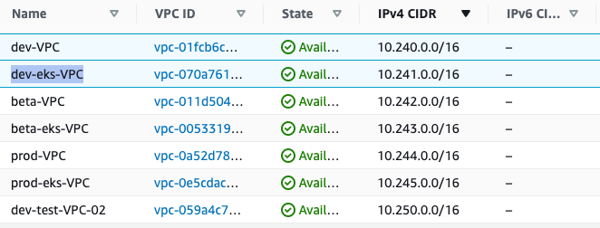

 |  |  |  |  |  |  |  |  |  |  | dev | 10.240.0.0/15 | 10.240.0.0 - 10.241.255.255
 |  |  |  |  |  |  |  |  |  |  | beta | 10.242.0.0/15 | 10.242.0.0 - 10.243.255.255
 |  |  |  |  |  |  |  |  |  |  | prod | 10.244.0.0/15 | 10.244.0.0 - 10.245.255.255

 |  |  |  |  |  |  |  |  |  |  |  | 10.240.0.0/12
 |  |  |  |  |  |  |  |  |  |  |  |  |  |  |  | default vpc | eks vpc
 |  |  |  |  |  |  |  |  |  |  |  | dev | 10.240.0.0/14 | 10.240.0.0 | 10.243.255.255
 |  |  |  |  |  |  |  |  |  |  |  | beta | 10.244.0.0/14 | 10.244.0.0 | 10.247.255.255
 |  |  |  |  |  |  |  |  |  |  |  | prod | 10.248.0.0/14 | 10.248.0.0 | 10.251.255.255

 |  |  |  |  |  |  |  |  |  |  | needed:
 |  |  |  |  |  |  |  |  |  |  | 1) each VPC points to the TGW
 |  |  |  |  |  |  |  |  |  |  | 2) each VPC has routing table for intranetork routing using /15 cidr to TGW
 |  |  |  |  |  |  |  |  |  |  |  | group routing cidr start

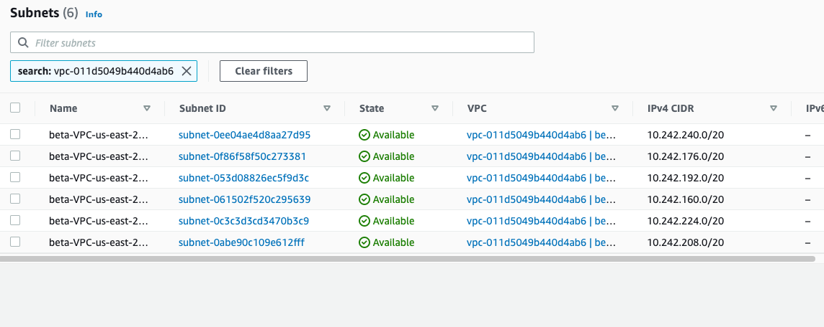

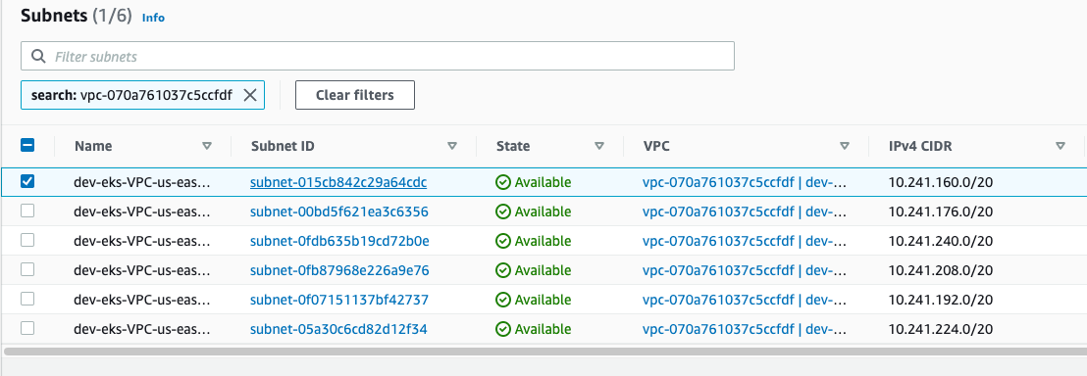

 |  |  |  |  |  |  |  |  |  |  |  |  |  |  |  |  | rtb-0918afe8c63cd1f1b | public yes, private no

 |  |  |  |  |  |  |  |  |  | VPC Link
 |  |  |  |  |  |  |  |  |  | https://us-east-2.console.aws.amazon.com/vpc/home?region=us-east-2#SubnetDetails:subnetId=subnet-015cb842c29a64cdc

Routing Tables
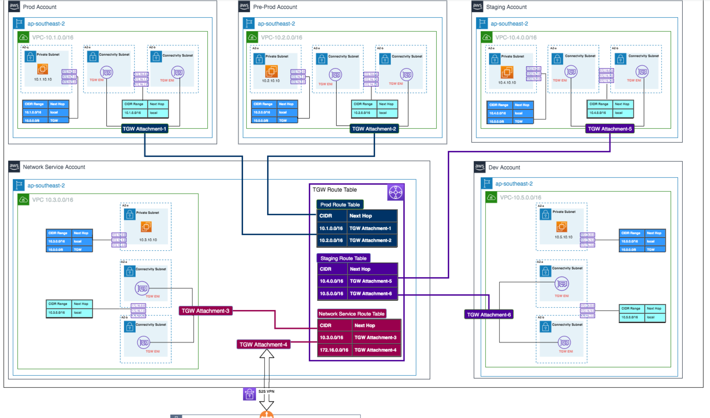

dev-VPC | 10.240.0.0/16 | 10.240.0.0 | 10.240.255.255
dev-eks-VPC | 10.241.0.0/16 | 10.241.0.0 | 10.241.255.255

