CO velocity dispersion
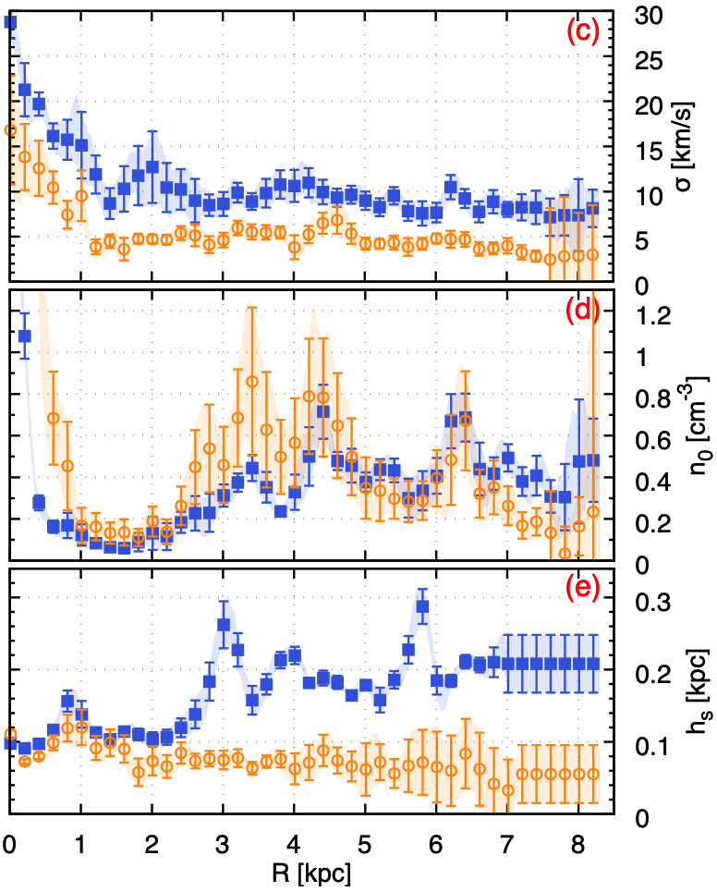
Radius [kpc] | r/r_s | CO-bright H2 Velocity dispersion [km/s] |  |  | https://www.aanda.org/articles/aa/pdf/2017/11/aa31054-17.pdf
0.00471 | 0.00058148148148 | 16.77778 | r_s [kpc] | 8.1
0.20941 | 0.02585308642 | 13.83333
0.40706 | 0.050254320988 | 12.55556
0.60471 | 0.074655555556 | 10.44444
0.80941 | 0.099927160494 | 7.38889
1.00706 | 0.12432839506 | 9.5
1.21176 | 0.1496 | 3.83333
1.40941 | 0.17400123457 | 4.44444
1.60706 | 0.19840246914 | 3.61111
1.80471 | 0.2228037037 | 4.77778
2.00235 | 0.2472037037 | 4.66667
2.20706 | 0.27247654321 | 4.66667
2.41176 | 0.29774814815 | 5.38889
2.60941 | 0.32214938272 | 5.11111
2.80706 | 0.34655061728 | 4.11111
3.00471 | 0.37095185185 | 4.55556
3.20235 | 0.39535185185 | 5.94444
3.40706 | 0.42062469136 | 5.5
3.60471 | 0.44502592593 | 5.44444
3.80941 | 0.47029753086 | 5.44444
4.00706 | 0.49469876543 | 3.77778
4.20471 | 0.5191 | 5.22222
4.40235 | 0.5435 | 6.44444
4.60706 | 0.56877283951 | 6.83333
4.81176 | 0.59404444444 | 5.33333
5.00941 | 0.61844567901 | 4.22222
5.20706 | 0.64284691358 | 4.16667
5.40471 | 0.66724814815 | 4.33333
5.60941 | 0.69251975309 | 3.83333
5.80706 | 0.71692098765 | 4.16667
6.01176 | 0.74219259259 | 4.77778
6.20941 | 0.76659382716 | 4.66667
6.40706 | 0.79099506173 | 4.66667
6.60471 | 0.8153962963 | 3.61111
6.80941 | 0.84066790123 | 3.66667
7.01412 | 0.86594074074 | 3.94444
7.20471 | 0.88947037037 | 3.22222
7.40941 | 0.91474197531 | 2.77778
7.60706 | 0.93914320988 | 2.44444
7.81176 | 0.96441481481 | 2.77778
8.00941 | 0.98881604938 | 2.83333
8.21412 | 1.0140888889 | 3

