Sample
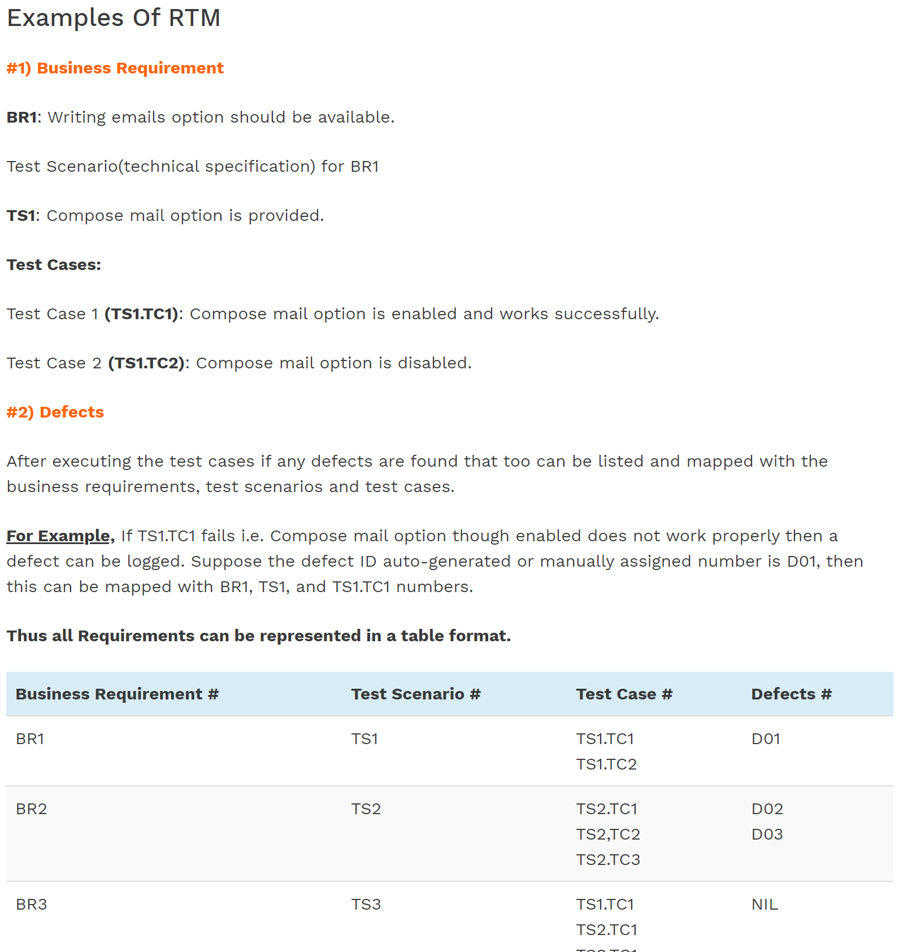
REQUIREMENTS TRACEABILITY MATRIX
Project Name: | cryptoGraph
Reviewer/Approver | Stafford Smith
Category | Requirement Description | Implementation (and where to see more info in class descriptions) | Test Cases | Working? | Notes

Usage and Modes | System provides usage information if called without arguments | main() function calls displayUsage() | Difficult to test with unittesting, as we need to mess with commandline arguments | YES
 | System displays basic summary of data if run with '-r' argument | main() function calls runReportMode() | Difficult to test with unittesting, as we need to mess with commandline arguments | NO
 | System displays interactive menu with '-I' argument | main() function calls runInteractiveMenu() | Difficult to test with unittesting, as we need to mess with commandline arguments | YES
 | System responds to user choice in interactive mode | runInteractiveMenu() |  | YES
 | System handles incorrect user input in interactive mode | if then else: conditional block in runInteractiveMenu() function |  | YES

Loading Data | Load asset data | binanceTradingData.__init__(), BinanceTradingData.createSkeletonGraph(), |  | YES
 | Load trade data | CryptoGraph.loadEdgeWeightsFrom24hr() |  | YES
 | Load serialised data (user saved) |  |  | NO
EXTENSION | Update price data with the latest prices from Binance API |  |  | YES

Basic Display | Find and display asset | BinanceTradingData.getAssetTrades() |  | YES | Currently not much information. TODO: Add more from Assets.csv
 | Find and display trade details | BinanceTradingData.displayTradeDetails() |  | YES | e.g. 'ETHBTC' - this will be the trade price from ETH-BTC, a directional graph with the trade price as the weight.

Graph traversal | Find and display potential trade paths | CryptoGraph.getAllPaths() CryptoGraph._getAllPathsRec() class TradePath() class PathBox() |  | YES
EXTENSION | Find and diplay the top 5 paths by cumulative weighted trade price | PathBox.sortByPrice() |  | YES
 | System allows user to set an asset filter, whereby those assets would be exluded from graph traversals | CryptoGraph.removeVertex() |  | YES

Summaries and Stats | System allows user to get a summary of the assets, an asset overview |  |  | YES | Yes, I have the top five trades in terms of number of edges. Enough.
 | System allows user to get a summary of the trades, a trade overview |  |  | YES | Yes. Works, careful of recursion limit.
EXTENSION | System allows users to find trades where an indirect trade path may be cheaper than a direct trade path |  |  | NO | Problem with recursion… But should be OK…???

Serialisation | System allows user to save data by serialisation |  |  | NO | Further options: Save CryptoGraph object to file, save PathsBox object to file

