Notes
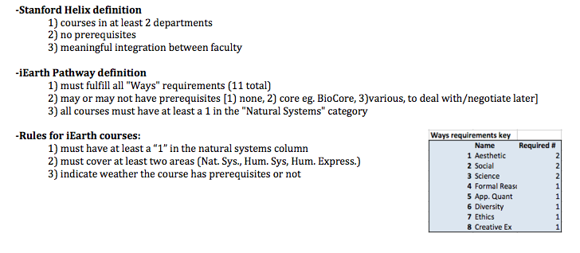
The entire database is contained under the yellow tab. This database has 1) had all of the coursed with PreReqs removed and 2) had all of the courses with less than 2 Credits removed.
The grey tabs are all based on the master database and contain only courses that do (or may) satisfy the indicated Ways requirement.

Courses typed in RED indicate instructor is not Academic Council and may not count as "Ways." However, one of the "official" way's courses have instructors that are not AC; this needs to be clarified.
Be aware: some courses did not have an instructor listed and therefore may OR may not be taught by AC.

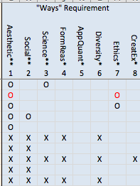

 | "X" ndicates that we guessed at which Ways might be satisfied.
 | "O" indicates this course has officially registered to satisfy this way. (c/o Shari Palmer)

