Settings
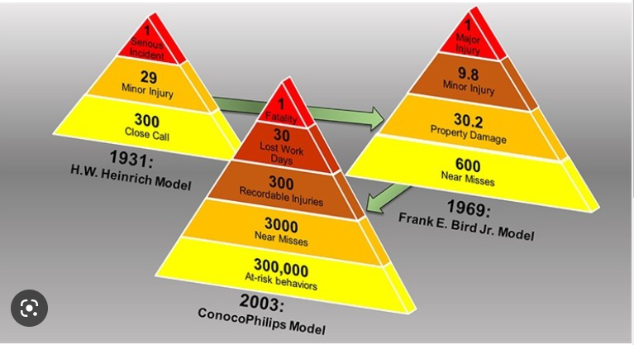
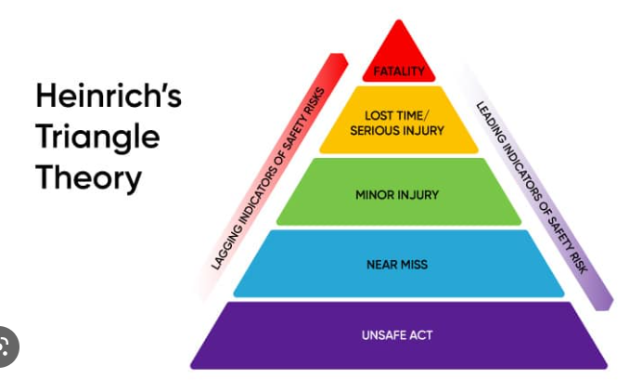
Units | Areas | Classification

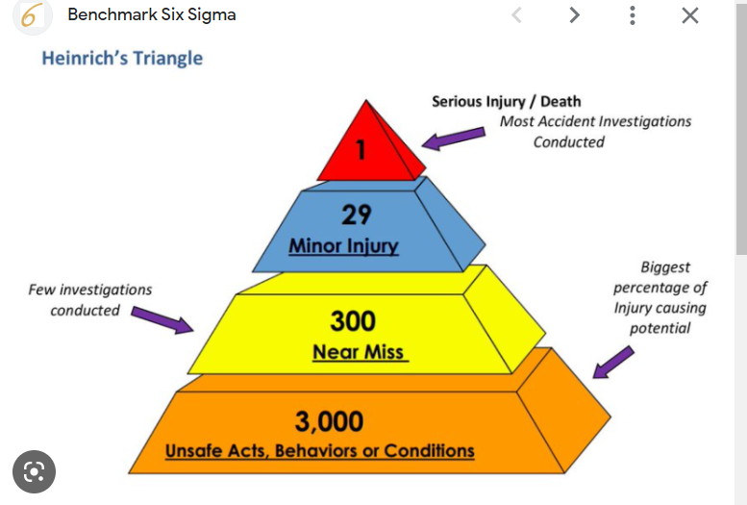
Unit_1 | Area_1 | Under investigation
Unit_2 | Area_2 | Unsafe behavior
Unit_3 | Area_3 | Unsafe condition
 | Area_4 | Near miss
 | Area_5 | Minor injury
 | Area_6 | Lost time accident
 | Area_7 | Fatality

