Kaggle 討論區探索成果
https://www.kaggle.com/c/home-credit-default-risk/discussion/64480

 | https://www.kaggle.com/c/home-credit-default-risk/discussion/64821

I am speechless | I tried some very simple ways of reducing the number of features using frequency-encoded categorical features with the numerical features, and then running very simple forward feature selection using just Ridge regression. I’ve used this technique in the past for metafeatures, but this was the first time I tried it on raw features.
Bojan Tunguz a year ago | I was able to reduce the “big” original set of features that numbered over 1600 features to just 240 features or so.
last comment by
djoguns | ＊scikit-learn-Ridge Regression
9mo ago
161 | ＊Frequency Encoding（頻率編碼）
 | https://towardsdatascience.com/all-about-categorical-variable-encoding-305f3361fd02

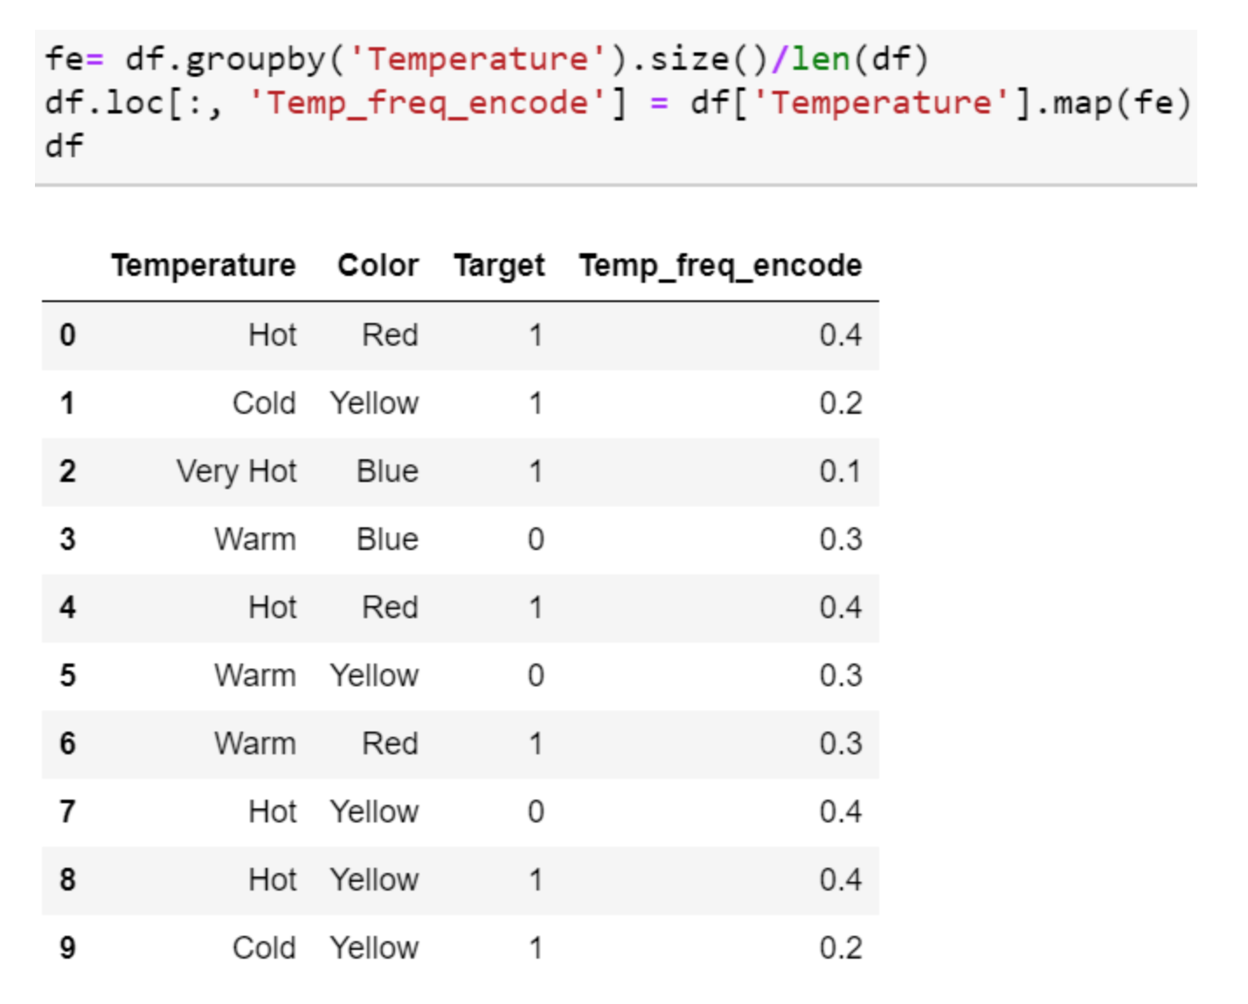
 | 這是一種利用類別的頻率作為標籤的方法。在頻率與目標變量有些相關的情況下，它可以幫助模型根據數據的性質按正比例和反比例理解和分配權重。三個步驟：
 | 1、選擇要轉換的分類變量
 | 2、按類別變量分組並獲得每個類別的計數
 | 3、將其與火車數據集重新結合

https://www.kaggle.com/c/home-credit-default-risk/discussion/64596

 | ＊LightGBM (CV: 0.808419)
 | Random Forest (CV: 0.807978)
 | Extra Trees (CV: 0.807539)
 | Linear Regression (CV: 0.807291)
3rd place solution
alijs a year ago
last comment by
Roberto Spadim
1y ago | I also make feature selection onI also make feature selection on learning rate .05 and after lower it for final train. I never chech features with low lr, but I think it's enough to check with lr .05 and after lower it for final train. I never chech features with low lr, but I think it's enough to check with lr .05
31
 | ＊ learning rate .05

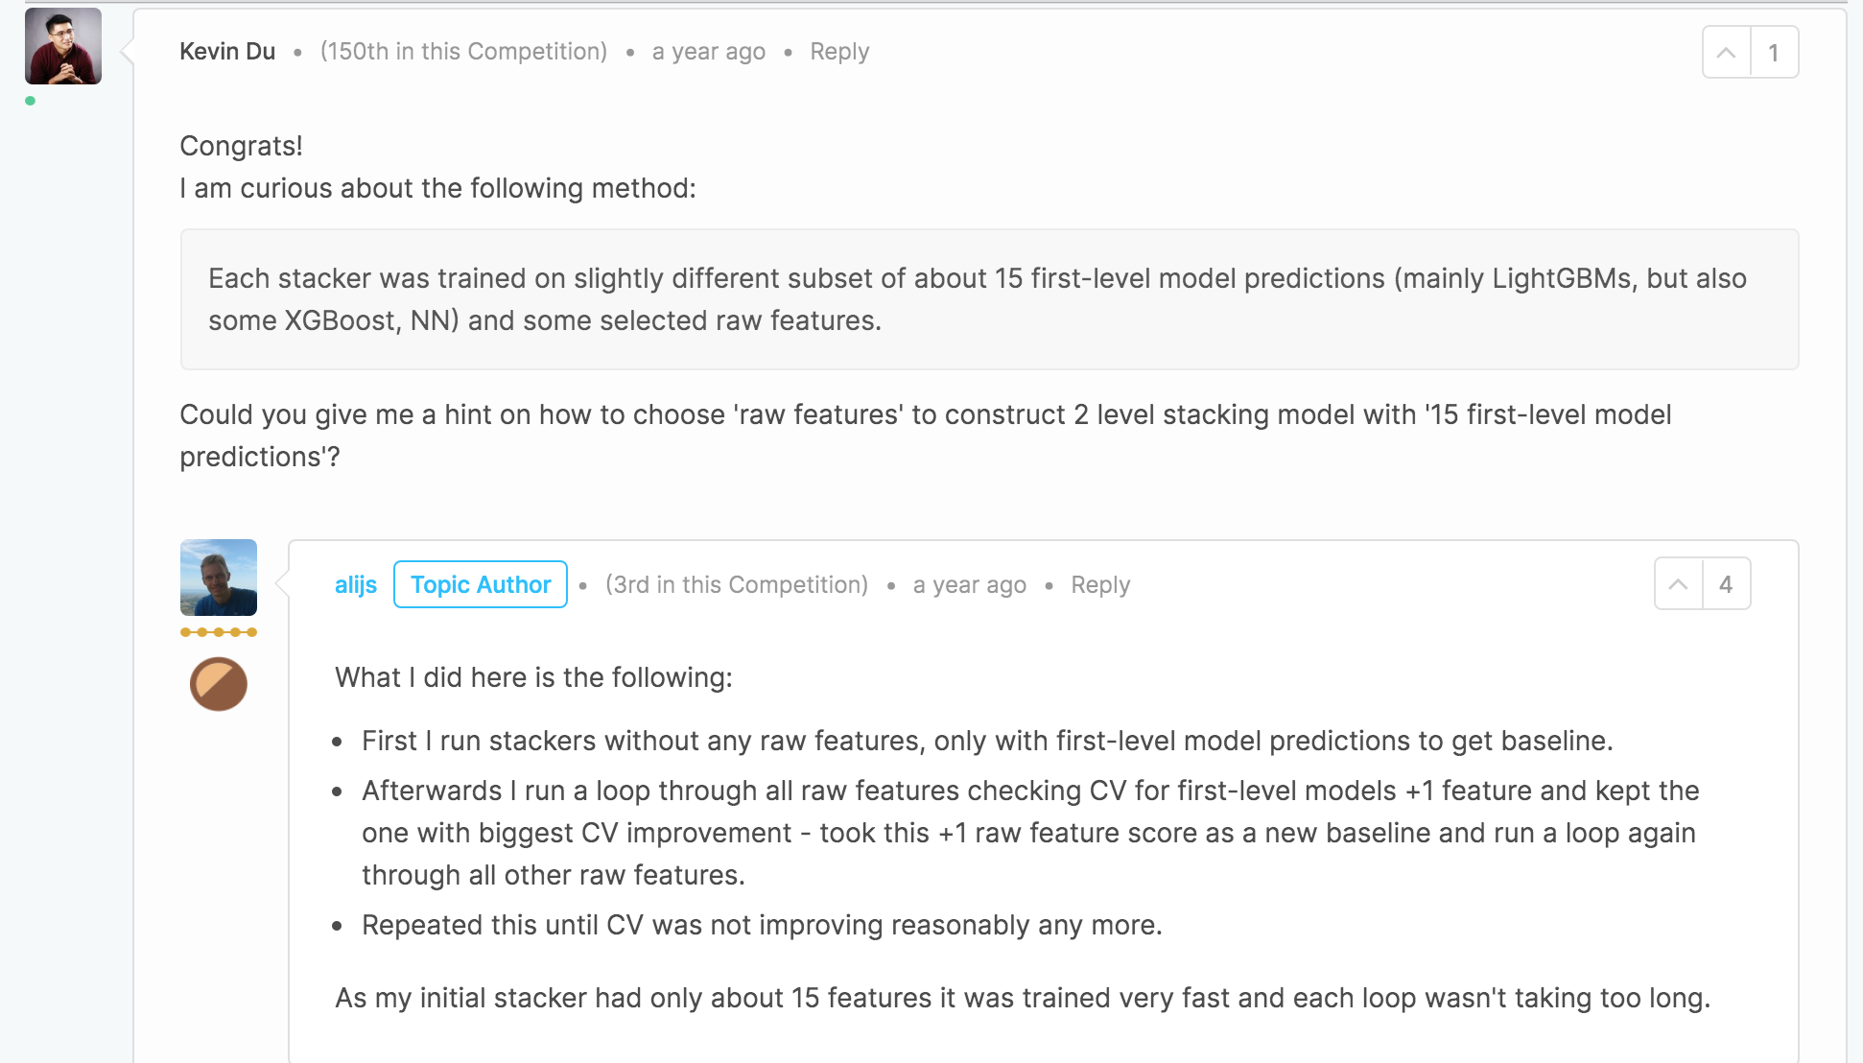

 | Q：如何選擇“原始特徵”以構建具有“ 15個一級模型預測”的二級堆疊模型
 | A:
 | 1、沒有任何原始功能的堆棧器，僅使用第一級模型預測來獲得基線。
 | 2、循環遍歷所有原始功能，檢查CV以獲得第一級模型+1功能，並保持CV改善最大的功能-將+1原始功能得分作為新基準，並再次循環遍歷所有其他原始功能。
 | 重複此操作，直到CV不再有合理的提高。
 | 3、最初的堆棧器只有大約15個功能，因此訓練非常快，每個循環都不會花費太長時間。

https://www.kaggle.com/c/home-credit-default-risk/discussion/64487

 | ＊github分享
 | https://github.com/Cirice/4th-place-Home-Credit-Default-Risk

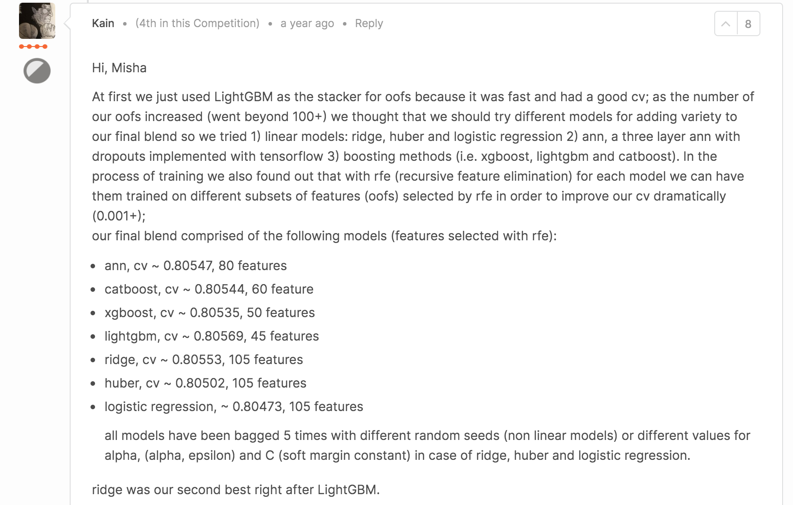
4th place sharing and tips about | ＊建立模型問答
having a good teamwork experience
Shubin a year ago
last comment by
Tommao
1y ago
63

工作表1
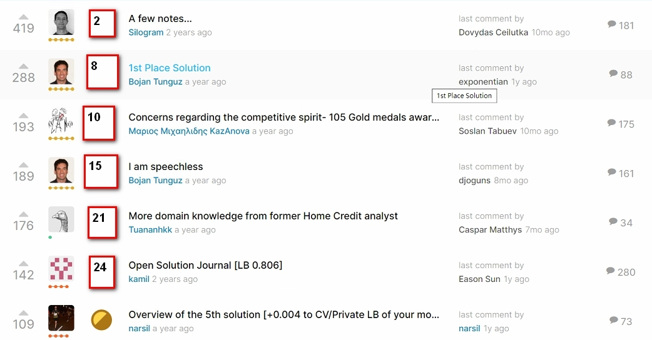

2

8

10

15

21

24

2

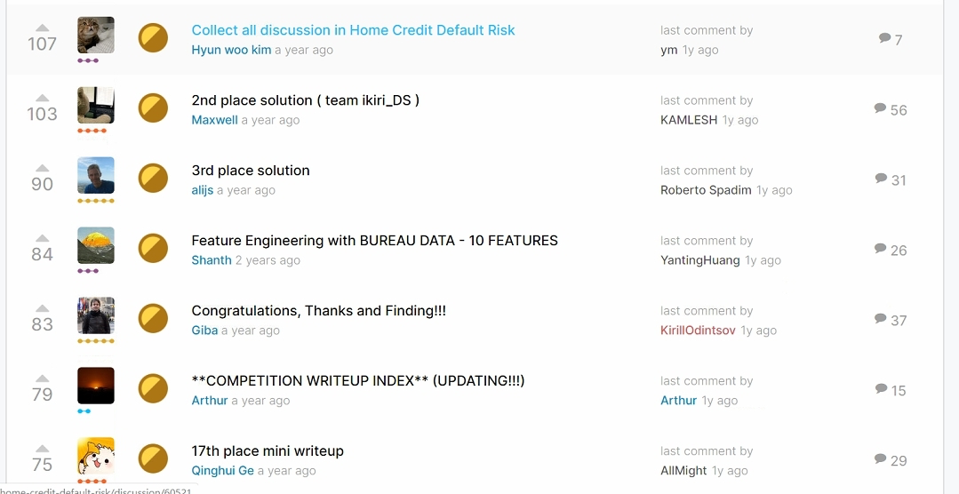

8

10

15

21

24

2

8


10

15

21

24

2

