Cell Referencing
Cell | Intersection of Column and Row

Cell Address | Represented with the help of Column Alphabet and Row Number

Cell Referencing | Acciojob

 | Acciojob

 |  |  | -1
 |  |  | 0
 |  | 1 | 1 | 1
 |  | 2 | 2 | 2
 |  |  | 3
 |  |  | 4

 |  |  | Top |  |  |  |  | Top |  |  |  | F20
 |  | Left | Acciojob | Right |  |  | Left | Acciojob | Right |  | E21 | F21 | G21
 |  |  | Bottom |  |  |  |  | Bottom |  |  |  | F22

 |  |  | North
 |  | West | India | East
 |  |  | South

 |  |  | North
 |  | West | India | East
 |  |  | South

 |  |  | F37
 |  | E38 | F38 | G38
 |  |  | F39

 |  | 19 | x | 1 | 19 | E52 x G52
 | Relative | 19 | x | 2 | 38 | E53 x G53
 | Absolute | 19 | x | 3 | 57 | E54 x G54
 | Mix | 19 | x | 4 | 76 | E55 x G55
 |  | 19 | x | 5 | 95 | E56 x G56
 |  | 19 | x | 6 | 114
 |  | 19 | x | 7 | 133
 |  | 19 | x | 8 | 152
 |  | 19 | x | 9 | 171
 |  | 19 | x | 10 | 190

 |  |  |  |  | 1 | 2 | 3 | 4
 |  | 5 |  | 12 | E64 + E66 |  |  | 0
 |  |  |  | 0 | E65 + E67
 |  | 7

 |  |  |  | 0 | E70+E72

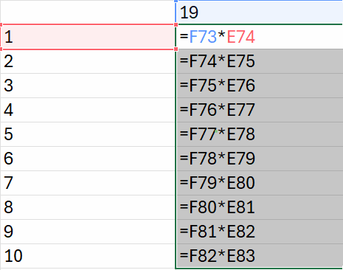
 |  |  | 19
 |  | 1 | 19
 |  | 2 | 38
 |  | 3 | 114
 |  | 4 | 456
 |  | 5 | 2280
 |  | 6 | 13680
 |  | 7 | 95760
 |  | 8 | 766080
 |  | 9 | 6894720
 |  | 10 | 68947200

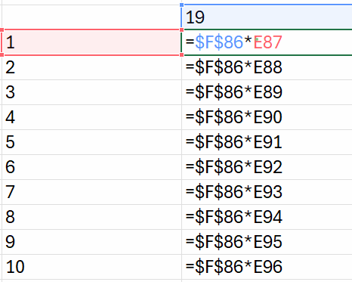
 |  |  | 19
 |  | 1 | 19 |  |  |  |  | 19
 |  | 2 | 38 |  |  |  |  | 38
 |  | 3 | 57 |  |  |  |  | 57
 |  | 4 | 76 |  |  |  |  | 76
 |  | 5 | 95 |  |  |  |  | 95
 |  | 6 | 114 |  |  |  |  | 114
 |  | 7 | 133 |  |  |  |  | 133
 |  | 8 | 152 |  |  |  |  | 152
 |  | 9 | 171 |  |  |  |  | 171
 |  | 10 | 190 |  |  |  |  | 190

 |  | Function4
 |  | F4

 |  | Salary |  |  | Bonus | 5%
 |  | 152441 |  |  | 7622.05 |  |  |  |  | 7622.05
 |  | 1388301 |  |  | 69415.05
 |  | 1257485 |  |  | 62874.25
 |  | 601827 |  |  | 30091.35
 |  | 333521 |  |  | 16676.05
 |  | 1049115 |  |  | 52455.75
 |  | 1316524 |  |  | 65826.2
 |  | 501255 |  |  | 25062.75
 |  | 715196 |  |  | 35759.8
 |  | 302222 |  |  | 15111.1
 |  |  |  |  |  |  | Mix | Relative + Absolute

 |  | x | 1 | 2 | 3 | 4 | 5 | 6 | 7 | 8 | 9 | 10
 |  | 1
 |  | 2
 |  | 3
 |  | 4
 |  | 5 |  |  |  |  | 25
 |  | 6
 |  | 7
 |  | 8 |  |  |  |  |  |  | 56
 |  | 9
 |  | 10

 |  |  | 1 | 2 | 3 | 4 | 5 | 6 | 7 | 8 | 9 | 10

