TRUE()
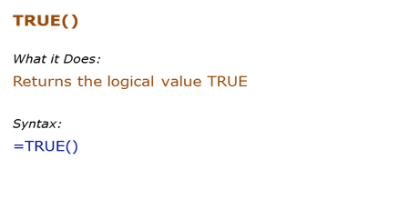
Formula | Result | Description
 |  | TRUE formula takes no arguments
 |  | It works even if the parentheses are not added

FALSE()
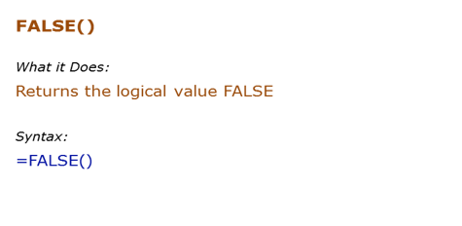
Formula | Result | Description
 |  | FALSE formula takes no arguments
 |  | It works even if the parentheses are not added

NOT()
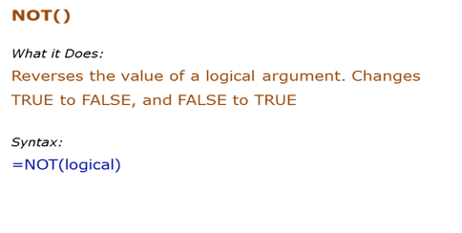
Data Used in Formula
20

Formula | Result | Description
 | FALSE | Reverse the TRUE to FALSE
 | FALSE | Reverse the condition that returns TRUE to FALSE
 |  | Any non-zero integer is considered TRUE, and NOT reverses it to FALSE
 |  | 0 is considered FALSE, and NOT reverses it to TRUE

AND()
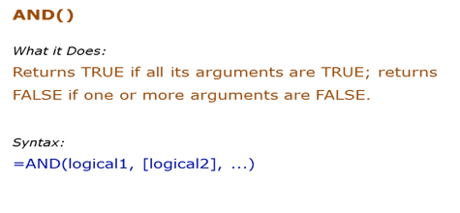
Data Used in Formula
TRUE
FALSE

Formula | Result | Description
 |  | Both values are TRUE, and hence it returns TRUE
 |  | One value is FALSE, and hence it returns FALSE
 |  | One value is FALSE, and hence it returns FALSE
 |  | Both conditions are TRUE, and hence it returns TRUE
 |  | TRUE in double quotes is considered as TRUE by AND

OR()
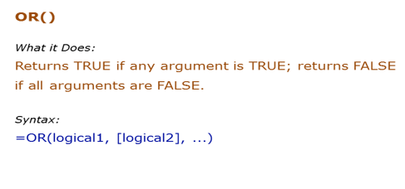
Data Used in Formula
TRUE
FALSE

Formula | Result | Description
 |  | One value is TRUE, and hence it returns TRUE
 |  | One value is TRUE, and hence it returns TRUE
 |  | None of the value is TRUE, hence it returns FALSE
 |  | One of conditions is TRUE, and hence it returns TRUE
 |  | TRUE in double quotes is considered as TRUE by OR

IF()
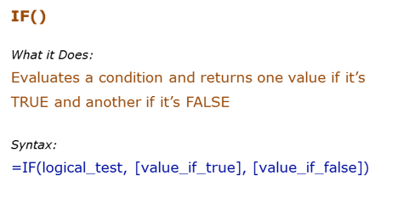
Data Used in Formula
20

Formula | Result | Description
=IF(B3>10,"RIGHT","WRONG") | RIGHT | Since the condition is TRUE, it returns the value for TRUE (which is the text "RIGHT")
=IF(B3>10,,"WRONG") | 0 | If the value for TRUE is omitted, it returns a 0 when the IF condition is TRUE
=IF(B3<10,"RIGHT") | FALSE | If the value for FALSE is omitted, it returns FALSE when the IF condition is FALSE
=IF(B3<10,"RIGHT",) | 0 | If the value for FALSE is omitted (but the comma is still there), it returns a 0 [Note the difference from above]

IFERROR()
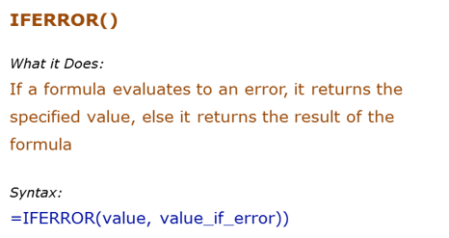
Data Used in Formula
100 |  | #DIV/0!
10
0

Formula | Result | Description
 |  | The value is not an error, the result is displayed
 |  | The value is an error, the text Error is displayed
 |  | If nothing is specified in case of error, it returns a 0. Note that there should be a comma though, else it gives an error

 |  |  | 5 | 6 | 0.83333333333 | 0.83333333333
 |  |  | 5 | 0 | #DIV/0! | Issue with Calculation
 |  |  | 5 | Acciojob | 5

 |  |  | 5 |  | Issue
 |  |  | 6
 |  |  | #NAME?

IS()
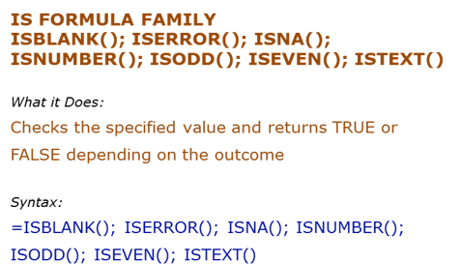
Data Used in Formula

#DIV/0!
#N/A |  | Siraj123
2
1
Hello

Formula | Result | Description
 | TRUE | Checks if the value is blank
 | TRUE | Checks if the value is an error
 | FALSE | Checks if the value is an #N/A error
 | TRUE | Checks if the value is a number | FALSE
 |  | Checks if the value is odd
 |  | Checks if the value is even
 | TRUE | Checks if the value is text
 | FALSE
 | FALSE

